Item
Line No. | Photo | VIN/Art No. | Brand | Licensor | Product Category | Pattern | Item Description | Description-Short | Fabrication | Material-Short | Size/Spec. | Color | Item No. | UPC | Unit of Measure | China RMB Cost | Exchange Rate | FOB Cost $ (Formula) | FOB Cost $ (Value) | UCCPM Price | Package Type | Carton Size L (cm) | Carton Size W (cm) | Carton Size H (cm) | Carton Gross Weight (kg) | Case Pack | Cubic Meter per Carton | Total Units per 40ft Container | 40ft Container Freight | Ocean Freight per Item $ | HTS Code | Duty Rate | Duty per Item $ | LDP Cost $ | DA % | DA $ | General Load % | General Load $ | Warehouse Charge % | Warehouse Charge $ | Dropship Charge | Load 1 | Load 1 % | Load 1 $ | Total Load $ | LDP Cost with Load $ | JLA LDP MU% | JLA FOB CA/GA Price Quote (Formula) | JLA price with drop ship charges | Suggested Retail Price | Initial Markup | Initial Rollout Forecast
1 | 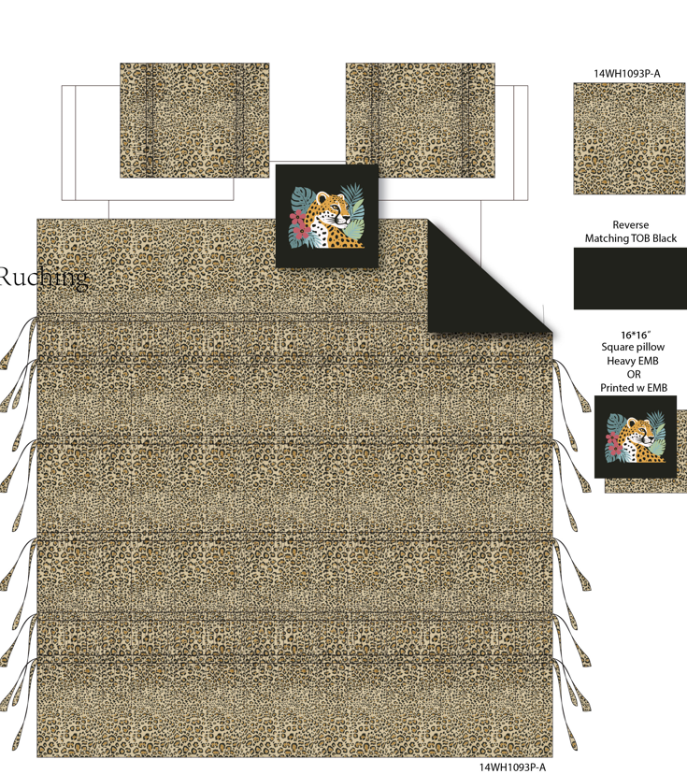 Comforter Mini Set |  | Regency Heights |  | COMFORTER (SET) | Savana | 100% Polyester Microfiber ruching printed 3pcs Comforter Set | 3pcs Comforter set | Comf/sham :100% polyester 85gsm Microfiber printed ruching and tape on face, 85gsm microfiber solid reverse, 200gsm poly fill. pillow: micro fiber cover with polyester filling | 100% polyester , poly filling | Twin/Twin XL 1 Comforter 66"Wx90"L 2 Sham 20"W x 26"L(2) 1 Pillow 16"W x 16"L | Brown | RH10-1099 |  | Set | ￥83.63 | 7.70 | $10.86 | $10.86 |  | Compressed/Knocked Down | 42.0 | 32.0 | 42.0 | 8.60 | 3 | 0.056 | 3455 | $4,000.00 | $1.16 | 9404.40.9022 | 22.80% | $2.48 | $14.49 | 0.00% | $0.00 | 0.00% | $0.00 | 0.00% | $0.00 | $0.00 | $0.00 | 0.00% | $0.00 | $0.00 | $14.49 | 33.82% | $21.90 | $23.00 | $45.99 | 50.00% | 483
2 |  |  | Regency Heights |  | COMFORTER (SET) | Savana | 100% Polyester Microfiber ruching printed 4pcs Comforter Set | 4pcs Comforter set | Comf/sham :100% polyester 85gsm Microfiber printed ruching and tape on face, 85gsm microfiber solid reverse, 200gsm poly fill. pillow: micro fiber cover with polyester filling | 100% polyester , poly filling | Full/Queen 1 Comforter 90"Wx90"L 2 Sham 20"W x 26"L(2) 1 Pillow 16"W x 16"L | Brown | RH10-1100 |  | Set | ￥102.72 | 7.70 | $13.34 | $13.34 |  | Compressed/Knocked Down | 42.0 | 32.0 | 45.0 | 10.60 | 3 | 0.060 | 3224 | $4,000.00 | $1.24 | 9404.40.9022 | 22.80% | $3.04 | $17.62 | 0.00% | $0.00 | 0.00% | $0.00 | 0.00% | $0.00 | $0.00 | $0.00 | 0.00% | $0.00 | $0.00 | $17.62 | 28.82% | $24.76 | $26.00 | $51.99 | 50.00% | 792
3 |  |  | Regency Heights |  | COMFORTER (SET) | Savana | 100% Polyester Microfiber ruching printed 4pcs Comforter Set | 4pcs Comforter set | Comf/sham :100% polyester 85gsm Microfiber printed ruching and tape on face, 85gsm microfiber solid reverse, 200gsm poly fill. pillow: micro fiber cover with polyester filling | 100% polyester , poly filling | King/Cal King 1 Comforter 104"Wx90"L 2 Sham 20"W x 36"L(2) 1 Pillow 16"W x 16"L | Brown | RH10-1101 |  | Set | ￥112.41 | 7.70 | $14.60 | $14.60 |  | Compressed/Knocked Down | 42.0 | 32.0 | 51.0 | 11.80 | 3 | 0.069 | 2845 | $4,000.00 | $1.41 | 9404.40.9022 | 22.80% | $3.33 | $19.33 | 0.00% | $0.00 | 0.00% | $0.00 | 0.00% | $0.00 | $0.00 | $0.00 | 0.00% | $0.00 | $0.00 | $19.33 | 28.76% | $27.14 | $28.50 | $56.99 | 50.00% | 615

