Item
Line No. | Photo | VIN/Art No. | Brand | Licensor | Product Category | Pattern | Item Description | Description-Short | Fabrication | Material-Short | Size/Spec. | Color | Item No. | UPC | Unit of Measure | China RMB Cost | Exchange Rate | FOB Cost $ (Formula) | FOB Cost $ (Value) | UCCPM Price | Package Type | Carton Size L (cm) | Carton Size W (cm) | Carton Size H (cm) | Carton Gross Weight (kg) | Case Pack | Cubic Meter per Carton | Total Units per 40ft Container | 40ft Container Freight | Ocean Freight per Item $ | HTS Code | Duty Rate | Duty per Item $ | LDP Cost $ | DA % | DA $ | General Load % | General Load $ | Warehouse Charge % | Warehouse Charge $ | Dropship Charge | Load 1 | Load 1 % | Load 1 $ | Total Load $ | LDP Cost with Load $ | JLA LDP MU% | JLA FOB CA/GA Price Quote (Formula) | JLA price with drop ship charges | Suggested Retail Price | Initial Markup | Initial Rollout Forecast
1 | 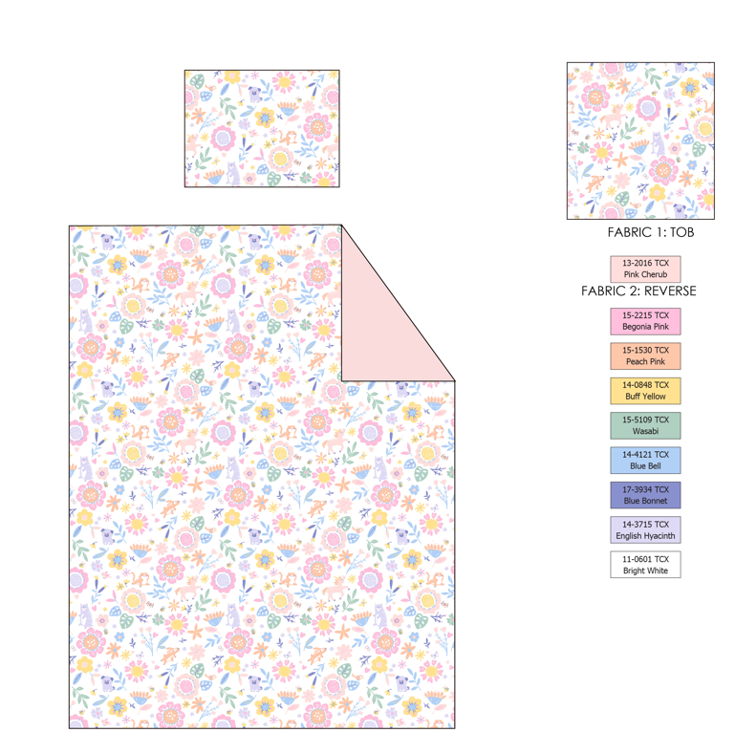 |  | Regency Heights |  | COMFORTER (SET) | Sally | 100% Polyester Printed Comforter Mini Set | 2pcs Comforter Set | Comf/sham: 100% polyester 85gsm microfiber with multicolor print on face, solid reversible; filling: 200gsm poly fill.knife edge, cloud quilting. | 100% polyester and poly filling | Twin/Twin XL 1 Comforter 66"Wx90"L 2 Sham 20"W x 26"L(2) | Pink | RH10-1123 |  | Set | ￥47.89 | 7.60 | $6.30 | $6.30 |  | Compressed/Knocked Down | 42.0 | 32.0 | 35.0 |  | 3 | 0.047 | 4145 | $4,000.00 | $0.96 | 9404.40.9022 | 22.80% | $1.44 | $8.70 | 0.00% | $0.00 | 0.00% | $0.00 | 0.00% | $0.00 | $0.00 | $0.00 | 0.00% | $0.00 | $0.00 | $8.70 | 59.38% | $21.42 | $22.49 | $29.99 | 25.00% | 345
2 |  |  | Regency Heights |  | COMFORTER (SET) | Sally | 100% Polyester Printed Comforter Mini Set | 3pcs Comforter Set | Comf/sham: 100% polyester 85gsm microfiber with multicolor print on face, solid reversible; filling: 200gsm poly fill.knife edge, cloud quilting. | 100% polyester and poly filling | Full/Queen 1 Comforter 90"Wx90"L 2 Sham 20"W x 26"L(2) | Pink | RH10-1124 |  | Set | ￥61.51 | 7.60 | $8.09 | $8.09 |  | Compressed/Knocked Down | 42.0 | 32.0 | 41.0 |  | 3 | 0.055 | 3539 | $4,000.00 | $1.13 | 9404.40.9022 | 22.80% | $1.85 | $11.07 | 0.00% | $0.00 | 0.00% | $0.00 | 0.00% | $0.00 | $0.00 | $0.00 | 0.00% | $0.00 | $0.00 | $11.07 | 61.26% | $28.56 | $29.99 | $39.99 | 25.00% | 468
1 | 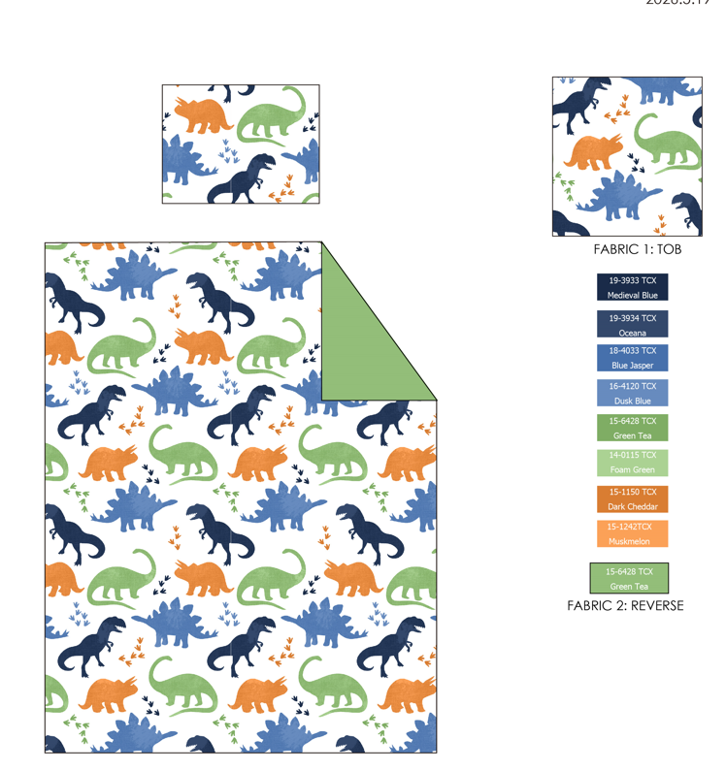 |  | Regency Heights |  | COMFORTER (SET) | Asher | 100% Polyester Printed Comforter Mini Set | 2pcs Comforter Set | Comf/sham: 100% polyester 85gsm microfiber with multicolor print on face, solid reversible; filling: 200gsm poly fill.knife edge, Small diamond quilting | 100% polyester and poly filling | Twin/Twin XL 1 Comforter 66"Wx90"L 2 Sham 20"W x 26"L(2) | Multi | RH10-1125 |  | Set | ￥47.89 | 7.60 | $6.30 | $6.30 |  | Compressed/Knocked Down | 42.0 | 32.0 | 35.0 |  | 3 | 0.047 | 4145 | $4,000.00 | $0.96 | 9404.40.9022 | 22.80% | $1.44 | $8.70 | 0.00% | $0.00 | 0.00% | $0.00 | 0.00% | $0.00 | $0.00 | $0.00 | 0.00% | $0.00 | $0.00 | $8.70 | 59.38% | $21.42 | $22.49 | $29.99 | 25.00% | 315
2 |  |  | Regency Heights |  | COMFORTER (SET) | Asher | 100% Polyester Printed Comforter Mini Set | 3pcs Comforter Set | Comf/sham: 100% polyester 85gsm microfiber with multicolor print on face, solid reversible; filling: 200gsm poly fill.knife edge, Small diamond quilting | 100% polyester and poly filling | Full/Queen 1 Comforter 90"Wx90"L 2 Sham 20"W x 26"L(2) | Multi | RH10-1126 |  | Set | ￥61.51 | 7.60 | $8.09 | $8.09 |  | Compressed/Knocked Down | 42.0 | 32.0 | 41.0 |  | 3 | 0.055 | 3539 | $4,000.00 | $1.13 | 9404.40.9022 | 22.80% | $1.85 | $11.07 | 0.00% | $0.00 | 0.00% | $0.00 | 0.00% | $0.00 | $0.00 | $0.00 | 0.00% | $0.00 | $0.00 | $11.07 | 61.26% | $28.56 | $29.99 | $39.99 | 25.00% | 336

