Item
Line No. | Photo | VIN/Art No. | Brand | Licensor | Product Category | Pattern | Item Description | Description-Short | Fabrication | Material-Short | Size/Spec. | Color | Trim | Item No. | UPC | Customer Item# | Customer Specific Attributes | Unit of Measure | Total Quantity | UCCPM Price | FOB Cost (RMB) | Exchange Rate | FOB Cost (Value) | Package Type | Carton Size L (cm) | Carton Size W (cm) | Carton Size H (cm) | Carton Gross Weight (kg) | Case Pack | Cubic Meter per Carton | IFC | Inner Pack L (in) | Inner Pack W (in) | Inner Pack H (in) | Inner Pack Gross Weight (kg) | Container Volume | Total Units per 40ft Container | 40ft Container Freight | Ocean Freight per Item $ | HTS Code | Duty Rate | Duty per Item $ | LDP Cost $ | Cubic cm per Item | Cubic ft per Item | Ship8 Charge Rate | Ship8 Charge $ | DA % | DA $ | Warehouse Charge % | Warehouse Handling $ | Marketing % | Marketing $ | Other Load | Other Load % | Other Load $ | Total Load $ | LDP Cost with Load $ | JLA Domestic MU% | Standard Price | Retail Marketing % | Retail Marketing $ | Shipping Fee | Total Cost w/ Retail Expenses | Retail Markup % | Average Retail Price | Average Retail Markup % | Customer Cost | Suggested Retail Price | MAP $ | Load % + Margin % | Retailer Markup %
4 | 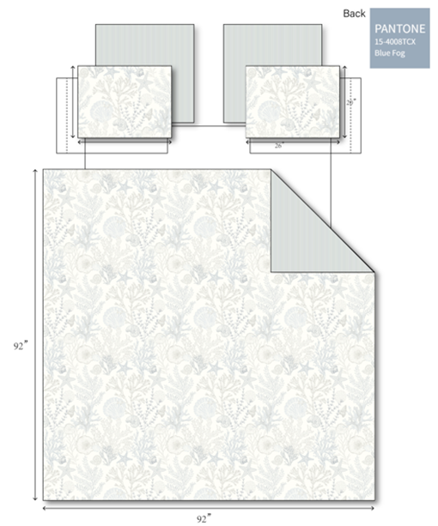 |  | Harbor House Blue |  | SHOWER CURTAIN | Sea Meadow | 100% Cotton | Shower Curtain | 100%cotton,144T double fold 2" at the top head without lining. Other three sides fold 0.5“, totally 12 holes | 100%cotton | 1 Shower Curtain 72"Wx72"L | Blue Print |  | HH70-1996 |  |  |  | Piece | 75 |  | 41.58 | 7.70 | $5.40 | Normal | 48.0 | 30.0 | 30.0 |  | 12 | 0.043 |  |  |  |  |  | 62.00 | 17222 | 4,000 | $0.23 | 6303.91.0010 | 27.8% | $1.50 | $7.13 | 3600.00 | 0.13 | 4.00 | $0.51 | 10.00% | $1.50 | 0.00% | #REF! | 0.00% | $0.00 | Average Load Marketing | 15.00% | $2.25 |  |  |  | $15.00 | 15.00% | $4.50 | $8.00 |  | #VALUE! | $29.99 | 50.00% | $15.00 | $39.99 | $29.99 | 52.43% | 62.50%

