Item
Line No. | Photo | VIN/Art No. | Brand | Licensor | Product Category | Technique | Pattern | Item Description | Description-Short | Fabrication | Material-Short | Size/Spec. | Color | Customer Item# | Additional Customer Item# | Item No. | UPC | Unit of Measure |  | UCCPM Price / FOB Cost $ | Package Type | Packaging | Master Carton L (cm) | Master Carton W (cm) | Master Carton H (cm) | Carton Size L (cm) | Carton Size W (cm) | Carton Size H (cm) | Carton Gross Weight (kg) | Case Pack | Cubic Meter per Carton | Container Volume | Total Units per 40ft Container | 40ft Container Freight | Ocean Freight per Item $ | HTS Code | Duty Rate | Duty per Item $ | LDP Cost $ | DA % | DA $ | Royalty % | Royalty $ | Other Load | Other Load % | Other Load $ | Total Load $ | LDP Cost with Load $ | JLA LDP MU% | JLA POE Price - 15% Tariff - 5.12.2026 | Suggested Retail Price | Retail Markup % | Additional Customer Price | HG QTY | Total Cost | Total Sales | Retailer Selling Price Total | Master Carton CBM | Master Carton Weight (kg) |  | Remarks
1 |  |  |  |  | Shower Curtain | Print | SNOW DAY FUN | 100% Polyester Printed Shower Curtain | Single SC | 100% polyester,printed Weight:150 gsm | 100% polyester | 72x72" | Multi |  |  | HG70-5229 |  | Piece | $3.01 Hallween 7% cost increase | $3.23 | Normal | Header card + plastic hanger | 33.0 | 29.0 | 16.0 | 33.0 | 29.0 | 16.0 | 6.50 | 4 | 0.015 | 63.00 | 16458 | 3,000 | $0.18 | 6303.92.2050 | 33.8% | $1.09 | $4.50 | 0.00% | $0.00 | 0.00% | $0.00 | $0.00 | 0.00% | $0.00 | $0.00 | $4.50 | 29.10% | $6.35 |  |  |  | 1000 | $4,504.03 | $6,352.50 |  | 3.83
2 | 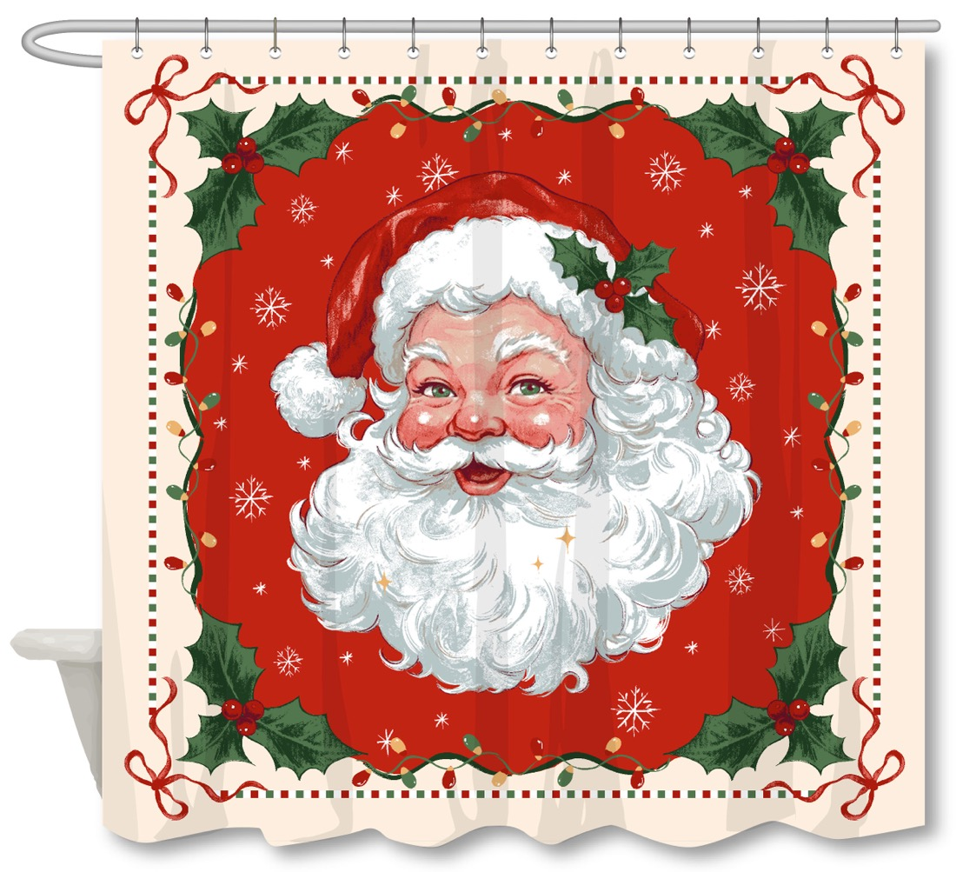 |  |  |  | Shower Curtain | Print | CLASSIC CLAUS | 100% Polyester Printed Shower Curtain | Single SC | 100% polyester,printed Weight:150 gsm | 100% polyester | 72x72" | Multi |  |  | HG70-5230 |  | Piece | $3.01 Hallween 7% cost increase | $3.23 | Normal | Header card + plastic hanger | 33.0 | 29.0 | 16.0 | 33.0 | 29.0 | 16.0 | 6.50 | 4 | 0.015 | 63.00 | 16458 | 3,000 | $0.18 | 6303.92.2050 | 33.8% | $1.09 | $4.50 | 0.00% | $0.00 | 0.00% | $0.00 | $0.00 | 0.00% | $0.00 | $0.00 | $4.50 | 29.10% | $6.35 |  |  |  | 1200 | $5,404.83 | $7,623.00 |  | 4.59
3 | 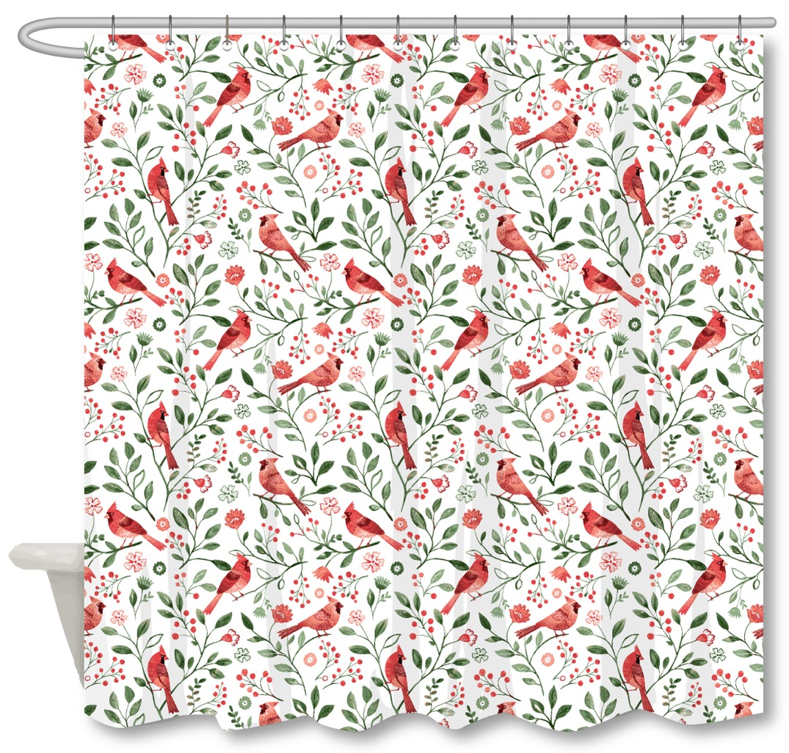 |  | Laura Ashley | Laura Ashley 4% | Shower Curtain | Print | CARDINAL CHEER | 100% Polyester Printed Shower Curtain | Single SC | 100% Polyester,210gsm matte rib slub,printed | 100% polyester | 72x72" | Multi |  |  | LA70-0626 |  | Piece | $3.01 Hallween 7% cost increase | $3.57 | Normal | Header card + plastic hanger | 33.0 | 29.0 | 16.0 | 33.0 | 29.0 | 16.0 | 6.50 | 4 | 0.015 | 63.00 | 16458 | 3,000 | $0.18 | 6303.92.2050 | 33.8% | $1.21 | $4.96 | 0.00% | $0.00 | 6.00% | $0.44 | $0.00 | 0.00% | $0.00 | $0.44 | $5.40 | 26.53% | $7.35 |  |  |  | 1200 | $6,479.93 | $8,820.00 |  | 4.59
4 | 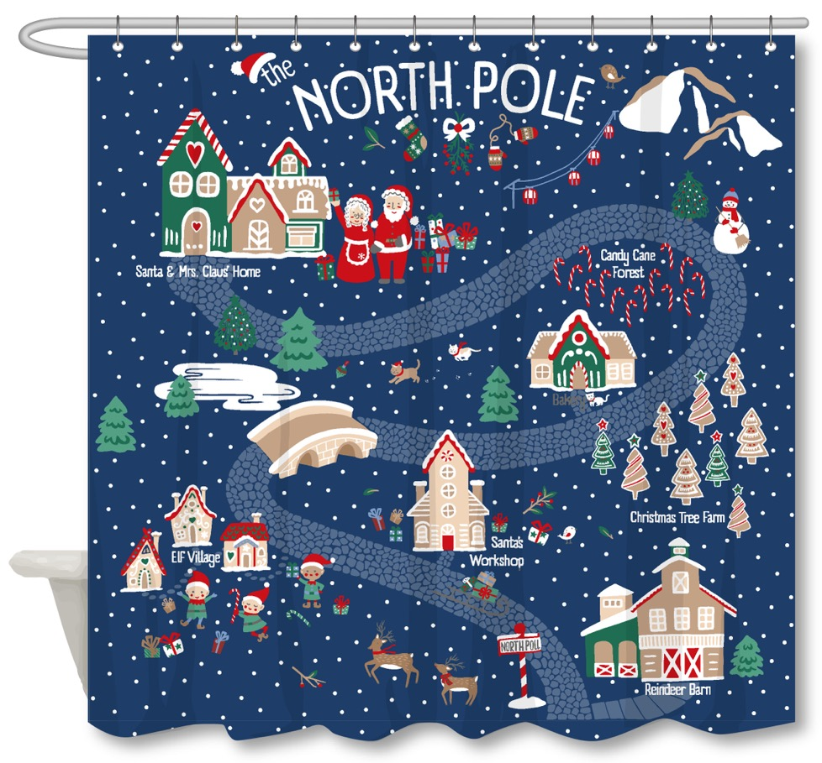 |  |  |  | Shower Curtain | Print | NORTH POLE | 100% Polyester Printed Shower Curtain | Single SC | 100% polyester,printed Weight:150 gsm | 100% polyester | 72x72" | Navy |  |  | HG70-5231 |  | Piece | $3.01 Hallween 7% cost increase | $3.23 | Normal | Header card + plastic hanger | 33.0 | 29.0 | 16.0 | 33.0 | 29.0 | 16.0 | 6.50 | 4 | 0.015 | 63.00 | 16458 | 3,000 | $0.18 | 6303.92.2050 | 33.8% | $1.09 | $4.50 | 0.00% | $0.00 | 0.00% | $0.00 | $0.00 | 0.00% | $0.00 | $0.00 | $4.50 | 29.10% | $6.35 |  |  |  | 1000 | $4,504.03 | $6,352.50 |  | 3.83
5 | 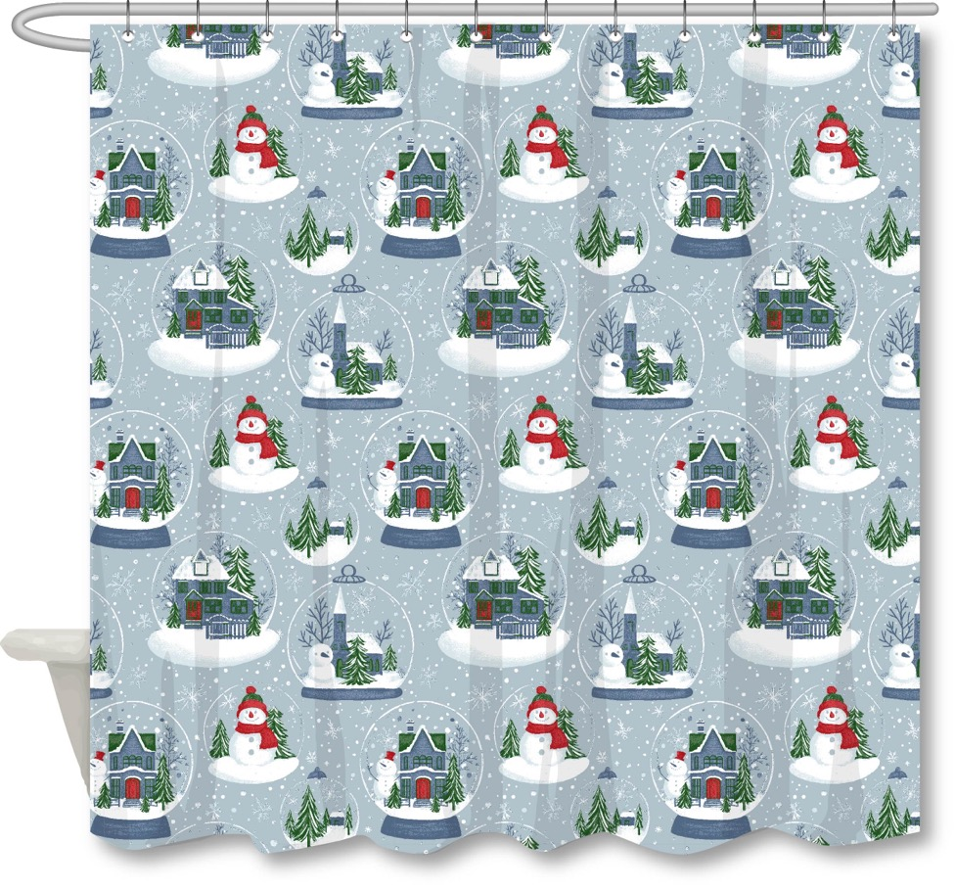 |  |  |  | Shower Curtain | Print | SNOWY GLOBE - BLUE | 100% Polyester Printed Shower Curtain | Single SC | 100% polyester,printed Weight:150 gsm | 100% polyester | 72x72" | Blue |  |  | HG70-5232 |  | Piece | $3.01 Hallween 7% cost increase | $3.23 | Normal | Header card + plastic hanger | 33.0 | 29.0 | 16.0 | 33.0 | 29.0 | 16.0 | 6.50 | 4 | 0.015 | 63.00 | 16458 | 3,000 | $0.18 | 6303.92.2050 | 33.8% | $1.09 | $4.50 | 0.00% | $0.00 | 0.00% | $0.00 | $0.00 | 0.00% | $0.00 | $0.00 | $4.50 | 29.10% | $6.35 |  |  |  | 1000 | $4,504.03 | $6,352.50 |  | 3.83
6 |  |  | Woolrich | Woolrich 5% | Shower Curtain | Print | WINTER WISHES | 100% Polyester Printed Shower Curtain | Single SC | 100% Polyester,210gsm matte rib slub,printed | 100% polyester | 72x72" | Multi |  |  | WR70-4211 |  | Piece | $3.01 Hallween 7% cost increase | $3.57 | Normal | Header card + plastic hanger | 33.0 | 29.0 | 16.0 | 33.0 | 29.0 | 16.0 | 6.50 | 4 | 0.015 | 63.00 | 16458 | 3,000 | $0.18 | 6303.92.2050 | 33.8% | $1.21 | $4.96 | 0.00% | $0.00 | 8.00% | $0.59 | $0.00 | 0.00% | $0.00 | $0.59 | $5.55 | 24.53% | $7.35 |  |  |  | 1000 | $5,546.95 | $7,350.00 |  | 3.83
7 |  |  |  |  | Shower Curtain | Print | VILLAGE RINK | 100% Polyester Printed Shower Curtain | Single SC | 100% polyester,printed Weight:150 gsm | 100% polyester | 72x72" | Multi |  |  | HG70-5233 |  | Piece | $3.01 Hallween 7% cost increase | $3.23 | Normal | Header card + plastic hanger | 33.0 | 29.0 | 16.0 | 33.0 | 29.0 | 16.0 | 6.50 | 4 | 0.015 | 63.00 | 16458 | 3,000 | $0.18 | 6303.92.2050 | 33.8% | $1.09 | $4.50 | 0.00% | $0.00 | 0.00% | $0.00 | $0.00 | 0.00% | $0.00 | $0.00 | $4.50 | 29.10% | $6.35 |  |  |  | 1200 | $5,404.83 | $7,623.00 |  | 4.59
8 |  |  |  |  | Shower Curtain | Print | FROSTED VILLAGE | 100% Polyester Printed Shower Curtain | Single SC | 100% polyester,printed Weight:150 gsm | 100% polyester | 72x72" | Multi |  |  | HG70-5234 |  | Piece | $3.01 Hallween 7% cost increase | $3.23 | Normal | Header card + plastic hanger | 33.0 | 29.0 | 16.0 | 33.0 | 29.0 | 16.0 | 6.50 | 4 | 0.015 | 63.00 | 16458 | 3,000 | $0.18 | 6303.92.2050 | 33.8% | $1.09 | $4.50 | 0.00% | $0.00 | 0.00% | $0.00 | $0.00 | 0.00% | $0.00 | $0.00 | $4.50 | 29.10% | $6.35 |  |  |  | 1200 | $5,404.83 | $7,623.00 |  | 4.59
9 | Pompom Basecloth 1 |  |  |  | Shower Curtain | Applique | Pom Pom | 100% Polyester Printed Shower Curtain | Single SC | 100% polyester,190GSM FAUX LINEN fabric,OPTION 1 | 100% polyester | 72x72" | Multi |  |  | HG70-5235 |  | Piece |  | $6.59 | Normal | Header card + plastic hanger | 33.0 | 29.0 | 20.0 | 33.0 | 29.0 | 20.0 | 6.50 | 4 | 0.019 | 63.00 | 13166 | 3,000 | $0.23 | 6303.92.2050 | 33.8% | $2.23 | $9.05 | 0.00% | $0.00 | 0.00% | $0.00 | $0.00 | 0.00% | $0.00 | $0.00 | $9.05 | 24.31% | $11.95 |  |  |  | 1000 | $9,045.28 | $11,950.00 |  | 4.79
10 |  |  | Martha Stewart | Martha Stewart (Bath) 4% | Shower Curtain | Print | VILLAGE TWILIGHT | 100% Polyester Printed Shower Curtain | Single SC | 100% Polyester,210gsm matte rib slub,printed | 100% polyester | 72x72" | Multi |  |  | MT70-0962 |  | Piece | July POE cost: $3.72 | $3.57 | Normal | Header card + plastic hanger | 33.0 | 29.0 | 17.0 | 33.0 | 29.0 | 17.0 | 6.50 | 4 | 0.016 | 63.00 | 15490 | 3,000 | $0.19 | 6303.92.2050 | 33.8% | $1.21 | $4.97 | 0.00% | $0.00 | 5.00% | $0.37 | $0.00 | 0.00% | $0.00 | $0.37 | $5.34 | 27.38% | $7.35 |  |  |  | 1000 | $5,337.84 | $7,350.00 |  | 4.07
11 |  |  | Martha Stewart | Martha Stewart (Bath) 4% | Shower Curtain | Print | POINSETTIA CHEER | 100% Polyester Printed Shower Curtain | Single SC | 100% Polyester,210gsm matte rib slub,printed | 100% polyester | 72x72" | Multi |  |  | MT70-0963 |  | Piece | July POE cost: $3.74 | $3.57 | Normal | Header card + plastic hanger | 33.0 | 29.0 | 17.0 | 33.0 | 29.0 | 17.0 | 6.50 | 4 | 0.016 | 63.00 | 15490 | 3,000 | $0.19 | 6303.92.2050 | 33.8% | $1.21 | $4.97 | 0.00% | $0.00 | 5.00% | $0.37 | $0.00 | 0.00% | $0.00 | $0.37 | $5.34 | 27.38% | $7.35 |  |  |  | 1000 | $5,337.84 | $7,350.00 |  | 4.07
12 |  |  | Martha Stewart | Martha Stewart (Bath) 4% | Shower Curtain | Print | ALPINE WEEKEND | 100% Polyester Printed Shower Curtain | Single SC | 100% Polyester,210gsm matte rib slub,printed | 100% polyester | 72x72" | Multi |  |  | MT70-0964 |  | Piece | July POE cost: $3.75 | $3.57 | Normal | Header card + plastic hanger | 33.0 | 29.0 | 17.0 | 33.0 | 29.0 | 17.0 | 6.50 | 4 | 0.016 | 63.00 | 15490 | 3,000 | $0.19 | 6303.92.2050 | 33.8% | $1.21 | $4.97 | 0.00% | $0.00 | 5.00% | $0.37 | $0.00 | 0.00% | $0.00 | $0.37 | $5.34 | 27.38% | $7.35 |  |  |  | 1000 | $5,337.84 | $7,350.00 |  | 4.07
13 |  |  | Martha Stewart | Martha Stewart (Bath) 4% | Shower Curtain | Embroidery | CANDY CANE EMBROIDERY | 100% Polyester Printed Shower Curtain | Single SC | 50%cotton 50%polyester,T144 with CHAINSTITCH EMB Weight:105gsm | 50%cotton 50%polyester | 72x72" | White/Red |  |  | MT70-0965 |  | Piece |  | $6.36 | Normal | Header card + plastic hanger | 33.0 | 29.0 | 24.0 | 33.0 | 29.0 | 24.0 | 6.50 | 4 | 0.023 | 63.00 | 10972 | 3,000 | $0.27 | 6303.91.0010 | 33.8% | $2.15 | $8.78 | 0.00% | $0.00 | 5.00% | $0.60 | $0.00 | 0.00% | $0.00 | $0.60 | $9.38 | 21.81% | $12.00 |  |  |  | 1000 | $9,383.11 | $12,000.00 |  | 5.74 |  | Flat Stitch: +$0.85; Terry/Loop stitch: +$1.7 | 此款绣花按链绣报。平绣和毛巾绣贵。如果平绣，要加差不多0.85美金/片， 毛巾绣要加1.70美金/片。
14 |  |  | Laura Ashley | Laura Ashley 4% | Shower Curtain | Jacquard | JACQUARD BOW | 100% Polyester Printed Shower Curtain | Single SC | 100% polyester,jacquard Weight:180gsm | 100% polyester | 72x72" | White/Red |  |  | LA70-0627 |  | Piece |  | $5.18 | Normal | Header card + plastic hanger | 40.0 | 29.0 | 19.0 | 40.0 | 29.0 | 19.0 | 6.50 | 4 | 0.022 | 63.00 | 11434 | 3,000 | $0.26 | 6303.92.2050 | 33.8% | $1.75 | $7.19 | 0.00% | $0.00 | 6.00% | $0.63 | $0.00 | 0.00% | $0.00 | $0.63 | $7.82 | 25.49% | $10.50 |  |  |  | 1200 | $9,387.87 | $12,600.00 |  | 6.61
15 |  |  | Laura Ashley | Laura Ashley 4% | Shower Curtain | Print | MERRY PINE - PASTEL | 100% Polyester Printed Shower Curtain | Single SC | 100% Polyester,210gsm matte rib slub,printed | 100% polyester | 72x72" | Multi |  |  | LA70-0628 |  | Piece |  | $3.57 | Normal | Header card + plastic hanger | 33.0 | 29.0 | 17.0 | 33.0 | 29.0 | 17.0 | 6.50 | 4 | 0.016 | 63.00 | 15490 | 3,000 | $0.19 | 6303.92.2050 | 33.8% | $1.21 | $4.97 | 0.00% | $0.00 | 6.00% | $0.44 | $0.00 | 0.00% | $0.00 | $0.44 | $5.41 | 26.38% | $7.35 |  |  |  | 1200 | $6,493.61 | $8,820.00 |  | 4.88
16 |  |  | Laura Ashley | Laura Ashley 4% | Shower Curtain | Print | MERRY PINE - RED/BLUE | 100% Polyester Printed Shower Curtain | Single SC | 100% Polyester,210gsm matte rib slub,printed | 100% polyester | 72x72" | Multi |  |  | LA70-0629 |  | Piece |  | $3.57 | Normal | Header card + plastic hanger | 33.0 | 29.0 | 17.0 | 33.0 | 29.0 | 17.0 | 6.50 | 4 | 0.016 | 63.00 | 15490 | 3,000 | $0.19 | 6303.92.2050 | 33.8% | $1.21 | $4.97 | 0.00% | $0.00 | 6.00% | $0.44 | $0.00 | 0.00% | $0.00 | $0.44 | $5.41 | 26.38% | $7.35 |  |  |  | 1200 | $6,493.61 | $8,820.00 |  | 4.88
17 |  |  | Laura Ashley | Laura Ashley 4% | Shower Curtain | Print | Gift 2 | 100% Polyester Printed Shower Curtain | Single SC | 100% Polyester,210gsm matte rib slub,printed | 100% polyester | 72x72" | Multi |  |  | LA70-0630 |  | Piece |  | $3.57 | Normal | Header card + plastic hanger | 33.0 | 29.0 | 17.0 | 33.0 | 29.0 | 17.0 | 6.50 | 4 | 0.016 | 63.00 | 15490 | 3,000 | $0.19 | 6303.92.2050 | 33.8% | $1.21 | $4.97 | 0.00% | $0.00 | 6.00% | $0.44 | $0.00 | 0.00% | $0.00 | $0.44 | $5.41 | 26.38% | $7.35 |  |  |  | 1200 | $6,493.61 | $8,820.00 |  | 4.88
18 |  |  | Woolrich | Woolrich 5% | Shower Curtain | Print | EVERGREEN PRINT | 100% Polyester Printed Shower Curtain | Single SC | 100% Polyester,210gsm matte rib slub,printed | 100% polyester | 72x72" | Multi |  |  | WR70-4212 |  | Piece |  | $3.57 | Normal | Header card + plastic hanger | 33.0 | 29.0 | 17.0 | 33.0 | 29.0 | 17.0 | 6.50 | 4 | 0.016 | 63.00 | 15490 | 3,000 | $0.19 | 6303.92.2050 | 33.8% | $1.21 | $4.97 | 0.00% | $0.00 | 7.00% | $0.51 | $0.00 | 0.00% | $0.00 | $0.51 | $5.48 | 25.38% | $7.35 |  |  |  | 1000 | $5,484.84 | $7,350.00 |  | 4.07
19 |  |  | Woolrich | Woolrich 5% | Shower Curtain | Print | SKI CABIN PRINT | 100% Polyester Printed Shower Curtain | Single SC | 100% Polyester,210gsm matte rib slub,printed | 100% polyester | 72x72" | White/Grey |  |  | WR70-4213 |  | Piece |  | $3.57 | Normal | Header card + plastic hanger | 33.0 | 29.0 | 17.0 | 33.0 | 29.0 | 17.0 | 6.50 | 4 | 0.016 | 63.00 | 15490 | 3,000 | $0.19 | 6303.92.2050 | 33.8% | $1.21 | $4.97 | 0.00% | $0.00 | 7.00% | $0.51 | $0.00 | 0.00% | $0.00 | $0.51 | $5.48 | 25.38% | $7.35 |  |  |  | 1000 | $5,484.84 | $7,350.00 |  | 4.07
21 | 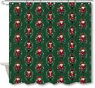 |  | Laura Ashley | Laura Ashley 4% | Shower Curtain | Print | Nutcrackers | 100% Polyester Printed Shower Curtain | Single SC | 100% Polyester,210gsm matte rib slub,printed | 100% polyester | 72x72" | Multi |  |  | LA70-0631 |  | Piece |  | $3.57 | Normal | Header card + plastic hanger | 33.0 | 29.0 | 17.0 | 33.0 | 29.0 | 17.0 | 6.50 | 4 | 0.016 | 63.00 | 15490 | 3,000 | $0.19 | 6303.92.2050 | 33.8% | $1.21 | $4.97 | 0.00% | $0.00 | 6.00% | $0.44 | $0.00 | 0.00% | $0.00 | $0.44 | $5.41 | 26.38% | $7.35 |  |  |  | 1200 | $6,493.61 | $8,820.00 |  | 4.88
22 | 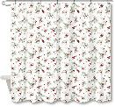 |  | Laura Ashley | Laura Ashley 4% | Shower Curtain | Print | Berry Pine | 100% Polyester Printed Shower Curtain | Single SC | 100% Polyester,210gsm matte rib slub,printed | 100% polyester | 72x72" | Multi |  |  | LA70-0632 |  | Piece |  | $3.57 | Normal | Header card + plastic hanger | 33.0 | 29.0 | 17.0 | 33.0 | 29.0 | 17.0 | 6.50 | 4 | 0.016 | 63.00 | 15490 | 3,000 | $0.19 | 6303.92.2050 | 33.8% | $1.21 | $4.97 | 0.00% | $0.00 | 6.00% | $0.44 | $0.00 | 0.00% | $0.00 | $0.44 | $5.41 | 26.38% | $7.35 |  |  |  | 1200 | $6,493.61 | $8,820.00 |  | 4.88
23 | 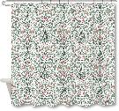 |  | Laura Ashley | Laura Ashley 4% | Shower Curtain | Print | Holly Day | 100% Polyester Printed Shower Curtain | Single SC | 100% Polyester,210gsm matte rib slub,printed | 100% polyester | 72x72" | Multi |  |  | LA70-0633 |  | Piece |  | $3.57 | Normal | Header card + plastic hanger | 33.0 | 29.0 | 17.0 | 33.0 | 29.0 | 17.0 | 6.50 | 4 | 0.016 | 63.00 | 15490 | 3,000 | $0.19 | 6303.92.2050 | 33.8% | $1.21 | $4.97 | 0.00% | $0.00 | 6.00% | $0.44 | $0.00 | 0.00% | $0.00 | $0.44 | $5.41 | 26.38% | $7.35 |  |  |  | 1200 | $6,493.61 | $8,820.00 |  | 4.88
24 | 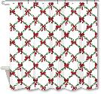 |  | Martha Stewart | Martha Stewart (Bath) 4% | Shower Curtain | Print | HOLIDAY BOWS | 100% Polyester Printed Shower Curtain | Single SC | 100% Polyester,210gsm matte rib slub,printed | 100% polyester | 72x72" | Multi |  |  | MT70-0966 |  | Piece | July POE cost: $3.74 | $3.57 | Normal | Header card + plastic hanger | 33.0 | 29.0 | 17.0 | 33.0 | 29.0 | 17.0 | 6.50 | 4 | 0.016 | 63.00 | 15490 | 3,000 | $0.19 | 6303.92.2050 | 33.8% | $1.21 | $4.97 | 0.00% | $0.00 | 5.00% | $0.37 | $0.00 | 0.00% | $0.00 | $0.37 | $5.34 | 27.38% | $7.35 |  |  |  | 1000 | $5,337.84 | $7,350.00 |  | 4.07
25 | 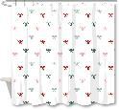 |  | Martha Stewart | Martha Stewart (Bath) 4% | Shower Curtain | Embroidery | Embroidered Bow | 100% Polyester Printed Shower Curtain | Single SC | 50%cotton 50%polyester,T144 with CHAINSTITCH EMB Weight:105gsm | 50%cotton 50%polyester | 72x72" | Multi |  |  | MT70-0967 |  | Piece |  | $6.36 | Normal | Header card + plastic hanger | 33.0 | 29.0 | 24.0 | 33.0 | 29.0 | 24.0 | 6.50 | 4 | 0.023 | 63.00 | 10972 | 3,000 | $0.27 | 6303.91.0010 | 33.8% | $2.15 | $8.78 | 0.00% | $0.00 | 5.00% | $0.60 | $0.00 | 0.00% | $0.00 | $0.60 | $9.38 | 21.81% | $12.00 |  |  |  | 1000 | $9,383.11 | $12,000.00 |  | 5.74 |  | Flat Stitch: +$0.85; Terry/Loop stitch: +$1.7 | 此款绣花按链绣报。平绣和毛巾绣贵。如果平绣，要加差不多0.85美金/片， 毛巾绣要加1.70美金/片。

