Item
Vendor | Line No. | Photo | VIN/Art No. | Brand | Licensor | Product Category | Pattern | Item Description | Description-Short | Fabrication | Material-Short | Size/Spec. | Color | Customer Item# | Item No. | UPC | Unit of Measure | China RMB Cost | Exchange Rate | FOB Cost $ (Formula) | FOB Cost $ (Value) | UCCPM Price | Package Type | Carton Size L (cm) | Carton Size W (cm) | Carton Size H (cm) | Carton Gross Weight (kg) | Case Pack | Cubic Meter per Carton | Total Units per 40ft Container | 40ft Container Freight | Ocean Freight per Item $ | HTS Code | Duty Rate | Duty per Item $ | LDP Cost $ | DA % | DA $ | General Load % | General Load $ | Warehouse Charge % | Warehouse Charge $ | Load 1 | Load 1 % | Load 1 $ | Total Load $ | LDP Cost with Load $ | JLA LDP MU% | JLA POE Price Quote (Formula) | JLA POE Price Quote (Value) | Suggested Retail Price | Retailer Markup (Value) | Retailer Markup (Formula) | Total Quantity | Total Cost | Total Sales
 | 1 | 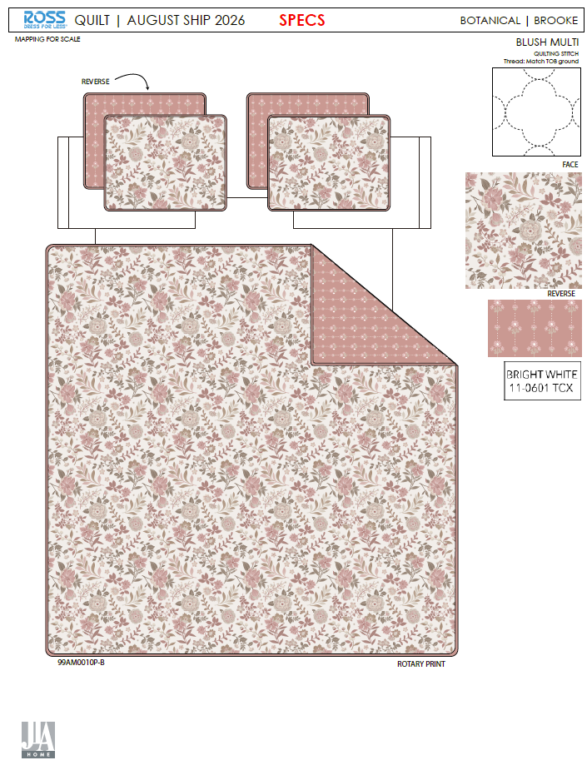 |  |  |  | QUILT | Brooke | 100% Polyester 3pc Hanging Quilt | 3pc Hanging Quilt | Face& Back: 85gsm microfiber disperse print Filling: 180gsm slick Poly Fill. | 100% Polyester | Full/Queen 1 Quilt 86"W x 86"L 2 Shams 20"W x 26"L + 0.5"(2) | BLUSH MULTI |  | RS14-8988 |  | Set | ¥62.50 | 7.70 | $8.12 | $8.12 |  | Normal | 44.0 | 41.0 | 25.0 | 5.00 | 2 | 0.045 | 2882 | 2250 | $0.78 | 9404.40.9022 | 22.80% | $1.85 | $10.75 | 0.00% | $0.00 | 0.00% | $0.00 | 0.00% | $0.00 | 0 | 0.00% | $0.00 | $0.00 | $10.75 | 22.37% | $13.85 | $13.85 | $24.99 | 44.58% | 44.58% | 650 | $6,988.76 | $9,002.50 | EEC PO#： |  | Customer PO#: | TBD
 | 2 |  |  |  |  | QUILT | Brooke | 100% Polyester 3pc Hanging Quilt | 3pc Hanging Quilt | Face& Back: 85gsm microfiber disperse print Filling: 180gsm slick Poly Fill. | 100% Polyester | King 1 Quilt 102"W x 86"L 2 Shams 20"W x 36"L + 0.5"(2) | BLUSH MULTI |  | RS14-8989 |  | Set | ¥71.80 | 7.70 | $9.32 | $9.32 |  | Normal | 44.0 | 41.0 | 28.0 | 5.00 | 2 | 0.051 | 2574 | 2250 | $0.87 | 9404.40.9022 | 22.80% | $2.12 | $12.32 | 0.00% | $0.00 | 0.00% | $0.00 | 0.00% | $0.00 | 0 | 0.00% | $0.00 | $0.00 | $12.32 | 23.44% | $16.09 | $16.09 | $34.99 | 54.02% | 54.02% | 750 | $9,239.40 | $12,067.50 | Ship date: | 2026-07-19
 | 3 | 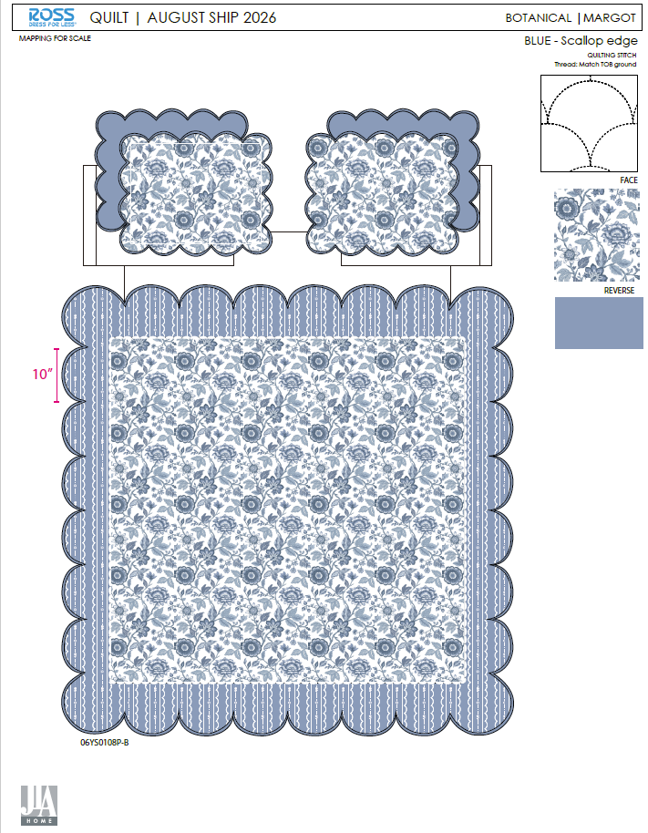 |  |  |  | QUILT | Margot | 100% Polyester 3pc Hanging Quilt | 3pc Hanging Quilt | Face: 85gsm microfiber digital print. Back: 85gsm microfiber solid Filling: 180gsm slick Poly Fill. With scallop edge. | 100% Polyester | Full/Queen 1 Quilt 86"W x 86"L 2 Shams 20"W x 26"L + 1.5"(2) | BLUE |  | RS14-8990 |  | Set | ¥76.30 | 7.70 | $9.91 | $9.91 |  | Normal | 44.0 | 41.0 | 25.0 | 5.00 | 2 | 0.045 | 2882 | 2250 | $0.78 | 9404.40.9022 | 22.80% | $2.26 | $12.95 | 0.00% | $0.00 | 0.00% | $0.00 | 0.00% | $0.00 | 0 | 0.00% | $0.00 | $0.00 | $12.95 | 19.16% | $16.02 | $16.02 | $24.99 | 35.89% | 35.89% | 650 | $8,417.54 | $10,413.00 | Note 1: | Port Arrival Date 2026/8/8, shipping window 8/10-8/14/2026
 | 4 |  |  |  |  | QUILT | Margot | 100% Polyester 3pc Hanging Quilt | 3pc Hanging Quilt | Face: 85gsm microfiber digital print. Back: 85gsm microfiber solid Filling: 180gsm slick Poly Fill. With scallop edge. | 100% Polyester | King 1 Quilt 102"W x 86"L 2 Shams 20"W x 36"L + 1.5"(2) | BLUE |  | RS14-8991 |  | Set | ¥84.00 | 7.70 | $10.91 | $10.91 |  | Normal | 44.0 | 41.0 | 28.0 | 5.00 | 2 | 0.051 | 2574 | 2250 | $0.87 | 9404.40.9022 | 22.80% | $2.49 | $14.27 | 0.00% | $0.00 | 0.00% | $0.00 | 0.00% | $0.00 | 0 | 0.00% | $0.00 | $0.00 | $14.27 | 24.33% | $18.86 | $18.86 | $34.99 | 46.10% | 46.10% | 750 | $10,703.79 | $14,145.00 | Note 2: | Case Pack 2, Nested pack by size, FQ Brooke +FQ Margot, K Brooke +K Margot
 | 5 | 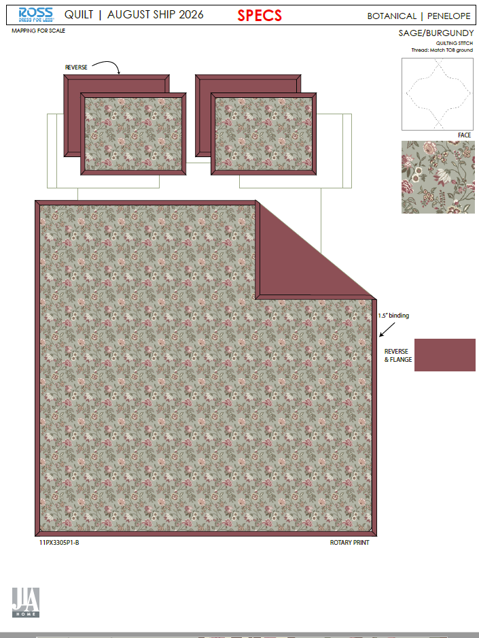 |  |  |  | QUILT | Penelop | 100% Polyester 3pc Hanging Quilt | 3pc Hanging Quilt | Face: 85gsm microfiber disperse print. Back: 85gsm microfiber solid Filling: 180gsm slick Poly Fill. With 1.5" Flange. | 100% Polyester | Full/Queen 1 Quilt 86"W x 86"L 2 Shams 20"W x 26"L + 1.5"(2) | SAGE/ BURGUNDY |  | RS14-8992 |  | Set | ¥67.60 | 7.70 | $8.78 | $8.78 |  | Normal | 44.0 | 41.0 | 25.0 | 5.00 | 2 | 0.045 | 2882 | 2250 | $0.78 | 9404.40.9022 | 22.80% | $2.00 | $11.56 | 0.00% | $0.00 | 0.00% | $0.00 | 0.00% | $0.00 | 0 | 0.00% | $0.00 | $0.00 | $11.56 | 18.97% | $14.27 | $14.27 | $24.99 | 42.90% | 42.90% | 650 | $7,515.57 | $9,275.50 | EEC PO#： |  | Customer PO#: | TBD
 | 6 |  |  |  |  | QUILT | Penelop | 100% Polyester 3pc Hanging Quilt | 3pc Hanging Quilt | Face: 85gsm microfiber disperse print. Back: 85gsm microfiber solid Filling: 180gsm slick Poly Fill. With 1.5" Flange. | 100% Polyester | King 1 Quilt 102"W x 86"L 2 Shams 20"W x 36"L + 1.5"(2) | SAGE/ BURGUNDY |  | RS14-8993 |  | Set | ¥77.30 | 7.70 | $10.04 | $10.04 |  | Normal | 44.0 | 41.0 | 28.0 | 5.00 | 2 | 0.051 | 2574 | 2250 | $0.87 | 9404.40.9022 | 22.80% | $2.29 | $13.20 | 0.00% | $0.00 | 0.00% | $0.00 | 0.00% | $0.00 | 0 | 0.00% | $0.00 | $0.00 | $13.20 | 20.32% | $16.57 | $16.57 | $34.99 | 52.64% | 52.64% | 750 | $9,902.52 | $12,427.50 | Ship date: | 2026-07-19
 | 7 | 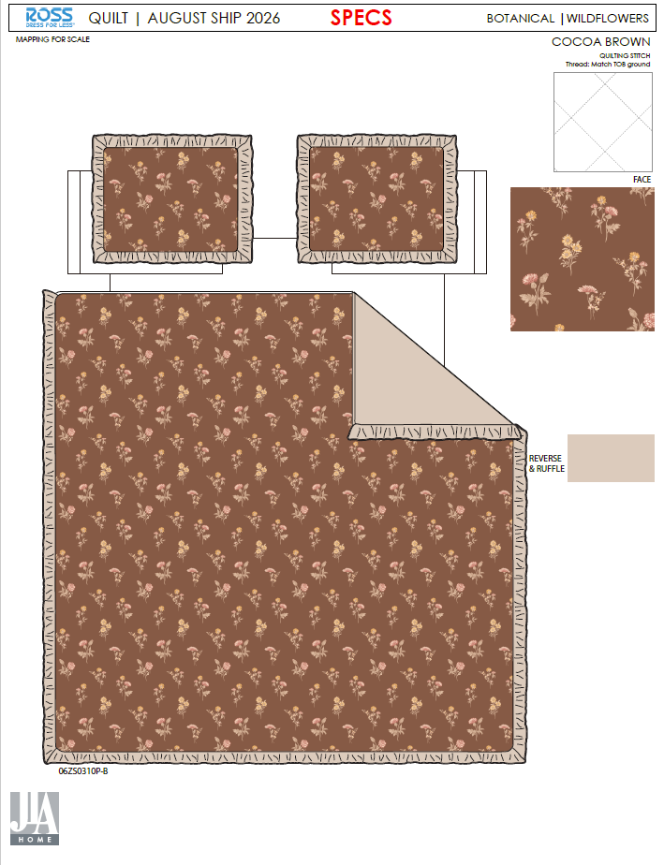 |  |  |  | QUILT | Wildflowers | 100% Polyester 3pc Hanging Quilt | 3pc Hanging Quilt | Face: 85gsm microfiber disperse print. Back: 85gsm microfiber solid Filling: 180gsm slick Poly Fill. With 2.5" ruffle edge. | 100% Polyester | Full/Queen 1 Quilt 86"W x 86"L 2 Shams 20"W x 26"L + 2.5"(2) | COCOA BROWN |  | RS14-8994 |  | Set | ¥67.90 | 7.70 | $8.82 | $8.82 |  | Normal | 44.0 | 41.0 | 25.0 | 5.00 | 2 | 0.045 | 2882 | 2250 | $0.78 | 9404.40.9022 | 22.80% | $2.01 | $11.61 | 0.00% | $0.00 | 0.00% | $0.00 | 0.00% | $0.00 | 0 | 0.00% | $0.00 | $0.00 | $11.61 | 19.42% | $14.41 | $14.41 | $24.99 | 42.34% | 42.34% | 650 | $7,547.50 | $9,366.50 | Note 1: | Port Arrival Date 2026/8/8, shipping window 8/10-8/14/2026
 | 8 |  |  |  |  | QUILT | Wildflowers | 100% Polyester 3pc Hanging Quilt | 3pc Hanging Quilt | Face: 85gsm microfiber disperse print. Back: 85gsm microfiber solid Filling: 180gsm slick Poly Fill. With 2.5" ruffle edge. | 100% Polyester | King 1 Quilt 102"W x 86"L 2 Shams 20"W x 36"L + 2.5"(2) | COCOA BROWN |  | RS14-8995 |  | Set | ¥78.30 | 7.70 | $10.17 | $10.17 |  | Normal | 44.0 | 41.0 | 28.0 | 5.00 | 2 | 0.051 | 2574 | 2250 | $0.87 | 9404.40.9022 | 22.80% | $2.32 | $13.36 | 0.00% | $0.00 | 0.00% | $0.00 | 0.00% | $0.00 | 0 | 0.00% | $0.00 | $0.00 | $13.36 | 20.13% | $16.73 | $16.73 | $34.99 | 52.19% | 52.19% | 750 | $10,022.25 | $12,547.50 | Note 2: | Case Pack 2, Nested pack by size, FQ Penelop +FQ Wildflowers, K Penelop +K Wildflowers
 | 10 |  |  |  |  | QUILT | Mirabelle | 100% Polyester 3pc Hanging Quilt | 3pc Hanging Quilt | Face& Back: 85gsm Washed Solid Microfiber, Embroidered Filling: 180gsm Poly Slick Fill With ruffle edge | 100% Polyester | Twin 1 Quilt 66"W x 86"L 1 Sham 20"W x 26"L + 2.5"(1) | Pink/Sage |  | RS14-8996 |  | Set | ¥62.50 | 7.70 | $8.12 | $8.12 |  | Normal | 44.0 | 41.0 | 25.0 | 5.00 | 2 | 0.045 | 2882 | 2250 | $0.78 | 9404.40.9022 | 22.80% | $1.85 | $10.75 | 0.00% | $0.00 | 0.00% | $0.00 | 0.00% | $0.00 | 0 | 0.00% | $0.00 | $0.00 | $10.75 | 18.55% | $13.20 | $13.20 | $24.99 | 47.18% | 47.18% | 700 | $7,526.36 | $9,240.00 | EEC PO#： |  | Customer PO#: | TBD
 | 11 |  |  |  |  | QUILT | Mirabelle | 100% Polyester 3pc Hanging Quilt | 3pc Hanging Quilt | Face& Back: 85gsm Washed Solid Microfiber, Embroidered Filling: 180gsm Poly Slick Fill With ruffle edge | 100% Polyester | Full/Queen 1 Quilt 86"W x 86"L 2 Shams 20"W x 26"L + 2.5"(2) | Pink/Sage |  | RS14-8997 |  | Set | ¥83.00 | 7.70 | $10.78 | $10.78 |  | Normal | 44.0 | 41.0 | 28.0 | 5.00 | 2 | 0.051 | 2574 | 2250 | $0.87 | 9404.40.9022 | 22.80% | $2.46 | $14.11 | 0.00% | $0.00 | 0.00% | $0.00 | 0.00% | $0.00 | 0 | 0.00% | $0.00 | $0.00 | $14.11 | 19.45% | $17.52 | $17.52 | $34.99 | 49.93% | 49.93% | 570 | $8,043.89 | $9,986.40 | Ship date: | 2026-07-19
 | 12 |  |  |  |  | QUILT | Mirabelle | 100% Polyester 3pc Hanging Quilt | 3pc Hanging Quilt | Face& Back: 85gsm Washed Solid Microfiber, Embroidered Filling: 180gsm Poly Slick Fill With ruffle edge | 100% Polyester | King 1 Quilt 102"W x 86"L 2 Shams 20"W x 36"L + 2.5"(2) | Pink/Sage |  | RS14-8998 |  | Set | ¥95.50 | 7.70 | $12.40 | $12.40 |  | Normal | 44.0 | 41.0 | 30.0 | 5.00 | 2 | 0.054 | 2402 | 2250 | $0.94 | 9404.40.9022 | 22.80% | $2.83 | $16.16 | 0.00% | $0.00 | 0.00% | $0.00 | 0.00% | $0.00 | 0 | 0.00% | $0.00 | $0.00 | $16.16 | 21.69% | $20.64 | $20.64 | $39.99 | 48.39% | 48.39% | 1370 | $22,144.53 | $28,276.80 | Note 1: | Port Arrival Date 2026/8/8, shipping window 8/10-8/14/2026
 | 13 |  |  |  |  | QUILT | Mirabelle | 100% Polyester 3pc Hanging Quilt | 3pc Hanging Quilt | Face& Back: 85gsm Washed Solid Microfiber, Embroidered Filling: 180gsm Poly Slick Fill With ruffle edge | 100% Polyester | Twin 1 Quilt 66"W x 86"L 1 Sham 20"W x 26"L + 2.5"(1) | Sage |  | RS14-8999 |  | Set | ¥62.50 | 7.70 | $8.12 | $8.12 |  | Normal | 44.0 | 41.0 | 25.0 | 5.00 | 2 | 0.045 | 2882 | 2250 | $0.78 | 9404.40.9022 | 22.80% | $1.85 | $10.75 | 0.00% | $0.00 | 0.00% | $0.00 | 0.00% | $0.00 | 0 | 0.00% | $0.00 | $0.00 | $10.75 | 18.55% | $13.20 | $13.20 | $24.99 | 47.18% | 47.18% | 700 | $7,526.36 | $9,240.00 | Note 2: | Case Pack 2, Nested pack by size, T Mirabelle_ Pink/ Sage+ T Mirabelle Sage, FQ Mirabelle_ Pink/ Sage +FQ Mirabelle Sage, K Mirabelle_ Pink/ Sage +K Mirabelle Sage
 | 14 |  |  |  |  | QUILT | Mirabelle | 100% Polyester 3pc Hanging Quilt | 3pc Hanging Quilt | Face& Back: 85gsm Washed Solid Microfiber, Embroidered Filling: 180gsm Poly Slick Fill With ruffle edge | 100% Polyester | Full/Queen 1 Quilt 86"W x 86"L 2 Shams 20"W x 26"L + 2.5"(2) | Sage |  | RS14-9000 |  | Set | ¥83.00 | 7.70 | $10.78 | $10.78 |  | Normal | 44.0 | 41.0 | 28.0 | 5.00 | 2 | 0.051 | 2574 | 2250 | $0.87 | 9404.40.9022 | 22.80% | $2.46 | $14.11 | 0.00% | $0.00 | 0.00% | $0.00 | 0.00% | $0.00 | 0 | 0.00% | $0.00 | $0.00 | $14.11 | 19.45% | $17.52 | $17.52 | $34.99 | 49.93% | 49.93% | 570 | $8,043.89 | $9,986.40
 | 15 |  |  |  |  | QUILT | Mirabelle | 100% Polyester 3pc Hanging Quilt | 3pc Hanging Quilt | Face& Back: 85gsm Washed Solid Microfiber, Embroidered Filling: 180gsm Poly Slick Fill With ruffle edge | 100% Polyester | King 1 Quilt 102"W x 86"L 2 Shams 20"W x 36"L + 2.5"(2) | Sage |  | RS14-9001 |  | Set | ¥95.50 | 7.70 | $12.40 | $12.40 |  | Normal | 44.0 | 41.0 | 30.0 | 5.00 | 2 | 0.054 | 2402 | 2250 | $0.94 | 9404.40.9022 | 22.80% | $2.83 | $16.16 | 0.00% | $0.00 | 0.00% | $0.00 | 0.00% | $0.00 | 0 | 0.00% | $0.00 | $0.00 | $16.16 | 21.69% | $20.64 | $20.64 | $39.99 | 48.39% | 48.39% | 1370 | $22,144.53 | $28,276.80
 | 17 |  |  |  |  | QUILT | Sunflower | 100% Polyester 3pc Hanging Quilt | 3pc Hanging Quilt | Face: 85gsm Solid Microfiber Back: 85gsm Microfiber Print, Embroidered Filling: 180gsm Poly Slick Fill With 1.5" Flange. | 100% Polyester | Full/Queen 1 Quilt 86"W x 86"L 2 Shams 20"W x 26"L + 1.5"(2) | Taupe |  | RS14-9002 |  | Set | ¥88.80 | 7.70 | $11.53 | $11.53 |  | Normal | 44.0 | 41.0 | 28.0 | 5.00 | 2 | 0.051 | 2574 | 2250 | $0.87 | 9404.40.9022 | 22.80% | $2.63 | $15.03 | 0.00% | $0.00 | 0.00% | $0.00 | 0.00% | $0.00 | 0 | 0.00% | $0.00 | $0.00 | $15.03 | 20.88% | $19.00 | $19.00 | $39.99 | 52.49% | 52.49% | 550 | $8,268.20 | $10,450.00 | EEC PO#： |  | Customer PO#: | TBD
 | 18 |  |  |  |  | QUILT | Sunflower | 100% Polyester 3pc Hanging Quilt | 3pc Hanging Quilt | Face: 85gsm Solid Microfiber Back: 85gsm Microfiber Print, Embroidered Filling: 180gsm Poly Slick Fill With 1.5" Flange. | 100% Polyester | King 1 Quilt 102"W x 86"L 2 Shams 20"W x 36"L + 1.5"(2) | Taupe |  | RS14-9003 |  | Set | ¥99.00 | 7.70 | $12.86 | $12.86 |  | Normal | 44.0 | 41.0 | 30.0 | 5.00 | 2 | 0.054 | 2402 | 2250 | $0.94 | 9404.40.9022 | 22.80% | $2.93 | $16.73 | 0.00% | $0.00 | 0.00% | $0.00 | 0.00% | $0.00 | 0 | 0.00% | $0.00 | $0.00 | $16.73 | 21.09% | $21.20 | $21.20 | $44.99 | 52.88% | 52.88% | 720 | $12,044.72 | $15,264.00 | Ship date: | 2026-07-19
 | 19 |  |  |  |  | QUILT | Elsa | 100% Polyester 3pc Hanging Quilt | 3pc Hanging Quilt | Face: Poly Gauze Solid Back: 85gsm Solid Microfiber, Embroidered Filling: 120gsm Poly Slick Fill | 100% Polyester | Full/Queen 1 Quilt 86"W x 86"L 2 Shams 20"W x 26"L + 0.5"(2) | Taupe |  | RS14-9004 |  | Set | ¥114.30 | 7.70 | $14.84 | $14.84 |  | Normal | 55.0 | 41.0 | 17.0 | 5.00 | 2 | 0.038 | 3391 | 2250 | $0.66 | 9404.40.9022 | 22.80% | $3.38 | $18.89 | 0.00% | $0.00 | 0.00% | $0.00 | 0.00% | $0.00 | 0 | 0.00% | $0.00 | $0.00 | $18.89 | 14.15% | $22.00 | $22.00 | $39.99 | 44.99% | 44.99% | 550 | $10,387.86 | $12,100.00 | Note 1: | Port Arrival Date 2026/8/8, shipping window 8/10-8/14/2026
 | 20 |  |  |  |  | QUILT | Elsa | 100% Polyester 3pc Hanging Quilt | 3pc Hanging Quilt | Face: Poly Gauze Solid Back: 85gsm Solid Microfiber, Embroidered Filling: 120gsm Poly Slick Fill | 100% Polyester | King 1 Quilt 102"W x 86"L 2 Shams 20"W x 36"L + 0.5"(2) | Taupe |  | RS14-9005 |  | Set | ¥131.50 | 7.70 | $17.08 | $17.08 |  | Normal | 55.0 | 41.0 | 19.0 | 5.00 | 2 | 0.043 | 3034 | 2250 | $0.74 | 9404.40.9022 | 22.80% | $3.89 | $21.72 | 0.00% | $0.00 | 0.00% | $0.00 | 0.00% | $0.00 | 0 | 0.00% | $0.00 | $0.00 | $21.72 | 13.83% | $25.20 | $25.20 | $44.99 | 43.99% | 43.99% | 720 | $15,635.37 | $18,144.00 | Note 2: | Case Pack 2, Nested pack by size, FQ Sunflower +FQ Elsa, K Sunflower +K Elsa

