Item
Line No. | Photo | Product Category | Pattern | Item Description | Description-Short | Fabrication | Material-Short | Size/Spec. | Color | Item No. | UPC | Unit of Measure | China RMB Cost | Exchange Rate | FOB Cost $ (Formula) | FOB Cost $ (Value) | UCCPM Price | Package Type | Carton Size L (cm) | Carton Size W (cm) | Carton Size H (cm) | Carton Gross Weight (kg) | Case Pack | Cubic Meter per Carton | Total Units per 40ft Container | 40ft Container Freight | Ocean Freight per Item $ | HTS Code | Duty Rate | Duty per Item $ | DA % | DA $ | Load 1 | Warehouse Charge % | Warehouse Charge $ | Load 2 | Load 2 % | Load 2 $ | DI Total Load $ | FOB Cost with Load $ | JLA FOB MU% | JLA FOB Price Quote (Value) | Total Quantity | Total Cost | Total Sales
$1.00 | 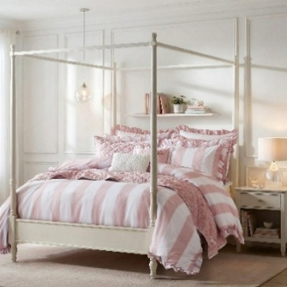 | COMFORTER (SET) | Cabana Dreams | 100% polyester comforter Set | comforter Set | Comforter & Sham: 85gsm washed brushed microfiber print, 85gsm microfiber print back, comforter with 220gsm poly fill. Pillows: Poly cover with polyester fill. | 100% polyester | Full: 1 Comforter: 76"W x 86" L 2 Sham: 20"W x 26"L(2) 1 Pillow: 12"W x 16"L 1 Pillow: 16"W x 16"L | Pink | FQ10-0020 |  | Set | $95.00 | 7.70 | $12.34 | $12.34 |  | Normal |  |  |  |  | 2 |  |  |  |  |  |  |  | 0.00% | $0.00 | $- | 0.00% | $0.00 | $- | 0.00% | 0.00% | $0.00 |  |  | $14.25 | 516
$2.00 | 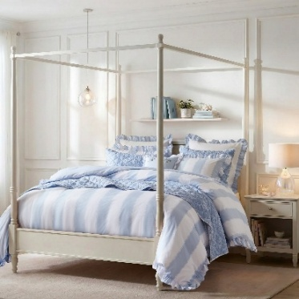 | COMFORTER (SET) | Cabana Dreams | 100% polyester comforter Set | comforter Set | Comforter & Sham: 85gsm washed brushed microfiber print, 85gsm microfiber print back, comforter with 220gsm poly fill. Pillows: Poly cover with polyester fill. | 100% polyester | Full: 1 Comforter: 76"W x 86" L 2 Sham: 20"W x 26"L(2) 1 Pillow: 12"W x 16"L 1 Pillow: 16"W x 16"L | Blue | FQ10-0021 |  | Set | $95.00 | 7.70 | $12.34 | $12.34 |  | Normal |  |  |  |  | 2 |  |  |  |  |  |  |  | 0.00% | $0.00 | $- | 0.00% | $0.00 | $- | 0.00% | 0.00% | $0.00 |  |  | $14.25 | 516
$3.00 | 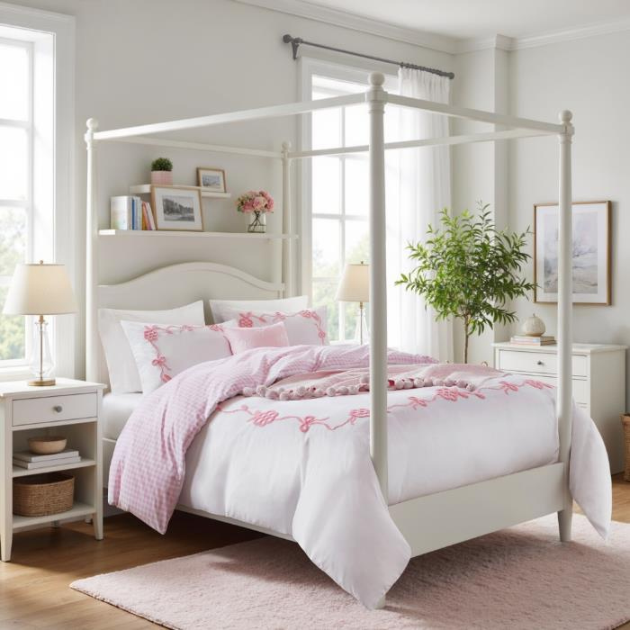 | COMFORTER (SET) | Terry bow | 100% polyester comforter Set | comforter Set | Comforter & Sham: 85gsm washed brushed microfiber print, 85gsm microfiber print back, comforter with 220gsm poly fill. Pillows: Poly cover with polyester fill. | 100% polyester | Full: 1 Comforter: 76"W x 86" L 2 Sham: 20"W x 26"L(2) 1 Pillow: 12"W x 16"L 1 Pillow: 16"W x 16"L | Pink | FQ10-0022 |  | Set | $122.00 | 7.70 | $15.84 | $15.84 |  | Normal |  |  |  |  | 2 |  |  |  |  |  |  |  | 0.00% | $0.00 | $- | 0.00% | $0.00 | $- | 0.00% | 0.00% | $0.00 |  |  | $17.90 | 516
$4.00 | 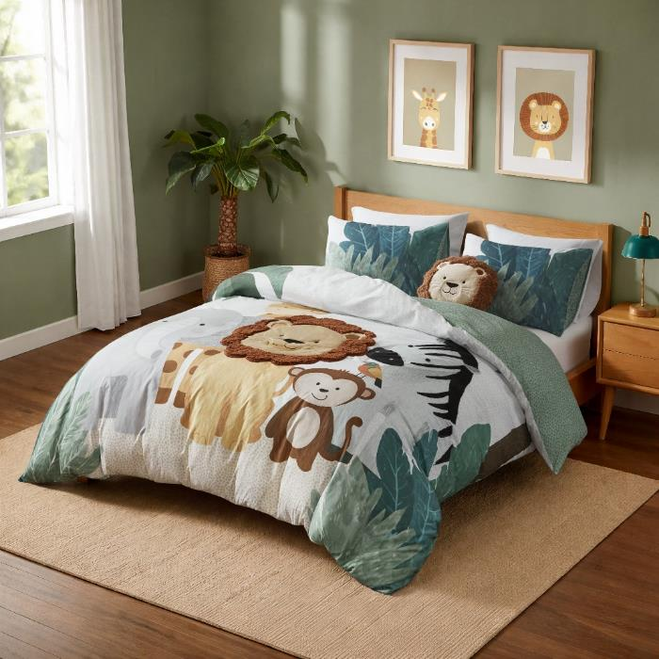 | COMFORTER (SET) | Safari | 100% polyester comforter Set | comforter Set | Comforter & Sham: 95gsm brushed microfiber print + appliqué embroidery, 85gsm microfiber print back, comforter with 220gsm poly fill. Pillows: Poly cover with polyester fill. | 100% polyester | Full: 1 Comforter: 76"W x 86" L 2 Sham: 20"W x 26"L(2) 1 Pillow: 12"W x 16"L 1 Pillow: 16"W x 16"L | Multi | FQ10-0023 |  | Set | $139.00 | 7.70 | $18.05 | $18.05 |  | Normal |  |  |  |  | 2 |  |  |  |  |  |  |  | 0.00% | $0.00 | $- | 0.00% | $0.00 | $- | 0.00% | 0.00% | $0.00 |  |  | $21.55 | 516
$5.00 | 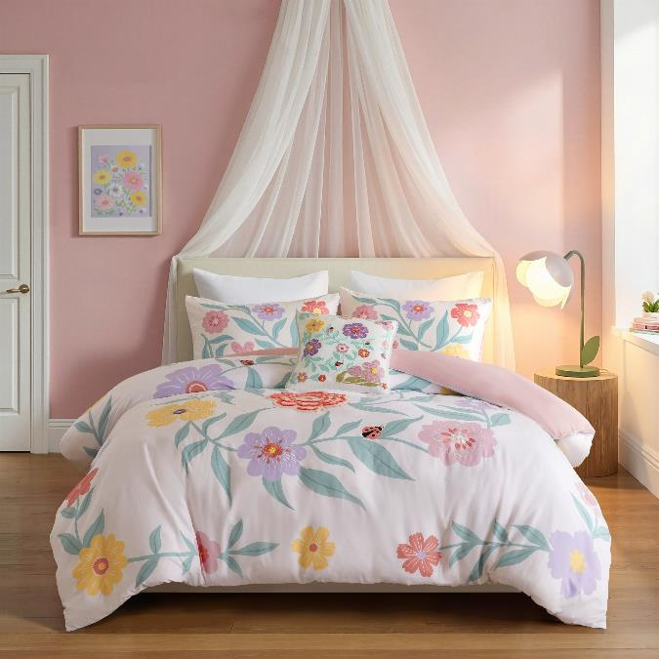 | COMFORTER (SET) | Floral Garden | 100% polyester comforter Set | comforter Set | Comforter & Sham: 95gsm brushed microfiber print + embroidery, 85gsm microfiber solid back, comforter with 220gsm poly fill. Pillows: Poly cover with polyester fill. | 100% polyester | Full: 1 Comforter: 76"W x 86" L 2 Sham: 20"W x 26"L(2) 1 Pillow: 12"W x 16"L 1 Pillow: 16"W x 16"L | Multi | FQ10-0024 |  | Set | $126.00 | 7.70 | $16.36 | $16.36 |  | Normal |  |  |  |  | 2 |  |  |  |  |  |  |  | 0.00% | $0.00 | $- | 0.00% | $0.00 | $- | 0.00% | 0.00% | $0.00 |  |  | $18.65 | 516

