Shine4.8
shuaiqinfen
To 'willa.chen', 'Lulu Lin', daisy.wang@jlachina.com, 'chenxiaoting'
Show Detail
4/8/26
Hi Lulu，

请查收以下3款报价
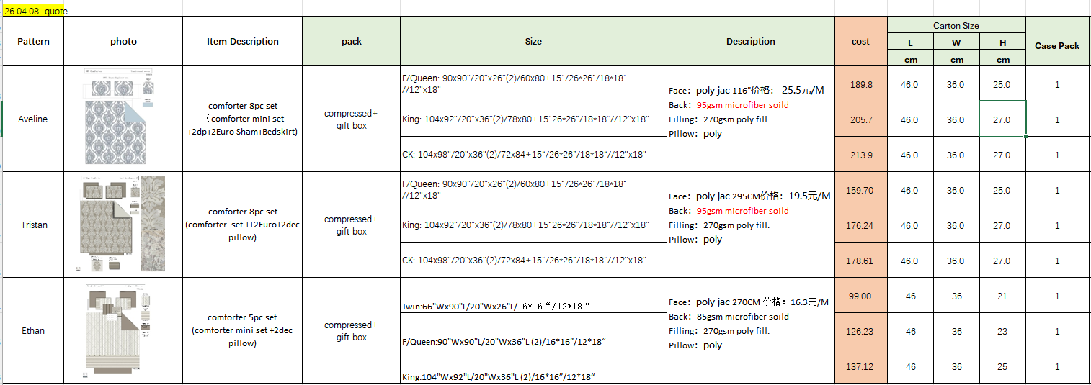

 | Ethan | T | 99
 |  | F/Q | 126.23
 |  | K | 137.12

Thanks
Shine

