Item
Line No. | Photo | VIN/Art No. | Brand | Licensor | Product Category | Pattern | Item Description | Description-Short | Fabrication | Material-Short | Size/Spec. | Color | Item No. | UPC | Unit of Measure | China RMB Cost | Exchange Rate | FOB Cost $ (Formula) | FOB Cost $ (Value) | UCCPM Price | Package Type | Carton Size L (cm) | Carton Size W (cm) | Carton Size H (cm) | Carton Gross Weight (kg) | Case Pack | Cubic Meter per Carton | Total Units per 40ft Container | 40ft Container Freight | Ocean Freight per Item $ | HTS Code | Duty Rate | Duty per Item $ | LDP Cost $ | DA % | DA $ | General Load % | General Load $ | Warehouse Charge % | Warehouse Charge $ | Dropship Charge | Load 1 | Load 1 % | Load 1 $ | Total Load $ | LDP Cost with Load $ | JLA LDP MU% | JLA FOB CA/GA Price Quote (Formula) | JLA price with drop ship charges | Suggested Retail Price | Initial Markup | Initial Rollout Forecast
1 | 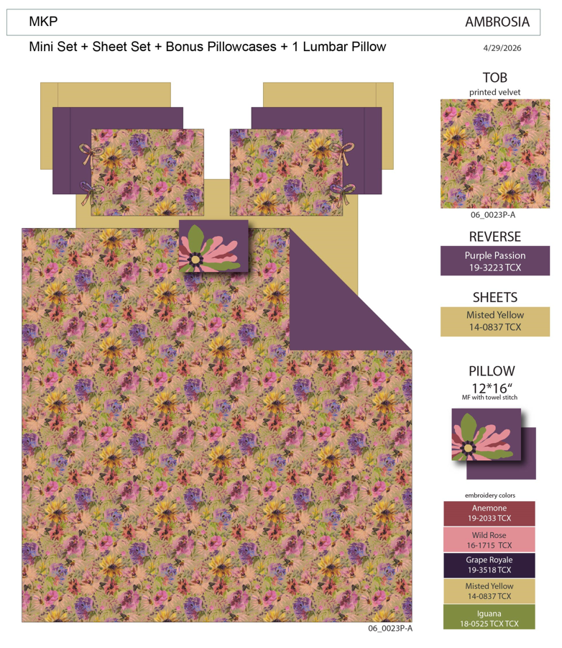 Comforter Mini Set | 06_0023P-A | Regency Heights |  | COMFORTER (SET) | Ambrosia | 100% Polyester Velvet printed 2pcs Comforter Mini Set | 2pcs Comforter Mini set | Comf and Sham front: 100% Polyester Velvet printed, 85gsm microfiber solid reverse, 200gsm poly fill. | 100% polyester , poly filling | Twin/Twin XL 1 Comforter 66"Wx90"L 2 Sham 20"W x 26"L(2) | Yellow | RH10-1059 |  | Set | ￥62.60 | 7.70 | $8.13 | $8.13 |  | Compressed/Knocked Down | 42.0 | 32.0 | 36.0 | 8.60 | 3 | 0.048 | 4030 | $4,000.00 | $0.99 | 9404.40.9022 | 22.80% | $1.85 | $10.98 | 0.00% | $0.00 | 0.00% | $0.00 | 0.00% | $0.00 | $0.00 | $0.00 | 0.00% | $0.00 | $0.00 | $10.98 | 42.36% | $19.04 | $20.00 | $39.99 | 50.00% | 45
2 |  | 06_0023P-A | Regency Heights |  | COMFORTER (SET) | Ambrosia | 100% Polyester Velvet printed 3pcs Comforter Mini Set | 3pcs Comforter Mini set | Comf and Sham front: 100% Polyester Velvet printed, 85gsm microfiber solid reverse, 200gsm poly fill. | 100% polyester , poly filling | Full/Queen 1 Comforter 90"Wx90"L 2 Sham 20"W x 26"L(2) | Yellow | RH10-1060 |  | Set | ￥85.30 | 7.70 | $11.08 | $11.08 |  | Compressed/Knocked Down | 42.0 | 32.0 | 42.0 | 10.60 | 3 | 0.056 | 3455 | $4,000.00 | $1.16 | 9404.40.9022 | 22.80% | $2.53 | $14.76 | 0.00% | $0.00 | 0.00% | $0.00 | 0.00% | $0.00 | $0.00 | $0.00 | 0.00% | $0.00 | $0.00 | $14.76 | 37.99% | $23.80 | $25.00 | $49.99 | 50.00% | 165
3 |  | 06_0023P-A | Regency Heights |  | COMFORTER (SET) | Ambrosia | 100% Polyester Velvet printed 3pcs Comforter Mini Set | 3pcs Comforter Mini set | Comf and Sham front: 100% Polyester Velvet printed, 85gsm microfiber solid reverse, 200gsm poly fill. | 100% polyester , poly filling | King/Cal King 1 Comforter 104"Wx90"L 2 Sham 20"W x 36"L(2) | Yellow | RH10-1061 |  | Set | ￥96.10 | 7.70 | $12.48 | $12.48 |  | Compressed/Knocked Down | 42.0 | 32.0 | 48.0 | 11.80 | 3 | 0.065 | 3023 | $4,000.00 | $1.32 | 9404.40.9022 | 22.80% | $2.85 | $16.65 | 0.00% | $0.00 | 0.00% | $0.00 | 0.00% | $0.00 | $0.00 | $0.00 | 0.00% | $0.00 | $0.00 | $16.65 | 41.72% | $28.57 | $30.00 | $59.99 | 50.00% | 90
4 | 10pcs Set（Comforter mini set+Sheet set+Bonus pillowcases+ 1 dec pillow) | 06_0023P-A | Regency Heights |  | COMFORTER (SET) | Ambrosia | 100% Polyester Velvet printed 10pcs Comforter Mini Set | 10pcs Comforter Mini set | Comf and Sham front: 100% Polyester Velvet printed, 85gsm microfiber solid reverse, 200gsm poly fill. Sheet set and Bonus Pillowcases: 85gsm solid microfiber. Fitted sheet with 1 pocket on each side. Dec pillow: 100% Polyester with poly filling | 100% polyester , poly filling | Queen 1 Comforter 90"Wx90"L 2 Sham 20"W x 26"L(2) 1 Flat Sheet 90"W x 102"L 1 Fitted Sheet 60"W x 80"L + 15"D 2 Pillowcases 20"W x 30"L(2) 2 Bonus Pillowcases 20"W x 30"L(2) 1 Decorative Pillow 12"W x 16"L | Yellow | RH10-1062 |  | Set | ￥137.50 | 7.70 | $17.86 | $17.86 |  | Compressed/Knocked Down | 42.0 | 32.0 | 48.0 | 17.90 | 3 | 0.065 | 3023 | $4,000.00 | $1.32 | 9404.40.9022 | 22.80% | $4.07 | $23.25 | 0.00% | $0.00 | 0.00% | $0.00 | 0.00% | $0.00 | $0.00 | $0.00 | 0.00% | $0.00 | $0.00 | $23.25 | 30.23% | $33.33 | $35.00 | $69.99 | 50.00% | 387
5 |  | 06_0023P-A | Regency Heights |  | COMFORTER (SET) | Ambrosia | 100% Polyester Velvet printed 10pcs Comforter Mini Set | 10pcs Comforter Mini set | Comf and Sham front: 100% Polyester Velvet printed, 85gsm microfiber solid reverse, 200gsm poly fill. Sheet set and Bonus Pillowcases: 85gsm solid microfiber. Fitted sheet with 1 pocket on each side. Dec pillow: 100% Polyester with poly filling | 100% polyester , poly filling | King 1 Comforter 104"Wx90"L 2 Sham 20"W x 36"L(2) 1 Flat Sheet 108"W x 102"L 1 Fitted Sheet 78"W x 80"L + 15"D 2 Pillowcases 20"W x 40"L(2) 2 Bonus Pillowcases 20"W x 40"L(2) 1 Decorative Pillow 12"W x 16"L | Yellow | RH10-1063 |  | Set | ￥155.60 | 7.70 | $20.21 | $20.21 |  | Compressed/Knocked Down | 42.0 | 32.0 | 54.0 | 20.40 | 3 | 0.073 | 2687 | $4,000.00 | $1.49 | 9404.40.9022 | 22.80% | $4.61 | $26.30 | 0.00% | $0.00 | 0.00% | $0.00 | 0.00% | $0.00 | $0.00 | $0.00 | 0.00% | $0.00 | $0.00 | $26.30 | 30.94% | $38.09 | $40.00 | $79.99 | 50.00% | 315
1 | 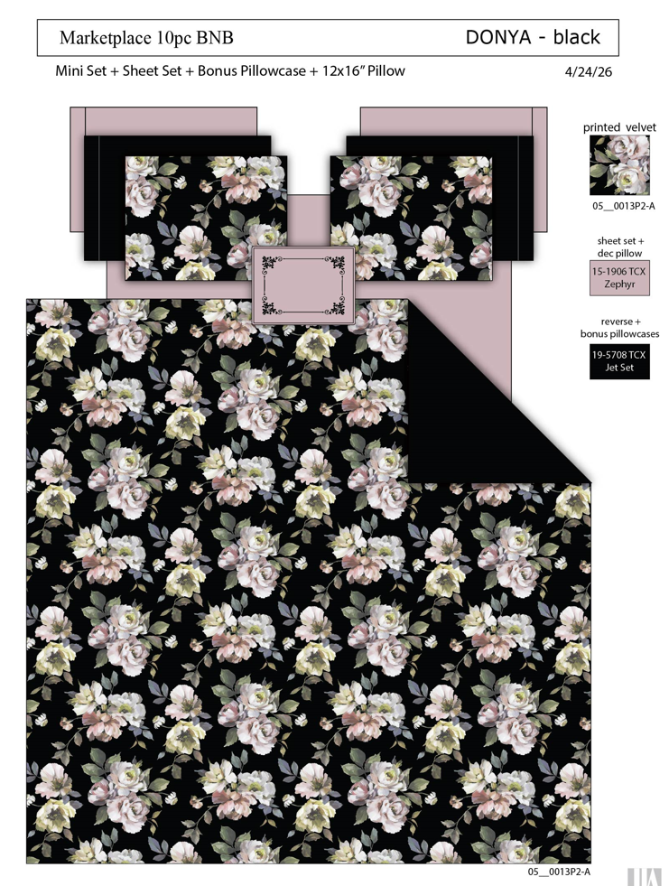 Comforter Mini Set | 05_0013P2-A | Regency Heights |  | COMFORTER (SET) | Donya | 100% Polyester Velvet printed 2pcs Comforter Mini Set | 2pcs Comforter Mini set | Comf and Sham front: 100% Polyester Velvet printed, 85gsm microfiber solid reverse, 200gsm poly fill. | 100% polyester , poly filling | Twin/Twin XL 1 Comforter 66"Wx90"L 2 Sham 20"W x 26"L(2) | Black | RH10-1064 |  | Set | ￥62.60 | 7.70 | $8.13 | $8.13 |  | Compressed/Knocked Down | 42.0 | 32.0 | 36.0 | 8.60 | 3 | 0.048 | 4030 | $4,000.00 | $0.99 | 9404.40.9022 | 22.80% | $1.85 | $10.98 | 0.00% | $0.00 | 0.00% | $0.00 | 0.00% | $0.00 | $0.00 | $0.00 | 0.00% | $0.00 | $0.00 | $10.98 | 42.36% | $19.04 | $20.00 | $39.99 | 50.00% | 45
2 |  | 05_0013P2-A | Regency Heights |  | COMFORTER (SET) | Donya | 100% Polyester Velvet printed 3pcs Comforter Mini Set | 3pcs Comforter Mini set | Comf and Sham front: 100% Polyester Velvet printed, 85gsm microfiber solid reverse, 200gsm poly fill. | 100% polyester , poly filling | Full/Queen 1 Comforter 90"Wx90"L 2 Sham 20"W x 26"L(2) | Black | RH10-1065 |  | Set | ￥85.30 | 7.70 | $11.08 | $11.08 |  | Compressed/Knocked Down | 42.0 | 32.0 | 42.0 | 10.60 | 3 | 0.056 | 3455 | $4,000.00 | $1.16 | 9404.40.9022 | 22.80% | $2.53 | $14.76 | 0.00% | $0.00 | 0.00% | $0.00 | 0.00% | $0.00 | $0.00 | $0.00 | 0.00% | $0.00 | $0.00 | $14.76 | 37.99% | $23.80 | $25.00 | $49.99 | 50.00% | 165
3 |  | 05_0013P2-A | Regency Heights |  | COMFORTER (SET) | Donya | 100% Polyester Velvet printed 3pcs Comforter Mini Set | 3pcs Comforter Mini set | Comf and Sham front: 100% Polyester Velvet printed, 85gsm microfiber solid reverse, 200gsm poly fill. | 100% polyester , poly filling | King/Cal King 1 Comforter 104"Wx90"L 2 Sham 20"W x 36"L(2) | Black | RH10-1066 |  | Set | ￥96.10 | 7.70 | $12.48 | $12.48 |  | Compressed/Knocked Down | 42.0 | 32.0 | 48.0 | 11.80 | 3 | 0.065 | 3023 | $4,000.00 | $1.32 | 9404.40.9022 | 22.80% | $2.85 | $16.65 | 0.00% | $0.00 | 0.00% | $0.00 | 0.00% | $0.00 | $0.00 | $0.00 | 0.00% | $0.00 | $0.00 | $16.65 | 41.72% | $28.57 | $30.00 | $59.99 | 50.00% | 90
4 | 10pcs Set（Comforter mini set+Sheet set+Bonus pillowcases+ 1 dec pillow) | 05_0013P2-A | Regency Heights |  | COMFORTER (SET) | Donya | 100% Polyester Velvet printed 10pcs Comforter Mini Set | 10pcs Comforter Mini set | Comf and Sham front: 100% Polyester Velvet printed, 85gsm microfiber solid reverse, 200gsm poly fill. Sheet set and Bonus Pillowcases: 85gsm solid microfiber. Fitted sheet with 1 pocket on each side. Dec pillow: 100% Polyester with poly filling | 100% polyester , poly filling | Queen 1 Comforter 90"Wx90"L 2 Sham 20"W x 26"L(2) 1 Flat Sheet 90"W x 102"L 1 Fitted Sheet 60"W x 80"L + 15"D 2 Pillowcases 20"W x 30"L(2) 2 Bonus Pillowcases 20"W x 30"L(2) 1 Decorative Pillow 12"W x 16"L | Black | RH10-1067 |  | Set | ￥136.80 | 7.70 | $17.77 | $17.77 |  | Compressed/Knocked Down | 42.0 | 32.0 | 48.0 | 17.90 | 3 | 0.065 | 3023 | $4,000.00 | $1.32 | 9404.40.9022 | 22.80% | $4.05 | $23.14 | 0.00% | $0.00 | 0.00% | $0.00 | 0.00% | $0.00 | $0.00 | $0.00 | 0.00% | $0.00 | $0.00 | $23.14 | 30.57% | $33.33 | $35.00 | $69.99 | 50.00% | 387
5 |  | 05_0013P2-A | Regency Heights |  | COMFORTER (SET) | Donya | 100% Polyester Velvet printed 10pcs Comforter Mini Set | 10pcs Comforter Mini set | Comf and Sham front: 100% Polyester Velvet printed, 85gsm microfiber solid reverse, 200gsm poly fill. Sheet set and Bonus Pillowcases: 85gsm solid microfiber. Fitted sheet with 1 pocket on each side. Dec pillow: 100% Polyester with poly filling | 100% polyester , poly filling | King 1 Comforter 104"Wx90"L 2 Sham 20"W x 36"L(2) 1 Flat Sheet 108"W x 102"L 1 Fitted Sheet 78"W x 80"L + 15"D 2 Pillowcases 20"W x 40"L(2) 2 Bonus Pillowcases 20"W x 40"L(2) 1 Decorative Pillow 12"W x 16"L | Black | RH10-1068 |  | Set | ￥155.00 | 7.70 | $20.13 | $20.13 |  | Compressed/Knocked Down | 42.0 | 32.0 | 54.0 | 20.40 | 3 | 0.073 | 2687 | $4,000.00 | $1.49 | 9404.40.9022 | 22.80% | $4.59 | $26.21 | 0.00% | $0.00 | 0.00% | $0.00 | 0.00% | $0.00 | $0.00 | $0.00 | 0.00% | $0.00 | $0.00 | $26.21 | 31.19% | $38.09 | $40.00 | $79.99 | 50.00% | 315

