Item
Line No. | Photo | VIN/Art No. | Brand | Licensor | Product Category | Pattern | Item Description | Description-Short | Fabrication | Material-Short | Size/Spec. | Color | Item No. | UPC | Unit of Measure | China RMB Cost | Exchange Rate | FOB Cost $ (Formula) | FOB Cost $ (Value) | UCCPM Price | Package Type | Carton Size L (cm) | Carton Size W (cm) | Carton Size H (cm) | Carton Gross Weight (kg) | Case Pack | Cubic Meter per Carton | Total Units per 40ft Container | 40ft Container Freight | Ocean Freight per Item $ | HTS Code | Duty Rate | Duty per Item $ | LDP Cost $ | DA % | DA $ | General Load % | General Load $ | Warehouse Charge % | Warehouse Charge $ | Dropship Charge | Load 1 | Load 1 % | Load 1 $ | Total Load $ | LDP Cost with Load $ | JLA LDP MU% | JLA FOB CA/GA Price Quote (Formula) | JLA price with drop ship charges | Suggested Retail Price | Initial Markup | Initial Rollout Forecast
1 | 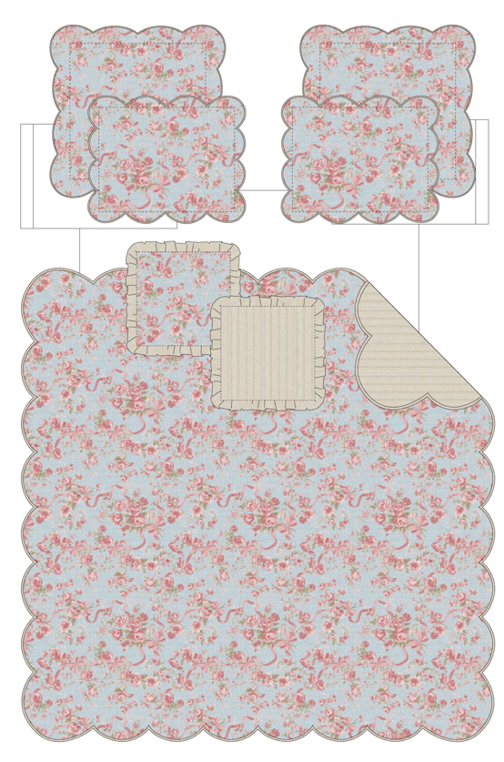 | 05CX2534P3-B | Regency Heights |  | QUILT | Western Rose | 100% Polyester Printed Quilt Mini Set | Quilt Mini Set | 85gsm printed face, 85gsm printed reverse, 120gsm poly fill. With 2inch Scallope and diamond quilting | 100% Polyester Microfiber, poly fill | Twin 1 Quilt 66"W x 90"L 1 Sham 20"W x26"L | Blue | RH14-1069 |  | Set | ￥58.81 | 7.70 | $7.64 | $7.64 |  | Compressed/Knocked Down | 42.0 | 32.0 | 33.0 | 5.50 | 3 | 0.044 | 4397 | $4,000.00 | $0.91 | 9404.40.9022 | 22.80% | $1.74 | $10.29 | 0.00% | $0.00 | 0.00% | $0.00 | 0.00% | $0.00 | $0.00 | $0.00 | 0.00% | $0.00 | $0.00 | $10.29 | 0.00% | $10.29 | $20.00 | $39.99 | 50.00% | 81
2 |  | 05CX2534P3-B | Regency Heights |  | QUILT | Western Rose | 100% Polyester Printed Quilt Mini Set | Quilt Mini Set | 85gsm printed face, 85gsm printed reverse, 120gsm poly fill. With 2inch Scallope and diamond quilting | 100% Polyester Microfiber, poly fill | Full/Queen 1 Quilt 90"W x 90"L 2 Sham 20"W x26"L(2) | Blue | RH14-1070 |  | Set | ￥78.64 | 7.70 | $10.21 | $10.21 |  | Compressed/Knocked Down | 42.0 | 32.0 | 42.0 | 7.70 | 3 | 0.056 | 3455 | $4,000.00 | $1.16 | 9404.40.9022 | 22.80% | $2.33 | $13.70 | 0.00% | $0.00 | 0.00% | $0.00 | 0.00% | $0.00 | $0.00 | $0.00 | 0.00% | $0.00 | $0.00 | $13.70 | 0.00% | $13.70 | $22.50 | $44.99 | 50.00% | 402
3 |  | 05CX2534P3-B | Regency Heights |  | QUILT | Western Rose | 100% Polyester Printed Quilt Mini Set | Quilt Mini Set | 85gsm printed face, 85gsm printed reverse, 120gsm poly fill. With 2inch Scallope and diamond quilting | 100% Polyester Microfiber, poly fill | King 1 Quilt 104"W x 90"L 2 Sham 20"W x36"L(2) | Blue | RH14-1071 |  | Set | ￥88.31 | 7.70 | $11.47 | $11.47 |  | Compressed/Knocked Down | 42.0 | 32.0 | 50.0 | 9.00 | 3 | 0.067 | 2902 | $4,000.00 | $1.38 | 9404.40.9022 | 22.80% | $2.61 | $15.46 | 0.00% | $0.00 | 0.00% | $0.00 | 0.00% | $0.00 | $0.00 | $0.00 | 0.00% | $0.00 | $0.00 | $15.46 | 0.00% | $15.46 | $25.00 | $49.99 | 50.00% | 321
4 | 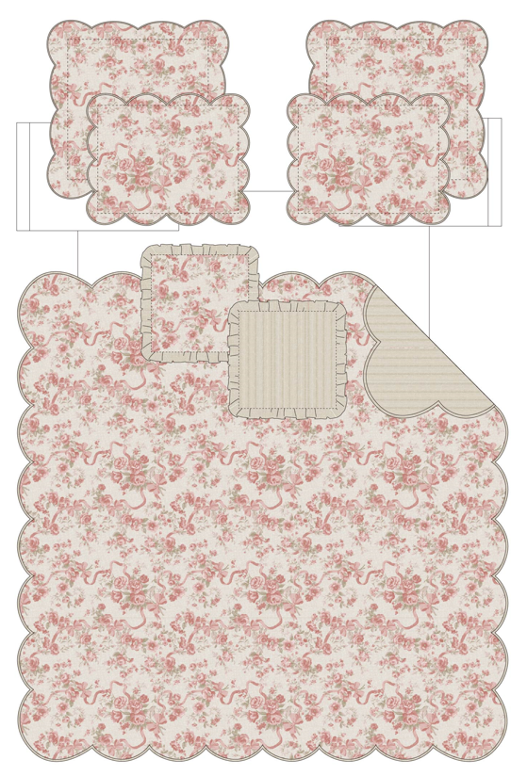 | 05CX2534P3-A | Regency Heights |  | QUILT | Western Rose | 100% Polyester Printed Quilt Mini Set | Quilt Mini Set | 85gsm printed face, 85gsm printed reverse, 120gsm poly fill. With 2inch Scallope and diamond quilting | 100% Polyester Microfiber, poly fill | Twin 1 Quilt 66"W x 90"L 1 Sham 20"W x26"L | Blush | RH14-1072 |  | Set | ￥58.81 | 7.70 | $7.64 | $7.64 |  | Compressed/Knocked Down | 42.0 | 32.0 | 33.0 | 5.50 | 3 | 0.044 | 4397 | $4,000.00 | $0.91 | 9404.40.9022 | 22.80% | $1.74 | $10.29 | 0.00% | $0.00 | 0.00% | $0.00 | 0.00% | $0.00 | $0.00 | $0.00 | 0.00% | $0.00 | $0.00 | $10.29 | 0.00% | $10.29 | $20.00 | $39.99 | 50.00% | 81
5 |  | 05CX2534P3-A | Regency Heights |  | QUILT | Western Rose | 100% Polyester Printed Quilt Mini Set | Quilt Mini Set | 85gsm printed face, 85gsm printed reverse, 120gsm poly fill. With 2inch Scallope and diamond quilting | 100% Polyester Microfiber, poly fill | Full/Queen 1 Quilt 90"W x 90"L 2 Sham 20"W x26"L(2) | Blush | RH14-1073 |  | Set | ￥78.64 | 7.70 | $10.21 | $10.21 |  | Compressed/Knocked Down | 42.0 | 32.0 | 42.0 | 7.70 | 3 | 0.056 | 3455 | $4,000.00 | $1.16 | 9404.40.9022 | 22.80% | $2.33 | $13.70 | 0.00% | $0.00 | 0.00% | $0.00 | 0.00% | $0.00 | $0.00 | $0.00 | 0.00% | $0.00 | $0.00 | $13.70 | 0.00% | $13.70 | $22.50 | $44.99 | 50.00% | 402
6 |  | 05CX2534P3-A | Regency Heights |  | QUILT | Western Rose | 100% Polyester Printed Quilt Mini Set | Quilt Mini Set | 85gsm printed face, 85gsm printed reverse, 120gsm poly fill. With 2inch Scallope and diamond quilting | 100% Polyester Microfiber, poly fill | King 1 Quilt 104"W x 90"L 2 Sham 20"W x36"L(2) | Blush | RH14-1074 |  | Set | ￥88.31 | 7.70 | $11.47 | $11.47 |  | Compressed/Knocked Down | 42.0 | 32.0 | 50.0 | 9.00 | 3 | 0.067 | 2902 | $4,000.00 | $1.38 | 9404.40.9022 | 22.80% | $2.61 | $15.46 | 0.00% | $0.00 | 0.00% | $0.00 | 0.00% | $0.00 | $0.00 | $0.00 | 0.00% | $0.00 | $0.00 | $15.46 | 0.00% | $15.46 | $25.00 | $49.99 | 50.00% | 321

