Item
Line No. | Photo | VIN/Art No. | Brand | Licensor | Product Category | Pattern | Item Description | Description-Short | Fabrication | Material-Short | Size/Spec. | Color | Trim | Item No. | UPC | Customer Item# | Customer Specific Attributes | Unit of Measure | Total Quantity | UCCPM Price | FOB Cost (RMB) | Exchange Rate | FOB Cost (Value) | Package Type | Carton Size L (cm) | Carton Size W (cm) | Carton Size H (cm) | Carton Gross Weight (kg) | Case Pack | Cubic Meter per Carton | IFC | Inner Pack L (in) | Inner Pack W (in) | Inner Pack H (in) | Inner Pack Gross Weight (kg) | Container Volume | Total Units per 40ft Container | 40ft Container Freight | Ocean Freight per Item $ | HTS Code | Duty Rate | Duty per Item $ | LDP Cost $ | Cubic cm per Item | Cubic ft per Item | Ship8 Charge Rate | Ship8 Charge $ | DA % | DA $ | Warehouse Charge % | Warehouse Handling $ | Marketing % | Marketing $ | Other Load | Other Load % | Other Load $ | Total Load $ | LDP Cost with Load $ | JLA Domestic MU% | Standard Price | Retail Marketing % | Retail Marketing $ | Shipping Fee | Total Cost w/ Retail Expenses | Retail Markup % | Average Retail Price | Average Retail Markup % | Customer Cost | Suggested Retail Price | MAP $ | Load % + Margin % | Retailer Markup %
1 | 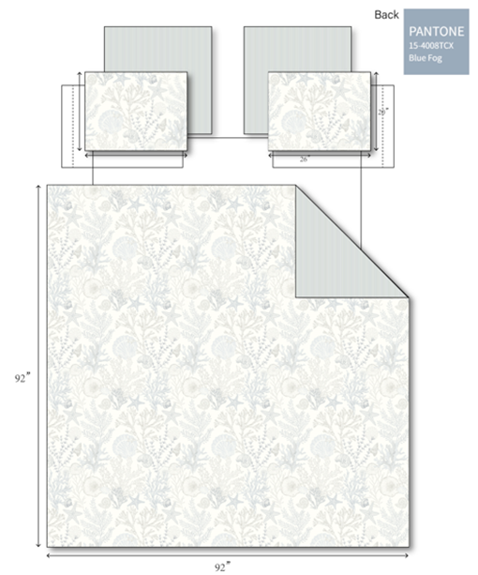 |  | Harbor House Blue |  | QUILT | Sea Meadow | 100% Cotton | Quilt Set | 100%cotton,144T 0.5" Binding all around both for Quilt and Sham. 150 gsm polyester filling . | 100%cotton | Twin XL: 1 Quilt 68"W x 90"L 1 Sham 20"W x 26"L (1) | Blue Print |  | HH14-1994 |  |  |  | Set | 75 |  | 158.31 | 7.70 | $20.56 | Normal | 44.0 | 37.0 | 15.0 |  | 1 | 0.024 |  |  |  |  |  | 65.00 | 2662 | 4,000 | $1.50 | 9404.40.1000 | 14.4% | $2.96 | $25.02 | 24420.00 | 0.86 | 4.00 | $3.45 | 10.00% | $6.50 | 0.00% | #REF! | 0.00% | $0.00 | Average Load Marketing | 15.00% | $9.75 |  |  |  | $65.00 | 30.00% | $39.00 | $15.00 |  | #VALUE! | $129.99 | 50.00% | $65.00 | $149.99 | $129.99 | 61.50% | 56.67%
2 |  |  | Harbor House Blue |  | QUILT | Sea Meadow | 100% Cotton | Quilt Set | 100%cotton,144T 0.5" Binding all around both for Quilt and Sham. 150 gsm polyester filling . | 100%cotton | Full/Queen 1 Quilt 92"W x 92"L 2 Sham 20"W x 26"L (2) | Blue Print |  | HH14-1995 |  |  |  | Set | 100 |  | 197.12 | 7.70 | $25.60 | Normal | 44.0 | 37.0 | 20.0 |  | 1 | 0.033 |  |  |  |  |  | 65.00 | 1996 | 4,000 | $2.00 | 9404.40.1000 | 14.4% | $3.69 | $31.29 | 32560.00 | 1.15 | 4.00 | $4.60 | 10.00% | $7.50 | 0.00% | #REF! | 0.00% | $0.00 | Average Load Marketing | 15.00% | $11.25 |  |  |  | $75.00 | 30.00% | $45.00 | $15.00 |  | #VALUE! | $149.99 | 50.00% | $75.00 | $169.99 | $149.99 | 58.28% | 55.88%
3 |  |  | Harbor House Blue |  | QUILT | Sea Meadow | 100% Cotton | Quilt Set | 100%cotton,144T 0.5" Binding all around both for Quilt and Sham. 150 gsm polyester filling . | 100%cotton | King/Cal King 1 Quilt 108"W x 90"L 2 Sham 20"W x 36"L (2) | Blue Print |  | HH14-1996 |  |  |  | Set | 100 |  | 234.85 | 7.70 | $30.50 | Normal | 44.0 | 37.0 | 22.0 |  | 1 | 0.036 |  |  |  |  |  | 65.00 | 1815 | 4,000 | $2.20 | 9404.40.1000 | 14.4% | $4.39 | $37.10 | 35816.00 | 1.26 | 4.00 | $5.06 | 10.00% | $8.50 | 0.00% | #REF! | 0.00% | $0.00 | Average Load Marketing | 15.00% | $12.75 |  |  |  | $85.00 | 30.00% | $51.00 | $15.00 |  | #VALUE! | $169.99 | 50.00% | $85.00 | $189.99 | $169.99 | 56.36% | 55.26%
4 |  |  | Harbor House Blue |  | SHOWER CURTAIN | Sea Meadow | 100% Cotton | Shower Curtain | 100%cotton,144T double fold 2" at the top head without lining. Other three sides fold 0.5“, totally 12 holes | 100%cotton | 1 Shower Curtain 72"Wx72"L | Blue Print |  | HH70-1996 |  |  |  | Piece | 75 |  | 41.58 | 7.70 | $5.40 | Normal | 48.0 | 30.0 | 30.0 |  | 12 | 0.043 |  |  |  |  |  | 62.00 | 17222 | 4,000 | $0.23 | 6303.91.0010 | 27.8% | $1.50 | $7.13 | 3600.00 | 0.13 | 4.00 | $0.51 | 10.00% | $1.50 | 0.00% | #REF! | 0.00% | $0.00 | Average Load Marketing | 15.00% | $2.25 |  |  |  | $15.00 | 15.00% | $4.50 | $8.00 |  | #VALUE! | $29.99 | 50.00% | $15.00 | $39.99 | $29.99 | 52.43% | 62.50%

