Item
Line No. | Photo | VIN/Art No. | Brand | Licensor | Product Category | Pattern | Item Description | Description-Short | Fabrication | Material-Short | Size/Spec. | Color | Item No. | UPC | Unit of Measure | China RMB Cost | Exchange Rate | FOB Cost $ (Formula) | FOB Cost $ (Value) | UCCPM Price | Package Type | Carton Size L (cm) | Carton Size W (cm) | Carton Size H (cm) | Carton Gross Weight (kg) | Case Pack | Cubic Meter per Carton | Total Units per 40ft Container | 40ft Container Freight | Ocean Freight per Item $ | HTS Code | Duty Rate | Duty per Item $ | LDP Cost $ | DA % | DA $ | General Load % | General Load $ | Warehouse Charge % | Warehouse Charge $ | Dropship Charge | Load 1 | Load 1 % | Load 1 $ | Total Load $ | LDP Cost with Load $ | JLA LDP MU% | JLA FOB CA/GA Price Quote (Formula) | JLA price with drop ship charges | Suggested Retail Price | Initial Markup | Initial Rollout Forecast
1 | 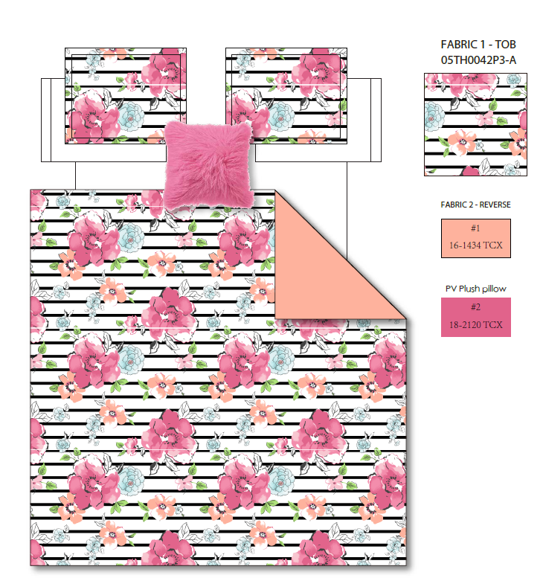 Comforter Set | 05TH0042P3-A | Regency Heights |  | COMFORTER (SET) | Rosalie | 100% Polyester Microfiber printed 3pcs Comforter Set | 3pcs Comforter set | Comf/sham face: 100% polyester micro fiber 85gram printed, back: 100% polyester solid micro fiber 75gram, Comf filling: 200gsm poly, Pillow: mciro fiber shell with polyfill | 100% polyester , poly filling | Twin/Twin XL 1 Comforter 66"Wx90"L 2 Sham 20"W x 26"L+1.5“(2) 1 Pillow 14"W x 14"L | Pink | RH10-1114 |  | Set | ￥57.50 | 7.70 | $7.47 | $7.47 |  | Compressed/Knocked Down | 42.0 | 32.0 | 44.0 | 8.60 | 3 | 0.059 | 3297 | $4,000.00 | $1.21 | 9404.40.9022 | 22.80% | $1.70 | $10.39 | 0.00% | $0.00 | 0.00% | $0.00 | 0.00% | $0.00 | $0.00 | $0.00 | 0.00% | $0.00 | $0.00 | $10.39 | 52.58% | $21.90 | $23.00 | $45.99 | 50.00%
2 |  | 05TH0042P3-A | Regency Heights |  | COMFORTER (SET) | Rosalie | 100% Polyester Microfiber printed 4pcs Comforter Set | 4pcs Comforter set | Comf/sham face: 100% polyester micro fiber 85gram printed, back: 100% polyester solid micro fiber 75gram, Comf filling: 200gsm poly, Pillow: mciro fiber shell with polyfill | 100% polyester , poly filling | Full/Queen 1 Comforter 90"Wx90"L 2 Sham 20"W x 26"L+1.5”(2) 1 Pillow 14"W x 14"L | Pink | RH10-1115 |  | Set | ￥72.30 | 7.70 | $9.39 | $9.39 |  | Compressed/Knocked Down | 42.0 | 32.0 | 59.0 | 10.60 | 3 | 0.079 | 2459 | $4,000.00 | $1.63 | 9404.40.9022 | 22.80% | $2.14 | $13.16 | 0.00% | $0.00 | 0.00% | $0.00 | 0.00% | $0.00 | $0.00 | $0.00 | 0.00% | $0.00 | $0.00 | $13.16 | 46.85% | $24.76 | $26.00 | $51.99 | 50.00%
3 |  | 05TH0042P3-A | Regency Heights |  | COMFORTER (SET) | Rosalie | 100% Polyester Microfiber printed 4pcs Comforter Set | 4pcs Comforter set | Comf/sham face: 100% polyester micro fiber 85gram printed, back: 100% polyester solid micro fiber 75gram, Comf filling: 200gsm poly, Pillow: mciro fiber shell with polyfill | 100% polyester , poly filling | King/Cal King 1 Comforter 104"Wx90"L 2 Sham 20"W x 36"L+1.5“(2) 1 Pillow 14"W x 14"L | Pink | RH10-1116 |  | Set | ￥80.00 | 7.70 | $10.39 | $10.39 |  | Compressed/Knocked Down | 42.0 | 32.0 | 59.0 | 11.80 | 3 | 0.079 | 2459 | $4,000.00 | $1.63 | 9404.40.9022 | 22.80% | $2.37 | $14.39 | 0.00% | $0.00 | 0.00% | $0.00 | 0.00% | $0.00 | $0.00 | $0.00 | 0.00% | $0.00 | $0.00 | $14.39 | 46.99% | $27.14 | $28.50 | $56.99 | 50.00%
4 | 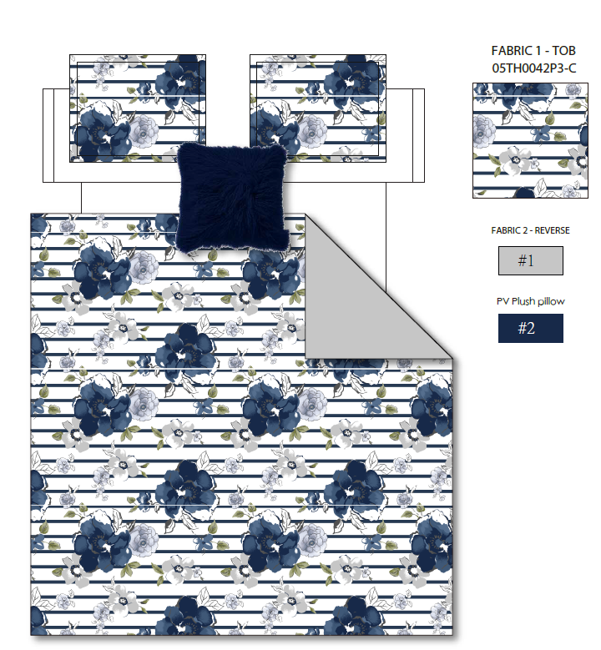 Comforter Set | 05TH0042P3-D | Regency Heights |  | COMFORTER (SET) | Rosalie | 100% Polyester Microfiber printed 3pcs Comforter Set | 3pcs Comforter set | Comf/sham face: 100% polyester micro fiber 85gram printed, back: 100% polyester solid micro fiber 75gram, Comf filling: 200gsm poly, Pillow: mciro fiber shell with polyfill | 100% polyester , poly filling | Twin/Twin XL 1 Comforter 66"Wx90"L 2 Sham 20"W x 26"L+1.5“(2) 1 Pillow 14"W x 14"L | Navy | RH10-1117 |  | Set | ￥57.50 | 7.70 | $7.47 | $7.47 |  | Compressed/Knocked Down | 42.0 | 32.0 | 44.0 | 8.60 | 3 | 0.059 | 3297 | $4,000.00 | $1.21 | 9404.40.9022 | 22.80% | $1.70 | $10.39 | 0.00% | $0.00 | 0.00% | $0.00 | 0.00% | $0.00 | $0.00 | $0.00 | 0.00% | $0.00 | $0.00 | $10.39 | 52.58% | $21.90 | $23.00 | $45.99 | 50.00%
5 |  | 05TH0042P3-D | Regency Heights |  | COMFORTER (SET) | Rosalie | 100% Polyester Microfiber printed 4pcs Comforter Set | 4pcs Comforter set | Comf/sham face: 100% polyester micro fiber 85gram printed, back: 100% polyester solid micro fiber 75gram, Comf filling: 200gsm poly, Pillow: mciro fiber shell with polyfill | 100% polyester , poly filling | Full/Queen 1 Comforter 90"Wx90"L 2 Sham 20"W x 26"L+1.5”(2) 1 Pillow 14"W x 14"L | Navy | RH10-1118 |  | Set | ￥72.30 | 7.70 | $9.39 | $9.39 |  | Compressed/Knocked Down | 42.0 | 32.0 | 59.0 | 10.60 | 3 | 0.079 | 2459 | $4,000.00 | $1.63 | 9404.40.9022 | 22.80% | $2.14 | $13.16 | 0.00% | $0.00 | 0.00% | $0.00 | 0.00% | $0.00 | $0.00 | $0.00 | 0.00% | $0.00 | $0.00 | $13.16 | 46.85% | $24.76 | $26.00 | $51.99 | 50.00%
6 |  | 05TH0042P3-D | Regency Heights |  | COMFORTER (SET) | Rosalie | 100% Polyester Microfiber printed 4pcs Comforter Set | 4pcs Comforter set | Comf/sham face: 100% polyester micro fiber 85gram printed, back: 100% polyester solid micro fiber 75gram, Comf filling: 200gsm poly, Pillow: mciro fiber shell with polyfill | 100% polyester , poly filling | King/Cal King 1 Comforter 104"Wx90"L 2 Sham 20"W x 36"L+1.5“(2) 1 Pillow 14"W x 14"L | Navy | RH10-1119 |  | Set | ￥80.00 | 7.70 | $10.39 | $10.39 |  | Compressed/Knocked Down | 42.0 | 32.0 | 59.0 | 11.80 | 3 | 0.079 | 2459 | $4,000.00 | $1.63 | 9404.40.9022 | 22.80% | $2.37 | $14.39 | 0.00% | $0.00 | 0.00% | $0.00 | 0.00% | $0.00 | $0.00 | $0.00 | 0.00% | $0.00 | $0.00 | $14.39 | 46.99% | $27.14 | $28.50 | $56.99 | 50.00%
7 | 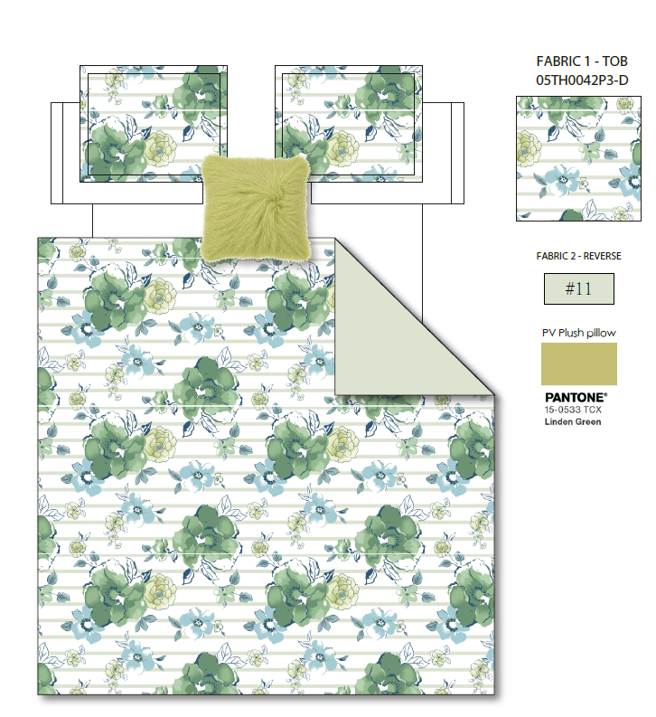 Comforter Set | 05TH0042P3-C | Regency Heights |  | COMFORTER (SET) | Rosalie | 100% Polyester Microfiber printed 3pcs Comforter Set | 3pcs Comforter set | Comf/sham face: 100% polyester micro fiber 85gram printed, back: 100% polyester solid micro fiber 75gram, Comf filling: 200gsm poly, Pillow: mciro fiber shell with polyfill | 100% polyester , poly filling | Twin/Twin XL 1 Comforter 66"Wx90"L 2 Sham 20"W x 26"L+1.5“(2) 1 Pillow 14"W x 14"L | Green | RH10-1120 |  | Set | ￥57.50 | 7.70 | $7.47 | $7.47 |  | Compressed/Knocked Down | 42.0 | 32.0 | 44.0 | 8.60 | 3 | 0.059 | 3297 | $4,000.00 | $1.21 | 9404.40.9022 | 22.80% | $1.70 | $10.39 | 0.00% | $0.00 | 0.00% | $0.00 | 0.00% | $0.00 | $0.00 | $0.00 | 0.00% | $0.00 | $0.00 | $10.39 | 52.58% | $21.90 | $23.00 | $45.99 | 50.00%
8 |  | 05TH0042P3-C | Regency Heights |  | COMFORTER (SET) | Rosalie | 100% Polyester Microfiber printed 4pcs Comforter Set | 4pcs Comforter set | Comf/sham face: 100% polyester micro fiber 85gram printed, back: 100% polyester solid micro fiber 75gram, Comf filling: 200gsm poly, Pillow: mciro fiber shell with polyfill | 100% polyester , poly filling | Full/Queen 1 Comforter 90"Wx90"L 2 Sham 20"W x 26"L+1.5”(2) 1 Pillow 14"W x 14"L | Green | RH10-1121 |  | Set | ￥72.30 | 7.70 | $9.39 | $9.39 |  | Compressed/Knocked Down | 42.0 | 32.0 | 59.0 | 10.60 | 3 | 0.079 | 2459 | $4,000.00 | $1.63 | 9404.40.9022 | 22.80% | $2.14 | $13.16 | 0.00% | $0.00 | 0.00% | $0.00 | 0.00% | $0.00 | $0.00 | $0.00 | 0.00% | $0.00 | $0.00 | $13.16 | 46.85% | $24.76 | $26.00 | $51.99 | 50.00%
9 |  | 05TH0042P3-C | Regency Heights |  | COMFORTER (SET) | Rosalie | 100% Polyester Microfiber printed 4pcs Comforter Set | 4pcs Comforter set | Comf/sham face: 100% polyester micro fiber 85gram printed, back: 100% polyester solid micro fiber 75gram, Comf filling: 200gsm poly, Pillow: mciro fiber shell with polyfill | 100% polyester , poly filling | King/Cal King 1 Comforter 104"Wx90"L 2 Sham 20"W x 36"L+1.5“(2) 1 Pillow 14"W x 14"L | Green | RH10-1122 |  | Set | ￥80.00 | 7.70 | $10.39 | $10.39 |  | Compressed/Knocked Down | 42.0 | 32.0 | 59.0 | 11.80 | 3 | 0.079 | 2459 | $4,000.00 | $1.63 | 9404.40.9022 | 22.80% | $2.37 | $14.39 | 0.00% | $0.00 | 0.00% | $0.00 | 0.00% | $0.00 | $0.00 | $0.00 | 0.00% | $0.00 | $0.00 | $14.39 | 46.99% | $27.14 | $28.50 | $56.99 | 50.00%

