Item
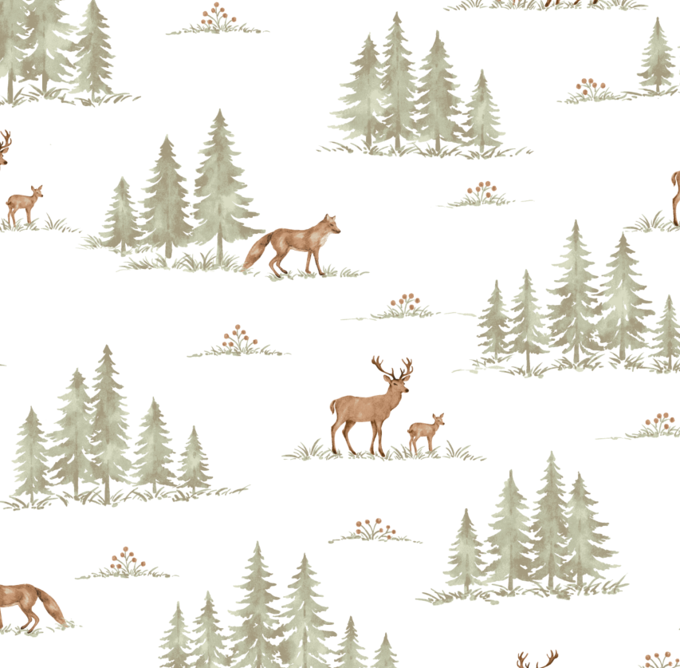
Line No. | Photo | VIN/Art No. | Brand | Licensor | Product Category | Pattern | Item Description | Description-Short | Fabrication | Material-Short | Size/Spec. | Color | Item No. | UPC | Unit of Measure | UCCPM Price (Formula) | FOB Cost $ (Value) | Package Type | Carton Size L (cm) | Carton Size W (cm) | Carton Size H (cm) | Carton Gross Weight (kg) | Case Pack | Cubic Meter per Carton | Container Volume | Total Units per 40ft Container | 40ft Container Freight | Ocean Freight per Item $ | HTS Code | Duty Rate | Duty per Item $ | LDP Cost $ | DA % | DA $ | General Load % | General Load $ | Warehouse Charge % | Warehouse Charge $ | Marketing % | Marketing $ | Freight Allowance % | Freight Allowance $ | Royalty % | Royalty $ | AVN % | AVN $ | Total Load $ | LDP Cost with Load $ | JLA LDP MU% | Price Quote for AMZ | Suggested Retail Price | Initial Markup % | Total Quantity | Total Cost | Total Sales
1 |  |  | Comfort Spaces |  | SHEET/SHEET SET | Cotton Flannel 135GSM|Cotton Flannel 135GSM|Cotton Flannel 135GSM | 135gsm 100% Cotton Printed Flannel Sheet Set | Printed Flannel Sheet Set | 135gsm 100% cotton flannel | 100% cotton | Twin: 68x98"/39x75+12"/21 x 30 (1) | Deer and Trees | CS20-2031 |  | Set |  | $6.84 | Normal | 60.0 | 31.5 | 17.0 | 5.00 | 4 | 0.032 | 65.00 | 8092 | 3,500 | $0.43 | 6302.21.9020 | 12.5% | $0.86 | $8.13 | 5.00% | $0.87 | 8.00% | $1.39 | 10.00% | $1.74 | 10.00% | $1.74 | 7.00% | $1.22 | 0.00% | $0.00 | 0.00% | $0.00 | $6.97 | $15.10 | 13.34% | $17.42 | 32.99 | 47.20% |  | $0.00 | $0.00
2 |  |  | Comfort Spaces |  | SHEET/SHEET SET | Cotton Flannel 135GSM|Cotton Flannel 135GSM|Cotton Flannel 135GSM | 135gsm 100% Cotton Printed Flannel Sheet Set | Printed Flannel Sheet Set | 135gsm 100% cotton flannel | 100% cotton | Twin XL: 68x102"/39x80+12"/21x30"(1) | Deer and Trees | CS20-2032 |  | Set |  | $6.99 | Normal | 60.0 | 31.5 | 17.0 | 5.00 | 4 | 0.032 | 65.00 | 8092 | 3,500 | $0.43 | 6302.21.9020 | 12.5% | $0.87 | $8.30 | 5.00% | $1.05 | 8.00% | $1.68 | 10.00% | $2.11 | 10.00% | $2.11 | 7.00% | $1.47 | 0.00% | $0.00 | 0.00% | $0.00 | $8.42 | $16.72 | 20.59% | $21.05 | 32.99 | 36.19% |  | $0.00 | $0.00
3 |  |  | Comfort Spaces |  | SHEET/SHEET SET | Cotton Flannel 135GSM|Cotton Flannel 135GSM|Cotton Flannel 135GSM | 135gsm 100% Cotton Printed Flannel Sheet Set | Printed Flannel Sheet Set | 135gsm 100% cotton flannel | 100% cotton | Full: 80x98"/55x76+12"/21x 30"(2) | Deer and Trees | CS20-2033 |  | Set |  | $8.73 | Normal | 60.0 | 31.5 | 22.0 | 5.00 | 4 | 0.042 | 65.00 | 6253 | 3,500 | $0.56 | 6302.21.9020 | 12.5% | $1.09 | $10.38 | 5.00% | $1.11 | 8.00% | $1.78 | 10.00% | $2.23 | 10.00% | $2.23 | 7.00% | $1.56 | 0.00% | $0.00 | 0.00% | $0.00 | $8.91 | $19.29 | 13.39% | $22.27 | 39.99 | 44.31% |  | $0.00 | $0.00
4 |  |  | Comfort Spaces |  | SHEET/SHEET SET | Cotton Flannel 135GSM|Cotton Flannel 135GSM|Cotton Flannel 135GSM | 135gsm 100% Cotton Printed Flannel Sheet Set | Printed Flannel Sheet Set | 135gsm 100% cotton flannel | 100% cotton | Queen: 90x102"/60x81"+ 14"/21x30" (2) | Deer and Trees | CS20-2034 |  | Set |  | $9.85 | Normal | 60.0 | 31.5 | 25.0 | 5.00 | 4 | 0.047 | 65.00 | 5503 | 3,500 | $0.64 | 6302.21.9020 | 12.5% | $1.23 | $11.72 | 5.00% | $1.25 | 8.00% | $2.00 | 10.00% | $2.51 | 10.00% | $2.51 | 7.00% | $1.75 | 0.00% | $0.00 | 0.00% | $0.00 | $10.02 | $21.74 | 13.24% | $25.06 | 44.99 | 44.30% |  | $0.00 | $0.00
5 |  |  | Comfort Spaces |  | SHEET/SHEET SET | Cotton Flannel 135GSM|Cotton Flannel 135GSM|Cotton Flannel 135GSM | 135gsm 100% Cotton Printed Flannel Sheet Set | Printed Flannel Sheet Set | 135gsm 100% cotton flannel | 100% cotton | King: 108x102"/78x81+14"/21x40"(2) | Deer and Trees | CS20-2035 |  | Set |  | $11.47 | Normal | 60.0 | 31.5 | 30.0 | 5.00 | 4 | 0.057 | 65.00 | 4586 | 3,500 | $0.76 | 6302.21.9020 | 12.5% | $1.43 | $13.67 | 5.00% | $1.39 | 8.00% | $2.23 | 10.00% | $2.78 | 10.00% | $2.78 | 7.00% | $1.95 | 0.00% | $0.00 | 0.00% | $0.00 | $11.14 | $24.80 | 10.91% | $27.84 | 49.99 | 44.31% |  | $0.00 | $0.00
6 |  |  | Comfort Spaces |  | SHEET/SHEET SET | Cotton Flannel 135GSM|Cotton Flannel 135GSM|Cotton Flannel 135GSM | 135gsm 100% Cotton Printed Flannel Sheet Set | Printed Flannel Sheet Set | 135gsm 100% cotton flannel | 100% cotton | Cal-King: 108x102", 72x84+14", 21 x 40"(2) | Deer and Trees | CS20-2036 |  | Set |  | $11.47 | Normal | 60.0 | 31.5 | 30.0 | 5.00 | 4 | 0.057 | 65.00 | 4586 | 3,500 | $0.76 | 6302.21.9020 | 12.5% | $1.43 | $13.67 | 5.00% | $1.53 | 8.00% | $2.45 | 10.00% | $3.06 | 10.00% | $3.06 | 7.00% | $2.14 | 0.00% | $0.00 | 0.00% | $0.00 | $12.25 | $25.92 | 15.38% | $30.63 | 54.99 | 44.30% |  | $0.00 | $0.00
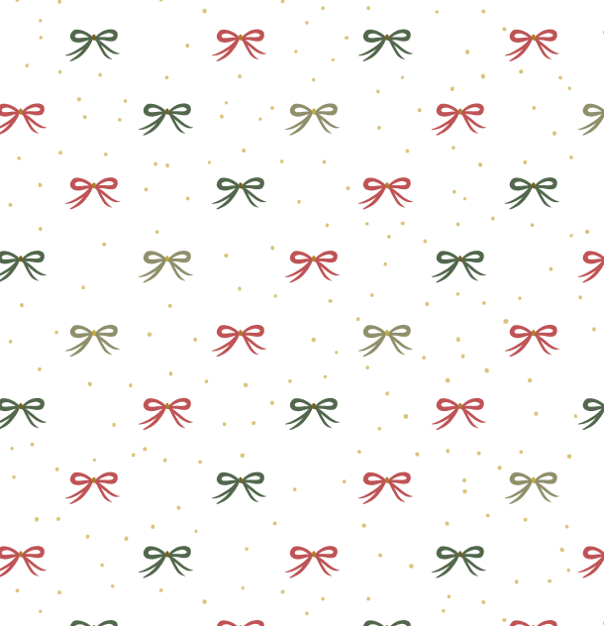
7 |  |  | Comfort Spaces |  | SHEET/SHEET SET | Cotton Flannel 135GSM|Cotton Flannel 135GSM|Cotton Flannel 135GSM | 135gsm 100% Cotton Printed Flannel Sheet Set | Printed Flannel Sheet Set | 135gsm 100% cotton flannel | 100% cotton | Twin: 68x98"/39x75+12"/21 x 30 (1) | Holiday Bow | CS20-2037 |  | Set |  | $6.84 | Normal | 60.0 | 31.5 | 17.0 | 5.00 | 4 | 0.032 | 65.00 | 8092 | 3,500 | $0.43 | 6302.21.9020 | 12.5% | $0.86 | $8.13 | 5.00% | $0.87 | 8.00% | $1.39 | 10.00% | $1.74 | 10.00% | $1.74 | 7.00% | $1.22 | 0.00% | $0.00 | 0.00% | $0.00 | $6.97 | $15.10 | 13.34% | $17.42 | 32.99 | 47.20% |  | $0.00 | $0.00
8 |  |  | Comfort Spaces |  | SHEET/SHEET SET | Cotton Flannel 135GSM|Cotton Flannel 135GSM|Cotton Flannel 135GSM | 135gsm 100% Cotton Printed Flannel Sheet Set | Printed Flannel Sheet Set | 135gsm 100% cotton flannel | 100% cotton | Twin XL: 68x102"/39x80+12"/21x30"(1) | Holiday Bow | CS20-2038 |  | Set |  | $6.99 | Normal | 60.0 | 31.5 | 17.0 | 5.00 | 4 | 0.032 | 65.00 | 8092 | 3,500 | $0.43 | 6302.21.9020 | 12.5% | $0.87 | $8.30 | 5.00% | $1.05 | 8.00% | $1.68 | 10.00% | $2.11 | 10.00% | $2.11 | 7.00% | $1.47 | 0.00% | $0.00 | 0.00% | $0.00 | $8.42 | $16.72 | 20.59% | $21.05 | 32.99 | 36.19% |  | $0.00 | $0.00
9 |  |  | Comfort Spaces |  | SHEET/SHEET SET | Cotton Flannel 135GSM|Cotton Flannel 135GSM|Cotton Flannel 135GSM | 135gsm 100% Cotton Printed Flannel Sheet Set | Printed Flannel Sheet Set | 135gsm 100% cotton flannel | 100% cotton | Full: 80x98"/55x76+12"/21x 30"(2) | Holiday Bow | CS20-2039 |  | Set |  | $8.73 | Normal | 60.0 | 31.5 | 22.0 | 5.00 | 4 | 0.042 | 65.00 | 6253 | 3,500 | $0.56 | 6302.21.9020 | 12.5% | $1.09 | $10.38 | 5.00% | $1.11 | 8.00% | $1.78 | 10.00% | $2.23 | 10.00% | $2.23 | 7.00% | $1.56 | 0.00% | $0.00 | 0.00% | $0.00 | $8.91 | $19.29 | 13.39% | $22.27 | 39.99 | 44.31% |  | $0.00 | $0.00
10 |  |  | Comfort Spaces |  | SHEET/SHEET SET | Cotton Flannel 135GSM|Cotton Flannel 135GSM|Cotton Flannel 135GSM | 135gsm 100% Cotton Printed Flannel Sheet Set | Printed Flannel Sheet Set | 135gsm 100% cotton flannel | 100% cotton | Queen: 90x102"/60x81"+ 14"/21x30" (2) | Holiday Bow | CS20-2040 |  | Set |  | $9.85 | Normal | 60.0 | 31.5 | 25.0 | 5.00 | 4 | 0.047 | 65.00 | 5503 | 3,500 | $0.64 | 6302.21.9020 | 12.5% | $1.23 | $11.72 | 5.00% | $1.25 | 8.00% | $2.00 | 10.00% | $2.51 | 10.00% | $2.51 | 7.00% | $1.75 | 0.00% | $0.00 | 0.00% | $0.00 | $10.02 | $21.74 | 13.24% | $25.06 | 44.99 | 44.30% |  | $0.00 | $0.00
11 |  |  | Comfort Spaces |  | SHEET/SHEET SET | Cotton Flannel 135GSM|Cotton Flannel 135GSM|Cotton Flannel 135GSM | 135gsm 100% Cotton Printed Flannel Sheet Set | Printed Flannel Sheet Set | 135gsm 100% cotton flannel | 100% cotton | King: 108x102"/78x81+14"/21x40"(2) | Holiday Bow | CS20-2041 |  | Set |  | $11.47 | Normal | 60.0 | 31.5 | 30.0 | 5.00 | 4 | 0.057 | 65.00 | 4586 | 3,500 | $0.76 | 6302.21.9020 | 12.5% | $1.43 | $13.67 | 5.00% | $1.39 | 8.00% | $2.23 | 10.00% | $2.78 | 10.00% | $2.78 | 7.00% | $1.95 | 0.00% | $0.00 | 0.00% | $0.00 | $11.14 | $24.80 | 10.91% | $27.84 | 49.99 | 44.31% |  | $0.00 | $0.00
12 |  |  | Comfort Spaces |  | SHEET/SHEET SET | Cotton Flannel 135GSM|Cotton Flannel 135GSM|Cotton Flannel 135GSM | 135gsm 100% Cotton Printed Flannel Sheet Set | Printed Flannel Sheet Set | 135gsm 100% cotton flannel | 100% cotton | Cal-King: 108x102", 72x84+14", 21 x 40"(2) | Holiday Bow | CS20-2042 |  | Set |  | $11.47 | Normal | 60.0 | 31.5 | 30.0 | 5.00 | 4 | 0.057 | 65.00 | 4586 | 3,500 | $0.76 | 6302.21.9020 | 12.5% | $1.43 | $13.67 | 5.00% | $1.53 | 8.00% | $2.45 | 10.00% | $3.06 | 10.00% | $3.06 | 7.00% | $2.14 | 0.00% | $0.00 | 0.00% | $0.00 | $12.25 | $25.92 | 15.38% | $30.63 | 54.99 | 44.30% |  | $0.00 | $0.00
13 |  |  | Comfort Spaces |  | SHEET/SHEET SET | Cotton Flannel 135GSM|Cotton Flannel 135GSM|Cotton Flannel 135GSM | 135gsm 100% Cotton Printed Flannel Sheet Set | Printed Flannel Sheet Set | 135gsm 100% cotton flannel | 100% cotton | Twin: 68x98"/39x75+12"/21 x 30 (1) | Holly Berries | CS20-2043 |  | Set |  | $6.84 | Normal | 60.0 | 31.5 | 17.0 | 5.00 | 4 | 0.032 | 65.00 | 8092 | 3,500 | $0.43 | 6302.21.9020 | 12.5% | $0.86 | $8.13 | 5.00% | $0.87 | 8.00% | $1.39 | 10.00% | $1.74 | 10.00% | $1.74 | 7.00% | $1.22 | 0.00% | $0.00 | 0.00% | $0.00 | $6.97 | $15.10 | 13.34% | $17.42 | 32.99 | 47.20% |  | $0.00 | $0.00
14 |  |  | Comfort Spaces |  | SHEET/SHEET SET | Cotton Flannel 135GSM|Cotton Flannel 135GSM|Cotton Flannel 135GSM | 135gsm 100% Cotton Printed Flannel Sheet Set | Printed Flannel Sheet Set | 135gsm 100% cotton flannel | 100% cotton | Twin XL: 68x102"/39x80+12"/21x30"(1) | Holly Berries | CS20-2044 |  | Set |  | $6.99 | Normal | 60.0 | 31.5 | 17.0 | 5.00 | 4 | 0.032 | 65.00 | 8092 | 3,500 | $0.43 | 6302.21.9020 | 12.5% | $0.87 | $8.30 | 5.00% | $1.05 | 8.00% | $1.68 | 10.00% | $2.11 | 10.00% | $2.11 | 7.00% | $1.47 | 0.00% | $0.00 | 0.00% | $0.00 | $8.42 | $16.72 | 20.59% | $21.05 | 32.99 | 36.19% |  | $0.00 | $0.00
15 |  |  | Comfort Spaces |  | SHEET/SHEET SET | Cotton Flannel 135GSM|Cotton Flannel 135GSM|Cotton Flannel 135GSM | 135gsm 100% Cotton Printed Flannel Sheet Set | Printed Flannel Sheet Set | 135gsm 100% cotton flannel | 100% cotton | Full: 80x98"/55x76+12"/21x 30"(2) | Holly Berries | CS20-2045 |  | Set |  | $8.73 | Normal | 60.0 | 31.5 | 22.0 | 5.00 | 4 | 0.042 | 65.00 | 6253 | 3,500 | $0.56 | 6302.21.9020 | 12.5% | $1.09 | $10.38 | 5.00% | $1.11 | 8.00% | $1.78 | 10.00% | $2.23 | 10.00% | $2.23 | 7.00% | $1.56 | 0.00% | $0.00 | 0.00% | $0.00 | $8.91 | $19.29 | 13.39% | $22.27 | 39.99 | 44.31% |  | $0.00 | $0.00
16 |  |  | Comfort Spaces |  | SHEET/SHEET SET | Cotton Flannel 135GSM|Cotton Flannel 135GSM|Cotton Flannel 135GSM | 135gsm 100% Cotton Printed Flannel Sheet Set | Printed Flannel Sheet Set | 135gsm 100% cotton flannel | 100% cotton | Queen: 90x102"/60x81"+ 14"/21x30" (2) | Holly Berries | CS20-2046 |  | Set |  | $9.85 | Normal | 60.0 | 31.5 | 25.0 | 5.00 | 4 | 0.047 | 65.00 | 5503 | 3,500 | $0.64 | 6302.21.9020 | 12.5% | $1.23 | $11.72 | 5.00% | $1.25 | 8.00% | $2.00 | 10.00% | $2.51 | 10.00% | $2.51 | 7.00% | $1.75 | 0.00% | $0.00 | 0.00% | $0.00 | $10.02 | $21.74 | 13.24% | $25.06 | 44.99 | 44.30% |  | $0.00 | $0.00
17 |  |  | Comfort Spaces |  | SHEET/SHEET SET | Cotton Flannel 135GSM|Cotton Flannel 135GSM|Cotton Flannel 135GSM | 135gsm 100% Cotton Printed Flannel Sheet Set | Printed Flannel Sheet Set | 135gsm 100% cotton flannel | 100% cotton | King: 108x102"/78x81+14"/21x40"(2) | Holly Berries | CS20-2047 |  | Set |  | $11.47 | Normal | 60.0 | 31.5 | 30.0 | 5.00 | 4 | 0.057 | 65.00 | 4586 | 3,500 | $0.76 | 6302.21.9020 | 12.5% | $1.43 | $13.67 | 5.00% | $1.39 | 8.00% | $2.23 | 10.00% | $2.78 | 10.00% | $2.78 | 7.00% | $1.95 | 0.00% | $0.00 | 0.00% | $0.00 | $11.14 | $24.80 | 10.91% | $27.84 | 49.99 | 44.31% |  | $0.00 | $0.00
18 |  |  | Comfort Spaces |  | SHEET/SHEET SET | Cotton Flannel 135GSM|Cotton Flannel 135GSM|Cotton Flannel 135GSM | 135gsm 100% Cotton Printed Flannel Sheet Set | Printed Flannel Sheet Set | 135gsm 100% cotton flannel | 100% cotton | Cal-King: 108x102", 72x84+14", 21 x 40"(2) | Holly Berries | CS20-2048 |  | Set |  | $11.47 | Normal | 60.0 | 31.5 | 30.0 | 5.00 | 4 | 0.057 | 65.00 | 4586 | 3,500 | $0.76 | 6302.21.9020 | 12.5% | $1.43 | $13.67 | 5.00% | $1.53 | 8.00% | $2.45 | 10.00% | $3.06 | 10.00% | $3.06 | 7.00% | $2.14 | 0.00% | $0.00 | 0.00% | $0.00 | $12.25 | $25.92 | 15.38% | $30.63 | 54.99 | 44.30% |  | $0.00 | $0.00
19 |  |  | Comfort Spaces |  | SHEET/SHEET SET | Cotton Flannel 135GSM|Cotton Flannel 135GSM|Cotton Flannel 135GSM | 135gsm 100% Cotton Printed Flannel Sheet Set | Printed Flannel Sheet Set | 135gsm 100% cotton flannel | 100% cotton | Twin: 68x98"/39x75+12"/21 x 30 (1) | Polka Dots | CS20-2049 |  | Set |  | $6.84 | Normal | 60.0 | 31.5 | 17.0 | 5.00 | 4 | 0.032 | 65.00 | 8092 | 3,500 | $0.43 | 6302.21.9020 | 12.5% | $0.86 | $8.13 | 5.00% | $0.87 | 8.00% | $1.39 | 10.00% | $1.74 | 10.00% | $1.74 | 7.00% | $1.22 | 0.00% | $0.00 | 0.00% | $0.00 | $6.97 | $15.10 | 13.34% | $17.42 | 32.99 | 47.20% |  | $0.00 | $0.00
20 |  |  | Comfort Spaces |  | SHEET/SHEET SET | Cotton Flannel 135GSM|Cotton Flannel 135GSM|Cotton Flannel 135GSM | 135gsm 100% Cotton Printed Flannel Sheet Set | Printed Flannel Sheet Set | 135gsm 100% cotton flannel | 100% cotton | Twin XL: 68x102"/39x80+12"/21x30"(1) | Polka Dots | CS20-2050 |  | Set |  | $6.99 | Normal | 60.0 | 31.5 | 17.0 | 5.00 | 4 | 0.032 | 65.00 | 8092 | 3,500 | $0.43 | 6302.21.9020 | 12.5% | $0.87 | $8.30 | 5.00% | $1.05 | 8.00% | $1.68 | 10.00% | $2.11 | 10.00% | $2.11 | 7.00% | $1.47 | 0.00% | $0.00 | 0.00% | $0.00 | $8.42 | $16.72 | 20.59% | $21.05 | 32.99 | 36.19% |  | $0.00 | $0.00
21 |  |  | Comfort Spaces |  | SHEET/SHEET SET | Cotton Flannel 135GSM|Cotton Flannel 135GSM|Cotton Flannel 135GSM | 135gsm 100% Cotton Printed Flannel Sheet Set | Printed Flannel Sheet Set | 135gsm 100% cotton flannel | 100% cotton | Full: 80x98"/55x76+12"/21x 30"(2) | Polka Dots | CS20-2051 |  | Set |  | $8.73 | Normal | 60.0 | 31.5 | 22.0 | 5.00 | 4 | 0.042 | 65.00 | 6253 | 3,500 | $0.56 | 6302.21.9020 | 12.5% | $1.09 | $10.38 | 5.00% | $1.11 | 8.00% | $1.78 | 10.00% | $2.23 | 10.00% | $2.23 | 7.00% | $1.56 | 0.00% | $0.00 | 0.00% | $0.00 | $8.91 | $19.29 | 13.39% | $22.27 | 39.99 | 44.31% |  | $0.00 | $0.00
22 |  |  | Comfort Spaces |  | SHEET/SHEET SET | Cotton Flannel 135GSM|Cotton Flannel 135GSM|Cotton Flannel 135GSM | 135gsm 100% Cotton Printed Flannel Sheet Set | Printed Flannel Sheet Set | 135gsm 100% cotton flannel | 100% cotton | Queen: 90x102"/60x81"+ 14"/21x30" (2) | Polka Dots | CS20-2052 |  | Set |  | $9.85 | Normal | 60.0 | 31.5 | 25.0 | 5.00 | 4 | 0.047 | 65.00 | 5503 | 3,500 | $0.64 | 6302.21.9020 | 12.5% | $1.23 | $11.72 | 5.00% | $1.25 | 8.00% | $2.00 | 10.00% | $2.51 | 10.00% | $2.51 | 7.00% | $1.75 | 0.00% | $0.00 | 0.00% | $0.00 | $10.02 | $21.74 | 13.24% | $25.06 | 44.99 | 44.30% |  | $0.00 | $0.00
23 |  |  | Comfort Spaces |  | SHEET/SHEET SET | Cotton Flannel 135GSM|Cotton Flannel 135GSM|Cotton Flannel 135GSM | 135gsm 100% Cotton Printed Flannel Sheet Set | Printed Flannel Sheet Set | 135gsm 100% cotton flannel | 100% cotton | King: 108x102"/78x81+14"/21x40"(2) | Polka Dots | CS20-2053 |  | Set |  | $11.47 | Normal | 60.0 | 31.5 | 30.0 | 5.00 | 4 | 0.057 | 65.00 | 4586 | 3,500 | $0.76 | 6302.21.9020 | 12.5% | $1.43 | $13.67 | 5.00% | $1.39 | 8.00% | $2.23 | 10.00% | $2.78 | 10.00% | $2.78 | 7.00% | $1.95 | 0.00% | $0.00 | 0.00% | $0.00 | $11.14 | $24.80 | 10.91% | $27.84 | 49.99 | 44.31% |  | $0.00 | $0.00
24 |  |  | Comfort Spaces |  | SHEET/SHEET SET | Cotton Flannel 135GSM|Cotton Flannel 135GSM|Cotton Flannel 135GSM | 135gsm 100% Cotton Printed Flannel Sheet Set | Printed Flannel Sheet Set | 135gsm 100% cotton flannel | 100% cotton | Cal-King: 108x102", 72x84+14", 21 x 40"(2) | Polka Dots | CS20-2054 |  | Set |  | $11.47 | Normal | 60.0 | 31.5 | 30.0 | 5.00 | 4 | 0.057 | 65.00 | 4586 | 3,500 | $0.76 | 6302.21.9020 | 12.5% | $1.43 | $13.67 | 5.00% | $1.53 | 8.00% | $2.45 | 10.00% | $3.06 | 10.00% | $3.06 | 7.00% | $2.14 | 0.00% | $0.00 | 0.00% | $0.00 | $12.25 | $25.92 | 15.38% | $30.63 | 54.99 | 44.30% |  | $0.00 | $0.00
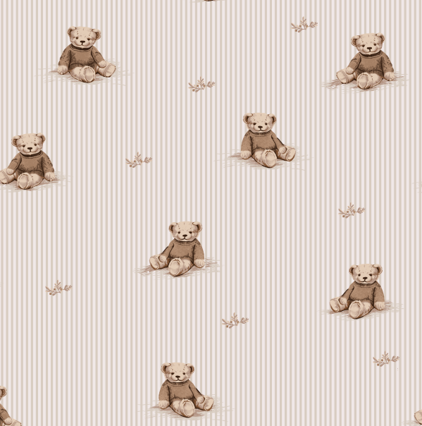
25 |  |  | Comfort Spaces |  | SHEET/SHEET SET | Cotton Flannel 135GSM|Cotton Flannel 135GSM|Cotton Flannel 135GSM | 135gsm 100% Cotton Printed Flannel Sheet Set | Printed Flannel Sheet Set | 135gsm 100% cotton flannel | 100% cotton | Twin: 68x98"/39x75+12"/21 x 30 (1) | Teddy Bear | CS20-2055 |  | Set |  | $6.84 | Normal | 60.0 | 31.5 | 17.0 | 5.00 | 4 | 0.032 | 65.00 | 8092 | 3,500 | $0.43 | 6302.21.9020 | 12.5% | $0.86 | $8.13 | 5.00% | $0.87 | 8.00% | $1.39 | 10.00% | $1.74 | 10.00% | $1.74 | 7.00% | $1.22 | 0.00% | $0.00 | 0.00% | $0.00 | $6.97 | $15.10 | 13.34% | $17.42 | 32.99 | 47.20% |  | $0.00 | $0.00
26 |  |  | Comfort Spaces |  | SHEET/SHEET SET | Cotton Flannel 135GSM|Cotton Flannel 135GSM|Cotton Flannel 135GSM | 135gsm 100% Cotton Printed Flannel Sheet Set | Printed Flannel Sheet Set | 135gsm 100% cotton flannel | 100% cotton | Twin XL: 68x102"/39x80+12"/21x30"(1) | Teddy Bear | CS20-2056 |  | Set |  | $6.99 | Normal | 60.0 | 31.5 | 17.0 | 5.00 | 4 | 0.032 | 65.00 | 8092 | 3,500 | $0.43 | 6302.21.9020 | 12.5% | $0.87 | $8.30 | 5.00% | $1.05 | 8.00% | $1.68 | 10.00% | $2.11 | 10.00% | $2.11 | 7.00% | $1.47 | 0.00% | $0.00 | 0.00% | $0.00 | $8.42 | $16.72 | 20.59% | $21.05 | 32.99 | 36.19% |  | $0.00 | $0.00
27 |  |  | Comfort Spaces |  | SHEET/SHEET SET | Cotton Flannel 135GSM|Cotton Flannel 135GSM|Cotton Flannel 135GSM | 135gsm 100% Cotton Printed Flannel Sheet Set | Printed Flannel Sheet Set | 135gsm 100% cotton flannel | 100% cotton | Full: 80x98"/55x76+12"/21x 30"(2) | Teddy Bear | CS20-2057 |  | Set |  | $8.73 | Normal | 60.0 | 31.5 | 22.0 | 5.00 | 4 | 0.042 | 65.00 | 6253 | 3,500 | $0.56 | 6302.21.9020 | 12.5% | $1.09 | $10.38 | 5.00% | $1.11 | 8.00% | $1.78 | 10.00% | $2.23 | 10.00% | $2.23 | 7.00% | $1.56 | 0.00% | $0.00 | 0.00% | $0.00 | $8.91 | $19.29 | 13.39% | $22.27 | 39.99 | 44.31% |  | $0.00 | $0.00
28 |  |  | Comfort Spaces |  | SHEET/SHEET SET | Cotton Flannel 135GSM|Cotton Flannel 135GSM|Cotton Flannel 135GSM | 135gsm 100% Cotton Printed Flannel Sheet Set | Printed Flannel Sheet Set | 135gsm 100% cotton flannel | 100% cotton | Queen: 90x102"/60x81"+ 14"/21x30" (2) | Teddy Bear | CS20-2058 |  | Set |  | $9.85 | Normal | 60.0 | 31.5 | 25.0 | 5.00 | 4 | 0.047 | 65.00 | 5503 | 3,500 | $0.64 | 6302.21.9020 | 12.5% | $1.23 | $11.72 | 5.00% | $1.25 | 8.00% | $2.00 | 10.00% | $2.51 | 10.00% | $2.51 | 7.00% | $1.75 | 0.00% | $0.00 | 0.00% | $0.00 | $10.02 | $21.74 | 13.24% | $25.06 | 44.99 | 44.30% |  | $0.00 | $0.00
29 |  |  | Comfort Spaces |  | SHEET/SHEET SET | Cotton Flannel 135GSM|Cotton Flannel 135GSM|Cotton Flannel 135GSM | 135gsm 100% Cotton Printed Flannel Sheet Set | Printed Flannel Sheet Set | 135gsm 100% cotton flannel | 100% cotton | King: 108x102"/78x81+14"/21x40"(2) | Teddy Bear | CS20-2059 |  | Set |  | $11.47 | Normal | 60.0 | 31.5 | 30.0 | 5.00 | 4 | 0.057 | 65.00 | 4586 | 3,500 | $0.76 | 6302.21.9020 | 12.5% | $1.43 | $13.67 | 5.00% | $1.39 | 8.00% | $2.23 | 10.00% | $2.78 | 10.00% | $2.78 | 7.00% | $1.95 | 0.00% | $0.00 | 0.00% | $0.00 | $11.14 | $24.80 | 10.91% | $27.84 | 49.99 | 44.31% |  | $0.00 | $0.00
30 |  |  | Comfort Spaces |  | SHEET/SHEET SET | Cotton Flannel 135GSM|Cotton Flannel 135GSM|Cotton Flannel 135GSM | 135gsm 100% Cotton Printed Flannel Sheet Set | Printed Flannel Sheet Set | 135gsm 100% cotton flannel | 100% cotton | Cal-King: 108x102", 72x84+14", 21 x 40"(2) | Teddy Bear | CS20-2060 |  | Set |  | $11.47 | Normal | 60.0 | 31.5 | 30.0 | 5.00 | 4 | 0.057 | 65.00 | 4586 | 3,500 | $0.76 | 6302.21.9020 | 12.5% | $1.43 | $13.67 | 5.00% | $1.53 | 8.00% | $2.45 | 10.00% | $3.06 | 10.00% | $3.06 | 7.00% | $2.14 | 0.00% | $0.00 | 0.00% | $0.00 | $12.25 | $25.92 | 15.38% | $30.63 | 54.99 | 44.30% |  | $0.00 | $0.00
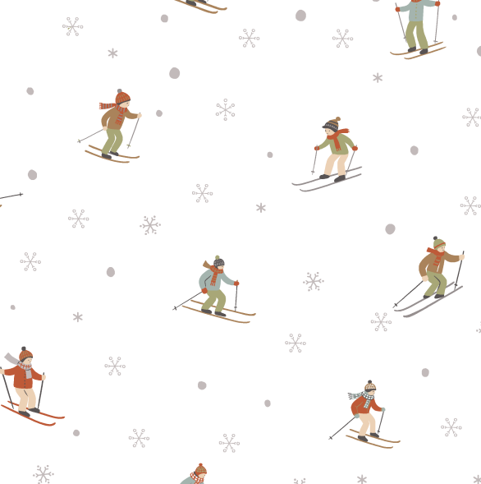
31 |  |  | Comfort Spaces |  | SHEET/SHEET SET | Cotton Flannel 135GSM|Cotton Flannel 135GSM|Cotton Flannel 135GSM | 135gsm 100% Cotton Printed Flannel Sheet Set | Printed Flannel Sheet Set | 135gsm 100% cotton flannel | 100% cotton | Twin: 68x98"/39x75+12"/21 x 30 (1) | Vintage Ski | CS20-2061 |  | Set |  | $6.84 | Normal | 60.0 | 31.5 | 17.0 | 5.00 | 4 | 0.032 | 65.00 | 8092 | 3,500 | $0.43 | 6302.21.9020 | 12.5% | $0.86 | $8.13 | 5.00% | $0.87 | 8.00% | $1.39 | 10.00% | $1.74 | 10.00% | $1.74 | 7.00% | $1.22 | 0.00% | $0.00 | 0.00% | $0.00 | $6.97 | $15.10 | 13.34% | $17.42 | 32.99 | 47.20% |  | $0.00 | $0.00
32 |  |  | Comfort Spaces |  | SHEET/SHEET SET | Cotton Flannel 135GSM|Cotton Flannel 135GSM|Cotton Flannel 135GSM | 135gsm 100% Cotton Printed Flannel Sheet Set | Printed Flannel Sheet Set | 135gsm 100% cotton flannel | 100% cotton | Twin XL: 68x102"/39x80+12"/21x30"(1) | Vintage Ski | CS20-2062 |  | Set |  | $6.99 | Normal | 60.0 | 31.5 | 17.0 | 5.00 | 4 | 0.032 | 65.00 | 8092 | 3,500 | $0.43 | 6302.21.9020 | 12.5% | $0.87 | $8.30 | 5.00% | $1.05 | 8.00% | $1.68 | 10.00% | $2.11 | 10.00% | $2.11 | 7.00% | $1.47 | 0.00% | $0.00 | 0.00% | $0.00 | $8.42 | $16.72 | 20.59% | $21.05 | 32.99 | 36.19% |  | $0.00 | $0.00
33 |  |  | Comfort Spaces |  | SHEET/SHEET SET | Cotton Flannel 135GSM|Cotton Flannel 135GSM|Cotton Flannel 135GSM | 135gsm 100% Cotton Printed Flannel Sheet Set | Printed Flannel Sheet Set | 135gsm 100% cotton flannel | 100% cotton | Full: 80x98"/55x76+12"/21x 30"(2) | Vintage Ski | CS20-2063 |  | Set |  | $8.73 | Normal | 60.0 | 31.5 | 22.0 | 5.00 | 4 | 0.042 | 65.00 | 6253 | 3,500 | $0.56 | 6302.21.9020 | 12.5% | $1.09 | $10.38 | 5.00% | $1.11 | 8.00% | $1.78 | 10.00% | $2.23 | 10.00% | $2.23 | 7.00% | $1.56 | 0.00% | $0.00 | 0.00% | $0.00 | $8.91 | $19.29 | 13.39% | $22.27 | 39.99 | 44.31% |  | $0.00 | $0.00
34 |  |  | Comfort Spaces |  | SHEET/SHEET SET | Cotton Flannel 135GSM|Cotton Flannel 135GSM|Cotton Flannel 135GSM | 135gsm 100% Cotton Printed Flannel Sheet Set | Printed Flannel Sheet Set | 135gsm 100% cotton flannel | 100% cotton | Queen: 90x102"/60x81"+ 14"/21x30" (2) | Vintage Ski | CS20-2064 |  | Set |  | $9.85 | Normal | 60.0 | 31.5 | 25.0 | 5.00 | 4 | 0.047 | 65.00 | 5503 | 3,500 | $0.64 | 6302.21.9020 | 12.5% | $1.23 | $11.72 | 5.00% | $1.25 | 8.00% | $2.00 | 10.00% | $2.51 | 10.00% | $2.51 | 7.00% | $1.75 | 0.00% | $0.00 | 0.00% | $0.00 | $10.02 | $21.74 | 13.24% | $25.06 | 44.99 | 44.30% |  | $0.00 | $0.00
35 |  |  | Comfort Spaces |  | SHEET/SHEET SET | Cotton Flannel 135GSM|Cotton Flannel 135GSM|Cotton Flannel 135GSM | 135gsm 100% Cotton Printed Flannel Sheet Set | Printed Flannel Sheet Set | 135gsm 100% cotton flannel | 100% cotton | King: 108x102"/78x81+14"/21x40"(2) | Vintage Ski | CS20-2065 |  | Set |  | $11.47 | Normal | 60.0 | 31.5 | 30.0 | 5.00 | 4 | 0.057 | 65.00 | 4586 | 3,500 | $0.76 | 6302.21.9020 | 12.5% | $1.43 | $13.67 | 5.00% | $1.39 | 8.00% | $2.23 | 10.00% | $2.78 | 10.00% | $2.78 | 7.00% | $1.95 | 0.00% | $0.00 | 0.00% | $0.00 | $11.14 | $24.80 | 10.91% | $27.84 | 49.99 | 44.31% |  | $0.00 | $0.00
36 |  |  | Comfort Spaces |  | SHEET/SHEET SET | Cotton Flannel 135GSM|Cotton Flannel 135GSM|Cotton Flannel 135GSM | 135gsm 100% Cotton Printed Flannel Sheet Set | Printed Flannel Sheet Set | 135gsm 100% cotton flannel | 100% cotton | Cal-King: 108x102", 72x84+14", 21 x 40"(2) | Vintage Ski | CS20-2066 |  | Set |  | $11.47 | Normal | 60.0 | 31.5 | 30.0 | 5.00 | 4 | 0.057 | 65.00 | 4586 | 3,500 | $0.76 | 6302.21.9020 | 12.5% | $1.43 | $13.67 | 5.00% | $1.53 | 8.00% | $2.45 | 10.00% | $3.06 | 10.00% | $3.06 | 7.00% | $2.14 | 0.00% | $0.00 | 0.00% | $0.00 | $12.25 | $25.92 | 15.38% | $30.63 | 54.99 | 44.30% |  | $0.00 | $0.00

