Item
Line No. | Photo | VIN/Art No. | Brand | Licensor | Product Category | Pattern | Item Description | Description-Short | Fabrication | Material-Short | Size/Spec. | Color | Item No. | UPC | Unit of Measure | China RMB Cost | Exchange Rate | FOB Cost $ (Formula) | FOB Cost $ (Value) | UCCPM Price | Package Type | Carton Size L (cm) | Carton Size W (cm) | Carton Size H (cm) | Carton Gross Weight (kg) | Case Pack | Cubic Meter per Carton | Total Units per 40ft Container | 40ft Container Freight | Ocean Freight per Item $ | HTS Code | Duty Rate | Duty per Item $ | LDP Cost $ | DA % | DA $ | General Load % | General Load $ | Warehouse Charge % | Warehouse Charge $ | Dropship Charge | Load 1 | Load 1 % | Load 1 $ | Total Load $ | LDP Cost with Load $ | JLA LDP MU% | JLA FOB CA/GA Price Quote (Formula) | JLA price with drop ship charges | Suggested Retail Price | Initial Markup | Initial Rollout Forecast
1 | 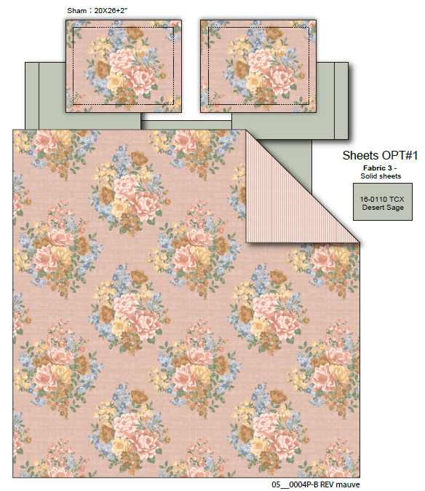 |  | Regency Heights |  | COMFORTER (SET) | Rosemary | 100% Polyester Microfiber printed 6pcs Comforter Set | 6pcs Comforter set | Comforter& Shams: 85gsm printed MF face with 85gsm printed MF reverse, comforter with 3 sides 1/2'' flat flange. 200gm poly fill. Sheet set: 85gsm solid MF. Bonus pillowcases: 85gsm printed MF. | 100% polyester , poly filling | Twin XL: Comforter:66x90" Sham:20x26+2" Flat sheet:66x96" Fitted sheet:39x80+12" Standard Pillowcases:20x30" Standard Pillowcases:20x30" | Blush | RH10-0960 |  | Set | ￥87.52 | 7.70 | $11.37 | $11.37 |  | Compressed/Knocked Down | 42.0 | 32.0 | 45.0 | 11.71 | 3 | 0.060 | 3224 | $4,000.00 | $1.24 | 9404.40.9022 | 22.80% | $2.59 | $15.20 | 0.00% | $0.00 | 0.00% | $0.00 | 0.00% | $0.00 | $0.00 | $0.00 | 0.00% | $0.00 | $0.00 | $15.20 | 0.00% | $15.20 | $27.50 | $54.99 | 50.00% | 63
2 |  |  | Regency Heights |  | COMFORTER (SET) | Rosemary | 100% Polyester Microfiber printed 9pcs Comforter Set | 9pcs Comforter set | Comforter& Shams: 85gsm printed MF face with 85gsm printed MF reverse, comforter with 3 sides 1/2'' flat flange. 200gm poly fill. Sheet set: 85gsm solid MF. Bonus pillowcases: 85gsm printed MF. | 100% polyester , poly filling | Full: Comforter:80x90" Sham:20x26+2"(2) Flat sheet:81x96" Fitted sheet:54x75"+15" Standard Pillowcases:20x30"(2) Standard Pillowcases:20x30"(2) | Blush | RH10-0961 |  | Set | ￥112.03 | 7.70 | $14.55 | $14.55 |  | Compressed/Knocked Down | 42.0 | 32.0 | 51.0 | 12.57 | 3 | 0.069 | 2845 | $4,000.00 | $1.41 | 9404.40.9022 | 22.80% | $3.32 | $19.27 | 0.00% | $0.00 | 0.00% | $0.00 | 0.00% | $0.00 | $0.00 | $0.00 | 0.00% | $0.00 | $0.00 | $19.27 | 0.00% | $19.27 | $32.00 | $63.99 | 50.00% | 90
3 |  |  | Regency Heights |  | COMFORTER (SET) | Rosemary | 100% Polyester Microfiber printed 9pcs Comforter Set | 9pcs Comforter set | Comforter& Shams: 85gsm printed MF face with 85gsm printed MF reverse, comforter with 3 sides 1/2'' flat flange. 200gm poly fill. Sheet set: 85gsm solid MF. Bonus pillowcases: 85gsm printed MF. | 100% polyester , poly filling | Queen: Comforter:90x90" Sham:20x26+2"(2) Flat sheet:90x102" Fitted sheet:60x80"+15" Standard Pillowcases:20x30"(2) Standard Pillowcases:20x30"(2) | Blush | RH10-0962 |  | Set | ￥120.07 | 7.70 | $15.59 | $15.59 |  | Compressed/Knocked Down | 42.0 | 32.0 | 51.0 | 14.61 | 3 | 0.069 | 2845 | $4,000.00 | $1.41 | 9404.40.9022 | 22.80% | $3.56 | $20.55 | 0.00% | $0.00 | 0.00% | $0.00 | 0.00% | $0.00 | $0.00 | $0.00 | 0.00% | $0.00 | $0.00 | $20.55 | 0.00% | $20.55 | $34.00 | $67.99 | 50.00% | 366
 |  |  | Regency Heights |  | COMFORTER (SET) | Rosemary | 100% Polyester Microfiber printed 9pcs Comforter Set | 9pcs Comforter set | Comforter& Shams: 85gsm printed MF face with 85gsm printed MF reverse, comforter with 3 sides 1/2'' flat flange. 200gm poly fill. Sheet set: 85gsm solid MF. Bonus pillowcases: 85gsm printed MF. | 100% polyester , poly filling | King: Comforter:104"Wx90"L Sham:20"Wx36+2"L(2) Flat sheet:108"Wx102"L Fitted sheet:78"Wx80"L+15"D King Pillowcases:20"Wx40"L(2) King Pillowcases:20"Wx40"L(2) | Blush | RH10-0963 |  | Set | ￥140.17 | 7.70 | $18.20 | $18.20 |  | Compressed/Knocked Down | 42.0 | 32.0 | 57.0 | 15.27 | 3 | 0.077 | 2545 | $4,000.00 | $1.57 | 9404.40.9022 | 22.80% | $4.15 | $23.92 | 0.00% | $0.00 | 0.00% | $0.00 | 0.00% | $0.00 | $0.00 | $0.00 | 0.00% | $0.00 | $0.00 | $23.92 | 0.00% | $23.92 | $38.50 | $76.99 | 50.00% | 282
5 | 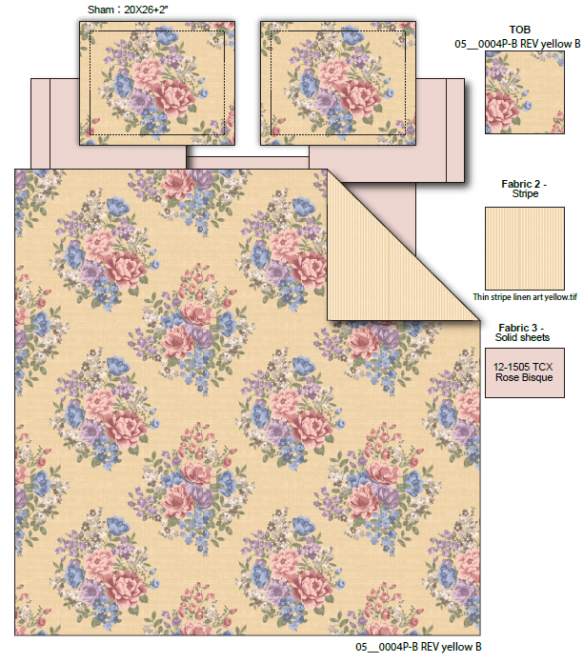 |  | Regency Heights |  | COMFORTER (SET) | Rosemary | 100% Polyester Microfiber printed 6pcs Comforter Set | 6pcs Comforter set | Comforter& Shams: 85gsm printed MF face with 85gsm printed MF reverse, comforter with 3 sides 1/2'' flat flange. 200gm poly fill. Sheet set: 85gsm solid MF. Bonus pillowcases: 85gsm printed MF. | 100% polyester , poly filling | Twin XL: Comforter:66x90" Sham:20x26+2" Flat sheet:66x96" Fitted sheet:39x80+12" Standard Pillowcases:20x30" Standard Pillowcases:20x30" | Yellow | RH10-0964 |  | Set | ￥87.52 | 7.70 | $11.37 | $11.37 |  | Compressed/Knocked Down | 42.0 | 32.0 | 45.0 | 11.71 | 3 | 0.060 | 3224 | $4,000.00 | $1.24 | 9404.40.9022 | 22.80% | $2.59 | $15.20 | 0.00% | $0.00 | 0.00% | $0.00 | 0.00% | $0.00 | $0.00 | $0.00 | 0.00% | $0.00 | $0.00 | $15.20 | 0.00% | $15.20 | $27.50 | $54.99 | 50.00% | 63
6 |  |  | Regency Heights |  | COMFORTER (SET) | Rosemary | 100% Polyester Microfiber printed 9pcs Comforter Set | 9pcs Comforter set | Comforter& Shams: 85gsm printed MF face with 85gsm printed MF reverse, comforter with 3 sides 1/2'' flat flange. 200gm poly fill. Sheet set: 85gsm solid MF. Bonus pillowcases: 85gsm printed MF. | 100% polyester , poly filling | Full: Comforter:80x90" Sham:20x26+2"(2) Flat sheet:81x96" Fitted sheet:54x75"+15" Standard Pillowcases:20x30"(2) Standard Pillowcases:20x30"(2) | Yellow | RH10-0965 |  | Set | ￥112.03 | 7.70 | $14.55 | $14.55 |  | Compressed/Knocked Down | 42.0 | 32.0 | 51.0 | 12.57 | 3 | 0.069 | 2845 | $4,000.00 | $1.41 | 9404.40.9022 | 22.80% | $3.32 | $19.27 | 0.00% | $0.00 | 0.00% | $0.00 | 0.00% | $0.00 | $0.00 | $0.00 | 0.00% | $0.00 | $0.00 | $19.27 | 0.00% | $19.27 | $32.00 | $63.99 | 50.00% | 90
7 |  |  | Regency Heights |  | COMFORTER (SET) | Rosemary | 100% Polyester Microfiber printed 9pcs Comforter Set | 9pcs Comforter set | Comforter& Shams: 85gsm printed MF face with 85gsm printed MF reverse, comforter with 3 sides 1/2'' flat flange. 200gm poly fill. Sheet set: 85gsm solid MF. Bonus pillowcases: 85gsm printed MF. | 100% polyester , poly filling | Queen: Comforter:90x90" Sham:20x26+2"(2) Flat sheet:90x102" Fitted sheet:60x80"+15" Standard Pillowcases:20x30"(2) Standard Pillowcases:20x30"(2) | Yellow | RH10-0966 |  | Set | ￥120.07 | 7.70 | $15.59 | $15.59 |  | Compressed/Knocked Down | 42.0 | 32.0 | 51.0 | 14.61 | 3 | 0.069 | 2845 | $4,000.00 | $1.41 | 9404.40.9022 | 22.80% | $3.56 | $20.55 | 0.00% | $0.00 | 0.00% | $0.00 | 0.00% | $0.00 | $0.00 | $0.00 | 0.00% | $0.00 | $0.00 | $20.55 | 0.00% | $20.55 | $34.00 | $67.99 | 50.00% | 366
8 |  |  | Regency Heights |  | COMFORTER (SET) | Rosemary | 100% Polyester Microfiber printed 9pcs Comforter Set | 9pcs Comforter set | Comforter& Shams: 85gsm printed MF face with 85gsm printed MF reverse, comforter with 3 sides 1/2'' flat flange. 200gm poly fill. Sheet set: 85gsm solid MF. Bonus pillowcases: 85gsm printed MF. | 100% polyester , poly filling | King: Comforter:104"Wx90"L Sham:20"Wx36+2"L(2) Flat sheet:108"Wx102"L Fitted sheet:78"Wx80"L+15"D King Pillowcases:20"Wx40"L(2) King Pillowcases:20"Wx40"L(2) | Yellow | RH10-0967 |  | Set | ￥140.17 | 7.70 | $18.20 | $18.20 |  | Compressed/Knocked Down | 42.0 | 32.0 | 57.0 | 15.27 | 3 | 0.077 | 2545 | $4,000.00 | $1.57 | 9404.40.9022 | 22.80% | $4.15 | $23.92 | 0.00% | $0.00 | 0.00% | $0.00 | 0.00% | $0.00 | $0.00 | $0.00 | 0.00% | $0.00 | $0.00 | $23.92 | 0.00% | $23.92 | $38.50 | $76.99 | 50.00% | 282
29 | 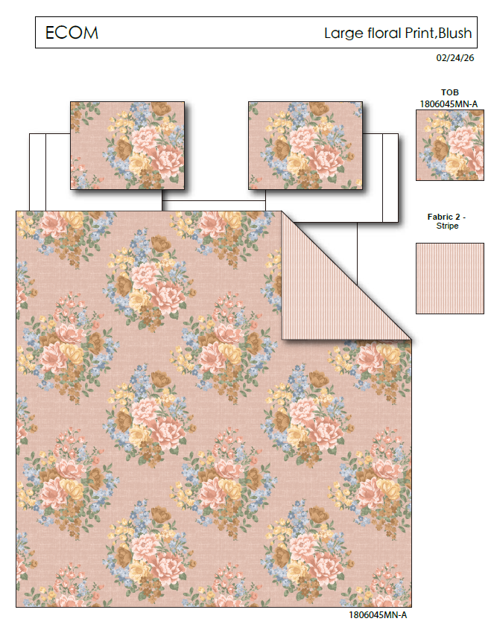 |  | Regency Heights |  | QUILT | Rosemary | 100% Polyester Printed Quilt Mini Set | Quilt Mini Set | Quilt：85gsm printed face, 85gsm Printed reverse, 120gsm poly fill. With Vermicelli Quilting(pending) | 100% Polyester Microfiber, poly fill | Twin: Quilt:66x90" Sham:20x26(1) | Blush | RH10-0968 |  | Set | ￥57.50 | 7.70 | $7.47 | $7.47 |  | Compressed/Knocked Down | 42.0 | 32.0 | 37.0 | 12.57 | 3 | 0.050 | 3921 | $4,000.00 | $1.02 | 9404.40.9022 | 22.80% | $1.70 | $10.19 | 0.00% | $0.00 | 0.00% | $0.00 | 0.00% | $0.00 | $0.00 | $0.00 | 0.00% | $0.00 | $0.00 | $10.19 | 0.00% | $10.19 | $20.00 | $39.99 | 50.00%
30 |  |  | Regency Heights |  | QUILT | Rosemary | 100% Polyester Printed Quilt Mini Set | Quilt Mini Set | Quilt：85gsm printed face, 85gsm Printed reverse, 120gsm poly fill. With Vermicelli Quilting(pending) | 100% Polyester Microfiber, poly fill | Full/Queen: Quilt:90x90" Sham:20x26(2) | Blush | RH10-0969 |  | Set | ￥77.00 | 7.70 | $10.00 | $10.00 |  | Compressed/Knocked Down | 42.0 | 32.0 | 37.0 | 14.61 | 3 | 0.050 | 3921 | $4,000.00 | $1.02 | 9404.40.9022 | 22.80% | $2.28 | $13.30 | 0.00% | $0.00 | 0.00% | $0.00 | 0.00% | $0.00 | $0.00 | $0.00 | 0.00% | $0.00 | $0.00 | $13.30 | 0.00% | $13.30 | $24.00 | $47.99 | 50.00%
31 |  |  | Regency Heights |  | QUILT | Rosemary | 100% Polyester Printed Quilt Mini Set | Quilt Mini Set | Quilt：85gsm printed face, 85gsm Printed reverse, 120gsm poly fill. With Vermicelli Quilting(pending) | 100% Polyester Microfiber, poly fill | King: Quilt:104x90" Sham:20x36(2) | Blush | RH10-0970 |  | Set | ￥88.00 | 7.70 | $11.43 | $11.43 |  | Compressed/Knocked Down | 42.0 | 32.0 | 43.0 | 15.27 | 3 | 0.058 | 3374 | $4,000.00 | $1.19 | 9404.40.9022 | 22.80% | $2.61 | $15.22 | 0.00% | $0.00 | 0.00% | $0.00 | 0.00% | $0.00 | $0.00 | $0.00 | 0.00% | $0.00 | $0.00 | $15.22 | 0.00% | $15.22 | $27.00 | $53.99 | 50.00%
29 | 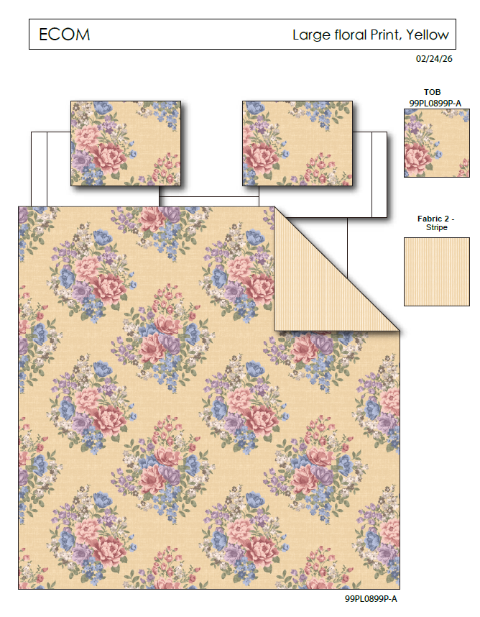 |  | Regency Heights |  | QUILT | Rosemary | 100% Polyester Printed Quilt Mini Set | Quilt Mini Set | Quilt：85gsm printed face, 85gsm Printed reverse, 120gsm poly fill. With Vermicelli Quilting(pending) | 100% Polyester Microfiber, poly fill | Twin: Quilt:66x90" Sham:20x26(1) | Yellow | RH10-0971 |  | Set | ￥57.50 | 7.70 | $7.47 | $7.47 |  | Compressed/Knocked Down | 42.0 | 32.0 | 37.0 | 12.57 | 3 | 0.050 | 3921 | $4,000.00 | $1.02 | 9404.40.9022 | 22.80% | $1.70 | $10.19 | 0.00% | $0.00 | 0.00% | $0.00 | 0.00% | $0.00 | $0.00 | $0.00 | 0.00% | $0.00 | $0.00 | $10.19 | 0.00% | $10.19 | $20.00 | $39.99 | 50.00%
30 |  |  | Regency Heights |  | QUILT | Rosemary | 100% Polyester Printed Quilt Mini Set | Quilt Mini Set | Quilt：85gsm printed face, 85gsm Printed reverse, 120gsm poly fill. With Vermicelli Quilting(pending) | 100% Polyester Microfiber, poly fill | Full/Queen: Quilt:90x90" Sham:20x26(2) | Yellow | RH10-0972 |  | Set | ￥77.00 | 7.70 | $10.00 | $10.00 |  | Compressed/Knocked Down | 42.0 | 32.0 | 37.0 | 14.61 | 3 | 0.050 | 3921 | $4,000.00 | $1.02 | 9404.40.9022 | 22.80% | $2.28 | $13.30 | 0.00% | $0.00 | 0.00% | $0.00 | 0.00% | $0.00 | $0.00 | $0.00 | 0.00% | $0.00 | $0.00 | $13.30 | 0.00% | $13.30 | $24.00 | $47.99 | 50.00%
31 |  |  | Regency Heights |  | QUILT | Rosemary | 100% Polyester Printed Quilt Mini Set | Quilt Mini Set | Quilt：85gsm printed face, 85gsm Printed reverse, 120gsm poly fill. With Vermicelli Quilting(pending) | 100% Polyester Microfiber, poly fill | King: Quilt:104x90" Sham:20x36(2) | Yellow | RH10-0973 |  | Set | ￥88.00 | 7.70 | $11.43 | $11.43 |  | Compressed/Knocked Down | 42.0 | 32.0 | 43.0 | 15.27 | 3 | 0.058 | 3374 | $4,000.00 | $1.19 | 9404.40.9022 | 22.80% | $2.61 | $15.22 | 0.00% | $0.00 | 0.00% | $0.00 | 0.00% | $0.00 | $0.00 | $0.00 | 0.00% | $0.00 | $0.00 | $15.22 | 0.00% | $15.22 | $27.00 | $53.99 | 50.00%

