Item Master
Vendor | Line No. | Photo | VIN/Art No. | Brand | Licensor | Product Category | Pattern | Item Description | Description-Short | Fabrication | Material-Short | Size/Spec. | Color | Customer Item# | Item No. | UPC | Unit of Measure | China RMB Cost | Exchange Rate | FOB Cost $ (Formula) | FOB Cost $ (Value) | UCCPM Price | Package Type | Carton Size L (cm) | Carton Size W (cm) | Carton Size H (cm) | Carton Gross Weight (kg) | Case Pack | Cubic Meter per Carton | Total Units per 40ft Container | 40ft Container Freight | Ocean Freight per Item $ | HTS Code | Duty Rate | Duty per Item $ | LDP Cost $ | DA % | DA $ | General Load % | General Load $ | Warehouse Charge % | Warehouse Charge $ | Load 1 | Load 1 % | Load 1 $ | Total Load $ | LDP Cost with Load $ | JLA LDP MU% | JLA POE Price Quote (Formula) | JLA POE Price Quote (Value) | Suggested Retail Price | Retailer Markup (Value) | Retailer Markup (Formula) | Total Quantity | Total Cost | Total Sales | ship date | Notes | EEC PO | S/W
东台雅士缘纺织有限公司 | 1 |  |  | Woolrich | Woolrich 5% | QUILT | SOLID CORDUROY | 100% polyester Hanging 3pc Quilt Set | Hanging 3pc Quilt Set | Front: Poly corduroy velvet. Stitch quilted Back: 85gsm microfiber solid. 150gsm poly fill | 100% polyester | Queen: Quilt:90x90" Sham:20x26x1/2"#2 | TAN |  | WR14-4190 |  | Set | ¥94.19 | 7.80 | $12.08 | $11.74 |  | Normal | 44.0 | 41.0 | 26.0 | 5.00 | 2 | 0.047 | 2772 | 3300 | $1.19 | 9404.40.9022 | 27.80% | $3.26 | $16.19 |  | $0.00 |  | $0.00 |  | $0.00 | Woolrich | 7.00% | $1.54 | $1.54 | $17.73 | 19.19% | $21.94 | $21.94 | $39.99 | 45.14% | 45.14% | 800 | $14,184.13 | $17,552.00 | 2026-06-24 | AS IS CASEPACK OF 2 | BCF-260469 | 7/29-8/4/2026
东台雅士缘纺织有限公司 | 2 |  |  | Woolrich | Woolrich 5% | QUILT | SOLID CORDUROY | 100% polyester Hanging 3pc Quilt Set | Hanging 3pc Quilt Set | Front: Poly corduroy velvet. Stitch quilted Back: 85gsm microfiber solid. 150gsm poly fill | 100% polyester | King: Quilt:104x90" Sham:20x36x1/2"#2 | TAN |  | WR14-4191 |  | Set | ¥108.68 | 7.80 | $13.93 | $13.53 |  | Normal | 44.0 | 41.0 | 28.0 | 5.00 | 2 | 0.051 | 2574 | 3300 | $1.28 | 9404.40.9022 | 27.80% | $3.76 | $18.57 |  | $0.00 |  | $0.00 |  | $0.00 | Woolrich | 7.00% | $1.75 | $1.75 | $20.32 | 18.71% | $25.00 | $25.00 | $44.99 | 44.43% | 44.43% | 700 | $14,226.50 | $17,500.00 | 2026-06-24 | AS IS CASEPACK OF 2 | BCF-260470 | 7/29-8/4/2026
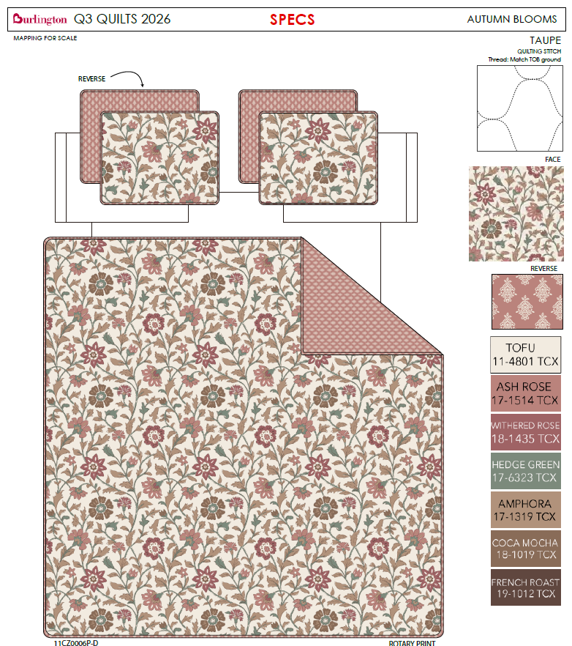
瞿氏家纺南通有限公司 | 3 |  | 11CZ0006P-D | Nanette Lepore |  | QUILT | AUTUMN BLOOMS | 100% polyester Hanging 3pc Quilt Set | Hanging 3pc Quilt Set | Quilt/Shams: 85gsm prewashed microfiber rotary print on front and print reverse. 180gsm polyester fill. Stitch quilted. Hanger packaging. | 100% polyester | Queen: Quilt:90x90" Sham:20x26x1/2"#2 | PINK |  | BCF14-4173 |  | Set | ¥0.00 | 7.80 | $0.00 | $8.73 |  | Normal | 44.0 | 41.0 | 26.0 | 5.00 | 2 | 0.047 | 2772 | 3300 | $1.19 | 9404.40.9022 | 27.80% | $2.43 | $12.35 |  | $0.00 |  | $0.00 |  | $0.00 |  |  | $0.00 | $0.00 | $12.35 | 16.85% | $14.85 | $14.85 | $29.99 | 50.48% | 50.48% | 1000 | $12,347.58 | $14,850.00 | 2026-06-24 | AS IS CASEPACK OF 2 | BCF-260471 | 7/29-8/4/2026
瞿氏家纺南通有限公司 | 4 |  | 11CZ0006P-D | Nanette Lepore |  | QUILT | AUTUMN BLOOMS | 100% polyester Hanging 3pc Quilt Set | Hanging 3pc Quilt Set | Quilt/Shams: 85gsm prewashed microfiber rotary print on front and print reverse. 180gsm polyester fill. Stitch quilted. Hanger packaging. | 100% polyester | King: Quilt:104x90" Sham:20x36x1/2"#2 | PINK |  | BCF14-4174 |  | Set | ¥0.00 | 7.80 | $0.00 | $9.83 |  | Normal | 44.0 | 41.0 | 28.0 | 5.00 | 2 | 0.051 | 2574 | 3300 | $1.28 | 9404.40.9022 | 27.80% | $2.73 | $13.84 |  | $0.00 |  | $0.00 |  | $0.00 |  |  | $0.00 | $0.00 | $13.84 | 15.94% | $16.47 | $16.47 | $34.99 | 52.93% | 52.93% | 500 | $6,922.48 | $8,235.00 | 2026-06-24 | AS IS CASEPACK OF 2 | BCF-260472 | 7/29-8/4/2026
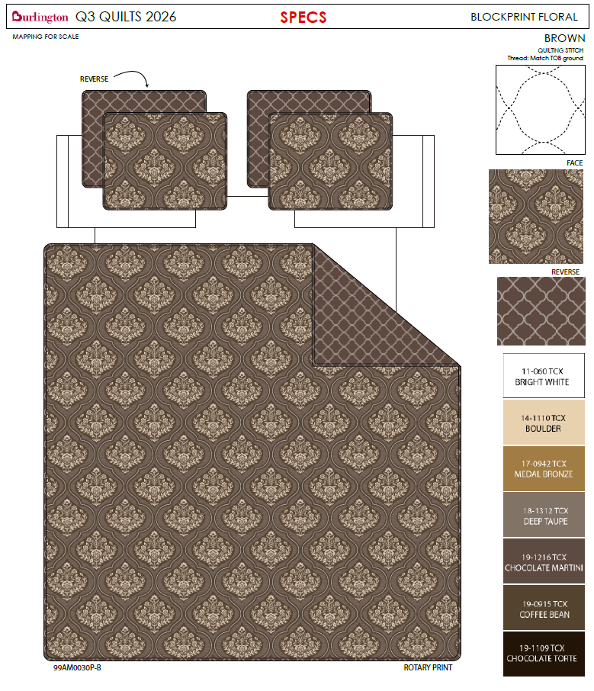
东台雅士缘纺织有限公司 | 5 |  | 99AM0030P-B | Nanette Lepore |  | QUILT | BLOCK PRINT FLOWER | 100% polyester Hanging 3pc Quilt Set | Hanging 3pc Quilt Set | Quilt/Shams: 85gsm prewashed microfiber rotary print on front and print reverse. 180gsm polyester fill. Stitch quilted. Hanger packaging. | 100% polyester | Queen: Quilt:90x90" Sham:20x26x1/2"#2 | BROWN |  | BCF14-4175 |  | Set | ¥0.00 | 7.80 | $0.00 | $8.73 |  | Normal | 44.0 | 41.0 | 26.0 | 5.00 | 2 | 0.047 | 2772 | 3300 | $1.19 | 9404.40.9022 | 27.80% | $2.43 | $12.35 |  | $0.00 |  | $0.00 |  | $0.00 |  |  | $0.00 | $0.00 | $12.35 | 16.85% | $14.85 | $14.85 | $29.99 | 50.48% | 50.48% | 1300 | $16,051.85 | $19,305.00 | 2026-07-08 | COMPLEX PACK A | BCF-260473 | 8/12-8/18/2026
东台雅士缘纺织有限公司 | 6 |  | 99AM0030P-B | Nanette Lepore |  | QUILT | BLOCK PRINT FLOWER | 100% polyester Hanging 3pc Quilt Set | Hanging 3pc Quilt Set | Quilt/Shams: 85gsm prewashed microfiber rotary print on front and print reverse. 180gsm polyester fill. Stitch quilted. Hanger packaging. | 100% polyester | King: Quilt:104x90" Sham:20x36x1/2"#2 | BROWN |  | BCF14-4176 |  | Set | ¥0.00 | 7.80 | $0.00 | $9.83 |  | Normal | 44.0 | 41.0 | 28.0 | 5.00 | 2 | 0.051 | 2574 | 3300 | $1.28 | 9404.40.9022 | 27.80% | $2.73 | $13.84 |  | $0.00 |  | $0.00 |  | $0.00 |  |  | $0.00 | $0.00 | $13.84 | 15.94% | $16.47 | $16.47 | $34.99 | 52.93% | 52.93% | 700 | $9,691.48 | $11,529.00 | 2026-07-08 | COMPLEX PACK B | BCF-260474 | 8/12-8/18/2026
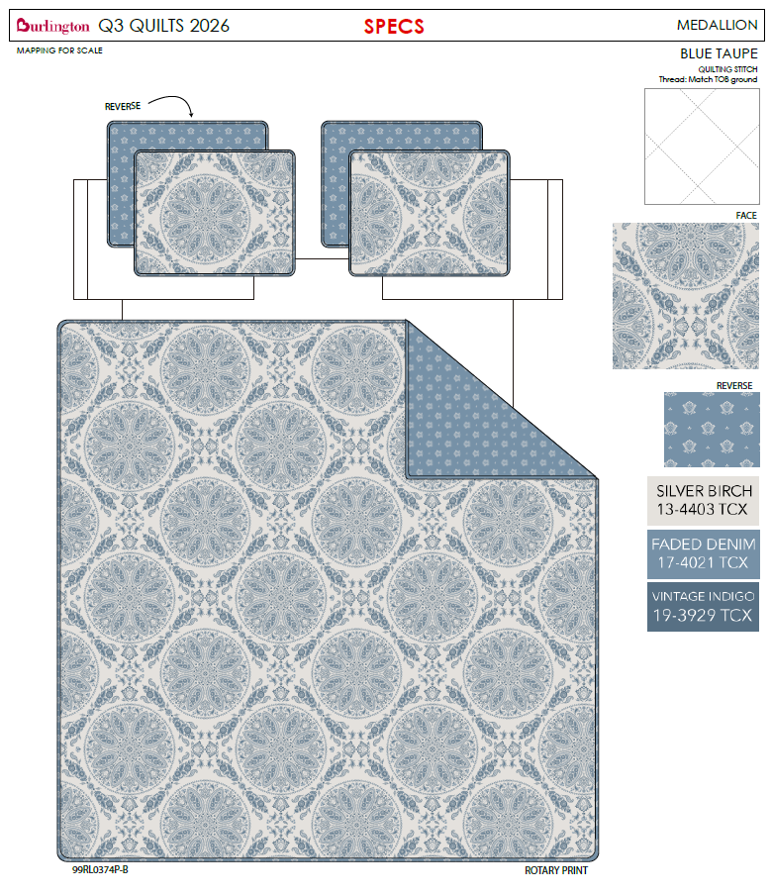
东台雅士缘纺织有限公司 | 7 |  | 99RL0374P-B | Wendy Bellissimo Home |  | QUILT | MEDALLION | 100% polyester Hanging 3pc Quilt Set | Hanging 3pc Quilt Set | Quilt/Shams: 85gsm prewashed microfiber rotary print on front and print reverse. 180gsm polyester fill. Stitch quilted. Hanger packaging. | 100% polyester | Queen: Quilt:90x90" Sham:20x26x1/2"#2 | BLUE |  | BCF14-4177 |  | Set | ¥0.00 | 7.80 | $0.00 | $8.73 |  | Normal | 44.0 | 41.0 | 26.0 | 5.00 | 2 | 0.047 | 2772 | 3300 | $1.19 | 9404.40.9022 | 27.80% | $2.43 | $12.35 |  | $0.00 |  | $0.00 |  | $0.00 |  |  | $0.00 | $0.00 | $12.35 | 16.85% | $14.85 | $14.85 | $29.99 | 50.48% | 50.48% | 1300 | $16,051.85 | $19,305.00 | 2026-07-08 | COMPLEX PACK A | BCF-260473 | 8/12-8/18/2026
东台雅士缘纺织有限公司 | 8 |  | 99RL0374P-B | Wendy Bellissimo Home |  | QUILT | MEDALLION | 100% polyester Hanging 3pc Quilt Set | Hanging 3pc Quilt Set | Quilt/Shams: 85gsm prewashed microfiber rotary print on front and print reverse. 180gsm polyester fill. Stitch quilted. Hanger packaging. | 100% polyester | King: Quilt:104x90" Sham:20x36x1/2"#2 | BLUE |  | BCF14-4178 |  | Set | ¥0.00 | 7.80 | $0.00 | $9.83 |  | Normal | 44.0 | 41.0 | 28.0 | 5.00 | 2 | 0.051 | 2574 | 3300 | $1.28 | 9404.40.9022 | 27.80% | $2.73 | $13.84 |  | $0.00 |  | $0.00 |  | $0.00 |  |  | $0.00 | $0.00 | $13.84 | 15.94% | $16.47 | $16.47 | $34.99 | 52.93% | 52.93% | 700 | $9,691.48 | $11,529.00 | 2026-07-08 | COMPLEX PACK B | BCF-260474 | 8/12-8/18/2026
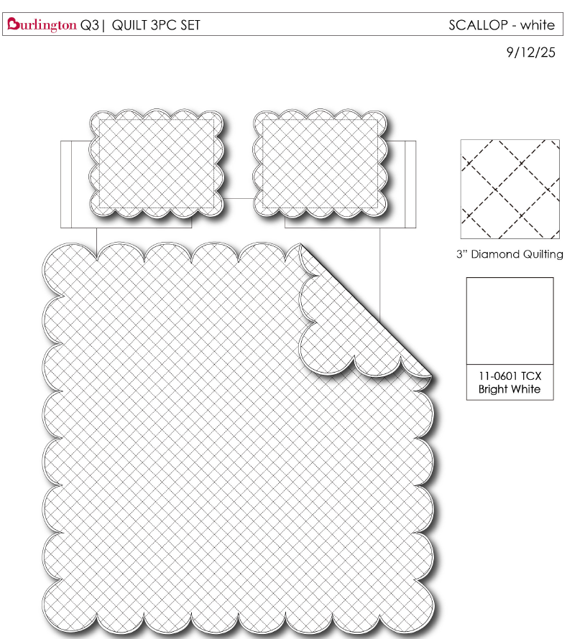
东台雅士缘纺织有限公司 | 9 |  |  | Nanette Lepore |  | QUILT | SCALLOP EDGE | 100% polyester Hanging 3pc Quilt Set | Hanging 3pc Quilt Set | 85gsm microfiber brushed fabric in solid front and reverse. Prewashed finish. 180gsm poly fill. Stitch quilting. Hanger packaging. | 100% polyester | Queen: Quilt:90x90" Sham:20x26x1/2"#2 | WHITE |  | BCF14-4179 |  | Set | ¥71.00 | 7.80 | $9.10 | $8.68 |  | Normal | 44.0 | 41.0 | 26.0 | 5.00 | 2 | 0.047 | 2772 | 3300 | $1.19 | 9404.40.9022 | 27.80% | $2.41 | $12.28 |  | $0.00 |  | $0.00 |  | $0.00 |  |  | $0.00 | $0.00 | $12.28 | 17.83% | $14.95 | $14.95 | $29.99 | 50.15% | 50.15% | 1000 | $12,283.68 | $14,950.00 | 2026-06-24 | CASEPACK OF 2 AS IS | BCF-260475 | 7/29-8/4/2026
东台雅士缘纺织有限公司 | 10 |  |  | Nanette Lepore |  | QUILT | SCALLOP EDGE | 100% polyester Hanging 3pc Quilt Set | Hanging 3pc Quilt Set | 85gsm microfiber brushed fabric in solid front and reverse. Prewashed finish. 180gsm poly fill. Stitch quilting. Hanger packaging. | 100% polyester | King: Quilt:104x90" Sham:20x36x1/2"#2 | WHITE |  | BCF14-4180 |  | Set | ¥80.90 | 7.80 | $10.37 | $9.90 |  | Normal | 44.0 | 41.0 | 28.0 | 5.00 | 2 | 0.051 | 2574 | 3300 | $1.28 | 9404.40.9022 | 27.80% | $2.75 | $13.93 |  | $0.00 |  | $0.00 |  | $0.00 |  |  | $0.00 | $0.00 | $13.93 | 19.27% | $17.26 | $17.26 | $34.99 | 50.67% | 50.67% | 1000 | $13,934.43 | $17,260.00 | 2026-06-24 | CASEPACK OF 2 AS IS | BCF-260476 | 7/29-8/4/2026
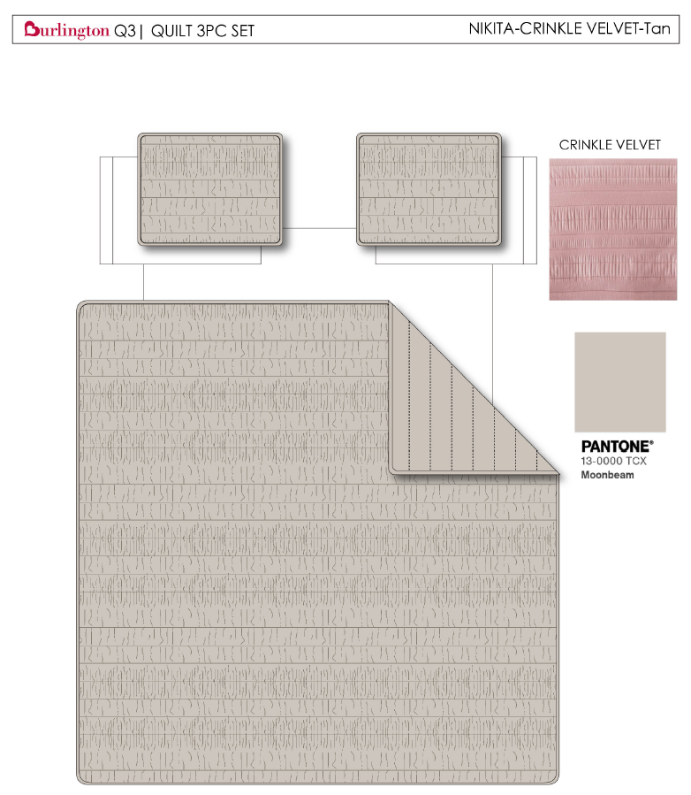
瞿氏家纺南通有限公司 | 11 |  |  | BEBE |  | QUILT | CRINKLE VELVET | 100% polyester Hanging 3pc Quilt Set | Hanging 3pc Quilt Set | FRONT 220gsm Crinkled Velvet. BACK 85gsm microfiber solid. 120gsm poly fill. Stitch quilting. Hanging packaging. | 100% polyester | Queen: Quilt:90x90" Sham:20x26x1/2"#2 | TAN |  | BCF14-4181 |  | Set | upcharge-3.5% | 7.80 |  | $12.74 |  | Normal | 44.0 | 41.0 | 26.0 | 5.00 | 2 | 0.047 | 2772 | 3300 | $1.19 | 9404.40.9022 | 27.80% | $3.54 | $17.47 |  | $0.00 |  | $0.00 |  | $0.00 |  |  | $0.00 | $0.00 | $17.47 | 14.06% | $20.33 | $20.33 | $39.99 | 49.16% | 49.16% | 1000 | $17,472.36 | $20,330.00 | 2026-06-24 | CASEPACK OF 2 AS IS | BCF-260477 | 7/29-8/4/2026
瞿氏家纺南通有限公司 | 12 |  |  | BEBE |  | QUILT | CRINKLE VELVET | 100% polyester Hanging 3pc Quilt Set | Hanging 3pc Quilt Set | FRONT 220gsm Crinkled Velvet. BACK 85gsm microfiber solid. 120gsm poly fill. Stitch quilting. Hanging packaging. | 100% polyester | King: Quilt:104x90" Sham:20x36x1/2"#2 | TAN |  | BCF14-4182 |  | Set | ¥0.00 | 7.80 | $0.00 | $14.76 |  | Normal | 44.0 | 41.0 | 28.0 | 5.00 | 2 | 0.051 | 2574 | 3300 | $1.28 | 9404.40.9022 | 27.80% | $4.10 | $20.15 |  | $0.00 |  | $0.00 |  | $0.00 |  |  | $0.00 | $0.00 | $20.15 | 13.54% | $23.30 | $23.30 | $44.99 | 48.21% | 48.21% | 1000 | $20,145.51 | $23,300.00 | 2026-06-24 | CASEPACK OF 2 AS IS | BCF-260478 | 7/29-8/4/2026
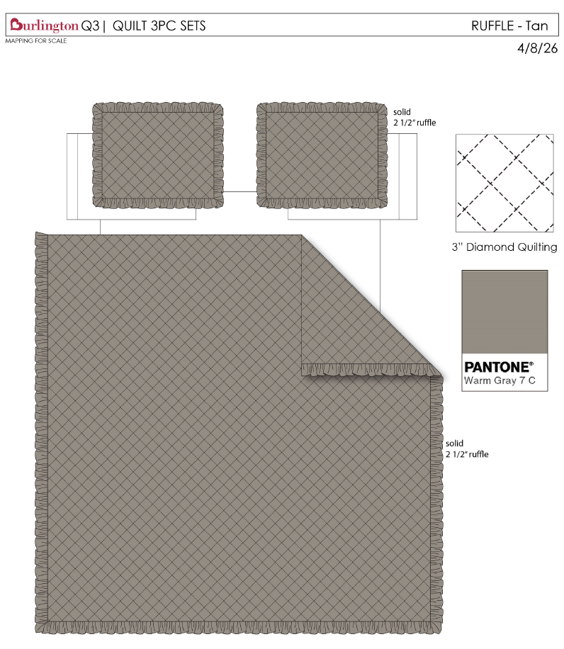
瞿氏家纺南通有限公司 | 13 |  |  | Arabella & Lily |  | QUILT | SOLID WASHED RUFFLE | 100% polyester Hanging 3pc Quilt Set | Hanging 3pc Quilt Set | FRONT 85gsm microfiber solid, Ultra soft Prewash Diamond Quilted Ruffle Edge. 180gsm poly fill. Hanging packaging. | 100% polyester | Queen: Quilt:90x90" Sham:20x26x1/2"#2 | TAN |  | BCF14-4183 |  | Set | ¥0.00 | 7.80 | $0.00 | $9.10 |  | Normal | 44.0 | 41.0 | 26.0 | 5.00 | 2 | 0.047 | 2772 | 3300 | $1.19 | 9404.40.9022 | 27.80% | $2.53 | $12.82 |  | $0.00 |  | $0.00 |  | $0.00 |  |  | $0.00 | $0.00 | $12.82 | 15.99% | $15.26 | $15.26 | $29.99 | 49.12% | 49.12% | 1000 | $12,820.44 | $15,260.00 | 2026-06-24 | CASEPACK OF 2 AS IS | BCF-260479 | 7/29-8/4/2026
瞿氏家纺南通有限公司 | 14 |  |  | Arabella & Lily |  | QUILT | SOLID WASHED RUFFLE | 100% polyester Hanging 3pc Quilt Set | Hanging 3pc Quilt Set | FRONT 85gsm microfiber solid, Ultra soft Prewash Diamond Quilted Ruffle Edge. 180gsm poly fill. Hanging packaging. | 100% polyester | King: Quilt:104x90" Sham:20x36x1/2"#2 | TAN |  | BCF14-4184 |  | Set | upcharge-2.5% | 7.80 |  | $10.37 |  | Normal | 44.0 | 41.0 | 28.0 | 5.00 | 2 | 0.051 | 2574 | 3300 | $1.28 | 9404.40.9022 | 27.80% | $2.88 | $14.54 |  | $0.00 |  | $0.00 |  | $0.00 |  |  | $0.00 | $0.00 | $14.54 | 16.37% | $17.38 | $17.38 | $34.99 | 50.33% | 50.33% | 500 | $7,267.54 | $8,690.00 | 2026-06-24 | CASEPACK OF 2 AS IS | BCF-260480 | 7/29-8/4/2026
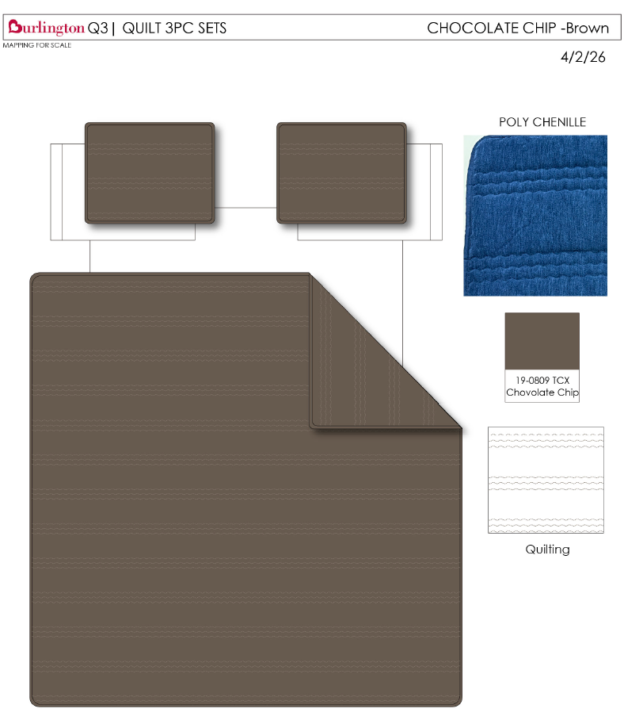
东台雅士缘纺织有限公司 | 15 |  |  | Woolrich | Woolrich 5% | QUILT | CHOCOLATE CHIP | 100% polyester Hanging 3pc Quilt Set | Hanging 3pc Quilt Set | Front: 170 gsm Poly velvet, embroidery. Back: 85gsm microfiber solid. 150gsm poly fill. | 100% polyester | Queen: Quilt:90x90" Sham:20x26x1/2"#2 | BROWN |  | WR14-4192 |  | Set | ¥0.00 | 7.80 | $0.00 | $12.74 |  | Normal | 44.0 | 41.0 | 26.0 | 5.00 | 2 | 0.047 | 2772 | 3300 | $1.19 | 9404.40.9022 | 27.80% | $3.54 | $17.47 |  | $0.00 |  | $0.00 |  | $0.00 | Woolrich | 7.00% | $1.58 | $1.58 | $19.05 | 15.35% | $22.50 | $22.50 | $39.99 | 43.74% | 43.74% | 1000 | $19,047.36 | $22,500.00 | 2026-07-29 | CASEPACK OF 2 AS IS | BCF-260481 | 9/2-9/8/2026
东台雅士缘纺织有限公司 | 16 |  |  | Woolrich | Woolrich 5% | QUILT | CHOCOLATE CHIP | 100% polyester Hanging 3pc Quilt Set | Hanging 3pc Quilt Set | Front: 170 gsm Poly velvet, embroidery. Back: 85gsm microfiber solid. 150gsm poly fill. | 100% polyester | King: Quilt:104x90" Sham:20x36x1/2"#2 | BROWN |  | WR14-4193 |  | Set | ¥0.00 | 7.80 | $0.00 | $14.66 |  | Normal | 44.0 | 41.0 | 28.0 | 5.00 | 2 | 0.051 | 2574 | 3300 | $1.28 | 9404.40.9022 | 27.80% | $4.08 | $20.02 |  | $0.00 |  | $0.00 |  | $0.00 | Woolrich | 7.00% | $1.82 | $1.82 | $21.84 | 16.01% | $26.00 | $26.00 | $44.99 | 42.21% | 42.21% | 500 | $10,918.85 | $13,000.00 | 2026-07-29 | CASEPACK OF 2 AS IS | BCF-260482 | 9/2-9/8/2026
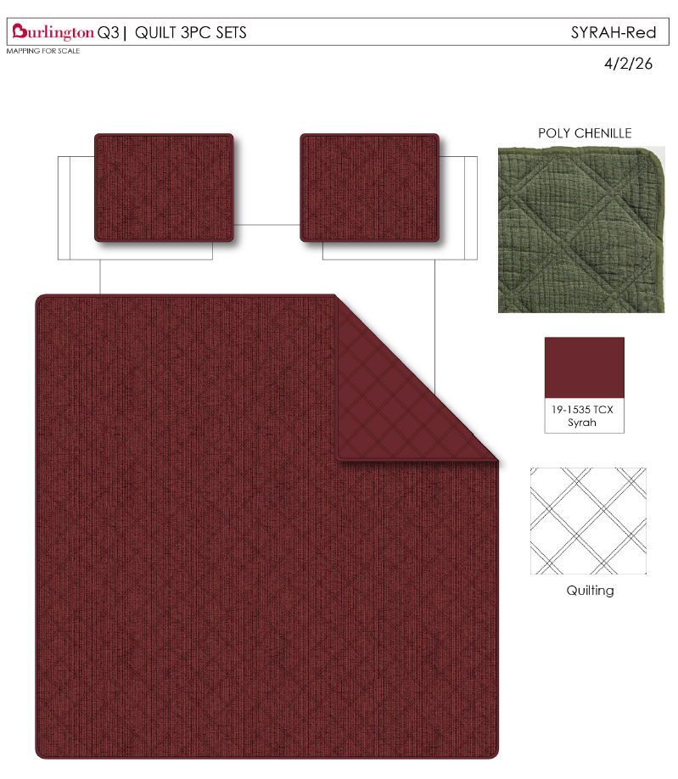
东台雅士缘纺织有限公司 | 17 |  |  | Woolrich | Woolrich 5% | QUILT | SYRAH | 100% polyester Hanging 3pc Quilt Set | Hanging 3pc Quilt Set | Front: Poly Chenille. Stitch quilted Back: 85gsm microfiber solid. 150gsm poly fill. | 100% polyester | Queen: Quilt:90x90" Sham:20x26x1/2"#2 | RED |  | WR14-4194 |  | Set | ¥99.36 | 7.80 | $12.74 | $12.08 |  | Normal | 44.0 | 41.0 | 26.0 | 5.00 | 2 | 0.047 | 2772 | 3300 | $1.19 | 9404.40.9022 | 27.80% | $3.36 | $16.63 |  | $0.00 |  | $0.00 |  | $0.00 | Woolrich | 7.00% | $1.57 | $1.57 | $18.20 | 19.00% | $22.47 | $22.47 | $39.99 | 43.81% | 43.81% | 1000 | $18,201.78 | $22,470.00 | 2026-08-05 | COMPLEX PACK C | BCF-260483 | 9/9-9/15/2026
东台雅士缘纺织有限公司 | 18 |  |  | Woolrich | Woolrich 5% | QUILT | SYRAH | 100% polyester Hanging 3pc Quilt Set | Hanging 3pc Quilt Set | Front: Poly Chenille. Stitch quilted Back: 85gsm microfiber solid. 150gsm poly fill. | 100% polyester | King: Quilt:104x90" Sham:20x36x1/2"#2 | RED |  | WR14-4195 |  | Set | ¥114.37 | 7.80 | $14.66 | $13.93 |  | Normal | 44.0 | 41.0 | 28.0 | 5.00 | 2 | 0.051 | 2574 | 3300 | $1.28 | 9404.40.9022 | 27.80% | $3.87 | $19.08 |  | $0.00 |  | $0.00 |  | $0.00 | Woolrich | 7.00% | $1.77 | $1.77 | $20.85 | 17.42% | $25.25 | $25.25 | $44.99 | 43.88% | 43.88% | 500 | $10,426.13 | $12,625.00 | 2026-08-05 | COMPLEX PACK D | BCF-260484 | 9/9-9/15/2026
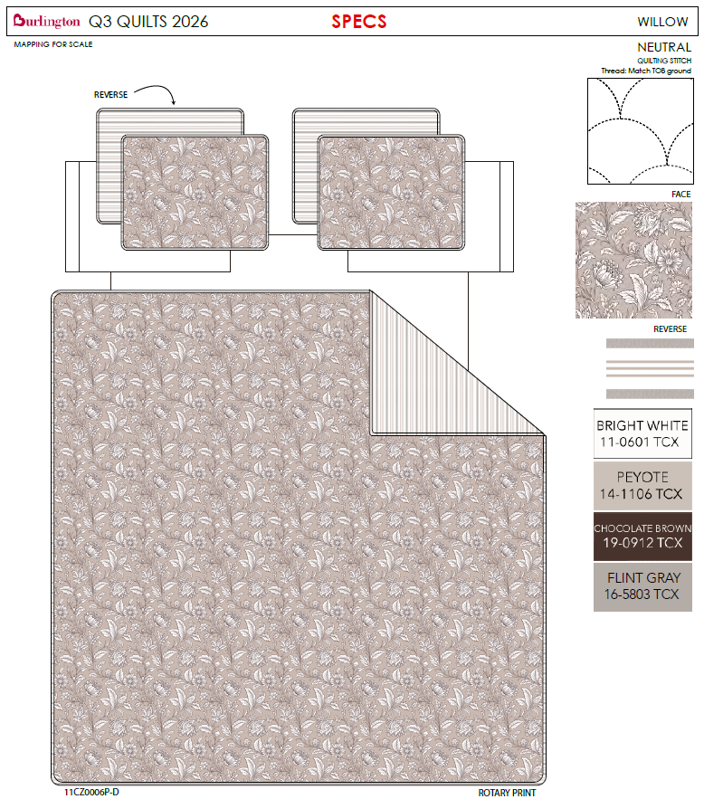
东台雅士缘纺织有限公司 | 19 |  | 11CZ0006P-D | Nanette Lepore |  | QUILT | OMBRE FLORAL | 100% polyester Hanging 3pc Quilt Set | Hanging 3pc Quilt Set | Quilt/Shams: 85gsm prewashed microfiber rotary print on front and print reverse. 180gsm polyester fill. Stitch quilted. Hanger packaging. | 100% polyester | Queen: Quilt:90x90" Sham:20x26x1/2"#2 | BROWN |  | BCF14-4185 |  | Set | ¥0.00 | 7.80 | $0.00 | $8.73 |  | Normal | 44.0 | 41.0 | 26.0 | 5.00 | 2 | 0.047 | 2772 | 3300 | $1.19 | 9404.40.9022 | 27.80% | $2.43 | $12.35 |  | $0.00 |  | $0.00 |  | $0.00 |  |  | $0.00 | $0.00 | $12.35 | 16.85% | $14.85 | $14.85 | $29.99 | 50.48% | 50.48% | 1000 | $12,347.58 | $14,850.00 | 2026-08-05 | COMPLEX PACK C | BCF-260485 | 9/9-9/15/2026
东台雅士缘纺织有限公司 | 20 |  |  | Nanette Lepore |  | QUILT | OMBRE FLORAL | 100% polyester Hanging 3pc Quilt Set | Hanging 3pc Quilt Set | Quilt/Shams: 85gsm prewashed microfiber rotary print on front and print reverse. 180gsm polyester fill. Stitch quilted. Hanger packaging. | 100% polyester | King: Quilt:104x90" Sham:20x36x1/2"#2 | BROWN |  | BCF14-4186 |  | Set | ¥0.00 | 7.80 | $0.00 | $9.83 |  | Normal | 44.0 | 41.0 | 28.0 | 5.00 | 2 | 0.051 | 2574 | 3300 | $1.28 | 9404.40.9022 | 27.80% | $2.73 | $13.84 |  | $0.00 |  | $0.00 |  | $0.00 |  |  | $0.00 | $0.00 | $13.84 | 15.94% | $16.47 | $16.47 | $34.99 | 52.93% | 52.93% | 500 | $6,922.48 | $8,235.00 | 2026-08-05 | COMPLEX PACK D | BCF-260486 | 9/9-9/15/2026
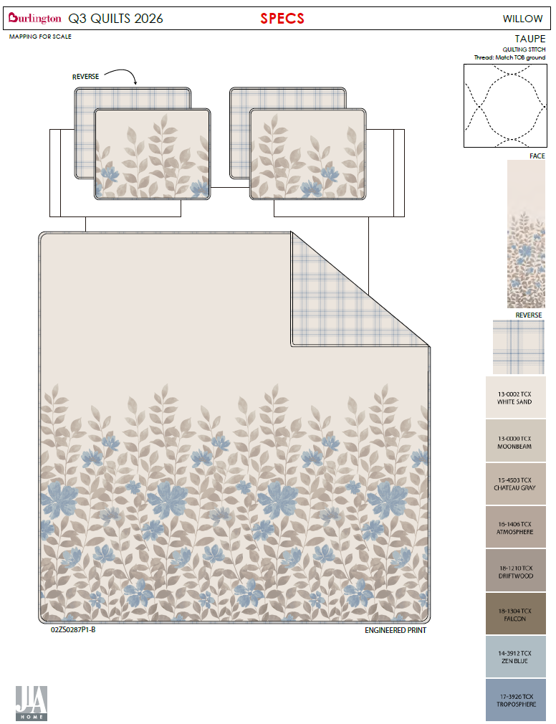
东台雅士缘纺织有限公司 | 21 |  | 02ZS0287P1-B | Nanette Lepore |  | QUILT | WILLOW NEUTRAL | 100% polyester Hanging 3pc Quilt Set | Hanging 3pc Quilt Set | Quilt/Shams: 85gsm prewashed microfiber rotary print on front and print reverse. 180gsm polyester fill. Stitch quilted. Hanger packaging. | 100% polyester | Queen: Quilt:90x90" Sham:20x26x1/2"#2 | BROWN |  | BCF14-4187 |  | Set | ¥0.00 | 7.80 | $0.00 | $8.73 |  | Normal | 44.0 | 41.0 | 26.0 | 5.00 | 2 | 0.047 | 2772 | 3300 | $1.19 | 9404.40.9022 | 27.80% | $2.43 | $12.35 |  | $0.00 |  | $0.00 |  | $0.00 |  |  | $0.00 | $0.00 | $12.35 | 16.85% | $14.85 | $14.85 | $29.99 | 50.48% | 50.48% | 1000 | $12,347.58 | $14,850.00 | 2026-07-29 | COMPLEX PACK E | BCF-260487 | 9/2-9/8/2026
东台雅士缘纺织有限公司 | 22 |  | 02ZS0287P1-B | Nanette Lepore |  | QUILT | WILLOW NEUTRAL | 100% polyester Hanging 3pc Quilt Set | Hanging 3pc Quilt Set | Quilt/Shams: 85gsm prewashed microfiber rotary print on front and print reverse. 180gsm polyester fill. Stitch quilted. Hanger packaging. | 100% polyester | King: Quilt:104x90" Sham:20x36x1/2"#2 | BROWN |  | BCF14-4188 |  | Set | ¥0.00 | 7.80 | $0.00 | $9.83 |  | Normal | 44.0 | 41.0 | 28.0 | 5.00 | 2 | 0.051 | 2574 | 3300 | $1.28 | 9404.40.9022 | 27.80% | $2.73 | $13.84 |  | $0.00 |  | $0.00 |  | $0.00 |  |  | $0.00 | $0.00 | $13.84 | 15.94% | $16.47 | $16.47 | $34.99 | 52.93% | 52.93% | 600 | $8,306.98 | $9,882.00 | 2026-07-29 | COMPLEX PACK F | BCF-260488 | 9/2-9/8/2026
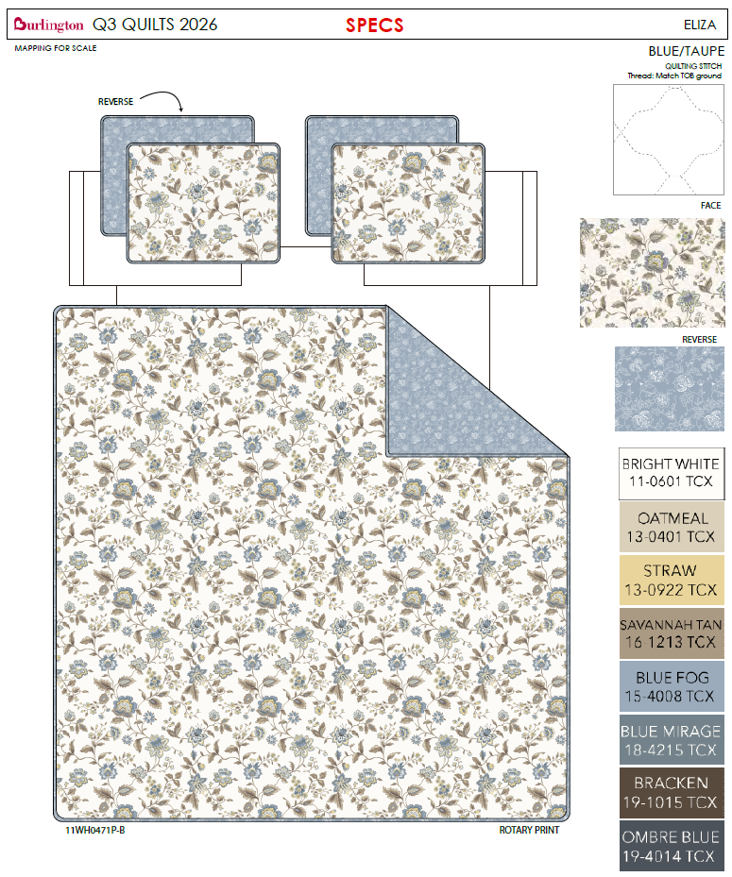
东台雅士缘纺织有限公司 | 23 |  | 11WH0471P-B | Nanette Lepore |  | QUILT | ELIZA | 100% polyester Hanging 3pc Quilt Set | Hanging 3pc Quilt Set | Quilt/Shams: 85gsm prewashed microfiber rotary print on front and print reverse. 180gsm polyester fill. Stitch quilted. Hanger packaging. | 100% polyester | Queen: Quilt:90x90" Sham:20x26x1/2"#2 | BLUE |  | BCF14-4189 |  | Set | ¥0.00 | 7.80 | $0.00 | $8.73 |  | Normal | 44.0 | 41.0 | 26.0 | 5.00 | 2 | 0.047 | 2772 | 3300 | $1.19 | 9404.40.9022 | 27.80% | $2.43 | $12.35 |  | $0.00 |  | $0.00 |  | $0.00 |  |  | $0.00 | $0.00 | $12.35 | 16.85% | $14.85 | $14.85 | $29.99 | 50.48% | 50.48% | 1000 | $12,347.58 | $14,850.00 | 2026-07-29 | COMPLEX PACK E | BCF-260487 | 9/2-9/8/2026
东台雅士缘纺织有限公司 | 24 |  | 11WH0471P-B | Nanette Lepore |  | QUILT | ELIZA | 100% polyester Hanging 3pc Quilt Set | Hanging 3pc Quilt Set | Quilt/Shams: 85gsm prewashed microfiber rotary print on front and print reverse. 180gsm polyester fill. Stitch quilted. Hanger packaging. | 100% polyester | King: Quilt:104x90" Sham:20x36x1/2"#2 | BLUE |  | BCF14-4190 |  | Set | ¥0.00 | 7.80 | $0.00 | $9.83 |  | Normal | 44.0 | 41.0 | 28.0 | 5.00 | 2 | 0.051 | 2574 | 3300 | $1.28 | 9404.40.9022 | 27.80% | $2.73 | $13.84 |  | $0.00 |  | $0.00 |  | $0.00 |  |  | $0.00 | $0.00 | $13.84 | 15.94% | $16.47 | $16.47 | $34.99 | 52.93% | 52.93% | 600 | $8,306.98 | $9,882.00 | 2026-07-29 | COMPLEX PACK F | BCF-260488 | 9/2-9/8/2026
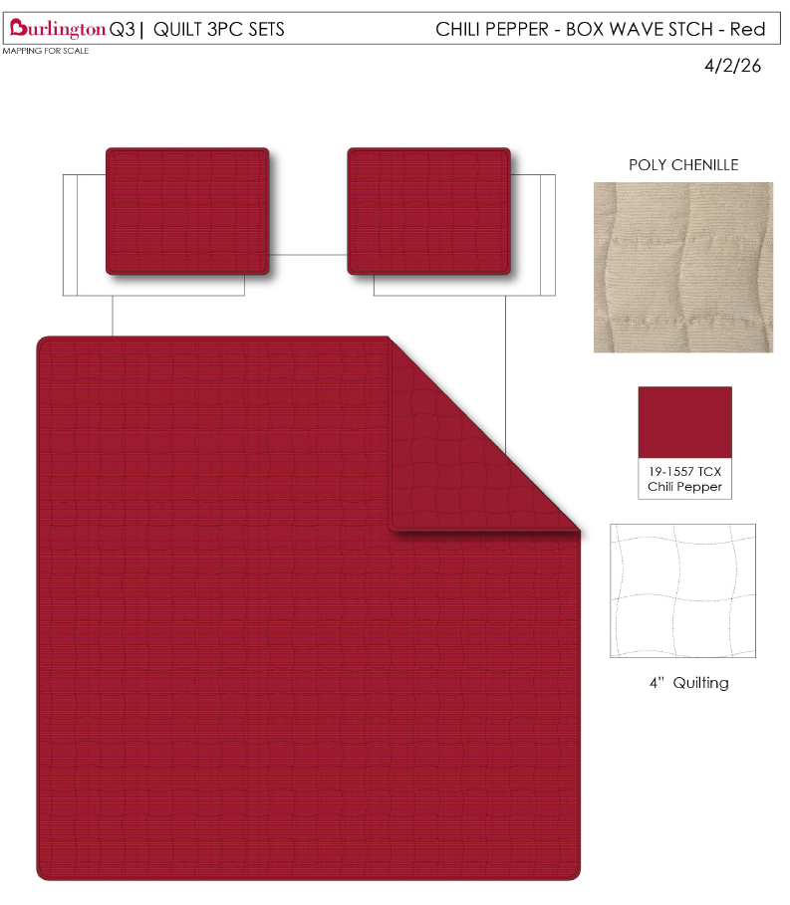
东台雅士缘纺织有限公司 | 25 |  |  | Woolrich | Woolrich 5% | QUILT | CHILI PEPPER | 100% polyester Hanging 3pc Quilt Set | Hanging 3pc Quilt Set | Front: Poly Chenille Corduroy. Stitch quilted Back: 85gsm microfiber solid. 150gsm poly fill. | 100% polyester | Queen: Quilt:90x90" Sham:20x26x1/2"#2 | RED |  | WR14-4196 |  | Set | ¥91.60 | 7.80 | $11.74 | $10.48 |  | Normal | 44.0 | 41.0 | 26.0 | 5.00 | 2 | 0.047 | 2772 | 3300 | $1.19 | 9404.40.9022 | 27.80% | $2.91 | $14.58 |  | $0.00 |  | $0.00 |  | $0.00 | Woolrich | 7.00% | $1.39 | $1.39 | $15.97 | 19.34% | $19.80 | $19.80 | $39.99 | 50.49% | 50.49% | 1000 | $15,970.08 | $19,800.00 | 2026-07-08 | COMPLEX PACK G | BCF-260489 | 8/12-8/18/2026
东台雅士缘纺织有限公司 | 26 |  |  | Woolrich | Woolrich 5% | QUILT | CHILI PEPPER | 100% polyester Hanging 3pc Quilt Set | Hanging 3pc Quilt Set | Front: Poly Chenille Corduroy. Stitch quilted Back: 85gsm microfiber solid. 150gsm poly fill. | 100% polyester | King: Quilt:104x90" Sham:20x36x1/2"#2 | RED |  | WR14-4197 |  | Set | ¥105.57 | 7.80 | $13.53 | $11.94 |  | Normal | 44.0 | 41.0 | 28.0 | 5.00 | 2 | 0.051 | 2574 | 3300 | $1.28 | 9404.40.9022 | 27.80% | $3.32 | $16.54 |  | $0.00 |  | $0.00 |  | $0.00 | Woolrich | 7.00% | $1.57 | $1.57 | $18.11 | 19.38% | $22.47 | $22.47 | $44.99 | 50.06% | 50.06% | 500 | $9,057.22 | $11,235.00 | 2026-07-08 | COMPLEX PACK H | BCF-260490 | 8/12-8/18/2026
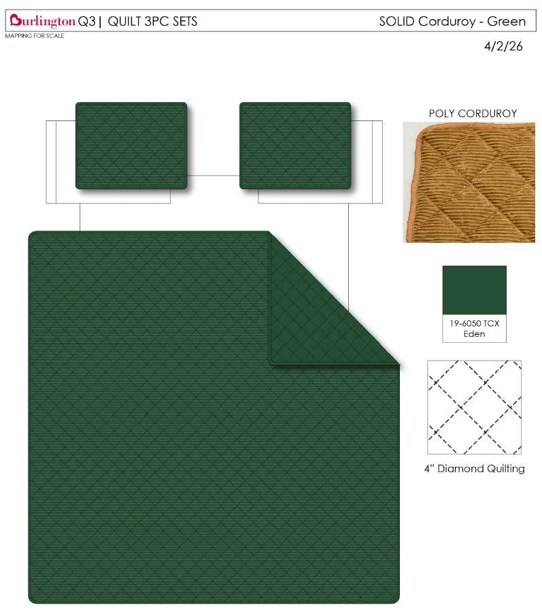
东台雅士缘纺织有限公司 | 27 |  |  | Woolrich | Woolrich 5% | QUILT | SOLID CORDUROY | 100% polyester Hanging 3pc Quilt Set | Hanging 3pc Quilt Set | Front: Poly corduroy velvet. Stitch quilted Back: 85gsm microfiber solid. 150gsm poly fill | 100% polyester | Queen: Quilt:90x90" Sham:20x26x1/2"#2 | GREEN |  | WR14-4198 |  | Set | ¥94.19 | 7.80 | $12.08 | $11.74 |  | Normal | 44.0 | 41.0 | 26.0 | 5.00 | 2 | 0.047 | 2772 | 3300 | $1.19 | 9404.40.9022 | 27.80% | $3.26 | $16.19 |  | $0.00 |  | $0.00 |  | $0.00 | Woolrich | 7.00% | $1.54 | $1.54 | $17.73 | 19.19% | $21.94 | $21.94 | $39.99 | 45.14% | 45.14% | 1000 | $17,730.16 | $21,940.00 | 2026-07-08 | AS IS CASEPACK OF 2 | BCF-260491 | 8/12-8/18/2026
东台雅士缘纺织有限公司 | 28 |  |  | Woolrich | Woolrich 5% | QUILT | SOLID CORDUROY | 100% polyester Hanging 3pc Quilt Set | Hanging 3pc Quilt Set | Front: Poly corduroy velvet. Stitch quilted Back: 85gsm microfiber solid. 150gsm poly fill | 100% polyester | King: Quilt:104x90" Sham:20x36x1/2"#2 | GREEN |  | WR14-4199 |  | Set | ¥108.68 | 7.80 | $13.93 | $13.53 |  | Normal | 44.0 | 41.0 | 28.0 | 5.00 | 2 | 0.051 | 2574 | 3300 | $1.28 | 9404.40.9022 | 27.80% | $3.76 | $18.57 |  | $0.00 |  | $0.00 |  | $0.00 | Woolrich | 7.00% | $1.75 | $1.75 | $20.32 | 18.71% | $25.00 | $25.00 | $44.99 | 44.43% | 44.43% | 500 | $10,161.78 | $12,500.00 | 2026-07-08 | AS IS CASEPACK OF 2 | BCF-260492 | 8/12-8/18/2026
东台雅士缘纺织有限公司 | 29 | 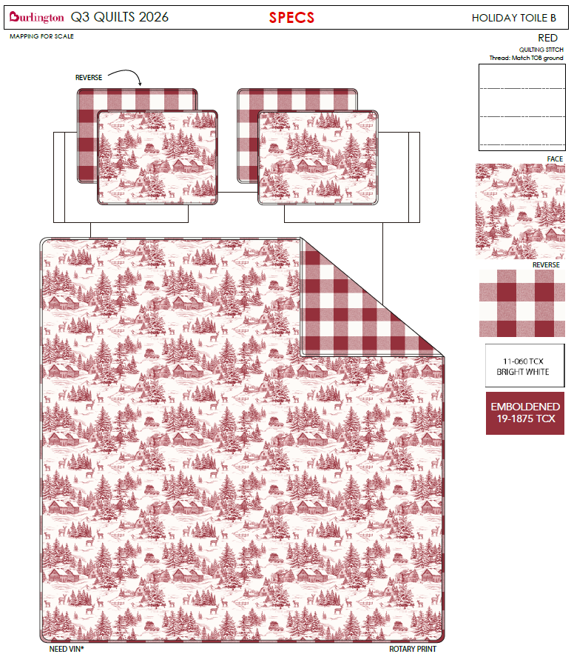 |  |  |  | QUILT | HOLIDAY TOILE | 100% polyester Hanging 3pc Quilt Set | Hanging 3pc Quilt Set | Quilt/Shams: 85gsm prewashed microfiber rotary print on front and print reverse. 180gsm polyester fill. Stitch quilted. Hanger packaging. | 100% polyester | Queen: Quilt:90x90" Sham:20x26x1/2"#2 | RED |  | BCF14-4191 |  | Set | ¥0.00 | 7.80 | $0.00 | $8.73 |  | Normal | 44.0 | 41.0 | 26.0 | 5.00 | 2 | 0.047 | 2772 | 3300 | $1.19 | 9404.40.9022 | 27.80% | $2.43 | $12.35 |  | $0.00 |  | $0.00 |  | $0.00 |  |  | $0.00 | $0.00 | $12.35 | 16.85% | $14.85 | $14.85 | $29.99 | 50.48% | 50.48% | 1000 | $12,347.58 | $14,850.00 | 2026-07-08 | COMPLEX PACK G | BCF-260493 | 8/12-8/18/2026
东台雅士缘纺织有限公司 | 30 |  |  |  |  | QUILT | HOLIDAY TOILE | 100% polyester Hanging 3pc Quilt Set | Hanging 3pc Quilt Set | Quilt/Shams: 85gsm prewashed microfiber rotary print on front and print reverse. 180gsm polyester fill. Stitch quilted. Hanger packaging. | 100% polyester | King: Quilt:104x90" Sham:20x36x1/2"#2 | RED |  | BCF14-4192 |  | Set | ¥0.00 | 7.80 | $0.00 | $9.83 |  | Normal | 44.0 | 41.0 | 28.0 | 5.00 | 2 | 0.051 | 2574 | 3300 | $1.28 | 9404.40.9022 | 27.80% | $2.73 | $13.84 |  | $0.00 |  | $0.00 |  | $0.00 |  |  | $0.00 | $0.00 | $13.84 | 15.94% | $16.47 | $16.47 | $34.99 | 52.93% | 52.93% | 500 | $6,922.48 | $8,235.00 | 2026-07-08 | COMPLEX PACK H | BCF-260494 | 8/12-8/18/2026

