amazon
Line No. | Photo | VIN/Art No. | Brand | Licensor | Product Category | Pattern | Item Description | Description-Short | Fabrication | Material-Short | Size/Spec. | Color | Item No. | UPC | Unit of Measure | China RMB Cost | Exchange Rate | FOB Cost $ (Formula) | FOB Cost $ (Value) | UCCPM Price | Package Type | Carton Size L (cm) | Carton Size W (cm) | Carton Size H (cm) | Carton Gross Weight (kg) | Case Pack | Cubic Meter per Carton | Total Units per 40ft Container | 40ft Container Freight | Ocean Freight per Item $ | HTS Code | Duty Rate | Duty per Item $ | LDP Cost $ | DA % | DA $ | General Load % | General Load $ | Warehouse Charge % | Warehouse Charge $ | Dropship Charge | Load 1 | Load 1 % | Load 1 $ | Total Load $ | LDP Cost with Load $ | JLA LDP MU% | JLA price with drop ship charges | Suggested Retail Price | Initial Markup | Total Qnty
$1.00 | 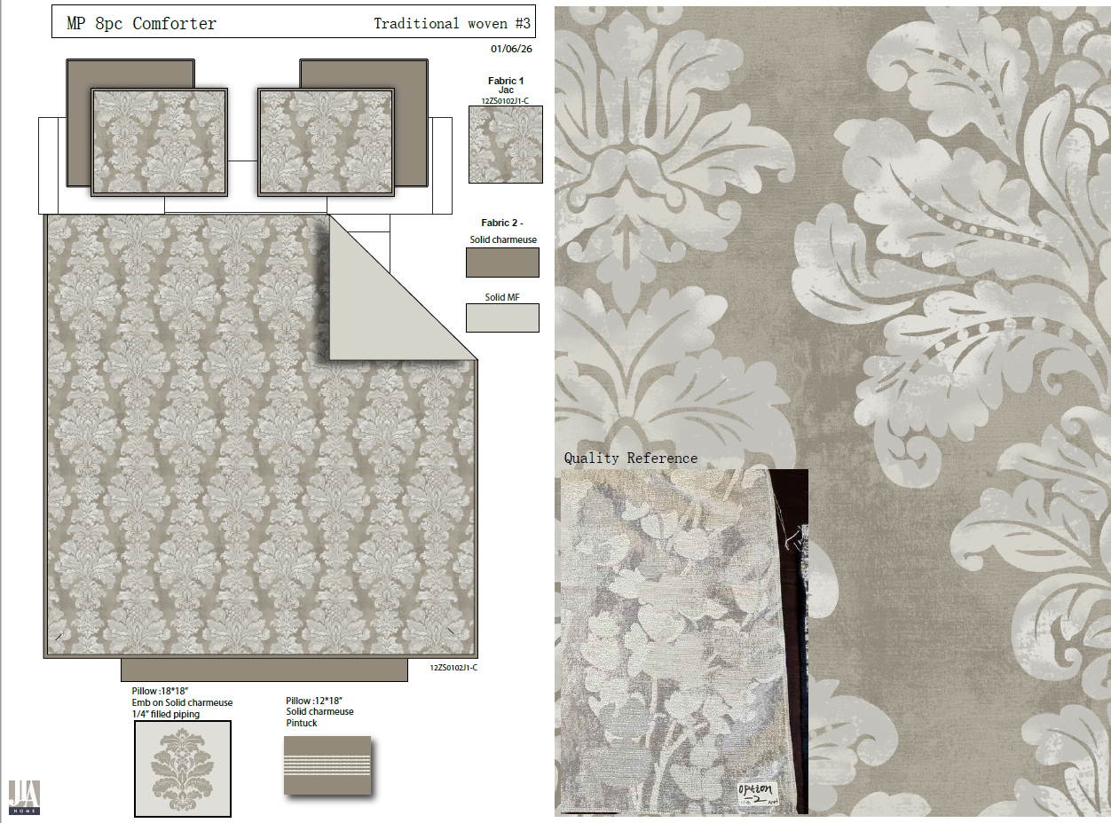 | 19CX2511J-E | Madison Park |  | COMFORTER (SET) | Tristan | 100% polyester chenille 8 Pieces Jacquard Comforter Set | 8 Pieces Jacquard Comforter Set | Comforter/Shams:100% jacquard chenille with lurex yarn face, 100% polyester. 95gsm solid MF reverse. Dec pillow: poly cover, poly filling. Poly bedskirt and euro shams. | Face: 100% polyester Back: 100% polyester | Full/Queen: Comforter: 90x90" Sham: 20x26"#2 Bed Skirt: 60x80+15" Euro Sham: 26x26"#2 Pillow: 18x18" Pillow: 12x18" | Tan |  |  | Set | 169.20 | 7.75 | $21.83 | $21.83 |  | Compressed/Knocked Down | 46.0 | 36.0 | 25.0 |  | 1 | 0.041 | 1570 | $3,700.00 | $2.36 | 9404.40.9022 | 27.80% | $6.07 | $30.26 | 31.00% | $21.57 |  | $0.00 | 10.00% | $6.96 |  |  |  | $0.00 | $28.53 | $58.79 | 15.53% | $69.59 | $119.99 | 42.00% | 380
$2.00 |  | 19CX2511J-E | Madison Park |  | COMFORTER (SET) | Tristan | 100% polyester chenille 8 Pieces Jacquard Comforter Set | 8 Pieces Jacquard Comforter Set | Comforter/Shams:100% jacquard chenille with lurex yarn face, 100% polyester. 95gsm solid MF reverse. Dec pillow: poly cover, poly filling. Poly bedskirt and euro shams. | Face: 100% polyester Back: 100% polyester | King: Comforter: 104x92" Sham: 20x36"#2 Bed Skirt: 78x80+15" Euro Sham: 26x26"#2 Pillow: 18x18" Pillow: 12x18" | Tan |  |  | Set | 185.74 | 7.75 | $23.97 | $23.97 |  | Compressed/Knocked Down | 46.0 | 36.0 | 27.0 |  | 1 | 0.045 | 1454 | $3,700.00 | $2.55 | 9404.40.9022 | 27.80% | $6.66 | $33.18 | 31.00% | $23.37 |  | $0.00 | 10.00% | $7.54 |  |  |  | $0.00 | $30.91 | $64.09 | 14.99% | $75.39 | $129.99 | 42.00% | 460
$3.00 |  | 19CX2511J-E | Madison Park |  | COMFORTER (SET) | Tristan | 100% polyester chenille 8 Pieces Jacquard Comforter Set | 8 Pieces Jacquard Comforter Set | Comforter/Shams:100% jacquard chenille with lurex yarn face, 100% polyester. 95gsm solid MF reverse. Dec pillow: poly cover, poly filling. Poly bedskirt and euro shams. | Face: 100% polyester Back: 100% polyester | Cal King: Comforter: 104x98" Sham: 20x36"#2 Bed Skirt: 72x84+15" Euro Sham: 26x26"#2 Pillow: 18x18" Pillow: 12x18" | Tan |  |  | Set | 188.11 | 7.75 | $24.27 | $24.27 |  | Compressed/Knocked Down | 46.0 | 36.0 | 27.0 |  | 1 | 0.045 | 1454 | $3,700.00 | $2.55 | 9404.40.9022 | 27.80% | $6.75 | $33.56 | 31.00% | $24.27 |  | $0.00 | 10.00% | $7.83 |  |  |  | $0.00 | $32.10 | $65.66 | 16.13% | $78.29 | $134.99 | 42.00% | 240
$4.00 | 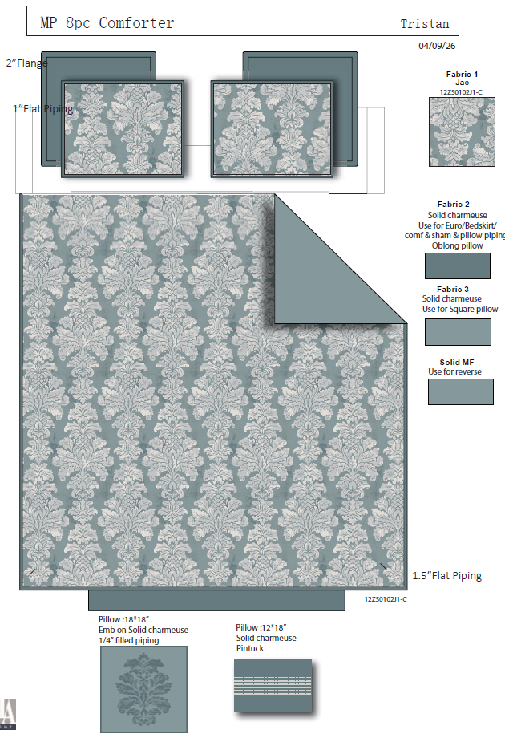 | 19CX2511J-E | Madison Park |  | COMFORTER (SET) | Tristan | 100% polyester chenille 8 Pieces Jacquard Comforter Set | 8 Pieces Jacquard Comforter Set | Comforter/Shams:100% jacquard chenille with lurex yarn face, 100% polyester. 95gsm solid MF reverse. Dec pillow: poly cover, poly filling. Poly bedskirt and euro shams. | Face: 100% polyester Back: 100% polyester | Full/Queen: Comforter: 90x90" Sham: 20x26"#2 Bed Skirt: 60x80+15" Euro Sham: 26x26"#2 Pillow: 18x18" Pillow: 12x18" | Teal |  |  | Set | 169.20 | 7.75 | $21.83 | $21.83 |  | Compressed/Knocked Down | 46.0 | 36.0 | 25.0 |  | 1 | 0.041 | 1570 | $3,700.00 | $2.36 | 9404.40.9022 | 27.80% | $6.07 | $30.26 | 31.00% | $21.57 |  | $0.00 | 10.00% | $6.96 |  |  |  | $0.00 | $28.53 | $58.79 | 15.53% | $69.59 | $119.99 | 42.00% | 150
$5.00 |  | 19CX2511J-E | Madison Park |  | COMFORTER (SET) | Tristan | 100% polyester chenille 8 Pieces Jacquard Comforter Set | 8 Pieces Jacquard Comforter Set | Comforter/Shams:100% jacquard chenille with lurex yarn face, 100% polyester. 95gsm solid MF reverse. Dec pillow: poly cover, poly filling. Poly bedskirt and euro shams. | Face: 100% polyester Back: 100% polyester | King: Comforter: 104x92" Sham: 20x36"#2 Bed Skirt: 78x80+15" Euro Sham: 26x26"#2 Pillow: 18x18" Pillow: 12x18" | Teal |  |  | Set | 185.74 | 7.75 | $23.97 | $23.97 |  | Compressed/Knocked Down | 46.0 | 36.0 | 27.0 |  | 1 | 0.045 | 1454 | $3,700.00 | $2.55 | 9404.40.9022 | 27.80% | $6.66 | $33.18 | 31.00% | $23.37 |  | $0.00 | 10.00% | $7.54 |  |  |  | $0.00 | $30.91 | $64.09 | 14.99% | $75.39 | $129.99 | 42.00% | 180
$6.00 |  | 19CX2511J-E | Madison Park |  | COMFORTER (SET) | Tristan | 100% polyester chenille 8 Pieces Jacquard Comforter Set | 8 Pieces Jacquard Comforter Set | Comforter/Shams:100% jacquard chenille with lurex yarn face, 100% polyester. 95gsm solid MF reverse. Dec pillow: poly cover, poly filling. Poly bedskirt and euro shams. | Face: 100% polyester Back: 100% polyester | Cal King: Comforter: 104x98" Sham: 20x36"#2 Bed Skirt: 72x84+15" Euro Sham: 26x26"#2 Pillow: 18x18" Pillow: 12x18" | Teal |  |  | Set | 188.11 | 7.75 | $24.27 | $24.27 |  | Compressed/Knocked Down | 46.0 | 36.0 | 27.0 |  | 1 | 0.045 | 1454 | $3,700.00 | $2.55 | 9404.40.9022 | 27.80% | $6.75 | $33.56 | 31.00% | $24.27 |  | $0.00 | 10.00% | $7.83 |  |  |  | $0.00 | $32.10 | $65.66 | 16.13% | $78.29 | $134.99 | 42.00% | 120

