CCD Fur Knit
核价表编号：
系列开发项目名称：
总部负责人：
上海办报价人：
JLA# 款号
图片 | 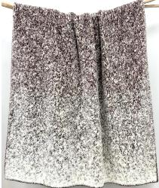 |  | 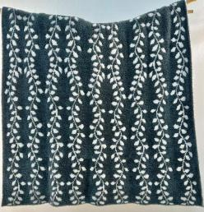
CSTM# 款号 | Sable Fur Ombre Knit Throw | Sable Fur Ombre Knit Throw | Leafy Sable Fur and Feathersoft Knit Throw | Leafy Sable Fur and Feathersoft Knit Throw
尺寸（size) | 50x60" | 50x70" | 50x60" | 50x70"
成品规格 （specification) | 100%polyester, 1000g/pc | 100%polyester, 1150g/pc | 100%polyester, 1000g/pc | 100%polyester, 1150g/pc
包装 （packaging) | Semi-vacuum packed in gift box | Semi-vacuum packed in gift box | Semi-vacuum packed in gift box | Semi-vacuum packed in gift box
FOB Shanghai | $9.10 | $10.10 | $8.95 | $9.95
Carton Size | 36x34x46cm/4pcs | 36x34x50cm/4pcs | 36x34x46cm/4pcs | 36x34x50cm/4pcs
Factory | Leajade | Leajade | Leajade | Leajade
MOQ per color | 1000pcs/color | 1000pcs/color | 1000pcs/color | 1000pcs/color

