Item
Line No. | Photo | VIN/Art No. | Brand | Licensor | Product Category | Pattern | Item Description | Description-Short | Fabrication | Material-Short | Size/Spec. | Color | Item No. | UPC | Unit of Measure | China RMB Cost | Exchange Rate | FOB Cost $ (Formula) | FOB Cost $ (Value) | UCCPM Price | Package Type | Carton Size L (cm) | Carton Size W (cm) | Carton Size H (cm) | Carton Gross Weight (kg) | Case Pack | Cubic Meter per Carton | Total Units per 40ft Container | 40ft Container Freight | Ocean Freight per Item $ | HTS Code | Duty Rate | Duty per Item $ | LDP Cost $ | DA % | DA $ | General Load % | General Load $ | Warehouse Charge % | Warehouse Charge $ | Dropship Charge | Load 1 | Load 1 % | Load 1 $ | Total Load $ | LDP Cost with Load $ | JLA LDP MU% | JLA FOB CA/GA Price Quote (Formula) | JLA price with drop ship charges | Suggested Retail Price | Initial Markup | Initial Rollout Forecast
1 | 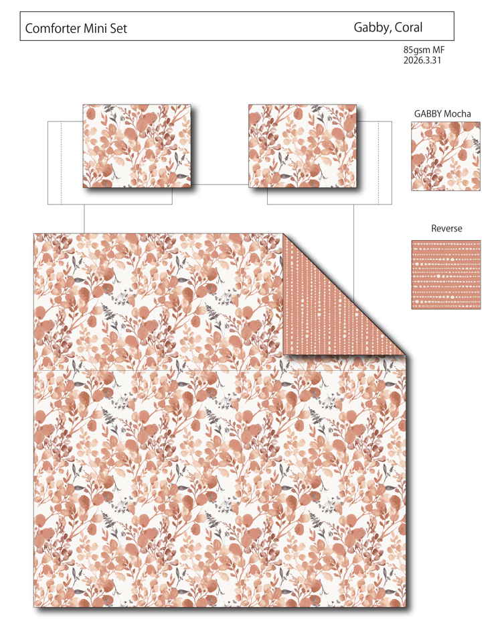 |  | Regency Heights |  | COMFORTER (SET) | Gabby | 100% Polyester Printed 2pcs Comforter Set | 2pcs Comforter Set | Comf/sham :85gsm printed seersucker on face, 85gsm printed reverse, 200gsm poly fill. | 100% polyester | Twin/Twin XL: 66x90"/20x26" | Coral | RH10-0923 |  |  | ￥52.20 | 7.70 | $6.78 | $6.78 |  | Compressed/Knocked Down | 42.0 | 41.0 | 33.0 | 9.50 | 3 | 0.057 | 3432 | $4,000.00 | $1.17 | 9404.40.9022 | 22.80% | $1.55 | $9.49 | 0.00% | $0.00 | 0.00% | $0.00 | 0.00% | $0.00 | $0.00 | $0.00 | 0.00% | $0.00 | $0.00 | $9.49 | 0.00% | $9.49 | $39.99 | $39.99 |  | 96
2 |  |  | Regency Heights |  | COMFORTER (SET) | Gabby | 100% Polyester Printed 3pcs Comforter Set | 3pcs Comforter Set | Comf/sham :85gsm printed seersucker on face, 85gsm printed reverse, 200gsm poly fill. | 100% polyester | Full/Queen: 90x90"/20x26"(2) | Coral | RH10-0924 |  |  | ￥67.30 | 7.70 | $8.74 | $8.74 |  | Compressed/Knocked Down | 42.0 | 41.0 | 33.0 | 12.50 | 3 | 0.057 | 3432 | $4,000.00 | $1.17 | 9404.40.9022 | 22.80% | $1.99 | $11.90 | 0.00% | $0.00 | 0.00% | $0.00 | 0.00% | $0.00 | $0.00 | $0.00 | 0.00% | $0.00 | $0.00 | $11.90 | 0.00% | $11.90 | $42.99 | $42.99 |  | 366
3 |  |  | Regency Heights |  | COMFORTER (SET) | Gabby | 100% Polyester Printed 3pcs Comforter Set | 3pcs Comforter Set | Comf/sham :85gsm printed seersucker on face, 85gsm printed reverse, 200gsm poly fill. | 100% polyester | King/Cal King: 104x90"/20x36"(2) | Coral | RH10-0925 |  |  | ￥75.80 | 7.70 | $9.84 | $9.84 |  | Compressed/Knocked Down | 42.0 | 41.0 | 33.0 | 13.00 | 3 | 0.057 | 3432 | $4,000.00 | $1.17 | 9404.40.9022 | 22.80% | $2.24 | $13.25 | 0.00% | $0.00 | 0.00% | $0.00 | 0.00% | $0.00 | $0.00 | $0.00 | 0.00% | $0.00 | $0.00 | $13.25 | 0.00% | $13.25 | $45.99 | $45.99 |  | 342
1 | 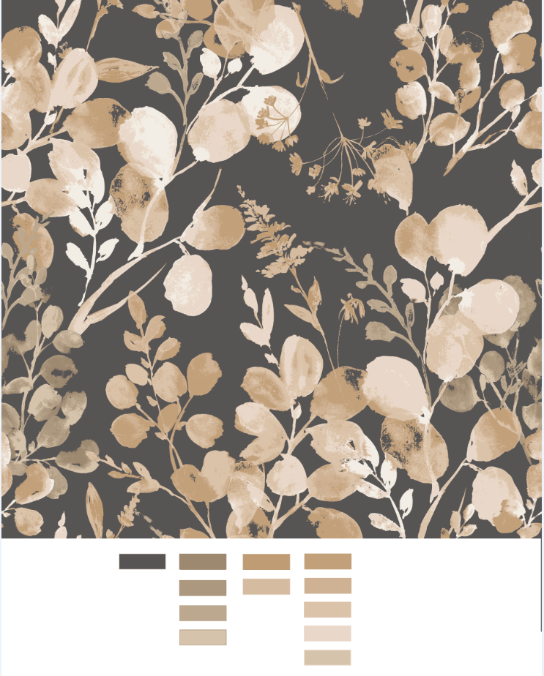 |  | Regency Heights |  | COMFORTER (SET) | Gabby | 100% Polyester Printed 2pcs Comforter Set | 2pcs Comforter Set | Comf/sham :85gsm printed seersucker on face, 85gsm printed reverse, 200gsm poly fill. | 100% polyester | Twin/Twin XL: 66x90"/20x26" | Black | RH10-0926 |  |  | ￥52.20 | 7.70 | $6.78 | $6.78 |  | Compressed/Knocked Down | 42.0 | 41.0 | 33.0 | 9.50 | 3 | 0.057 | 3432 | $4,000.00 | $1.17 | 9404.40.9022 | 22.80% | $1.55 | $9.49 | 0.00% | $0.00 | 0.00% | $0.00 | 0.00% | $0.00 | $0.00 | $0.00 | 0.00% | $0.00 | $0.00 | $9.49 | 0.00% | $9.49 | $39.99 | $39.99 |  | 93
2 |  |  | Regency Heights |  | COMFORTER (SET) | Gabby | 100% Polyester Printed 3pcs Comforter Set | 3pcs Comforter Set | Comf/sham :85gsm printed seersucker on face, 85gsm printed reverse, 200gsm poly fill. | 100% polyester | Full/Queen: 90x90"/20x26"(2) | Black | RH10-0927 |  |  | ￥67.30 | 7.70 | $8.74 | $8.74 |  | Compressed/Knocked Down | 42.0 | 41.0 | 33.0 | 12.50 | 3 | 0.057 | 3432 | $4,000.00 | $1.17 | 9404.40.9022 | 22.80% | $1.99 | $11.90 | 0.00% | $0.00 | 0.00% | $0.00 | 0.00% | $0.00 | $0.00 | $0.00 | 0.00% | $0.00 | $0.00 | $11.90 | 0.00% | $11.90 | $42.99 | $42.99 |  | 354
3 |  |  | Regency Heights |  | COMFORTER (SET) | Gabby | 100% Polyester Printed 3pcs Comforter Set | 3pcs Comforter Set | Comf/sham :85gsm printed seersucker on face, 85gsm printed reverse, 200gsm poly fill. | 100% polyester | King/Cal King: 104x90"/20x36"(2) | Black | RH10-0928 |  |  | ￥75.80 | 7.70 | $9.84 | $9.84 |  | Compressed/Knocked Down | 42.0 | 41.0 | 33.0 | 13.00 | 3 | 0.057 | 3432 | $4,000.00 | $1.17 | 9404.40.9022 | 22.80% | $2.24 | $13.25 | 0.00% | $0.00 | 0.00% | $0.00 | 0.00% | $0.00 | $0.00 | $0.00 | 0.00% | $0.00 | $0.00 | $13.25 | 0.00% | $13.25 | $45.99 | $45.99 |  | 354

