Item
Line No. | Photo | VIN/Art No. | Brand | Licensor | Product Category | Pattern | Item Description | Description-Short | Fabrication | Material-Short | Size/Spec. | Color | Item No. | UPC | Unit of Measure | China RMB Cost | Exchange Rate | FOB Cost $ (Formula) | FOB Cost $ (Value) | UCCPM Price | Package Type | Carton Size L (cm) | Carton Size W (cm) | Carton Size H (cm) | Carton Gross Weight (kg) | Case Pack | Cubic Meter per Carton | Total Units per 40ft Container | 40ft Container Freight | Ocean Freight per Item $ | HTS Code | Duty Rate | Duty per Item $ | LDP Cost $ | DA % | DA $ | General Load % | General Load $ | Warehouse Charge % | Warehouse Charge $ | Dropship Charge | Load 1 | Load 1 % | Load 1 $ | Total Load $ | LDP Cost with Load $ | JLA LDP MU% | JLA FOB CA/GA Price Quote (Formula) | JLA price with drop ship charges | Suggested Retail Price | Initial Markup | Initial Qnty
1 |  |  | Madison Park |  | COVERLET&BEDSPR | Greek | 100% Polyester Velvet Quilt Set | 100% Polyester Velvet Quilt Set | Quilt/ Sham: polyester velvet face, solid dyed cotton-like polyester reverse, filling: 150gsm poly fill; with pick stitch embroidery. Prewash Finish | Polyester Velvet | Full/Queen: 1 Quilt: 90"Wx90"L 2 Standard Shams: 20"Wx26"L(2) | Green |  |  | Set | ¥116.55 | 7.75 | $15.04 | $15.04 |  | Compressed/Knocked Down | 43.2 | 33.0 | 23.0 |  | 1 | 0.033 | 1970 | $3,700.00 | $1.88 | 9404.40.9022 | 22.80% |  |  |  | $0.00 | 31.00% | $14.42 | 10.00% | $4.65 | $0.00 |  |  | $0.00 | $19.07 |  |  | $46.50 |  | $79.99 | 42% | 480
2 | 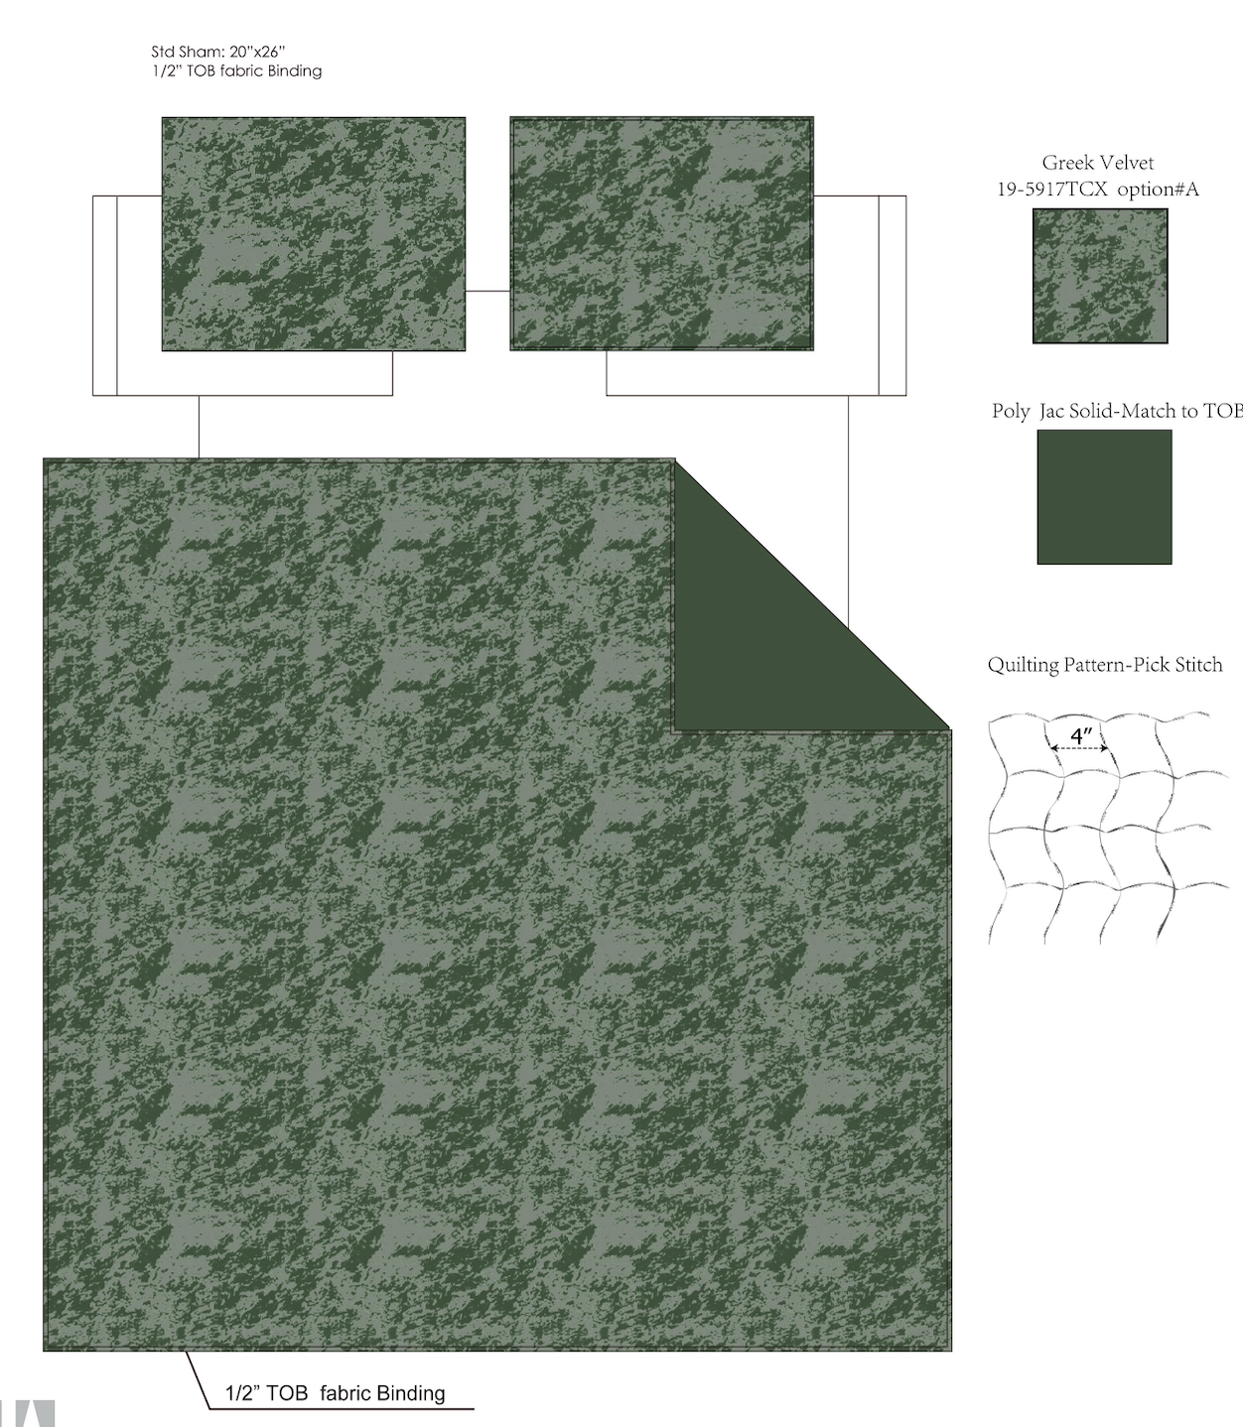 |  | Madison Park |  | COVERLET&BEDSPR | Greek | 100% Polyester Velvet Quilt Set | 100% Polyester Velvet Quilt Set | Quilt/ Sham: polyester velvet face, solid dyed cotton-like polyester reverse, filling: 150gsm poly fill; with pick stitch embroidery. Prewash Finish | Polyester Velvet | King: 1 Quilt: 104"Wx90"L 2 King Shams: 20"Wx36"L(2) | Green |  |  | Set | ¥134.39 | 7.75 | $17.34 | $17.34 |  | Compressed/Knocked Down | 43.2 | 33.0 | 25.0 |  | 1 | 0.036 | 1806 | $3,700.00 | $2.05 | 9404.40.9022 | 22.80% |  |  |  | $0.00 | 31.00% | $16.43 | 10.00% | $5.30 | $0.00 |  |  | $0.00 | $21.73 |  |  | $53.00 |  | 89.99 | 41% | 480
3 |  |  | Madison Park |  | COVERLET&BEDSPR | Greek | 100% Polyester Velvet Quilt Set | 100% Polyester Velvet Quilt Set | Quilt/ Sham: polyester velvet face, printed cotton-like polyester reverse, filling: 150gsm poly fill; with pick stitch embroidery. Prewash Finish | Polyester Velvet | Full/Queen: 1 Quilt: 90"Wx90"L 2 Standard Shams: 20"Wx26"L(2) | Pink |  |  | Set | ¥118.95 | 7.75 | $15.35 | $15.35 |  | Compressed/Knocked Down | 43.2 | 33.0 | 23.0 |  | 1 | 0.033 | 1970 | $3,700.00 | $1.88 | 9404.40.9022 | 22.80% |  |  |  | $0.00 | 31.00% | $14.42 | 10.00% | $4.65 | $0.00 |  |  | $0.00 | $19.07 |  |  | $46.50 |  | 79.99 | 42% | 320
4 | 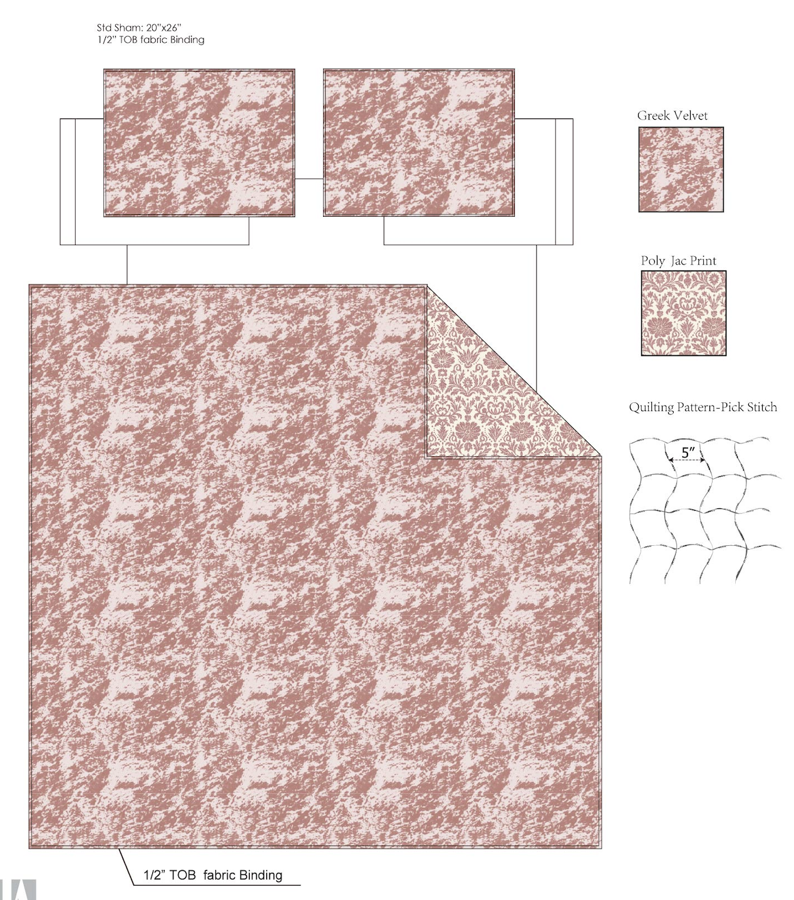 |  | Madison Park |  | COVERLET&BEDSPR | Greek | 100% Polyester Velvet Quilt Set | 100% Polyester Velvet Quilt Set | Quilt/ Sham: polyester velvet face, printed cotton-like polyester reverse, filling: 150gsm poly fill; with pick stitch embroidery. Prewash Finish | Polyester Velvet | King: 1 Quilt: 104"Wx90"L 2 King Shams: 20"Wx36"L(2) | Pink |  |  | Set | ¥137.09 | 7.75 | $17.69 | $17.69 |  | Compressed/Knocked Down | 43.2 | 33.0 | 25.0 |  | 1 | 0.036 | 1806 | $3,700.00 | $2.05 | 9404.40.9022 | 22.80% |  |  |  | $0.00 | 31.00% | $16.43 | 10.00% | $5.30 | $0.00 |  |  | $0.00 | $21.73 |  |  | $53.00 |  | 89.99 | 41% | 480
5 | 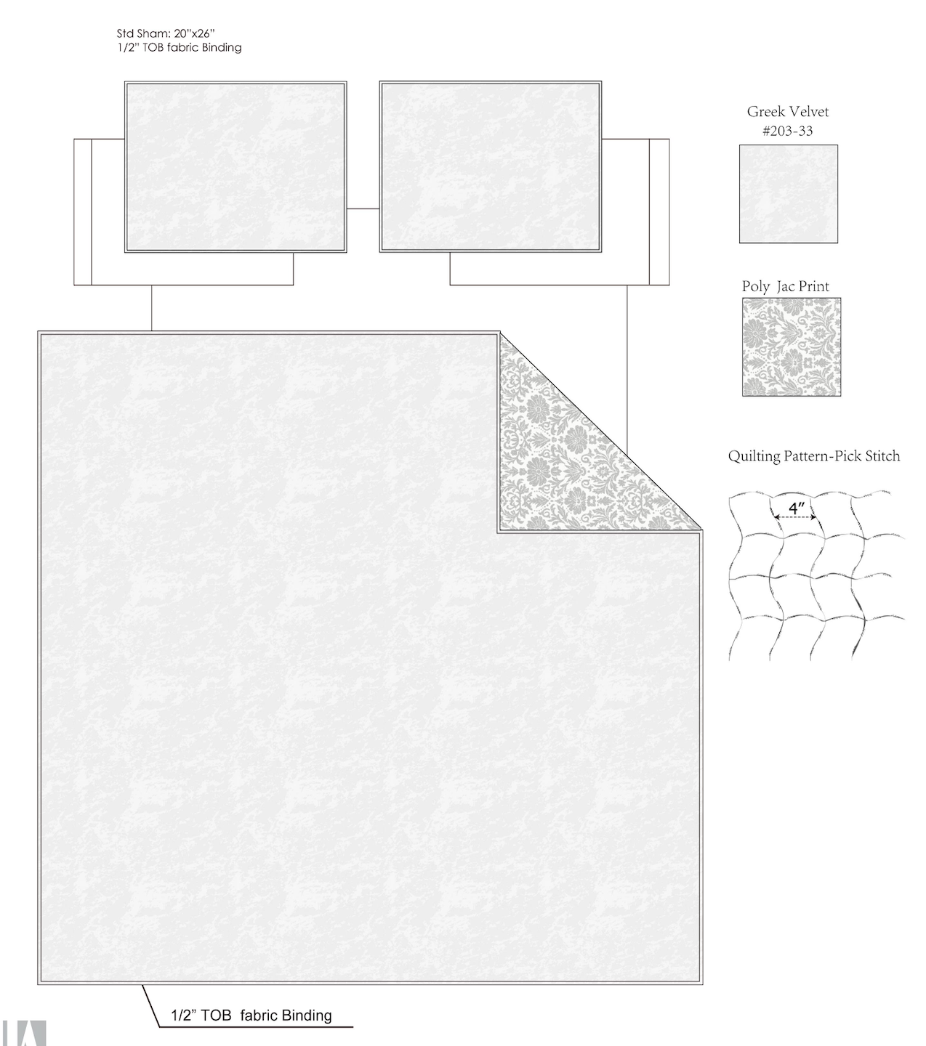 |  | Madison Park |  | COVERLET&BEDSPR | Greek | 100% Polyester Velvet Quilt Set | 100% Polyester Velvet Quilt Set | Quilt/ Sham: polyester velvet face, printed cotton-like polyester reverse, filling: 150gsm poly fill; with pick stitch embroidery. Prewash Finish | Polyester Velvet | Full/Queen: 1 Quilt: 90"Wx90"L 2 Standard Shams: 20"Wx26"L(2) | Cream White |  |  | Set | ¥118.95 | 7.75 | $15.35 | $15.35 |  | Compressed/Knocked Down | 43.2 | 33.0 | 23.0 |  | 1 | 0.033 | 1970 | $3,700.00 | $1.88 | 9404.40.9022 | 22.80% |  |  |  | $0.00 | 31.00% | $14.42 | 10.00% | $4.65 | $0.00 |  |  | $0.00 | $19.07 |  |  | $46.50 |  | 79.99 | 42% | 320
6 |  |  | Madison Park |  | COVERLET&BEDSPR | Greek | 100% Polyester Velvet Quilt Set | 100% Polyester Velvet Quilt Set | Quilt/ Sham: polyester velvet face, printed cotton-like polyester reverse, filling: 150gsm poly fill; with pick stitch embroidery. Prewash Finish | Polyester Velvet | King: 1 Quilt: 104"Wx90"L 2 King Shams: 20"Wx36"L(2) | Cream White |  |  | Set | ¥137.09 | 7.75 | $17.69 | $17.69 |  | Compressed/Knocked Down | 43.2 | 33.0 | 25.0 |  | 1 | 0.036 | 1806 | $3,700.00 | $2.05 | 9404.40.9022 | 22.80% |  |  |  | $0.00 | 31.00% | $16.43 | 10.00% | $5.30 | $0.00 |  |  | $0.00 | $21.73 |  |  | $53.00 |  | 89.99 | 41% | 480

