Item
Line No. | Photo | VIN/Art No. | Brand | Licensor | Product Category | Pattern | Item Description | Description-Short | Fabrication | Material-Short | Size/Spec. | Color | Trim | Item No. | UPC | Customer Item# | Customer Specific Attributes | Unit of Measure | Total Quantity | UCCPM Price | FOB Cost (RMB) | Exchange Rate | FOB Cost (Value) | Package Type | Carton Size L (cm) | Carton Size W (cm) | Carton Size H (cm) | Carton Gross Weight (kg) | Case Pack | Cubic Meter per Carton | IFC | Inner Pack L (in) | Inner Pack W (in) | Inner Pack H (in) | Inner Pack Gross Weight (kg) | Container Volume | Total Units per 40ft Container | 40ft Container Freight | Ocean Freight per Item $ | HTS Code | Duty Rate | Duty per Item $ | LDP Cost $ | Cubic cm per Item | Cubic ft per Item | Ship8 Charge Rate | Ship8 Charge $ | DA % | DA $ | Warehouse Charge % | Warehouse Charge $/Handling charge | Marketing % | Marketing $ | Other Load | Other Load % | Other Load $ | Total Load $ | LDP Cost with Load $ | JLA Domestic MU% | Standard Price | Retail Marketing % | Retail Marketing $ | Shipping Fee | Total Cost w/ Retail Expenses | Retail Markup % | Average Retail Price | Average Retail Markup % | Customer Cost | Suggested Retail Price | MAP $ | Load % + Margin % | Retailer Markup %
1 | 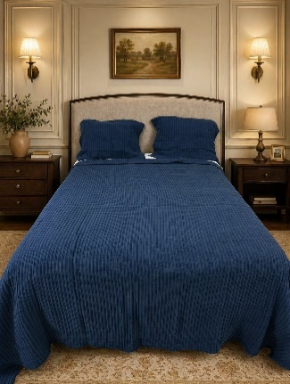 |  | Harbor House |  | QUILT | Hayden | Hayden Quilt Set | Quilt Set | Quilt fabric: solid 420gsm 50% rayon 30% polyester 20% cotton knit fabric Knife edge on four sides, 1" self hem Sham front back: solid 50% rayon 30% polyester 20% cotton knit fabric. Knife edge, zippler closure. Packing: print gift box+shipping box + carton box | 50% rayon 30% polyester 20% cotton knit fabric | Full/Queen:92"x 92"-1pc 20"x26”-2pcs | Off White |  | HHD14-2042 |  |  |  | Piece | 150 | 25.1 | 203.28 | 7.70 | 26.4 | Normal | 38.0 | 48.0 | 53.0 |  | 2 | 0.097 | Yes | 17.0 | 13.0 | 9.0 |  | 65.00 | 1340 | 4,000 | $2.99 | 6304.11.2000 | 16.5% |  |  | 48336.00 | 1.71 | 4.00 | $6.84 | 10.00% | $10.00 | 0.00% | $2.20 | 0.00% | $0.00 | Average Load Marketing | 15.00% | $15.00 | $34.04 |  |  | $100.00 | 30.00% | $60.00 | $15.00 |  | #VALUE! | $199.99 | 50.00% | $100.00 | $229.99 | $199.99 | #VALUE! | 56.52%
2 |  |  | Harbor House |  | QUILT | Hayden | Hayden Quilt Set | Quilt Set | Quilt fabric: solid 420gsm 50% rayon 30% polyester 20% cotton knit fabric Knife edge on four sides, 1" self hem Sham front back: solid 50% rayon 30% polyester 20% cotton knit fabric. Knife edge, zippler closure. Packing: print gift box+shipping box + carton box | 50% rayon 30% polyester 20% cotton knit fabric | King/Cal King:108"x 92"-1pc 20"x36"-2pcs | Off White |  | HHD14-2043 |  |  |  | Piece | 150 | 29.2 | 236.39 | 7.70 | 30.7 | Normal | 38.0 | 48.0 | 60.0 |  | 2 | 0.109 | Yes | 17.0 | 13.0 | 10.0 |  | 65.00 | 1193 | 4,000 | $3.35 | 6304.11.2000 | 16.5% |  |  | 54720.00 | 1.93 | 4.00 | $7.72 | 10.00% | $12.50 | 0.00% | $2.20 | 0.00% | $0.00 | Average Load Marketing | 15.00% | $18.75 | $41.17 |  |  | $125.00 | 30.00% | $75.00 | $15.00 |  | #VALUE! | $249.99 | 50.00% | $125.00 | $279.99 | $249.99 | #VALUE! | 55.36%
3 | 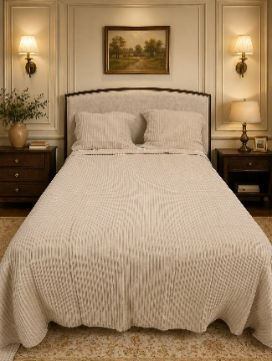 |  | Harbor House |  | QUILT | Hayden | Hayden Quilt Set | Quilt Set | Quilt fabric: solid 420gsm 50% rayon 30% polyester 20% cotton knit fabric Knife edge on four sides, 1" self hem Sham front back: solid 50% rayon 30% polyester 20% cotton knit fabric. Knife edge, zippler closure. Packing: print gift box+shipping box + carton box | 50% rayon 30% polyester 20% cotton knit fabric | Full/Queen:92"x 92"-1pc 20"x26”-2pcs | Linen |  | HHD14-2044 |  |  |  | Piece | 150 | 25.1 | 203.28 | 7.70 | 26.4 | Normal | 38.0 | 48.0 | 53.0 |  | 2 | 0.097 | Yes | 17.0 | 13.0 | 9.0 |  | 65.00 | 1340 | 4,000 | $2.99 | 6304.11.2000 | 16.5% |  |  | 48336.00 | 1.71 | 4.00 | $6.84 | 10.00% | $10.00 | 0.00% | $2.20 | 0.00% | $0.00 | Average Load Marketing | 15.00% | $15.00 | $34.04 |  |  | $100.00 | 30.00% | $60.00 | $15.00 |  | #VALUE! | $199.99 | 50.00% | $100.00 | $229.99 | $199.99 | #VALUE! | 56.52%
4 |  |  | Harbor House |  | QUILT | Hayden | Hayden Quilt Set | Quilt Set | Quilt fabric: solid 420gsm 50% rayon 30% polyester 20% cotton knit fabric Knife edge on four sides, 1" self hem Sham front back: solid 50% rayon 30% polyester 20% cotton knit fabric. Knife edge, zippler closure. Packing: print gift box+shipping box + carton box | 50% rayon 30% polyester 20% cotton knit fabric | King/Cal King:108"x 92"-1pc 20"x36"-2pcs | Linen |  | HHD14-2045 |  |  |  | Piece | 150 | 29.2 | 236.39 | 7.70 | 30.7 | Normal | 38.0 | 48.0 | 60.0 |  | 2 | 0.109 | Yes | 17.0 | 13.0 | 10.0 |  | 65.00 | 1193 | 4,000 | $3.35 | 6304.11.2000 | 16.5% |  |  | 54720.00 | 1.93 | 4.00 | $7.72 | 10.00% | $12.50 | 0.00% | $2.20 | 0.00% | $0.00 | Average Load Marketing | 15.00% | $18.75 | $41.17 |  |  | $125.00 | 30.00% | $75.00 | $15.00 |  | #VALUE! | $249.99 | 50.00% | $125.00 | $279.99 | $249.99 | #VALUE! | 55.36%

