Item
Line No. | Photo | Product Category | Pattern | Item Description | Description-Short | Fabrication | Material-Short | Size/Spec. | Color | Item No. | UPC | Unit of Measure | China RMB Cost | Exchange Rate | FOB Cost $ (Formula) | FOB Cost $ (Value) | UCCPM Price | Package Type | Carton Size L (cm) | Carton Size W (cm) | Carton Size H (cm) | Carton Gross Weight (kg) | Case Pack | Cubic Meter per Carton | Total Units per 40ft Container | 40ft Container Freight | Ocean Freight per Item $ | HTS Code | Duty Rate | Duty per Item $ | DA % | DA $ | Load 1 | Warehouse Charge % | Warehouse Charge $ | Load 2 | Load 2 % | Load 2 $ | DI Total Load $ | FOB Cost with Load $ | JLA FOB MU% | JLA FOB Price Quote (Value) | Total Quantity | Total Cost | Total Sales
1 | 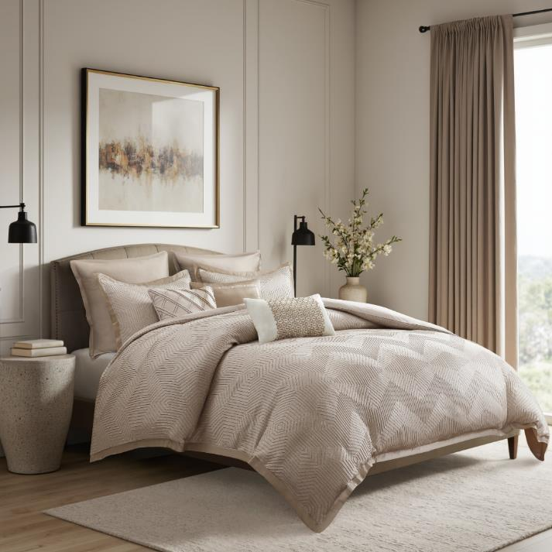 | COMFORTER (SET) | Rubina | 100% polyester comforter Set | comforter Set | Comforter & Sham: 100% polyester jacquard fabric, 120gsm microfiber solid reverse, comforter with 250gsm poly fill. Euro Sham: 100gsm charmeuse poly cover Pillows: Poly cover with polyester fill. | 100% polyester | King: 1 Comforter:106"W x 92" L 2 Sham: 20"W x 36"L(2) Pillow 1: 12"W x 18"L Pillow 2: 16"W x 16"L Pillow 3: 18"W x 18"L 2 Euro sham: 26"W x 26"L(2) | Cream | FQ10-0011 |  | Set | ¥176.00 | 7.70 | $22.86 | $22.86 |  | Normal |  |  |  |  | 1 |  |  |  |  |  |  |  | 0.00% | $0.00 | 0 | 0.00% | $0.00 | 0 | 0.00% | 0.00% | $0.00 |  |  | $28.50 | 650
2 | 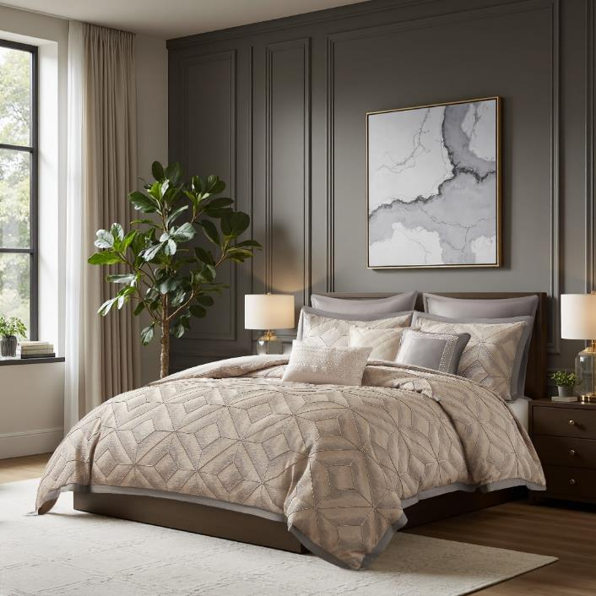 | COMFORTER (SET) | Atiantis | 100% polyester comforter Set | comforter Set | Comforter & Sham: 100% polyester jacquard fabric, 120gsm microfiber solid reverse, comforter with 250gsm poly fill. Euro Sham: 100gsm charmeuse poly cover Pillows: Poly cover with polyester fill. | 100% polyester | King: 1 Comforter:106"W x 92" L 2 Sham: 20"W x 36"L(2) Pillow 1: 12"W x 18"L Pillow 2: 16"W x 16"L Pillow 3: 18"W x 18"L 2 Euro sham: 26"W x 26"L(2) | Grey | FQ10-0012 |  | Set | ¥187.00 | 7.70 | $24.29 | $24.29 |  | Normal |  |  |  |  | 1 |  |  |  |  |  |  |  | 0.00% | $0.00 | 0 | 0.00% | $0.00 | 0 | 0.00% | 0.00% | $0.00 |  |  | $28.50 | 650
3 | 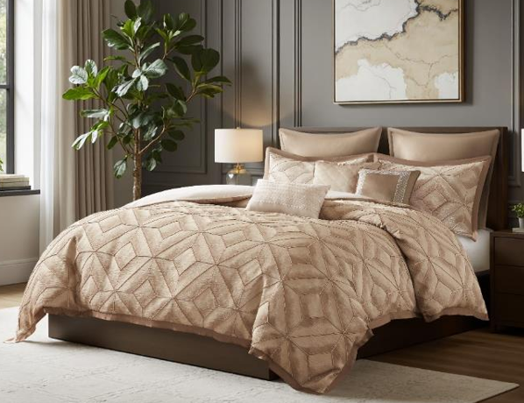 | COMFORTER (SET) | Atiantis | 100% polyester comforter Set | comforter Set | Comforter & Sham: 100% polyester jacquard fabric, 120gsm microfiber solid reverse, comforter with 250gsm poly fill. Euro Sham: 100gsm charmeuse poly cover Pillows: Poly cover with polyester fill. | 100% polyester | King: 1 Comforter:106"W x 92" L 2 Sham: 20"W x 36"L(2) Pillow 1: 12"W x 18"L Pillow 2: 16"W x 16"L Pillow 3: 18"W x 18"L 2 Euro sham: 26"W x 26"L(2) | Brown | FQ10-0013 |  | Set | ¥187.00 | 7.70 | $24.29 | $24.29 |  | Normal |  |  |  |  | 1 |  |  |  |  |  |  |  | 0.00% | $0.00 | 0 | 0.00% | $0.00 | 0 | 0.00% | 0.00% | $0.00 |  |  | $28.50 | 650
4 | 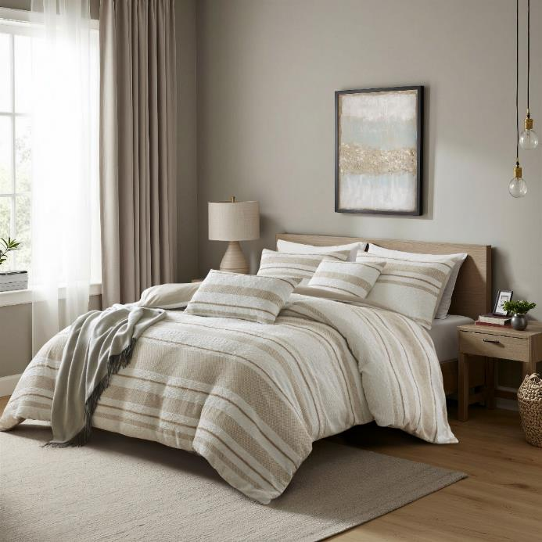 | COMFORTER (SET) | Chase | 100% polyester comforter Set | comforter Set | Comforter & Sham: 100% polyester jacquard fabric, 120gsm microfiber solid reverse, comforter with 250gsm poly fill. Euro Sham: 120gsm microfiber solid poly cover. Pillows: Poly cover with polyester fill. | 100% polyester | King: 1 Comforter:106"W x 92" L 2 Sham: 20"W x 36"L(2) Pillow 1: 12"W x 18"L Pillow 2: 16"W x 16"L Pillow 3: 18"W x 18"L 2 Euro sham: 26"W x 26"L(2) | Taupe | FQ10-0014 |  | Set | ¥170.00 | 7.70 | $22.08 | $22.08 |  | Normal |  |  |  |  | 1 |  |  |  |  |  |  |  | 0.00% | $0.00 | 0 | 0.00% | $0.00 | 0 | 0.00% | 0.00% | $0.00 |  |  | $26.50 | 650
5 | 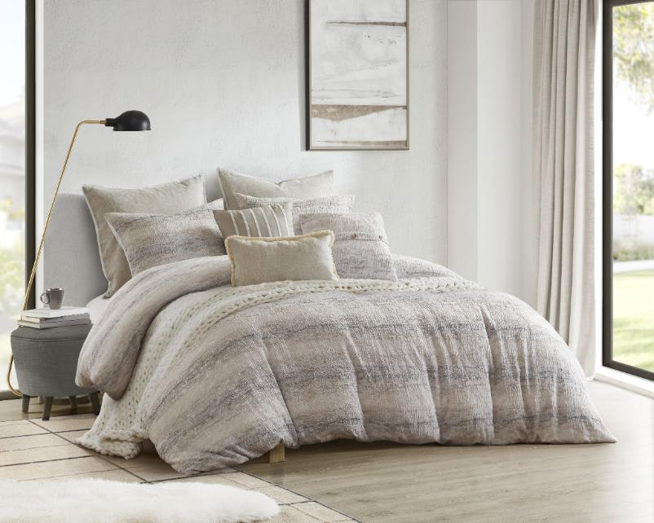 | COMFORTER (SET) | Elora | 100% polyester comforter Set | comforter Set | Comforter & Sham: 100% polyester jacquard fabric, 120gsm microfiber solid reverse, comforter with 250gsm poly fill. Euro Sham: 120gsm microfiber solid poly cover. Pillows: Poly cover with polyester fill. | 100% polyester | King: 1 Comforter:106"W x 92" L 2 Sham: 20"W x 36"L(2) Pillow 1: 12"W x 18"L Pillow 2: 16"W x 16"L Pillow 3: 18"W x 18"L 2 Euro sham: 26"W x 26"L(2) | Tan | FQ10-0015 |  | Set | ¥173.00 | 7.70 | $22.47 | $22.47 |  | Normal |  |  |  |  | 1 |  |  |  |  |  |  |  | 0.00% | $0.00 | 0 | 0.00% | $0.00 | 0 | 0.00% | 0.00% | $0.00 |  |  | $27.50 | 650

