Item
Line No. | Photo | VIN/Art No. | Brand | Licensor | Product Category | Pattern | Item Description | Description-Short | Fabrication | Material-Short | Size/Spec. | Color | Item No. | UPC | Unit of Measure | China RMB Cost | Exchange Rate | FOB Cost $ (Formula) | FOB Cost $ (Value) | UCCPM Price | Package Type | Carton Size L (cm) | Carton Size W (cm) | Carton Size H (cm) | Carton Gross Weight (kg) | Case Pack | Cubic Meter per Carton | Total Units per 40ft Container | 40ft Container Freight | Ocean Freight per Item $ | HTS Code | Duty Rate | Duty per Item $ | LDP Cost $ | DA % | DA $ | General Load % | General Load $ | Warehouse Charge % | Warehouse Charge $ | Dropship Charge | Load 1 | Load 1 % | Load 1 $ | Total Load $ | LDP Cost with Load $ | JLA LDP MU% | JLA FOB CA/GA Price Quote (Formula) | JLA price with drop ship charges | Suggested Retail Price | Initial Markup | Initial Rollout Forecast
1 | 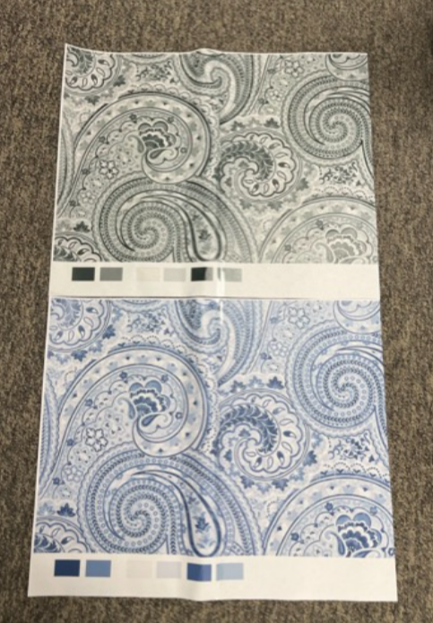 |  | Regency Heights |  | COMFORTER (SET) | Kashmir | 100% Polyester Microfiber 8pcs Comforter Set | 100% polyester comforter set | Comforter/sham face: 100% polyester micro fiber 85gram printed; Comforter Back/bed skirt/euro sham: 75gsm solid microfiber solid; Comforter filling: 180gsm 100% polyester; pillow: micro fiber cover with polyester filling | Face and Back: 100% polyester. Poly fill | Queen: 90x90"/20x26"(2)/60x80+15"/26x26"(2)/12x16"/16x16" | Green | RH10-0974 |  | Set |  | 7.60 | $10.70 | $10.70 |  | Compressed/Knocked Down | 52.0 | 41.5 | 32.0 | 10.00 | 3 | 0.069 | 2824 | 4000 | $1.42 | 9404.40.9022 | 22.80% | $2.44 | $14.56 | 0.00% | $0.00 | 0.00% | $0.00 | 0.00% | $0.00 | $0.00 | 0 | 0.00% | $0.00 | $0.00 | $14.56 | 0.00% | $14.56 | $22.50 | $44.99 | 50.00% | 825
2 |  |  | Regency Heights |  | COMFORTER (SET) | Kashmir | 100% Polyester Microfiber 8pcs Comforter Set | 100% polyester comforter set | Comforter/sham face: 100% polyester micro fiber 85gram printed; Comforter Back/bed skirt/euro sham: 75gsm solid microfiber solid; Comforter filling: 180gsm 100% polyester; pillow: micro fiber cover with polyester filling | Face and Back: 100% polyester. Poly fill | King: 104x90"/20x36"(2)/78x80+15"/26x26"(2)/12x16"/16x16" | Green | RH10-0975 |  | Set |  | 7.60 | $11.80 | $11.80 |  | Compressed/Knocked Down | 58.0 | 41.5 | 32.0 | 10.00 | 3 | 0.077 | 2532 | 4000 | $1.58 | 9404.40.9022 | 22.80% | $2.69 | $16.07 | 0.00% | $0.00 | 0.00% | $0.00 | 0.00% | $0.00 | $0.00 | 0 | 0.00% | $0.00 | $0.00 | $16.07 | 0.00% | $16.07 | $24.00 | $47.99 | 50.00% | 765
3 |  |  | Regency Heights |  | COMFORTER (SET) | Kashmir | 100% Polyester Microfiber 8pcs Comforter Set | 100% polyester comforter set | Comforter/sham face: 100% polyester micro fiber 85gram printed; Comforter Back/bed skirt/euro sham: 75gsm solid microfiber solid; Comforter filling: 180gsm 100% polyester; pillow: micro fiber cover with polyester filling | Face and Back: 100% polyester. Poly fill | Cal King: 104x90"/20x36"(2)/72x84+15"/26x26"(2)/12x16"/16x16" | Green | RH10-0976 |  | Set |  | 7.60 | $11.80 | $11.80 |  | Compressed/Knocked Down | 58.0 | 41.5 | 32.0 | 10.00 | 3 | 0.077 | 2532 | 4000 | $1.58 | 9404.40.9022 | 22.80% | $2.69 | $16.07 | 0.00% | $0.00 | 0.00% | $0.00 | 0.00% | $0.00 | $0.00 | 0 | 0.00% | $0.00 | $0.00 | $16.07 | 0.00% | $16.07 | $25.00 | $49.99 | 50.00% | 516
4 |  |  | Regency Heights |  | COMFORTER (SET) | Kashmir | 100% Polyester Microfiber 8pcs Comforter Set | 100% polyester comforter set | Comforter/sham face: 100% polyester micro fiber 85gram printed; Comforter Back/bed skirt/euro sham: 75gsm solid microfiber solid; Comforter filling: 180gsm 100% polyester; pillow: micro fiber cover with polyester filling | Face and Back: 100% polyester. Poly fill | Queen: 90x90"/20x26"(2)/60x80+15"/26x26"(2)/12x16"/16x16" | Coastal Blue | RH10-0977 |  | Set |  | 7.60 | $10.70 | $10.70 |  | Compressed/Knocked Down | 52.0 | 41.5 | 32.0 | 10.00 | 3 | 0.069 | 2824 | 4000 | $1.42 | 9404.40.9022 | 22.80% | $2.44 | $14.56 | 0.00% | $0.00 | 0.00% | $0.00 | 0.00% | $0.00 | $0.00 | 0 | 0.00% | $0.00 | $0.00 | $14.56 | 0.00% | $14.56 | $22.50 | $44.99 | 50.00% | 795
5 |  |  | Regency Heights |  | COMFORTER (SET) | Kashmir | 100% Polyester Microfiber 8pcs Comforter Set | 100% polyester comforter set | Comforter/sham face: 100% polyester micro fiber 85gram printed; Comforter Back/bed skirt/euro sham: 75gsm solid microfiber solid; Comforter filling: 180gsm 100% polyester; pillow: micro fiber cover with polyester filling | Face and Back: 100% polyester. Poly fill | King: 104x90"/20x36"(2)/78x80+15"/26x26"(2)/12x16"/16x16" | Coastal Blue | RH10-0978 |  | Set |  | 7.60 | $11.80 | $11.80 |  | Compressed/Knocked Down | 58.0 | 41.5 | 32.0 | 10.00 | 3 | 0.077 | 2532 | 4000 | $1.58 | 9404.40.9022 | 22.80% | $2.69 | $16.07 | 0.00% | $0.00 | 0.00% | $0.00 | 0.00% | $0.00 | $0.00 | 0 | 0.00% | $0.00 | $0.00 | $16.07 | 0.00% | $16.07 | $24.00 | $47.99 | 50.00% | 687
6 |  |  | Regency Heights |  | COMFORTER (SET) | Kashmir | 100% Polyester Microfiber 8pcs Comforter Set | 100% polyester comforter set | Comforter/sham face: 100% polyester micro fiber 85gram printed; Comforter Back/bed skirt/euro sham: 75gsm solid microfiber solid; Comforter filling: 180gsm 100% polyester; pillow: micro fiber cover with polyester filling | Face and Back: 100% polyester. Poly fill | Cal King: 104x90"/20x36"(2)/72x84+15"/26x26"(2)/12x16"/16x16" | Coastal Blue | RH10-0979 |  | Set |  | 7.60 | $11.80 | $11.80 |  | Compressed/Knocked Down | 58.0 | 41.5 | 32.0 | 10.00 | 3 | 0.077 | 2532 | 4000 | $1.58 | 9404.40.9022 | 22.80% | $2.69 | $16.07 | 0.00% | $0.00 | 0.00% | $0.00 | 0.00% | $0.00 | $0.00 | 0 | 0.00% | $0.00 | $0.00 | $16.07 | 0.00% | $16.07 | $25.00 | $49.99 | 50.00% | 468

