Item Master
Vendor | Line No. | Photo | VIN/Art No. | Brand | Licensor | Product Category | Pattern | Item Description | Description-Short | Fabrication | Material-Short | Size/Spec. | Color | Customer Item# | Item No. | UPC | Unit of Measure | China RMB Cost | Exchange Rate | FOB Cost $ (Formula) | FOB Cost $ (Value) | UCCPM Price | Package Type | Carton Size L (cm) | Carton Size W (cm) | Carton Size H (cm) | Carton Gross Weight (kg) | Case Pack | Cubic Meter per Carton | Total Units per 40ft Container | 40ft Container Freight | Ocean Freight per Item $ | HTS Code | Duty Rate | Duty per Item $ | LDP Cost $ | DA % | DA $ | General Load % | General Load $ | Warehouse Charge % | Warehouse Charge $ | Load 1 | Load 1 % | Load 1 $ | Total Load $ | LDP Cost with Load $ | JLA LDP MU% | JLA POE Price Quote (Formula) | JLA POE Price Quote (Value) | Suggested Retail Price | Retailer Markup (Value) | Retailer Markup (Formula) | Total Quantity | Total Cost | Total Sales
 | 1 |  |  | Woolrich | Woolrich 5% | QUILT | SOLID CORDUROY | 100% polyester Hanging 3pc Quilt Set | Hanging 3pc Quilt Set | Front: Poly corduroy velvet. Stitch quilted Back: 85gsm microfiber solid. 150gsm poly fill | 100% polyester | Queen: 90x90"/20x26+1/2“(2) | TAN |  | WR14-4174 |  | Set | ¥94.19 | 7.80 | $12.08 | $11.74 |  | Normal | 45.0 | 43.0 | 27.0 | 5.00 | 2 | 0.052 | 2488 | 3300 | $1.33 | 9404.40.9022 | 27.80% | $3.26 | $16.33 |  | $0.00 |  | $0.00 |  | $0.00 | Woolrich | 7.00% | $1.54 | $1.54 | $17.87 | 18.57% | $21.94 | $21.94 | $39.99 | 45.14% | 45.14% | 800 | $14,292.59 | $17,552.00
 | 2 |  |  | Woolrich | Woolrich 5% | QUILT | SOLID CORDUROY | 100% polyester Hanging 3pc Quilt Set | Hanging 3pc Quilt Set | Front: Poly corduroy velvet. Stitch quilted Back: 85gsm microfiber solid. 150gsm poly fill | 100% polyester | King: 104x90"/20x36+1/2“(2) | TAN |  | WR14-4175 |  | Set | ¥108.68 | 7.80 | $13.93 | $13.53 |  | Normal | 45.0 | 43.0 | 30.0 | 5.00 | 2 | 0.058 | 2239 | 3300 | $1.47 | 9404.40.9022 | 27.80% | $3.76 | $18.76 |  | $0.00 |  | $0.00 |  | $0.00 | Woolrich | 7.00% | $1.75 | $1.75 | $20.51 | 17.94% | $25.00 | $25.00 | $44.99 | 44.43% | 44.43% | 700 | $14,360.44 | $17,500.00
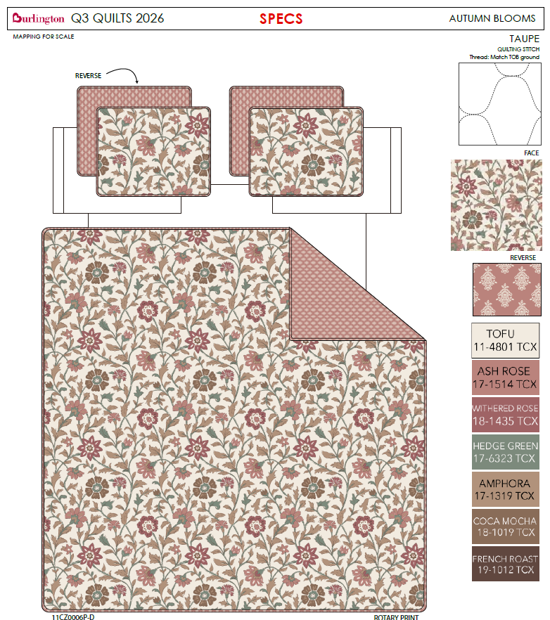
 | 3 |  | 11CZ0006P-D | Nanette Lepore |  | QUILT | AUTUMN BLOOMS | 100% polyester Hanging 3pc Quilt Set | Hanging 3pc Quilt Set | Quilt/Shams: 85gsm prewashed microfiber rotary print on front and print reverse. 180gsm polyester fill. Stitch quilted. Hanger packaging. | 100% polyester | Queen: 90x90"/20x26+1/2“(2) | PINK |  | BCF14-4157 |  | Set | ¥0.00 | 7.80 | $0.00 | $8.73 |  | Normal | 45.0 | 43.0 | 22.0 | 5.00 | 2 | 0.043 | 3054 | 3300 | $1.08 | 9404.40.9022 | 27.80% | $2.43 | $12.24 |  | $0.00 |  | $0.00 |  | $0.00 |  |  | $0.00 | $0.00 | $12.24 | 17.59% | $14.85 | $14.85 | $29.99 | 50.48% | 50.48% | 1000 | $12,237.56 | $14,850.00
 | 4 |  | 11CZ0006P-D | Nanette Lepore |  | QUILT | AUTUMN BLOOMS | 100% polyester Hanging 3pc Quilt Set | Hanging 3pc Quilt Set | Quilt/Shams: 85gsm prewashed microfiber rotary print on front and print reverse. 180gsm polyester fill. Stitch quilted. Hanger packaging. | 100% polyester | King: 104x90"/20x36+1/2“(2) | PINK |  | BCF14-4158 |  | Set | ¥0.00 | 7.80 | $0.00 | $9.83 |  | Normal | 45.0 | 43.0 | 25.0 | 5.00 | 2 | 0.048 | 2687 | 3300 | $1.23 | 9404.40.9022 | 27.80% | $2.73 | $13.79 |  | $0.00 |  | $0.00 |  | $0.00 |  |  | $0.00 | $0.00 | $13.79 | 16.27% | $16.47 | $16.47 | $34.99 | 52.93% | 52.93% | 500 | $6,895.36 | $8,235.00
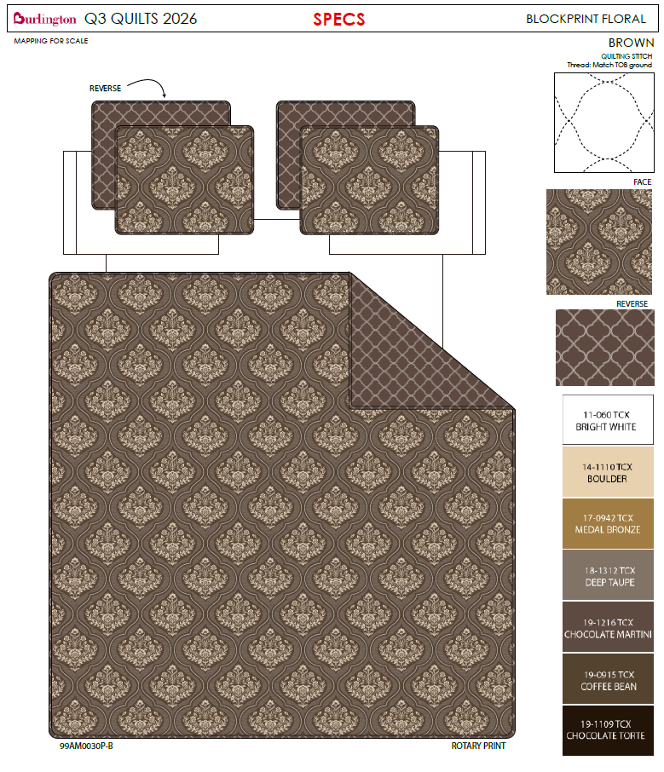
 | 5 |  | 99AM0030P-B | Nanette Lepore |  | QUILT | BLOCK PRINT FLOWER | 100% polyester Hanging 3pc Quilt Set | Hanging 3pc Quilt Set | Quilt/Shams: 85gsm prewashed microfiber rotary print on front and print reverse. 180gsm polyester fill. Stitch quilted. Hanger packaging. | 100% polyester | Queen: 90x90"/20x26+1/2“(2) | BROWN |  | BCF14-4159 |  | Set | ¥0.00 | 7.80 | $0.00 | $8.73 |  | Normal | 45.0 | 43.0 | 22.0 | 5.00 | 2 | 0.043 | 3054 | 3300 | $1.08 | 9404.40.9022 | 27.80% | $2.43 | $12.24 |  | $0.00 |  | $0.00 |  | $0.00 |  |  | $0.00 | $0.00 | $12.24 | 17.59% | $14.85 | $14.85 | $29.99 | 50.48% | 50.48% | 1300 | $15,908.83 | $19,305.00
 | 6 |  | 99AM0030P-B | Nanette Lepore |  | QUILT | BLOCK PRINT FLOWER | 100% polyester Hanging 3pc Quilt Set | Hanging 3pc Quilt Set | Quilt/Shams: 85gsm prewashed microfiber rotary print on front and print reverse. 180gsm polyester fill. Stitch quilted. Hanger packaging. | 100% polyester | King: 104x90"/20x36+1/2“(2) | BROWN |  | BCF14-4160 |  | Set | ¥0.00 | 7.80 | $0.00 | $9.83 |  | Normal | 45.0 | 43.0 | 25.0 | 5.00 | 2 | 0.048 | 2687 | 3300 | $1.23 | 9404.40.9022 | 27.80% | $2.73 | $13.79 |  | $0.00 |  | $0.00 |  | $0.00 |  |  | $0.00 | $0.00 | $13.79 | 16.27% | $16.47 | $16.47 | $34.99 | 52.93% | 52.93% | 700 | $9,653.50 | $11,529.00
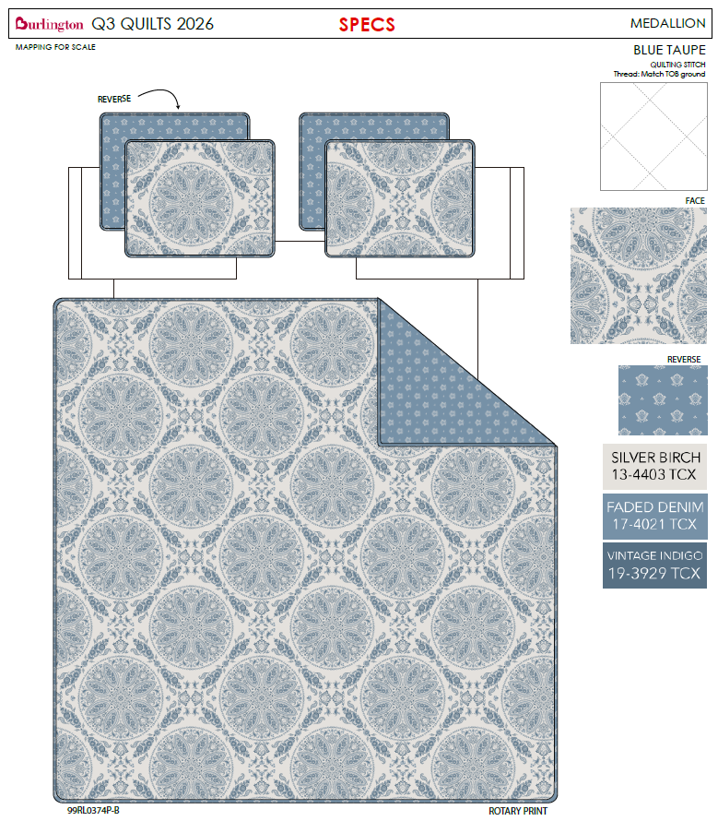
 | 7 |  | 99RL0374P-B | Wendy Bellissimo Home |  | QUILT | MEDALLION | 100% polyester Hanging 3pc Quilt Set | Hanging 3pc Quilt Set | Quilt/Shams: 85gsm prewashed microfiber rotary print on front and print reverse. 180gsm polyester fill. Stitch quilted. Hanger packaging. | 100% polyester | Queen: 90x90"/20x26+1/2“(2) | BLUE |  | BCF14-4161 |  | Set | ¥0.00 | 7.80 | $0.00 | $8.73 |  | Normal | 45.0 | 43.0 | 22.0 | 5.00 | 2 | 0.043 | 3054 | 3300 | $1.08 | 9404.40.9022 | 27.80% | $2.43 | $12.24 |  | $0.00 |  | $0.00 |  | $0.00 |  |  | $0.00 | $0.00 | $12.24 | 17.59% | $14.85 | $14.85 | $29.99 | 50.48% | 50.48% | 1300 | $15,908.83 | $19,305.00
 | 8 |  | 99RL0374P-B | Wendy Bellissimo Home |  | QUILT | MEDALLION | 100% polyester Hanging 3pc Quilt Set | Hanging 3pc Quilt Set | Quilt/Shams: 85gsm prewashed microfiber rotary print on front and print reverse. 180gsm polyester fill. Stitch quilted. Hanger packaging. | 100% polyester | King: 104x90"/20x36+1/2“(2) | BLUE |  | BCF14-4162 |  | Set | ¥0.00 | 7.80 | $0.00 | $9.83 |  | Normal | 45.0 | 43.0 | 25.0 | 5.00 | 2 | 0.048 | 2687 | 3300 | $1.23 | 9404.40.9022 | 27.80% | $2.73 | $13.79 |  | $0.00 |  | $0.00 |  | $0.00 |  |  | $0.00 | $0.00 | $13.79 | 16.27% | $16.47 | $16.47 | $34.99 | 52.93% | 52.93% | 700 | $9,653.50 | $11,529.00
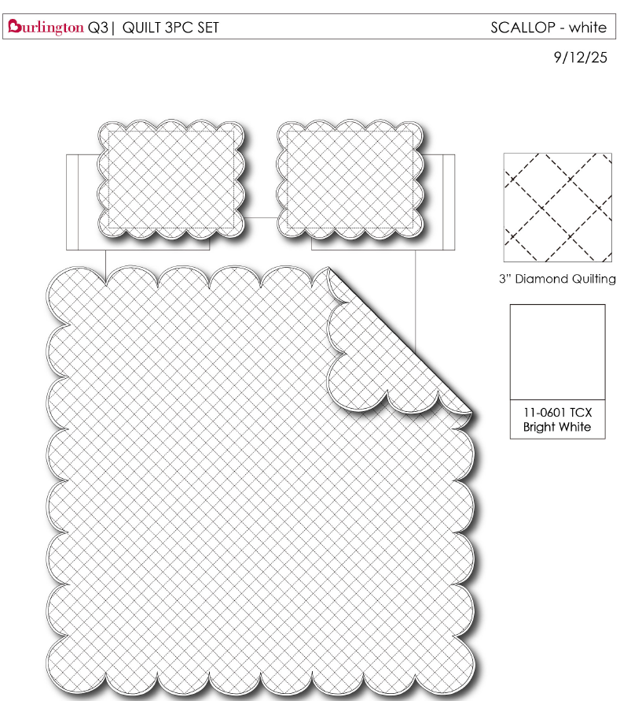
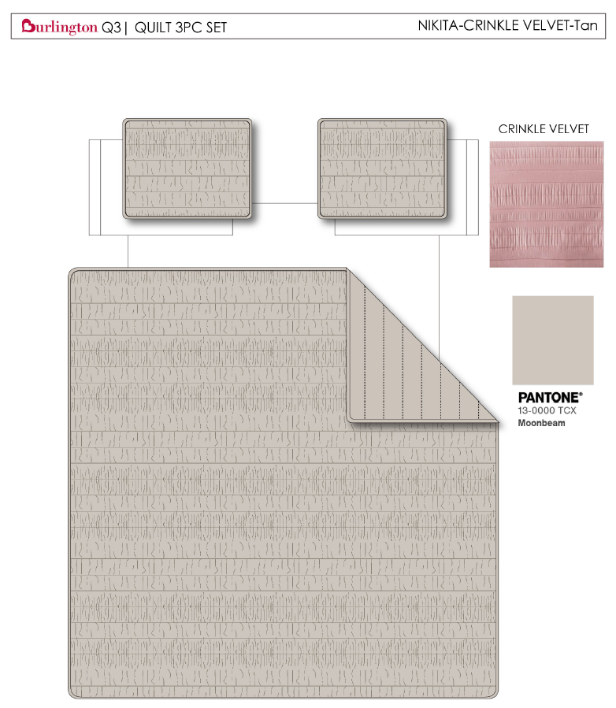
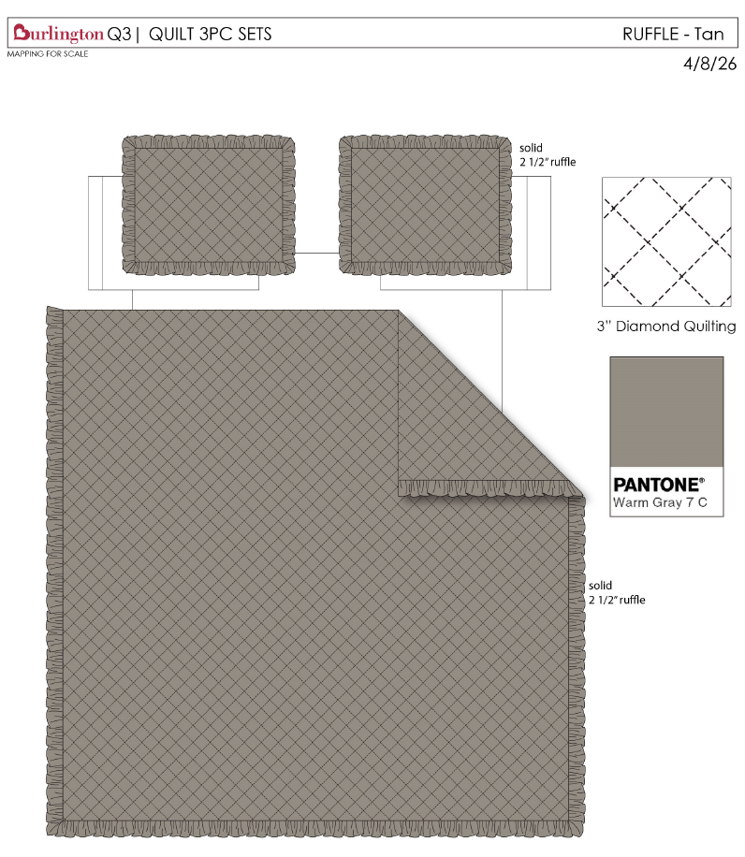
 | 13 |  |  | Arabella & Lily |  | QUILT | SOLID WASHED RUFFLE | 100% polyester Hanging 3pc Quilt Set | Hanging 3pc Quilt Set | FRONT 85gsm microfiber solid, Ultra soft Prewash Diamond Quilted Ruffle Edge. 180gsm poly fill. Hanging packaging. | 100% polyester | Queen: 90x90"/20x26+1/2“(2) | TAN |  | BCF14-4163 |  | Set | ¥0.00 | 7.80 | $0.00 | $9.10 |  | Normal | 45.0 | 43.0 | 26.0 | 5.00 | 2 | 0.050 | 2584 | 3300 | $1.28 | 9404.40.9022 | 27.80% | $2.53 | $12.91 |  | $0.00 |  | $0.00 |  | $0.00 |  |  | $0.00 | $0.00 | $12.91 | 15.42% | $15.26 | $15.26 | $29.99 | 49.12% | 49.12% | 1000 | $12,906.90 | $15,260.00
 | 14 |  |  | Arabella & Lily |  | QUILT | SOLID WASHED RUFFLE | 100% polyester Hanging 3pc Quilt Set | Hanging 3pc Quilt Set | FRONT 85gsm microfiber solid, Ultra soft Prewash Diamond Quilted Ruffle Edge. 180gsm poly fill. Hanging packaging. | 100% polyester | King: 104x90"/20x36+1/2“(2) | TAN |  | BCF14-4164 |  | Set | upcharge-2.5% | 7.80 |  | $10.37 |  | Normal | 45.0 | 23.0 | 42.0 | 5.00 | 2 | 0.043 | 2991 | 3300 | $1.10 | 9404.40.9022 | 27.80% | $2.88 | $14.36 |  | $0.00 |  | $0.00 |  | $0.00 |  |  | $0.00 | $0.00 | $14.36 | 17.40% | $17.38 | $17.38 | $34.99 | 50.33% | 50.33% | 500 | $7,178.16 | $8,690.00
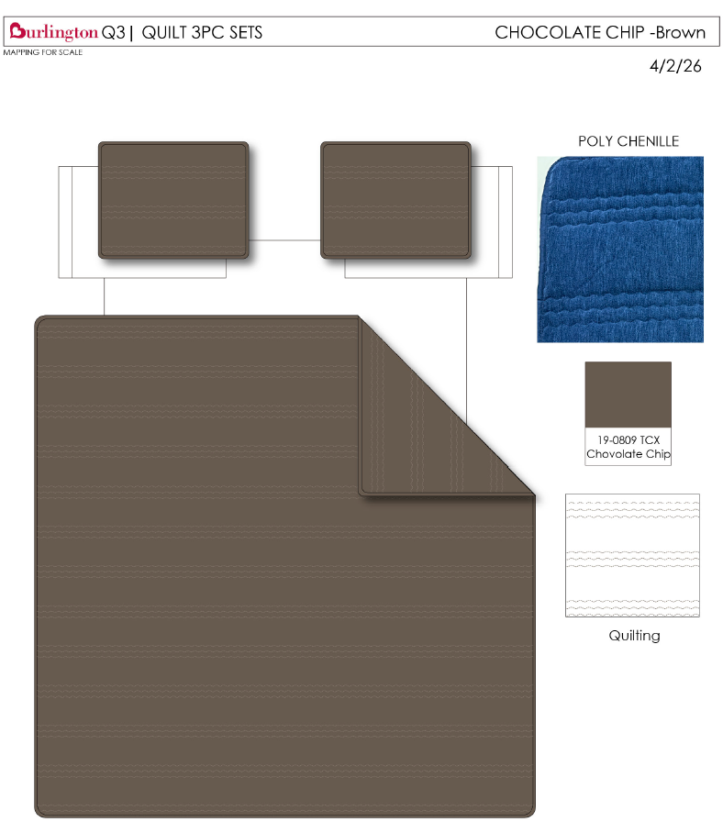
 | 15 |  |  | Woolrich | Woolrich 5% | QUILT | CHOCOLATE CHIP | 100% polyester Hanging 3pc Quilt Set | Hanging 3pc Quilt Set | Front: 170 gsm Poly velvet, embroidery. Back: 85gsm microfiber solid. 150gsm poly fill. | 100% polyester | Queen: 90x90"/20x26+1/2“(2) | BROWN |  | WR14-4176 |  | Set | ¥0.00 | 7.80 | $0.00 | $12.74 |  | Normal | 45.0 | 43.0 | 27.0 | 5.00 | 2 | 0.052 | 2488 | 3300 | $1.33 | 9404.40.9022 | 27.80% | $3.54 | $17.61 |  | $0.00 |  | $0.00 |  | $0.00 | Woolrich | 7.00% | $1.58 | $1.58 | $19.18 | 14.74% | $22.50 | $22.50 | $39.99 | 43.74% | 43.74% | 1000 | $19,182.94 | $22,500.00
 | 16 |  |  | Woolrich | Woolrich 5% | QUILT | CHOCOLATE CHIP | 100% polyester Hanging 3pc Quilt Set | Hanging 3pc Quilt Set | Front: 170 gsm Poly velvet, embroidery. Back: 85gsm microfiber solid. 150gsm poly fill. | 100% polyester | King: 104x90"/20x36+1/2“(2) | BROWN |  | WR14-4177 |  | Set | ¥0.00 | 7.80 | $0.00 | $14.66 |  | Normal | 45.0 | 43.0 | 30.0 | 5.00 | 2 | 0.058 | 2239 | 3300 | $1.47 | 9404.40.9022 | 27.80% | $4.08 | $20.21 |  | $0.00 |  | $0.00 |  | $0.00 | Woolrich | 7.00% | $1.82 | $1.82 | $22.03 | 15.27% | $26.00 | $26.00 | $44.99 | 42.21% | 42.21% | 500 | $11,014.53 | $13,000.00
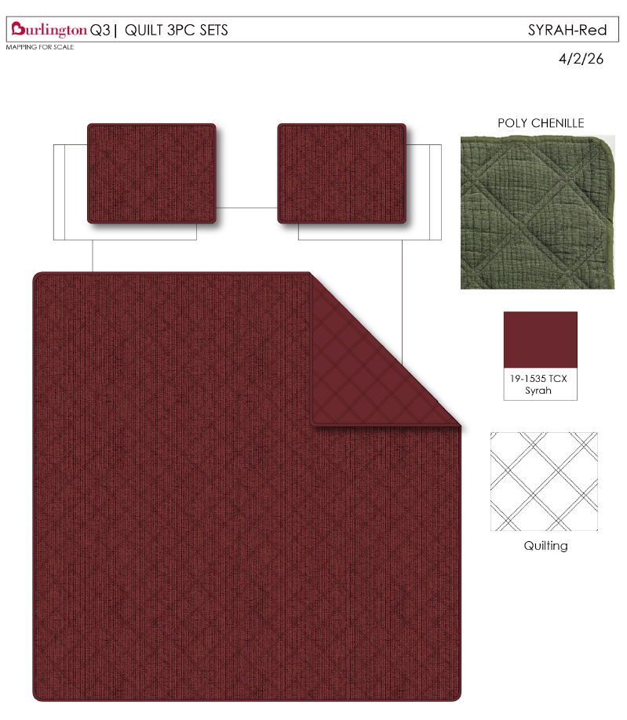
 | 17 |  |  | Woolrich | Woolrich 5% | QUILT | SYRAH | 100% polyester Hanging 3pc Quilt Set | Hanging 3pc Quilt Set | Front: Poly Chenille. Stitch quilted Back: 85gsm microfiber solid. 150gsm poly fill. | 100% polyester | Queen: 90x90"/20x26+1/2“(2) | RED |  | WR14-4178 |  | Set | ¥99.36 | 7.80 | $12.74 | $12.08 |  | Normal | 45.0 | 43.0 | 27.0 | 5.00 | 2 | 0.052 | 2488 | 3300 | $1.33 | 9404.40.9022 | 27.80% | $3.36 | $16.76 |  | $0.00 |  | $0.00 |  | $0.00 | Woolrich | 7.00% | $1.57 | $1.57 | $18.34 | 18.39% | $22.47 | $22.47 | $39.99 | 43.81% | 43.81% | 1000 | $18,337.36 | $22,470.00
 | 18 |  |  | Woolrich | Woolrich 5% | QUILT | SYRAH | 100% polyester Hanging 3pc Quilt Set | Hanging 3pc Quilt Set | Front: Poly Chenille. Stitch quilted Back: 85gsm microfiber solid. 150gsm poly fill. | 100% polyester | King: 104x90"/20x36+1/2“(2) | RED |  | WR14-4179 |  | Set | ¥114.37 | 7.80 | $14.66 | $13.93 |  | Normal | 45.0 | 43.0 | 30.0 | 5.00 | 2 | 0.058 | 2239 | 3300 | $1.47 | 9404.40.9022 | 27.80% | $3.87 | $19.28 |  | $0.00 |  | $0.00 |  | $0.00 | Woolrich | 7.00% | $1.77 | $1.77 | $21.04 | 16.66% | $25.25 | $25.25 | $44.99 | 43.88% | 43.88% | 500 | $10,521.81 | $12,625.00
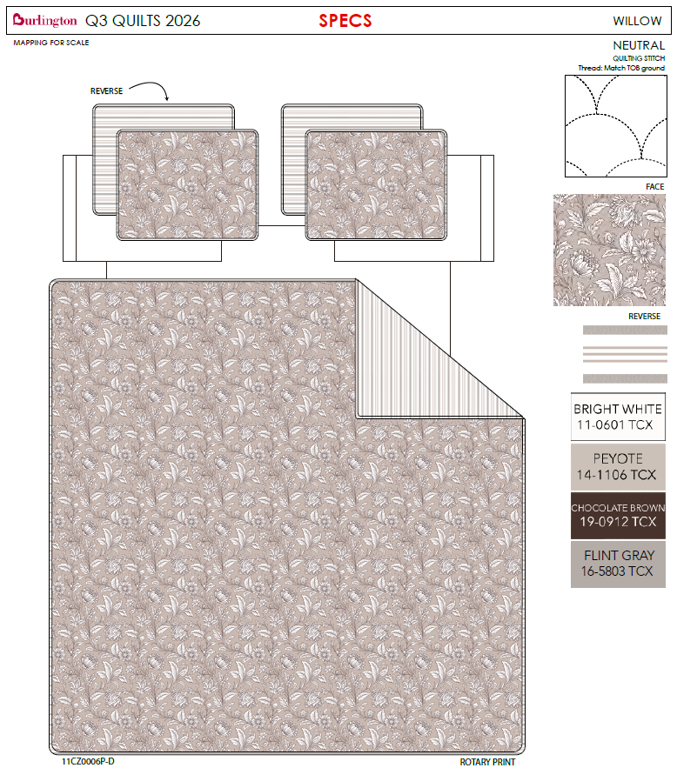
 | 19 |  | 11CZ0006P-D | Nanette Lepore |  | QUILT | OMBRE FLORAL | 100% polyester Hanging 3pc Quilt Set | Hanging 3pc Quilt Set | Quilt/Shams: 85gsm prewashed microfiber rotary print on front and print reverse. 180gsm polyester fill. Stitch quilted. Hanger packaging. | 100% polyester | Queen: 90x90"/20x26+1/2“(2) | BROWN |  | BCF14-4165 |  | Set | ¥0.00 | 7.80 | $0.00 | $8.73 |  | Normal | 45.0 | 43.0 | 22.0 | 5.00 | 2 | 0.043 | 3054 | 3300 | $1.08 | 9404.40.9022 | 27.80% | $2.43 | $12.24 |  | $0.00 |  | $0.00 |  | $0.00 |  |  | $0.00 | $0.00 | $12.24 | 17.59% | $14.85 | $14.85 | $29.99 | 50.48% | 50.48% | 1000 | $12,237.56 | $14,850.00
 | 20 |  |  | Nanette Lepore |  | QUILT | OMBRE FLORAL | 100% polyester Hanging 3pc Quilt Set | Hanging 3pc Quilt Set | Quilt/Shams: 85gsm prewashed microfiber rotary print on front and print reverse. 180gsm polyester fill. Stitch quilted. Hanger packaging. | 100% polyester | King: 104x90"/20x36+1/2“(2) | BROWN |  | BCF14-4166 |  | Set | ¥0.00 | 7.80 | $0.00 | $9.83 |  | Normal | 45.0 | 43.0 | 25.0 | 5.00 | 2 | 0.048 | 2687 | 3300 | $1.23 | 9404.40.9022 | 27.80% | $2.73 | $13.79 |  | $0.00 |  | $0.00 |  | $0.00 |  |  | $0.00 | $0.00 | $13.79 | 16.27% | $16.47 | $16.47 | $34.99 | 52.93% | 52.93% | 500 | $6,895.36 | $8,235.00
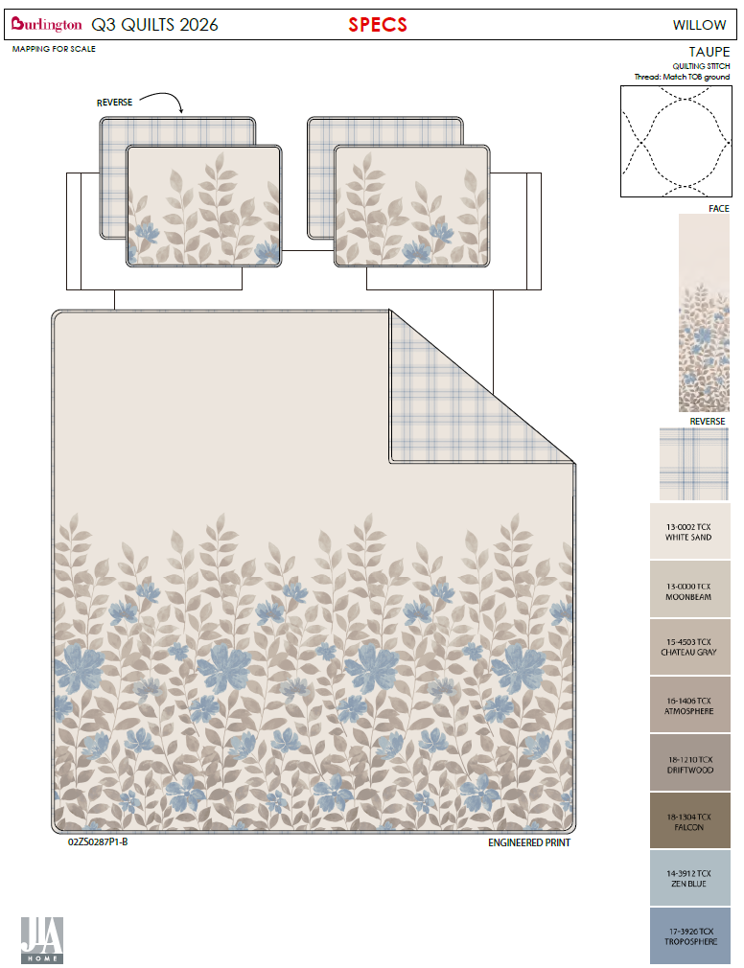
 | 21 |  | 02ZS0287P1-B | Nanette Lepore |  | QUILT | WILLOW NEUTRAL | 100% polyester Hanging 3pc Quilt Set | Hanging 3pc Quilt Set | Quilt/Shams: 85gsm prewashed microfiber rotary print on front and print reverse. 180gsm polyester fill. Stitch quilted. Hanger packaging. | 100% polyester | Queen: 90x90"/20x26+1/2“(2) | BROWN |  | BCF14-4167 |  | Set | ¥0.00 | 7.80 | $0.00 | $8.73 |  | Normal | 45.0 | 43.0 | 22.0 | 5.00 | 2 | 0.043 | 3054 | 3300 | $1.08 | 9404.40.9022 | 27.80% | $2.43 | $12.24 |  | $0.00 |  | $0.00 |  | $0.00 |  |  | $0.00 | $0.00 | $12.24 | 17.59% | $14.85 | $14.85 | $29.99 | 50.48% | 50.48% | 1000 | $12,237.56 | $14,850.00
 | 22 |  | 02ZS0287P1-B | Nanette Lepore |  | QUILT | WILLOW NEUTRAL | 100% polyester Hanging 3pc Quilt Set | Hanging 3pc Quilt Set | Quilt/Shams: 85gsm prewashed microfiber rotary print on front and print reverse. 180gsm polyester fill. Stitch quilted. Hanger packaging. | 100% polyester | King: 104x90"/20x36+1/2“(2) | BROWN |  | BCF14-4168 |  | Set | ¥0.00 | 7.80 | $0.00 | $9.83 |  | Normal | 45.0 | 43.0 | 25.0 | 5.00 | 2 | 0.048 | 2687 | 3300 | $1.23 | 9404.40.9022 | 27.80% | $2.73 | $13.79 |  | $0.00 |  | $0.00 |  | $0.00 |  |  | $0.00 | $0.00 | $13.79 | 16.27% | $16.47 | $16.47 | $34.99 | 52.93% | 52.93% | 600 | $8,274.43 | $9,882.00
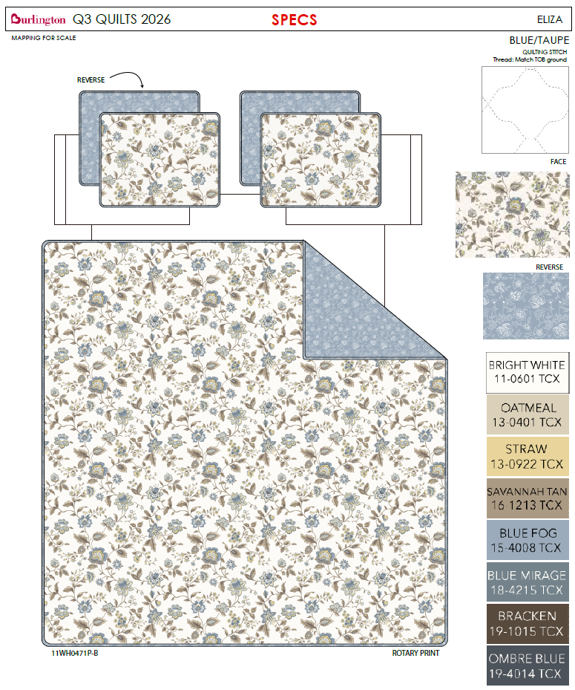
 | 23 |  | 11WH0471P-B | Nanette Lepore |  | QUILT | ELIZA | 100% polyester Hanging 3pc Quilt Set | Hanging 3pc Quilt Set | Quilt/Shams: 85gsm prewashed microfiber rotary print on front and print reverse. 180gsm polyester fill. Stitch quilted. Hanger packaging. | 100% polyester | Queen: 90x90"/20x26+1/2“(2) | BLUE |  | BCF14-4169 |  | Set | ¥0.00 | 7.80 | $0.00 | $8.73 |  | Normal | 45.0 | 43.0 | 22.0 | 5.00 | 2 | 0.043 | 3054 | 3300 | $1.08 | 9404.40.9022 | 27.80% | $2.43 | $12.24 |  | $0.00 |  | $0.00 |  | $0.00 |  |  | $0.00 | $0.00 | $12.24 | 17.59% | $14.85 | $14.85 | $29.99 | 50.48% | 50.48% | 1000 | $12,237.56 | $14,850.00
 | 24 |  | 11WH0471P-B | Nanette Lepore |  | QUILT | ELIZA | 100% polyester Hanging 3pc Quilt Set | Hanging 3pc Quilt Set | Quilt/Shams: 85gsm prewashed microfiber rotary print on front and print reverse. 180gsm polyester fill. Stitch quilted. Hanger packaging. | 100% polyester | King: 104x90"/20x36+1/2“(2) | BLUE |  | BCF14-4170 |  | Set | ¥0.00 | 7.80 | $0.00 | $9.83 |  | Normal | 45.0 | 43.0 | 25.0 | 5.00 | 2 | 0.048 | 2687 | 3300 | $1.23 | 9404.40.9022 | 27.80% | $2.73 | $13.79 |  | $0.00 |  | $0.00 |  | $0.00 |  |  | $0.00 | $0.00 | $13.79 | 16.27% | $16.47 | $16.47 | $34.99 | 52.93% | 52.93% | 600 | $8,274.43 | $9,882.00
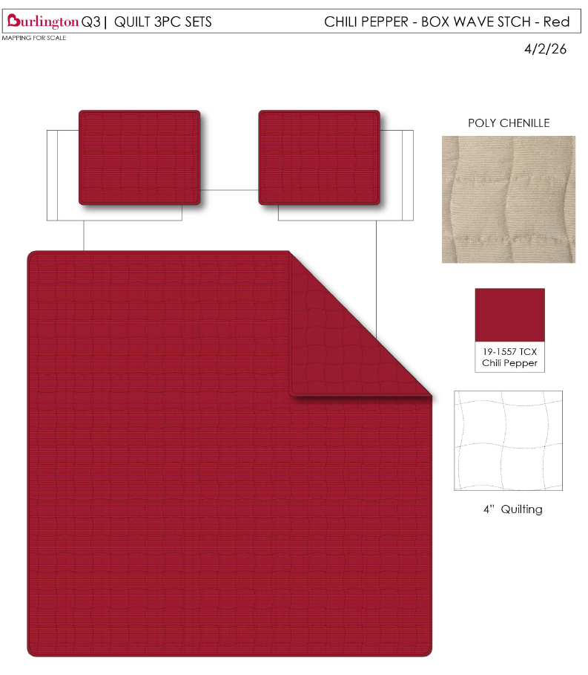
 | 25 |  |  | Woolrich | Woolrich 5% | QUILT | CHILI PEPPER | 100% polyester Hanging 3pc Quilt Set | Hanging 3pc Quilt Set | Front: Poly Chenille Corduroy. Stitch quilted Back: 85gsm microfiber solid. 150gsm poly fill. | 100% polyester | Queen: 90x90"/20x26+1/2“(2) | RED |  | WR14-4180 |  | Set | ¥91.60 | 7.80 | $11.74 | $10.48 |  | Normal | 45.0 | 43.0 | 27.0 | 5.00 | 2 | 0.052 | 2488 | 3300 | $1.33 | 9404.40.9022 | 27.80% | $2.91 | $14.72 |  | $0.00 |  | $0.00 |  | $0.00 | Woolrich | 7.00% | $1.39 | $1.39 | $16.11 | 18.66% | $19.80 | $19.80 | $39.99 | 50.49% | 50.49% | 1000 | $16,105.66 | $19,800.00
 | 26 |  |  | Woolrich | Woolrich 5% | QUILT | CHILI PEPPER | 100% polyester Hanging 3pc Quilt Set | Hanging 3pc Quilt Set | Front: Poly Chenille Corduroy. Stitch quilted Back: 85gsm microfiber solid. 150gsm poly fill. | 100% polyester | King: 104x90"/20x36+1/2“(2) | RED |  | WR14-4181 |  | Set | ¥105.57 | 7.80 | $13.53 | $11.94 |  | Normal | 45.0 | 43.0 | 30.0 | 5.00 | 2 | 0.058 | 2239 | 3300 | $1.47 | 9404.40.9022 | 27.80% | $3.32 | $16.73 |  | $0.00 |  | $0.00 |  | $0.00 | Woolrich | 7.00% | $1.57 | $1.57 | $18.31 | 18.53% | $22.47 | $22.47 | $44.99 | 50.06% | 50.06% | 500 | $9,152.90 | $11,235.00
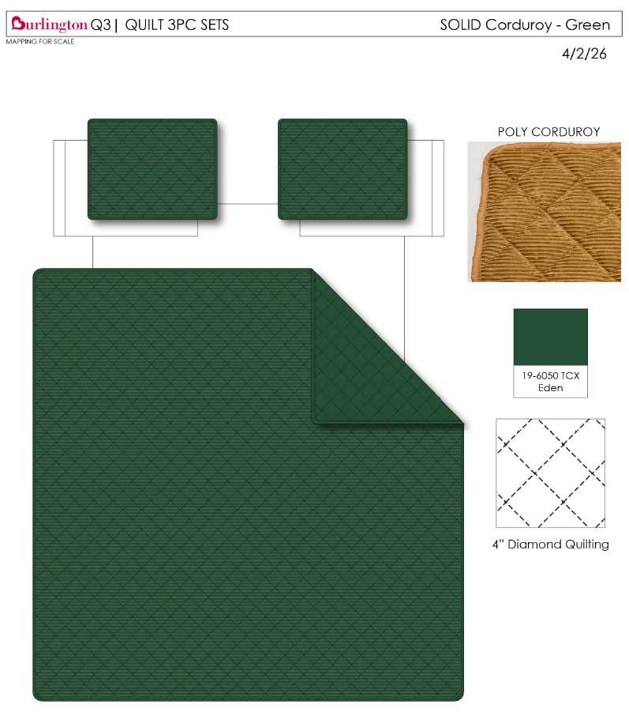
 | 27 |  |  | Woolrich | Woolrich 5% | QUILT | SOLID CORDUROY | 100% polyester Hanging 3pc Quilt Set | Hanging 3pc Quilt Set | Front: Poly corduroy velvet. Stitch quilted Back: 85gsm microfiber solid. 150gsm poly fill | 100% polyester | Queen: 90x90"/20x26+1/2“(2) | GREEN |  | WR14-4182 |  | Set | ¥94.19 | 7.80 | $12.08 | $11.74 |  | Normal | 45.0 | 43.0 | 27.0 | 5.00 | 2 | 0.052 | 2488 | 3300 | $1.33 | 9404.40.9022 | 27.80% | $3.26 | $16.33 |  | $0.00 |  | $0.00 |  | $0.00 | Woolrich | 7.00% | $1.54 | $1.54 | $17.87 | 18.57% | $21.94 | $21.94 | $39.99 | 45.14% | 45.14% | 1000 | $17,865.74 | $21,940.00
 | 28 |  |  | Woolrich | Woolrich 5% | QUILT | SOLID CORDUROY | 100% polyester Hanging 3pc Quilt Set | Hanging 3pc Quilt Set | Front: Poly corduroy velvet. Stitch quilted Back: 85gsm microfiber solid. 150gsm poly fill | 100% polyester | King: 104x90"/20x36+1/2“(2) | GREEN |  | WR14-4183 |  | Set | ¥108.68 | 7.80 | $13.93 | $13.53 |  | Normal | 45.0 | 43.0 | 30.0 | 5.00 | 2 | 0.058 | 2239 | 3300 | $1.47 | 9404.40.9022 | 27.80% | $3.76 | $18.76 |  | $0.00 |  | $0.00 |  | $0.00 | Woolrich | 7.00% | $1.75 | $1.75 | $20.51 | 17.94% | $25.00 | $25.00 | $44.99 | 44.43% | 44.43% | 500 | $10,257.46 | $12,500.00
 | 29 | 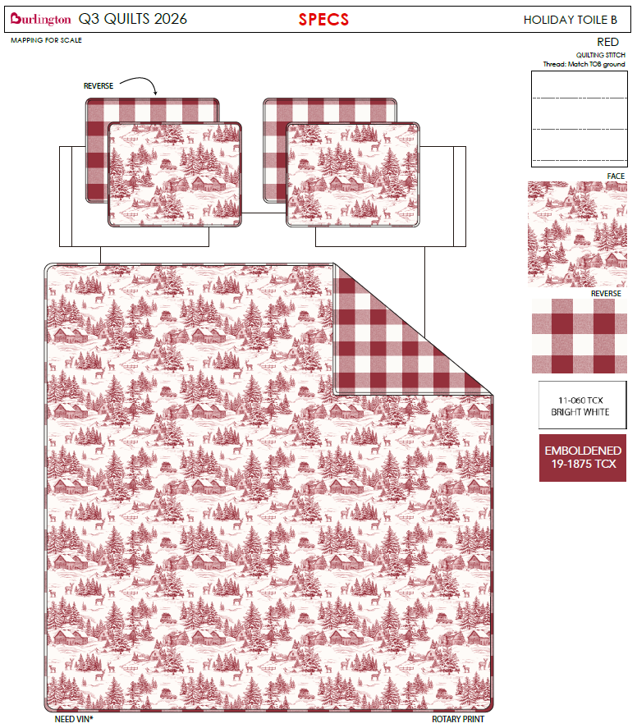 |  |  |  | QUILT | HOLIDAY TOILE | 100% polyester Hanging 3pc Quilt Set | Hanging 3pc Quilt Set | Quilt/Shams: 85gsm prewashed microfiber rotary print on front and print reverse. 180gsm polyester fill. Stitch quilted. Hanger packaging. | 100% polyester | Queen: 90x90"/20x26+1/2“(2) | RED |  | BCF14-4171 |  | Set | ¥0.00 | 7.80 | $0.00 | $8.73 |  | Normal | 45.0 | 43.0 | 22.0 | 5.00 | 2 | 0.043 | 3054 | 3300 | $1.08 | 9404.40.9022 | 27.80% | $2.43 | $12.24 |  | $0.00 |  | $0.00 |  | $0.00 |  |  | $0.00 | $0.00 | $12.24 | 17.59% | $14.85 | $14.85 | $29.99 | 50.48% | 50.48% | 1000 | $12,237.56 | $14,850.00
 | 30 |  |  |  |  | QUILT | HOLIDAY TOILE | 100% polyester Hanging 3pc Quilt Set | Hanging 3pc Quilt Set | Quilt/Shams: 85gsm prewashed microfiber rotary print on front and print reverse. 180gsm polyester fill. Stitch quilted. Hanger packaging. | 100% polyester | King: 104x90"/20x36+1/2“(2) | RED |  | BCF14-4172 |  | Set | ¥0.00 | 7.80 | $0.00 | $9.83 |  | Normal | 45.0 | 43.0 | 25.0 | 5.00 | 2 | 0.048 | 2687 | 3300 | $1.23 | 9404.40.9022 | 27.80% | $2.73 | $13.79 |  | $0.00 |  | $0.00 |  | $0.00 |  |  | $0.00 | $0.00 | $13.79 | 16.27% | $16.47 | $16.47 | $34.99 | 52.93% | 52.93% | 500 | $6,895.36 | $8,235.00

