Item
Line No. | Photo | VIN/Art No. | Brand | Licensor | Product Category | Pattern | Item Description | Description-Short | Fabrication | Material-Short | Size/Spec. | Color | Item No. | UPC | Unit of Measure | China RMB Cost | Exchange Rate | FOB Cost $ (Formula) | FOB Cost $ (Value) | UCCPM Price | Package Type | Carton Size L (cm) | Carton Size W (cm) | Carton Size H (cm) | Carton Gross Weight (kg) | Case Pack | Cubic Meter per Carton | Total Units per 40ft Container | 40ft Container Freight | Ocean Freight per Item $ | HTS Code | Duty Rate | Duty per Item $ | LDP Cost $ | DA % | DA $ | General Load % | General Load $ | Warehouse Charge % | Warehouse Charge $ | Dropship Charge | Load 1 | Load 1 % | Load 1 $ | Total Load $ | LDP Cost with Load $ | JLA LDP MU% | JLA FOB CA/GA Price Quote (Formula) | JLA price with drop ship charges | Suggested Retail Price | Initial Markup | Initial Rollout Forecast
29 | 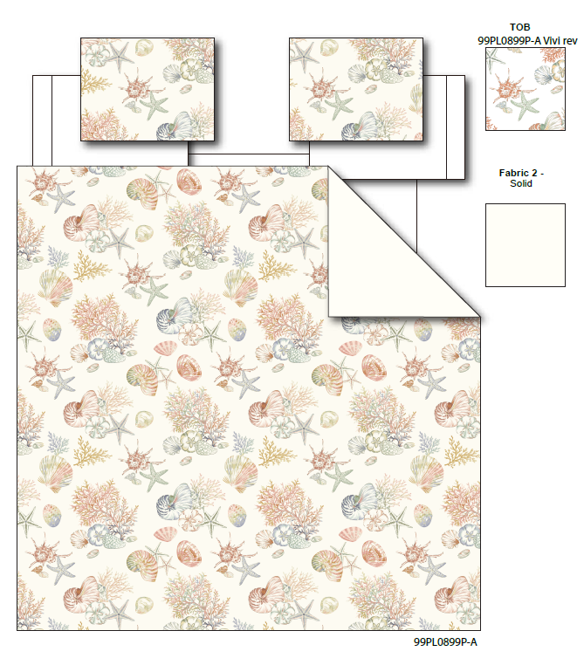 |  | Regency Heights |  | QUILT | Laguna | 100% Polyester Printed Quilt Mini Set | Quilt Mini Set | Quilt：85gsm printed face, 85gsm Printed reverse, 120gsm poly fill. With Vermicelli Quilting(pending) | 100% Polyester Microfiber, poly fill | Twin: Quilt:66x90" Sham:20x26(1) | Beige | RH14-0957 |  | Set | ￥57.50 | 7.70 | $7.47 | $7.47 |  | Compressed/Knocked Down | 42.0 | 32.0 | 37.0 | 12.57 | 3 | 0.050 | 3921 | $4,000.00 | $1.02 | 9404.40.9022 | 22.80% | $1.70 | $10.19 | 0.00% | $0.00 | 0.00% | $0.00 | 0.00% | $0.00 | $0.00 | $0.00 | 0.00% | $0.00 | $0.00 | $10.19 | 0.00% | $10.19 | $20.00 | $39.99 | 50.00%
30 |  |  | Regency Heights |  | QUILT | Laguna | 100% Polyester Printed Quilt Mini Set | Quilt Mini Set | Quilt：85gsm printed face, 85gsm Printed reverse, 120gsm poly fill. With Vermicelli Quilting(pending) | 100% Polyester Microfiber, poly fill | Full/Queen: Quilt:90x90" Sham:20x26(2) | Beige | RH14-0958 |  | Set | ￥77.00 | 7.70 | $10.00 | $10.00 |  | Compressed/Knocked Down | 42.0 | 32.0 | 37.0 | 14.61 | 3 | 0.050 | 3921 | $4,000.00 | $1.02 | 9404.40.9022 | 22.80% | $2.28 | $13.30 | 0.00% | $0.00 | 0.00% | $0.00 | 0.00% | $0.00 | $0.00 | $0.00 | 0.00% | $0.00 | $0.00 | $13.30 | 0.00% | $13.30 | $24.00 | $47.99 | 50.00%
31 |  |  | Regency Heights |  | QUILT | Laguna | 100% Polyester Printed Quilt Mini Set | Quilt Mini Set | Quilt：85gsm printed face, 85gsm Printed reverse, 120gsm poly fill. With Vermicelli Quilting(pending) | 100% Polyester Microfiber, poly fill | King: Quilt:104x90" Sham:20x36(2) | Beige | RH14-0959 |  | Set | ￥88.00 | 7.70 | $11.43 | $11.43 |  | Compressed/Knocked Down | 42.0 | 32.0 | 43.0 | 15.27 | 3 | 0.058 | 3374 | $4,000.00 | $1.19 | 9404.40.9022 | 22.80% | $2.61 | $15.22 | 0.00% | $0.00 | 0.00% | $0.00 | 0.00% | $0.00 | $0.00 | $0.00 | 0.00% | $0.00 | $0.00 | $15.22 | 0.00% | $15.22 | $27.00 | $53.99 | 50.00%

