Item
Line No. | Photo | VIN/Art No. | Brand | Licensor | Product Category | Pattern | Item Description | Description-Short | Fabrication | Material-Short | Size/Spec. | Color | Item No. | UPC | Unit of Measure | China RMB Cost | Exchange Rate | FOB Cost $ (Formula) | FOB Cost $ (Value) | UCCPM Price | Package Type | Carton Size L (cm) | Carton Size W (cm) | Carton Size H (cm) | Carton Gross Weight (kg) | Case Pack | Cubic Meter per Carton | Total Units per 40ft Container | 40ft Container Freight | Ocean Freight per Item $ | HTS Code | Duty Rate | Duty per Item $ | LDP Cost $ | DA % | DA $ | General Load % | General Load $ | Warehouse Charge % | Warehouse Charge $ | Dropship Charge | Load 1 | Load 1 % | Load 1 $ | Total Load $ | LDP Cost with Load $ | JLA LDP MU% | JLA FOB CA/GA Price Quote (Formula) | JLA price with drop ship charges | Suggested Retail Price | Initial Markup | Initial Rollout Forecast
1 | 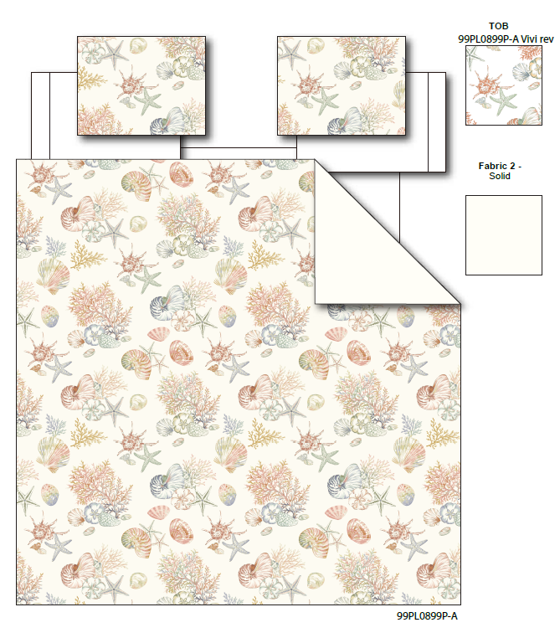 |  | Regency Heights |  | COMFORTER (SET) | Laguna | 100% Polyester Microfiber printed 2pcs Comforter Mini Set | 2pcs Comforter Mini set | Comf/sham :100% polyester Microfiber printed on face, 85gsm microfiber printed reverse, 200gsm poly fill. | 100% polyester , poly filling | Twin/Twin XL:66"Wx90"L/20"Wx26+1"L | Beige | RH10-0935 |  | Set | ￥53.10 | 7.70 | $6.90 | $6.90 |  | Compressed/Knocked Down | 42.0 | 32.0 | 38.0 | 8.20 | 3 | 0.051 | 3818 | $4,000.00 | $1.05 | 9404.40.9022 | 22.80% | $1.57 | $9.52 | 0.00% | $0.00 | 0.00% | $0.00 | 0.00% | $0.00 | $0.00 | $0.00 | 0.00% | $0.00 | $0.00 | $9.52 | 0.00% | $9.52 | $20.00 | $39.99 | 50.00% | 24
2 |  |  | Regency Heights |  | COMFORTER (SET) | Laguna | 100% Polyester Microfiber printed 3pcs Comforter Mini Set | 3pcs Comforter Mini set | Comf/sham :100% polyester Microfiber printed on face, 85gsm microfiber printed reverse, 200gsm poly fill. | 100% polyester , poly filling | Full/Queen:90"Wx90"L/20"Wx26+1"L(2) | Beige | RH10-0936 |  | Set | ￥69.00 | 7.70 | $8.96 | $8.96 |  | Compressed/Knocked Down | 42.0 | 32.0 | 40.0 | 10.90 | 3 | 0.054 | 3627 | $4,000.00 | $1.10 | 9404.40.9022 | 22.80% | $2.04 | $12.11 | 0.00% | $0.00 | 0.00% | $0.00 | 0.00% | $0.00 | $0.00 | $0.00 | 0.00% | $0.00 | $0.00 | $12.11 | 0.00% | $12.11 | $25.00 | $49.99 | 50.00% | 144
3 |  |  | Regency Heights |  | COMFORTER (SET) | Laguna | 100% Polyester Microfiber printed 3pcs Comforter Mini Set | 3pcs Comforter Mini set | Comf/sham :100% polyester Microfiber printed on face, 85gsm microfiber printed reverse, 200gsm poly fill. | 100% polyester , poly filling | King/Cal King:104"Wx90"L/20"Wx36+1"L(2) | Beige | RH10-0937 |  | Set | ￥79.60 | 7.70 | $10.34 | $10.34 |  | Compressed/Knocked Down | 42.0 | 32.0 | 40.0 | 12.40 | 3 | 0.054 | 3627 | $4,000.00 | $1.10 | 9404.40.9022 | 22.80% | $2.36 | $13.80 | 0.00% | $0.00 | 0.00% | $0.00 | 0.00% | $0.00 | $0.00 | $0.00 | 0.00% | $0.00 | $0.00 | $13.80 | 0.00% | $13.80 | $30.00 | $59.99 | 50.00% | 132
5 |  |  | Regency Heights |  | COMFORTER (SET) | Laguna | 100% Polyester Printed 6pcs Comforter Set | 6pcs Comforter Set | Comforter/sham face: 100% polyester microfiber 85gsm printed; Comforter Back: 85gsm MF printed, sheet set: 85gsm solid microfiber. Fitted sheet with 1 pocket on each side. Bonus Pillowcases: 100% Polyester microfiber printed; Comforter filling: 200gsm poly fill. | 100% Polyester Microfiber, poly fill | Twin: 66x90"/20x26"/66x96"/39x75+12"/20x30"/20x30" | Beige | RH10-0938 |  | Set | ￥85.83 | 7.70 | $11.15 | $11.15 |  | Compressed/Knocked Down | 42.0 | 32.0 | 45.0 | 13.60 | 3 | 0.060 | 3224 | $4,000.00 | $1.24 | 9404.40.9022 | 22.80% | $2.54 | $14.93 | 0.00% | $0.00 | 0.00% | $0.00 | 0.00% | $0.00 | $0.00 | $0.00 | 0.00% | $0.00 | $0.00 | $14.93 | 31.82% | $21.90 | $23.00 | $45.99 | 50.00% | 30
6 |  |  | Regency Heights |  | COMFORTER (SET) | Laguna | 100% Polyester Printed 9pcs Comforter Set | 9pcs Comforter Set | Comforter/sham face: 100% polyester microfiber 85gsm printed; Comforter Back: 85gsm MF printed, sheet set: 85gsm solid microfiber. Fitted sheet with 1 pocket on each side. Bonus Pillowcases: 100% Polyester microfiber printed; Comforter filling: 200gsm poly fill. | 100% Polyester Microfiber, poly fill | Full: 80x90"/20x26"(2)/81x96"/54x75"+15"/20x30"(2)/20x30"(2) | Beige | RH10-0939 |  | Set | ￥108.21 | 7.70 | $14.05 | $14.05 |  | Compressed/Knocked Down | 42.0 | 32.0 | 51.0 | 16.40 | 3 | 0.069 | 2845 | $4,000.00 | $1.41 | 9404.40.9022 | 22.80% | $3.20 | $18.66 | 0.00% | $0.00 | 0.00% | $0.00 | 0.00% | $0.00 | $0.00 | $0.00 | 0.00% | $0.00 | $0.00 | $18.66 | 21.61% | $23.80 | $25.00 | $49.99 | 50.00% | 78
7 |  |  | Regency Heights |  | COMFORTER (SET) | Laguna | 100% Polyester Printed 9pcs Comforter Set | 9pcs Comforter Set | Comforter/sham face: 100% polyester microfiber 85gsm printed; Comforter Back: 85gsm MF printed, sheet set: 85gsm solid microfiber. Fitted sheet with 1 pocket on each side. Bonus Pillowcases: 100% Polyester microfiber printed; Comforter filling: 200gsm poly fill. | 100% Polyester Microfiber, poly fill | Queen: 90x90"/20x26"(2)/90x102"/60x80"+15"/20x30"(2)/20x30"(2) | Beige | RH10-0940 |  | Set | ￥115.34 | 7.70 | $14.98 | $14.98 |  | Compressed/Knocked Down | 42.0 | 32.0 | 51.0 | 17.90 | 3 | 0.069 | 2845 | $4,000.00 | $1.41 | 9404.40.9022 | 22.80% | $3.42 | $19.80 | 0.00% | $0.00 | 0.00% | $0.00 | 0.00% | $0.00 | $0.00 | $0.00 | 0.00% | $0.00 | $0.00 | $19.80 | 24.38% | $26.19 | $27.50 | $54.99 | 50.00% | 366
8 |  |  | Regency Heights |  | COMFORTER (SET) | Laguna | 100% Polyester Printed 9pcs Comforter Set | 9pcs Comforter Set | Comforter/sham face: 100% polyester microfiber 85gsm printed; Comforter Back: 85gsm MF printed, sheet set: 85gsm solid microfiber. Fitted sheet with 1 pocket on each side. Bonus Pillowcases: 100% Polyester microfiber printed; Comforter filling: 200gsm poly fill. | 100% Polyester Microfiber, poly fill | King: 104x90"L/20x36"(2)/108x102"/78x80"+15"/20x40"(2)/20x40"(2) | Beige | RH10-0941 |  | Set | ￥131.97 | 7.70 | $17.14 | $17.14 |  | Compressed/Knocked Down | 42.0 | 32.0 | 57.0 | 20.40 | 3 | 0.077 | 2545 | $4,000.00 | $1.57 | 9404.40.9022 | 22.80% | $3.91 | $22.62 | 0.00% | $0.00 | 0.00% | $0.00 | 0.00% | $0.00 | $0.00 | $0.00 | 0.00% | $0.00 | $0.00 | $22.62 | 26.91% | $30.95 | $32.50 | $64.99 | 50.00% | 231

