Item
Line No. | Photo | VIN/Art No. | Brand | Licensor | Product Category | Pattern | Item Description | Description-Short | Fabrication | Material-Short | Size/Spec. | Color | Item No. | UPC | Unit of Measure | China RMB Cost | Exchange Rate | FOB Cost $ (Formula) | FOB Cost $ (Value) | UCCPM Price | Package Type | Carton Size L (cm) | Carton Size W (cm) | Carton Size H (cm) | Carton Gross Weight (kg) | Case Pack | Cubic Meter per Carton | Total Units per 40ft Container | 40ft Container Freight | Ocean Freight per Item $ | HTS Code | Duty Rate | Duty per Item $ | LDP Cost $ | DA % | DA $ | General Load % | General Load $ | Warehouse Charge % | Warehouse Charge $ | Dropship Charge | Load 1 | Load 1 % | Load 1 $ | Total Load $ | LDP Cost with Load $ | JLA LDP MU% | JLA FOB CA/GA Price Quote (Formula) | JLA price with drop ship charges | Suggested Retail Price | Initial Markup | Initial Rollout Forecast | 1st Shipment | 2nd Shipment
1 |  |  | Intelligent Design |  | COMFORTER (SET) | Anabelle | Polyester Print Comforter Set | 100% Polyester Comforter | Comforter/Shams face 85gsm microfiber printed, lace ruching on top, back 85gsm solid microfiber. Filling 200gsm poly fill. | Polyester Microfiber | Twin/Twin XL: 1 Comforter:68"W x 90"L 1 Standard Sham:20"W x 26"L(1) | Pink |  |  | Set | ¥80.70 | 7.75 | $10.41 | $10.41 |  | Compressed/Knocked Down | 43.0 | 33.0 | 15.0 |  | 1 | 0.021 | 3095 | 3700 | $1.20 | 9404.40.9022 | 22.80% |  |  | 31.00% | $11.13 |  | $0.00 | 10.00% | $3.59 |  |  |  | $0.00 | $14.72 |  |  | $35.90 | $37.69 | $64.99 | 42.00% | 190 | 95 | 95
2 | 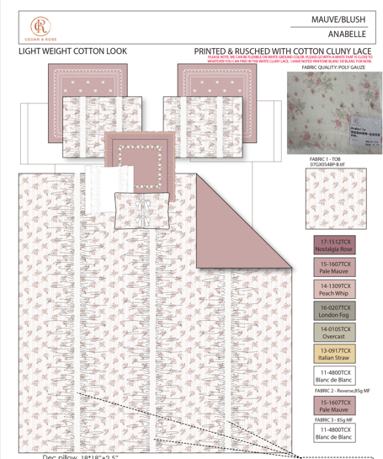 |  | Intelligent Design |  | COMFORTER (SET) | Anabelle | Polyester Print Comforter Set | 100% Polyester Comforter | Comforter/Shams face 85gsm microfiber printed, lace ruching on top, back 85gsm solid microfiber. Filling 200gsm poly fill. | Polyester Microfiber | Queen: 1 Comforter:90"W x 90"L 2 Standard Shams:20"W x 26"L(2) | Pink |  |  | Set | ¥101.40 | 7.75 | $13.08 | $13.08 |  | Compressed/Knocked Down | 43.0 | 33.0 | 15.0 |  | 1 | 0.021 | 3095 | 3700 | $1.20 | 9404.40.9022 | 22.80% |  |  | 31.00% | $12.84 |  | $0.00 | 10.00% | $4.14 |  |  |  | $0.00 | $16.98 |  |  | $41.42 | $43.49 | $74.99 | 42.00% | 550 | 275 | 275
3 |  |  | Intelligent Design |  | COMFORTER (SET) | Anabelle | Polyester Print Comforter Set | 100% Polyester Comforter | Comforter/Shams face 85gsm microfiber printed, lace ruching on top, back 85gsm solid microfiber. Filling 200gsm poly fill. | Polyester Microfiber | Twin/Twin XL: 1 Comforter:68"W x 90"L 1 Standard Sham:20"W x 26"L(1) | Blue |  |  | Set | ¥80.70 | 7.75 | $10.41 | $10.41 |  | Compressed/Knocked Down | 43.0 | 33.0 | 15.0 |  | 1 | 0.021 | 3095 | 3700 | $1.20 | 9404.40.9022 | 22.80% |  |  | 31.00% | $11.13 |  | $0.00 | 10.00% | $3.59 |  |  |  | $0.00 | $14.72 |  |  | $35.90 | $37.69 | $64.99 | 42.00% | 190 | 95 | 95
4 |  |  | Intelligent Design |  | COMFORTER (SET) | Anabelle | Polyester Print Comforter Set | 100% Polyester Comforter | Comforter/Shams face 85gsm microfiber printed, lace ruching on top, back 85gsm solid microfiber. Filling 200gsm poly fill. | Polyester Microfiber | Queen: 1 Comforter:90"W x 90"L 2 Standard Shams:20"W x 26"L(2) | Blue |  |  | Set | ¥101.40 | 7.75 | $13.08 | $13.08 |  | Compressed/Knocked Down | 43.0 | 33.0 | 15.0 |  | 1 | 0.021 | 3095 | 3700 | $1.20 | 9404.40.9022 | 22.80% |  |  | 31.00% | $12.84 |  | $0.00 | 10.00% | $4.14 |  |  |  | $0.00 | $16.98 |  |  | $41.42 | $43.49 | $74.99 | 42.00% | 550 | 275 | 275

