Item
Line No. | Photo | VIN/Art No. | Brand | Licensor | Product Category | Pattern | Item Description | Description-Short | Fabrication | Material-Short | Size/Spec. | Color | Customer Item# | Additional Customer Item# | Item No. | UPC | Unit of Measure | UCCPM Price / FOB Cost $ | Package Type | Packaging | Master Carton L (cm) | Master Carton W (cm) | Master Carton H (cm) | Item Qty | Group qty | Nested Pack # | Carton Size L (cm) | Carton Size W (cm) | Carton Size H (cm) | Carton Gross Weight (kg) | Case Pack | Cubic Meter per Carton | Container Volume | Total Units per 40ft Container | 40ft Container Freight | Ocean Freight per Item $ | HTS Code | Duty Rate | Duty per Item $ | LDP Cost $ | DA % | DA $ | Royalty % | Royalty $ | Other Load | Other Load % | Other Load $ | Total Load $ | LDP Cost with Load $ | JLA LDP MU% | JLA POE Price | Suggested Retail Price | Retail Markup % | Additional Customer Price | QTY | Total Cost | Total Sales | Retailer Selling Price Total | Nested Pack # | Master Carton CBM | Master Carton Weight (kg) | Remarks | Port | COO | Vendor
1 |  |  | JLA Home |  | Bath Accessories | Harvest Dog | Resin Lotion Pump(Gold plastic pump ) | Resin Lotion Pump(Gold plastic pump ) | resin+hand painted | Resin | 3.9x3.9x8.9" | Multi |  |  | RS71-8858 |  | Piece | $2.35 | Normal | 2 pcs/内盒；8pcs/外箱 | 28 | 24.5 | 26.5 | 1 | 4 | A | 28 | 24.5 | 26.5 | 5 | 4 | 0.018 | 63.00 | 13862 | 2,250 | $0.16 | 8424.89.9000 | 11.8% | $0.28 | $2.79 | 1.00% | $0.04 | 0.00% | $0.00 | $0.00 | 0.00% | $0.00 | $0.04 | $2.83 | 26.19% | $3.83 | $7.99 | 52.05% |  | 1500 | $4,241.89 | $5,747.25 | $11,985.00 | A | 27.27 | 11.3 |  | Yantian,China | China | S-DGDH
2 |  |  | JLA Home |  | Bath Accessories | Turkey | Resin Lotion Pump(chrome plastic pump ) | Resin Lotion Pump(chrome plastic pump ) | resin+hand painted | Resin | 6.25x3.75x7.5" | Multi |  |  | RS71-8859 |  | Piece | $2.36 | Normal | 2 pcs/内盒；8pcs/外箱 | 28 | 24.5 | 26.5 | 1 | 4 | A | 28 | 24.5 | 26.5 | 5 | 4 | 0.018 | 63.00 | 13862 | 2,250 | $0.16 | 8424.89.9000 | 11.8% | $0.28 | $2.80 | 1.00% | $0.04 | 0.00% | $0.00 | $0.00 | 0.00% | $0.00 | $0.04 | $2.84 | 25.90% | $3.83 | $7.99 | 52.05% |  | 1500 | $4,258.66 | $5,747.25 | $11,985.00 | A | 27.27 |  |  | Yantian,China | China | S-DGDH
3 |  |  | JLA Home |  | Bath Accessories | Pumpkin w/Sunflowers | Resin Lotion Pump(Gold plastic pump ) | Resin Lotion Pump(Gold plastic pump ) | resin+hand painted | Resin | 5x5x7.12" | Multi |  |  | RS71-8860 |  | Piece | $2.38 | Normal | 2 pcs/内盒；8pcs/外箱 | 28 | 24.5 | 26.5 | 1 | 4 | A | 28 | 24.5 | 26.5 | 5 | 4 | 0.018 | 63.00 | 13862 | 2,250 | $0.16 | 8424.89.9000 | 11.8% | $0.28 | $2.82 | 1.00% | $0.04 | 0.00% | $0.00 | $0.00 | 0.00% | $0.00 | $0.04 | $2.86 | 25.32% | $3.83 | $7.99 | 52.05% |  | 1500 | $4,292.20 | $5,747.25 | $11,985.00 | A | 27.27 |  |  | Yantian,China | China | S-DGDH
4 |  |  | JLA Home |  | Bath Accessories | Pumpkin w/Fox | Resin Lotion Pump(Gold plastic pump ) | Resin Lotion Pump(Gold plastic pump ) | resin+hand painted | Resin | 4.8x4.7x6.62" | Multi |  |  | RS71-8861 |  | Piece | $2.38 | Normal | 2 pcs/内盒；8pcs/外箱 | 28 | 24.5 | 26.5 | 1 | 4 | A | 28 | 24.5 | 26.5 | 5 | 4 | 0.018 | 63.00 | 13862 | 2,250 | $0.16 | 8424.89.9000 | 11.8% | $0.28 | $2.82 | 1.00% | $0.04 | 0.00% | $0.00 | $0.00 | 0.00% | $0.00 | $0.04 | $2.86 | 25.32% | $3.83 | $7.99 | 52.05% |  | 1500 | $4,292.20 | $5,747.25 | $11,985.00 | A | 27.27 |  |  | Yantian,China | China | S-DGDH
5 |  |  | JLA Home |  | Bath Accessories | Pumpkin w/Vines | Resin Lotion Pump(Gold plastic pump ) | Resin Lotion Pump(Gold plastic pump ) | resin+hand painted | Resin | 4.7x4.7x6.18" | Multi |  |  | RS71-8862 |  | Piece | $2.32 | Normal | 2 pcs/内盒；8pcs/外箱 | 26.5 | 25.5 | 24.5 | 1 | 4 | B | 26.5 | 25.5 | 24.5 | 5 | 4 | 0.017 | 63.00 | 15221 | 2,250 | $0.15 | 8424.89.9000 | 11.8% | $0.27 | $2.74 | 1.00% | $0.04 | 0.00% | $0.00 | $0.00 | 0.00% | $0.00 | $0.04 | $2.78 | 27.45% | $3.83 | $7.99 | 52.05% |  | 1500 | $4,169.84 | $5,747.25 | $11,985.00 | B | 24.83 |  |  | Yantian,China | China | S-DGDH
6 |  |  | JLA Home |  | Bath Accessories | Wagon w/Sunflowers and Pumpkins | Resin Lotion Pump(Gold plastic pump ) | Resin Lotion Pump(Gold plastic pump ) | resin+hand painted | Resin | 4.5x4.5x7.62" | Multi |  |  | RS71-8863 |  | Piece | $2.38 | Normal | 2 pcs/内盒；8pcs/外箱 | 26.5 | 25.5 | 24.5 | 1 | 4 | B | 26.5 | 25.5 | 24.5 | 5 | 4 | 0.017 | 63.00 | 15221 | 2,250 | $0.15 | 8424.89.9000 | 11.8% | $0.28 | $2.81 | 1.00% | $0.04 | 0.00% | $0.00 | $0.00 | 0.00% | $0.00 | $0.04 | $2.85 | 25.70% | $3.83 | $7.99 | 52.05% |  | 1500 | $4,270.46 | $5,747.25 | $11,985.00 | B | 24.83 |  |  | Yantian,China | China | S-DGDH
7 | 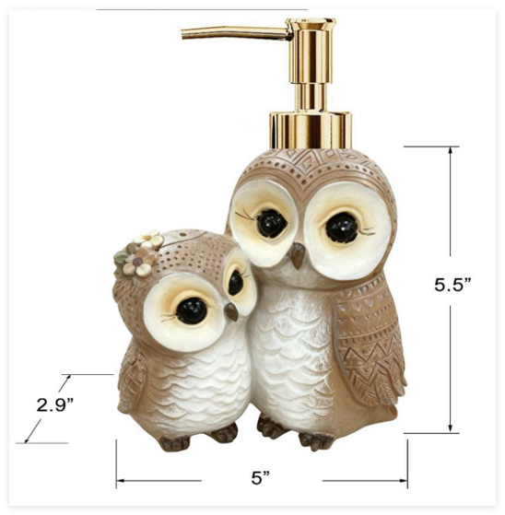 |  | JLA Home |  | Bath Accessories | Owl Couple | Resin Lotion Pump(Gold plastic pump ) | Resin Lotion Pump(Gold plastic pump ) | resin+hand painted | Resin | 5x2.9x7.62" | Taupe |  |  | RS71-8864 |  | Piece | $2.42 | Normal | 2 pcs/内盒；8pcs/外箱 | 26.5 | 25.5 | 24.5 | 1 | 4 | B | 26.5 | 25.5 | 24.5 | 5 | 4 | 0.017 | 63.00 | 15221 | 2,250 | $0.15 | 8424.89.9000 | 11.8% | $0.29 | $2.85 | 1.00% | $0.04 | 0.00% | $0.00 | $0.00 | 0.00% | $0.00 | $0.04 | $2.89 | 27.25% | $3.98 | $8.99 | 55.76% |  | 1500 | $4,339.73 | $5,965.50 | $13,485.00 | B | 24.83 |  |  | Yantian,China | China | S-DGDH
8 |  |  | JLA Home |  | Bath Accessories | Duck in Pumpkin | Resin Lotion Pump(chrome plastic pump ) | Resin Lotion Pump(chrome plastic pump ) | resin+hand painted | Resin | 4.5x4.5x8.92" | Multi |  |  | RS71-8865 |  | Piece | $2.40 | Normal | 2 pcs/内盒；8pcs/外箱 | 26.5 | 25.5 | 24.5 | 1 | 4 | B | 26.5 | 25.5 | 24.5 | 5 | 4 | 0.017 | 63.00 | 15221 | 2,250 | $0.15 | 8424.89.9000 | 11.8% | $0.28 | $2.83 | 1.00% | $0.04 | 0.00% | $0.00 | $0.00 | 0.00% | $0.00 | $0.04 | $2.87 | 25.11% | $3.83 | $7.99 | 52.05% |  | 1500 | $4,304.00 | $5,747.25 | $11,985.00 | B | 24.83 |  |  | Yantian,China | China | S-DGDH
9 |  |  | JLA Home |  | Bath Accessories | Harvest Duck | Resin Lotion Pump(Gold plastic pump ) | Resin Lotion Pump(Gold plastic pump ) | resin+hand painted | Resin | 4x3.5x8.72" | Multi |  |  | RS71-8866 |  | Piece | $2.38 | Normal | 2 pcs/内盒；8pcs/外箱 | 26 | 13.5 | 44 | 2 | 4 | C | 26 | 13.5 | 44 |  | 4 | 0.015 | 63.00 | 16317 | 2,250 | $0.14 | 8424.89.9000 | 11.8% | $0.28 | $2.80 | 1.00% | $0.04 | 0.00% | $0.00 | $0.00 | 0.00% | $0.00 | $0.04 | $2.84 | 25.95% | $3.83 | $7.99 | 52.05% |  | 1300 | $3,688.16 | $4,980.95 | $10,387.00 | C | 10.04 |  |  | Yantian,China | China | S-DGDH
10 |  |  | JLA Home |  | Bath Accessories | Harvest House | Resin Lotion Pump(Gold plastic pump ) | Resin Lotion Pump(Gold plastic pump ) | resin+hand painted | Resin | 4.5x4.5x8.22" | Multi |  |  | RS71-8867 |  | Piece | $2.55 | Normal | 2 pcs/内盒；8pcs/外箱 | 26 | 13.5 | 44 | 2 | 4 | C | 26 | 13.5 | 44 |  | 4 | 0.015 | 63.00 | 16317 | 2,250 | $0.14 | 8424.89.9000 | 11.8% | $0.30 | $2.99 | 1.00% | $0.04 | 0.00% | $0.00 | $0.00 | 0.00% | $0.00 | $0.04 | $3.03 | 24.75% | $4.03 | $8.99 | 55.22% |  | 1300 | $3,937.76 | $5,233.15 | $11,687.00 | C | 10.04 |  |  | Yantian,China | China | S-DGDH | 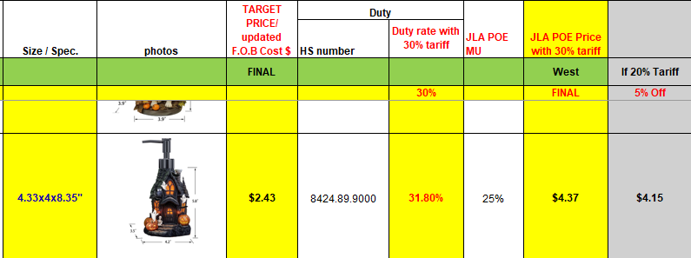
12 |  |  | JLA Home |  | Bath Accessories | Stone Haunted House | Resin Lotion Pump(black plastic pump ) | Resin Lotion Pump(black plastic pump ) | resin+hand painted | Resin | 4.2x4.5x8.12" | Multi |  |  | RS71-8868 |  | Piece | $2.55 | Normal | 2 pcs/内盒；8pcs/外箱 | 24 | 23 | 23 | 1 | 4 | D | 24 | 23 | 23 | 5 | 4 | 0.013 | 63.00 | 19849 | 2,250 | $0.11 | 8424.89.9000 | 11.8% | $0.30 | $2.96 | 1.00% | $0.04 | 0.00% | $0.00 | $0.00 | 0.00% | $0.00 | $0.04 | $3.00 | 25.36% | $4.03 | $8.99 | 55.22% |  | 1500 | $4,506.77 | $6,038.25 | $13,485.00 | D | 19.04 |  |  | Yantian,China | China | S-DGDH
13 | 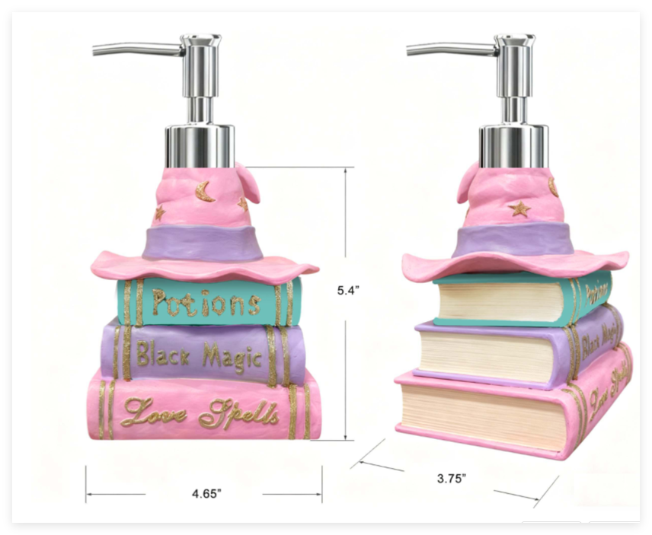 |  | JLA Home |  | Bath Accessories | Hat Book Stack | Resin Lotion Pump(chrome plastic pump ) | Resin Lotion Pump(chrome plastic pump ) | resin+hand painted | Resin | 4.65x3.75x7.52" | Multi |  |  | RS71-8869 |  | Piece | $2.27 | Normal | 2 pcs/内盒；8pcs/外箱 | 24 | 23 | 23 | 1 | 4 | D | 24 | 23 | 23 | 5 | 4 | 0.013 | 63.00 | 19849 | 2,250 | $0.11 | 8424.89.9000 | 11.8% | $0.27 | $2.65 | 1.00% | $0.04 | 0.00% | $0.00 | $0.00 | 0.00% | $0.00 | $0.04 | $2.69 | 26.11% | $3.64 | $7.99 |  |  | 1500 | $4,031.39 | $5,456.25 | $11,985.00 | D | 19.04 |  |  | Yantian,China | China | S-DGDH
14 |  |  | JLA Home |  | Bath Accessories | TOT Bear | Resin Lotion Pump(black plastic pump ) | Resin Lotion Pump(black plastic pump ) | resin+hand painted | Resin | 3.5x3.5x7.92" | Multi |  |  | RS71-8870 |  | Piece | $2.37 | Normal | 2 pcs/内盒；8pcs/外箱 | 24 | 23 | 23 | 1 | 4 | D | 24 | 23 | 23 | 5 | 4 | 0.013 | 63.00 | 19849 | 2,250 | $0.11 | 8424.89.9000 | 11.8% | $0.28 | $2.76 | 1.00% | $0.04 | 0.00% | $0.00 | $0.00 | 0.00% | $0.00 | $0.04 | $2.80 | 26.89% | $3.83 | $7.99 | 52.05% |  | 1500 | $4,202.00 | $5,747.25 | $11,985.00 | D | 19.04 |  |  | Yantian,China | China | S-DGDH
15 |  |  | JLA Home |  | Bath Accessories | Sprinkle Ghost | Resin Lotion Pump(chrome plastic pump ) | Resin Lotion Pump(chrome plastic pump ) | resin+hand painted | Resin | 4.15x4.15x8.12" | White/Pink |  |  | RS71-8871 |  | Piece | $2.27 | Normal | 2 pcs/内盒；8pcs/外箱 | 24 | 23 | 23 | 1 | 4 | D | 24 | 23 | 23 | 5 | 4 | 0.013 | 63.00 | 19849 | 2,250 | $0.11 | 8424.89.9000 | 11.8% | $0.27 | $2.65 | 1.00% | $0.04 | 0.00% | $0.00 | $0.00 | 0.00% | $0.00 | $0.04 | $2.69 | 26.11% | $3.64 | $7.99 | 54.47% |  | 1500 | $4,031.39 | $5,456.25 | $11,985.00 | D | 19.04 |  |  | Yantian,China | China | S-DGDH
16 |  |  | JLA Home |  | Bath Accessories | Happy TOT Ghosts | Resin Lotion Pump(black plastic pump ) | Resin Lotion Pump(black plastic pump ) | resin+hand painted | Resin | 3.8x3.8x7.82" | Black/White |  |  | RS71-8872 |  | Piece | $2.28 | Normal | 2 pcs/内盒；8pcs/外箱 | 25.5 | 25 | 24 | 1 | 3 | E | 25.5 | 25 | 24 | 5 | 3 | 0.015 | 63.00 | 12353 | 2,250 | $0.18 | 8424.89.9000 | 11.8% | $0.27 | $2.73 | 1.00% | $0.04 | 0.00% | $0.00 | $0.00 | 0.00% | $0.00 | $0.04 | $2.77 | 23.92% | $3.64 | $7.99 |  |  | 1500 | $4,151.34 | $5,456.25 | $11,985.00 | E | 22.95 |  |  | Yantian,China | China | S-DGDH
17 |  |  | JLA Home |  | Bath Accessories | Caldron Cat with Crystal Ball | Resin Lotion Pump(black plastic pump ) | Resin Lotion Pump(black plastic pump ) | resin+hand painted | Resin | 4.1x5x8.62" | Black/Pink |  |  | RS71-8873 |  | Piece | $2.65 | Normal | 2 pcs/内盒；8pcs/外箱 | 25.5 | 25 | 24 | 1 | 4 | E | 25.5 | 25 | 24 | 5 | 4 | 0.015 | 63.00 | 12353 | 2,250 | $0.18 | 8424.89.9000 | 11.8% | $0.31 | $3.14 | 1.00% | $0.04 | 0.00% | $0.00 | $0.00 | 0.00% | $0.00 | $0.04 | $3.19 | 26.95% | $4.37 | $7.99 | 45.37% |  | 1500 | $4,782.74 | $6,547.50 | $11,985.00 | E | 22.95 |  |  | Yantian,China | China | S-DGDH
18 |  |  | JLA Home |  | Bath Accessories | Pink Boo Cake | Resin Lotion Pump(white plastic pump ) | Resin Lotion Pump(white plastic pump ) | resin+hand painted | Resin | 3.9x3.9x8" | Pink |  |  | RS71-8874 |  | Piece | $2.37 | Normal | 2 pcs/内盒；8pcs/外箱 | 25.5 | 25 | 24 | 1 | 4 | E | 25.5 | 25 | 24 | 5 | 4 | 0.015 | 63.00 | 12353 | 2,250 | $0.18 | 8424.89.9000 | 11.8% | $0.28 | $2.83 | 1.00% | $0.04 | 0.00% | $0.00 | $0.00 | 0.00% | $0.00 | $0.04 | $2.87 | 25.09% | $3.83 | $7.99 | 52.05% |  | 1500 | $4,305.18 | $5,747.25 | $11,985.00 | E | 22.95 |  |  | Yantian,China | China | S-DGDH

