Item
Line No. | Photo | VIN/Art No. | Brand | Licensor | Product Category | Pattern | Item Description | Description-Short | Fabrication | Material-Short | Size/Spec. | Color | Customer Item# | Additional Customer Item# | Item No. | UPC | Unit of Measure | UCCPM Price / FOB Cost $ | Package Type | Packaging | Master Carton L (cm) | Master Carton W (cm) | Master Carton H (cm) | Carton Size L (cm) | Carton Size W (cm) | Carton Size H (cm) | Carton Gross Weight (kg) | Case Pack | Cubic Meter per Carton | Container Volume | Total Units per 40ft Container | 40ft Container Freight | Ocean Freight per Item $ | HTS Code | Duty Rate | Duty per Item $ | LDP Cost $ | DA % | DA $ | Royalty % | Royalty $ | Other Load | Other Load % | Other Load $ | Total Load $ | LDP Cost with Load $ | JLA LDP MU% | JLA POE Price | Suggested Retail Price | Retail Markup % | Additional Customer Price | MOQ | Total Cost | Total Sales | Retailer Selling Price Total | Master Carton CBM | Master Carton Weight (kg) | Remarks | Port | COO | Vendor
$1.00 | 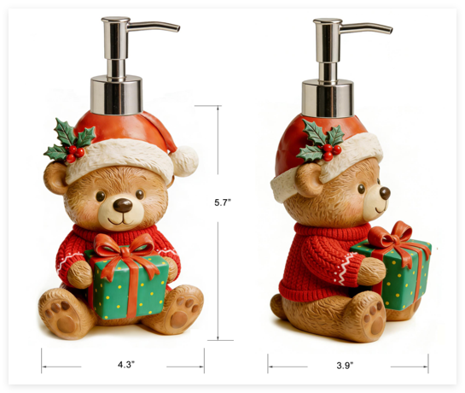 |  | JLA Brand |  | Bath Accessories | Bear w/Sweater | Resin Lotion Pump(w/plastic gold pump) | Lotion Pump(w/plastic gold pump) | Resin+handpainted | Resin+handpainted | 4.3x3.9x8.1 | multi |  |  | RS71-8918 |  | Piece | $2.35 | Normal | 2 pcs /inner box ,8 pcs /master carton | 46.5 | 26.5 | 23.5 | 22.0 | 12.0 | 22.0 | 4.00 | 8 | 0.006 | 63.00 | 86777 | 2,250 | $0.03 | 8424.89.9000 | 16.80% | $0.39 | $2.77 | 1.00% | $0.04 | 0.00% | $0.00 | $0.00 | 0.00% | $0.00 | $0.04 | $2.81 | 28.85% | $3.95 | $8.99 | 56.06% |  | $1,200.00 | $3,372.27 | $4,740.00 | $10,788.00 | 4.34 | $11.30 |  | Yantian,China | China | S-DGJY
$2.00 | 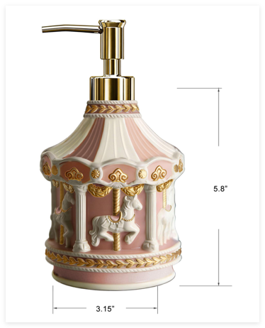 |  | JLA Brand |  | Bath Accessories | Pink Carousel | Resin Lotion Pump(w/plastic gold pump) | Lotion Pump(w/plastic gold pump) | Resin+handpainted | Resin+handpainted | 4.5x4.5x8.2" | multi |  |  | RS71-8919 |  | Piece | $2.45 | Normal | 2 pcs /inner box ,8 pcs /master carton | 38.5 | 20.5 | 24.0 | 18.0 | 9.0 | 22.5 | 4.00 | 8 | 0.004 | 63.00 | 138241 | 2,250 | $0.02 | 8424.89.9000 | 16.80% | $0.41 | $2.88 | 1.00% | $0.04 | 0.00% | $0.00 | $0.00 | 0.00% | $0.00 | $0.04 | $2.92 | 28.81% | $4.10 | $8.99 | 54.39% |  | $1,200.00 | $3,502.65 | $4,920.00 | $10,788.00 | 2.84 | $11.30 |  | Yantian,China | China | S-DGJY
$3.00 |  |  | JLA Brand |  | Bath Accessories | Gingerbread Family | Resin Lotion Pump(w/plastic gold pump) | Lotion Pump(w/plastic gold pump) | Resin+handpainted | Resin+handpainted | 5x3.5x8.2" | multi |  |  | RS71-8920 |  | Piece | $2.56 | Normal | 2 pcs /inner box ,8 pcs /master carton | 42.5 | 30.5 | 24.0 | 20.0 | 14.0 | 22.5 | 4.00 | 8 | 0.006 | 63.00 | 80000 | 2,250 | $0.03 | 8424.89.9000 | 16.80% | $0.43 | $3.02 | 1.00% | $0.04 | 0.00% | $0.00 | $0.00 | 0.00% | $0.00 | $0.04 | $3.06 | 27.98% | $4.25 | $8.99 | 52.73% |  | $1,200.00 | $3,672.85 | $5,100.00 | $10,788.00 | 4.67 | $11.30 |  | Yantian,China | China | S-DGJY
$4.00 | 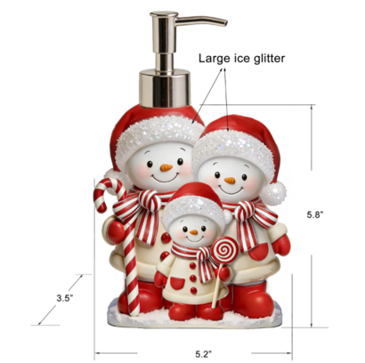 |  | JLA Brand |  | Bath Accessories | Candy Snowman Family | Resin Lotion Pump(brush nick plastic pump ) | Resin Lotion Pump(brush nick plastic pump ) | resin+hand painted | resin+hand painted | 5.2x3.5x8.3" | multi |  |  | RS71-8921 |  | Piece | $2.58 | Normal | 2 pcs /inner box ,8 pcs /master carton | 30.0 | 21.0 | 49.0 | 20.0 | 14.0 | $23.00 | 4.00 | 8 | 0.006 | 63.00 | 78261 | 2,250 | $0.03 | 8424.89.9000 | 16.80% | $0.43 | $3.04 | 1.00% | $0.04 | 0.00% | $0.00 | $0.00 | 0.00% | $0.00 | $0.04 | $3.08 | 27.42% | $4.25 | $8.99 | 52.73% |  | $1,200.00 | $3,701.63 | $5,100.00 | $10,788.00 | 4.63 | $11.30 |  | Yantian,China | China | S-DGDH
$5.00 |  |  | JLA Brand |  | Bath Accessories | Holiday Corgi | Resin Lotion Pump(w/plastic gold pump) | Lotion Pump(w/plastic gold pump) | Resin+handpainted | Resin+handpainted | 6.2x4x8.1" | multi |  |  | RS71-8922 |  | Piece | $2.38 | Normal | 2 pcs /inner box ,8 pcs /master carton | 47.5 | 36.5 | 23.5 | 22.5 | 17.0 | 22.0 | 4.00 | 8 | 0.008 | 63.00 | 59893 | 2,250 | $0.04 | 8424.89.9000 | 16.80% | $0.40 | $2.82 | 1.00% | $0.04 | 0.00% | $0.00 | $0.00 | 0.00% | $0.00 | $0.04 | $2.86 | 27.67% | $3.95 | $8.99 | 56.06% |  | $1,200.00 | $3,428.29 | $4,740.00 | $10,788.00 | 6.11 | $11.30 |  | Yantian,China | China | S-DGJY
$6.00 |  |  | JLA Brand |  | Bath Accessories | Candy House | Resin Lotion Pump(Gold plastic pump ) | Resin Lotion Pump(Gold plastic pump ) | resin+hand painted | resin+hand painted | 4.5x4x8.5" | multi |  |  | RS71-8923 |  | Piece | $2.62 | Normal | 2 pcs /inner box ,8 pcs /master carton | 27.5 | 23.5 | 51.0 | 22.5 | 12.5 | $24.00 | 4.00 | 8 | 0.007 | 63.00 | 74667 | 2,250 | $0.03 | 8424.89.9000 | 16.80% | $0.44 | $3.09 | 1.00% | $0.04 | 0.00% | $0.00 | $0.00 | 0.00% | $0.00 | $0.04 | $3.13 | 27.13% | $4.30 | $8.99 | 52.17% |  | $1,200.00 | $3,759.95 | $5,160.00 | $10,788.00 | 4.94 | $11.30 |  | Yantian,China | China | S-DGDH
$7.00 | 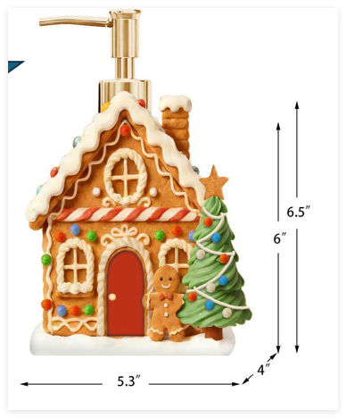 |  | JLA Brand |  | Bath Accessories | Gingerbread House | Resin Lotion Pump(Gold plastic pump ) | Resin Lotion Pump(Gold plastic pump ) | resin+hand painted | resin+hand painted | 5.3x4x8.5" | multi |  |  | RS71-8924 |  | Piece | $2.62 | Normal | 2 pcs /inner box ,8 pcs /master carton | 31.0 | 23.5 | 51.0 | 22.5 | 14.5 | $24.00 | 4.00 | 8 | 0.008 | 63.00 | 64368 | 2,250 | $0.03 | 8424.89.9000 | 16.80% | $0.44 | $3.10 | 1.00% | $0.04 | 0.00% | $0.00 | $0.00 | 0.00% | $0.00 | $0.04 | $3.14 | 27.02% | $4.30 | $8.99 | 52.17% |  | $1,200.00 | $3,765.74 | $5,160.00 | $10,788.00 | 5.57 | $11.30 |  | Yantian,China | China | S-DGDH
$8.00 | 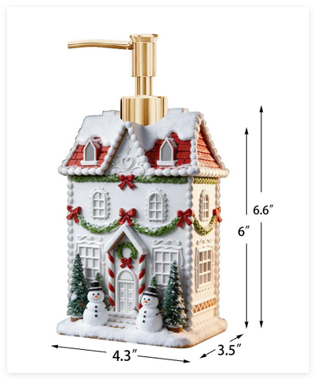 |  | JLA Brand |  | Bath Accessories | White House | Resin Lotion Pump(Gold plastic pump ) | Resin Lotion Pump(Gold plastic pump ) | resin+hand painted | resin+hand painted | 4.3*3.5x8.5" | multi |  |  | RS71-8925 |  | Piece | $2.62 |  | 2 pcs /inner box ,8 pcs /master carton | 26.0 | 21.0 | 51.0 | 20.0 | 12.0 | $24.00 | 4.00 | 8 | 0.006 | 63.00 | 87500 | 2,250 | $0.03 | 8424.89.9000 | 16.80% | $0.44 | $3.09 | 1.00% | $0.04 | 0.00% | $0.00 | $0.00 | 0.00% | $0.00 | $0.04 | $3.13 | 27.24% | $4.30 | $8.99 | 52.17% |  | $1,200.00 | $3,754.65 | $5,160.00 | $10,788.00 | 4.18 |  |  | Yantian,China | China | S-DGDH
$9.00 |  |  | JLA Brand |  | Bath Accessories | Santa couple w/presents | Resin Lotion Pump(Gold plastic pump ) | Resin Lotion Pump(Gold plastic pump ) | resin+hand painted | resin+hand painted | 5.5x4.3x10.4" | multi |  |  | RS71-8926 |  | Piece | $2.75 |  | 2 pcs /inner box ,8 pcs /master carton | 40.0 | 30.0 | 68.0 | 29.0 | 19.0 | $32.50 | 4.00 | 8 | 0.018 | 63.00 | 28145 | 2,250 | $0.08 | 8424.89.9000 | 16.80% | $0.46 | $3.29 | 1.00% | $0.05 | 0.00% | $0.00 | $0.00 | 0.00% | $0.00 | $0.05 | $3.34 | 25.85% | $4.50 | $8.99 | 49.94% |  | $1,200.00 | $4,004.33 | $5,400.00 | $10,788.00 | 12.24 |  |  | Yantian,China | China | S-DGDH
$10.00 |  |  | JLA Brand |  | Bath Accessories | Penguin Family Tree | Resin Lotion Pump(w/plastic gold pump) | Lotion Pump(w/plastic gold pump) | Resin+handpainted | Resin+handpainted | 4.6x3.9x8.7" | multi |  |  | RS71-8927 |  | Piece | $2.55 |  | 2 pcs /inner box ,8 pcs /master carton | 46.5 | 28.5 | 25.0 | 22.0 | 13.0 | 23.5 | 4.00 | 8 | 0.007 | 63.00 | 74989 | 2,250 | $0.03 | 8424.89.9000 | 16.80% | $0.43 | $3.01 | 1.00% | $0.04 | 0.00% | $0.00 | $0.00 | 0.00% | $0.00 | $0.04 | $3.05 | 28.21% | $4.25 | $8.99 | 52.73% |  | $1,200.00 | $3,661.09 | $5,100.00 | $10,788.00 | 4.97 |  |  | Yantian,China | China | S-DGJY
$11.00 | 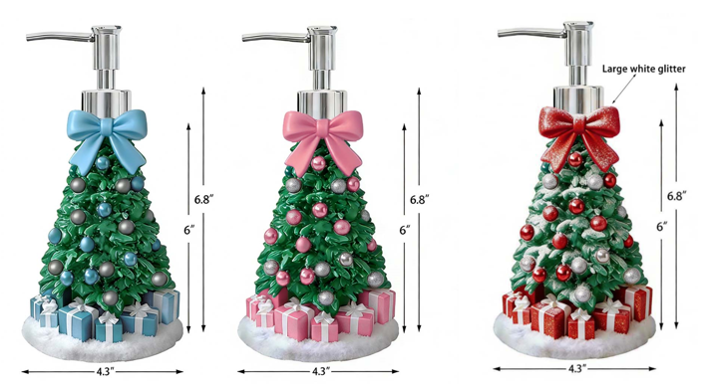 |  | JLA Brand |  | Bath Accessories | Bow Tree | Resin Lotion Pump(w/plastic chrome pump) | Lotion Pump(w/plastic chrome pump) | Resin+handpainted | Resin+handpainted | 4.3x4.3x8.3" | multi |  |  | RS71-8928 |  | Piece | $2.55 |  | 2 pcs /inner box ,8 pcs /master carton | 50.5 | 26.5 | 24.0 | 24.0 | 12.0 | 22.5 | 4.00 | 8 | 0.006 | 63.00 | 77778 | 2,250 | $0.03 | 8424.89.9000 | 16.80% | $0.43 | $3.01 | 1.00% | $0.04 | 0.00% | $0.00 | $0.00 | 0.00% | $0.00 | $0.04 | $3.05 | 28.24% | $4.25 | $8.99 | 52.73% |  | $1,200.00 | $3,659.79 | $5,100.00 | $10,788.00 | 4.82 |  |  | Yantian,China | China | S-DGJY
$12.00 | 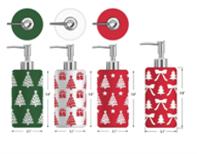 |  | JLA Brand |  | Bath Accessories | Snow flakes | Resin Lotion Pump(w/plastic chrome pump) | Lotion Pump(w/plastic chrome pump) | Resin+handpainted | Resin+handpainted | 3.1x3.1x8.2" | multi |  |  | RS71-8929 |  | Piece | $2.06 |  | 2 pcs /inner box ,8 pcs /master carton | 38.5 | 20.5 | 24.0 | 18.0 | 9.0 | 22.5 | 4.00 | 8 | 0.004 | 63.00 | 138272 | 2,250 | $0.02 | 8424.89.9000 | 16.80% | $0.35 | $2.42 | 1.00% | $0.03 | 0.00% | $0.00 | $0.00 | 0.00% | $0.00 | $0.03 | $2.46 | 28.79% | $3.45 | $8.99 | 61.62% |  | $1,200.00 | $2,948.22 | $4,140.00 | $10,788.00 | 2.84 |  |  | Yantian,China | China | S-DGJY
$13.00 | 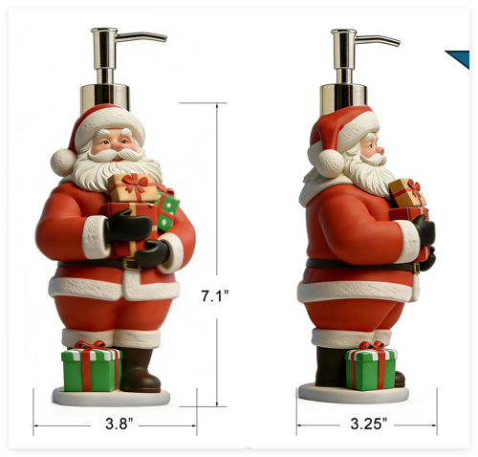 |  | JLA Brand |  | Bath Accessories | Santa w/presents | Resin Lotion Pump(w/plastic gold pump) | Lotion Pump(w/plastic gold pump) | Resin+handpainted | Resin+handpainted | 3.8x3.25x8.6" | multi |  |  | RS71-8930 |  | Piece | $2.38 |  | 2 pcs /inner box ,8 pcs /master carton | 40.5 | 24.5 | 25.0 | 19.0 | 11.0 | 23.5 | 4.00 | 8 | 0.005 | 63.00 | 102616 | 2,250 | $0.02 | 8424.89.9000 | 16.80% | $0.40 | $2.80 | 1.00% | $0.04 | 0.00% | $0.00 | $0.00 | 0.00% | $0.00 | $0.04 | $2.84 | 28.07% | $3.95 | $8.99 | 56.06% |  | $1,200.00 | $3,409.52 | $4,740.00 | $10,788.00 | 3.72 |  |  | Yantian,China | China | S-DGJY
$14.00 |  |  | JLA Brand |  | Bath Accessories | Snowman couple | Resin Lotion Pump(chrome plastic pump ) | Resin Lotion Pump(chrome plastic pump ) | resin+hand painted | resin+hand painted | 4.1x2.7x7.9" | multi |  |  | RS71-8931 |  | Piece | $2.45 |  | 2 pcs /inner box ,8 pcs /master carton | 25.0 | 17.0 | 47.0 | 16.0 | 11.5 | $22.00 | 4.00 | 8 | 0.004 | 63.00 | 124506 | 2,250 | $0.02 | 8424.89.9000 | 16.80% | $0.41 | $2.88 | 1.00% | $0.04 | 0.00% | $0.00 | $0.00 | 0.00% | $0.00 | $0.04 | $2.92 | 28.76% | $4.10 | $8.99 | 54.39% |  | $1,200.00 | $3,504.81 | $4,920.00 | $10,788.00 | 3.00 |  |  | Yantian,China | China | S-DGDH
$15.00 |  |  | JLA Brand |  | Bath Accessories | Candy House | Resin Lotion Pump(black plastic pump ) | Resin Lotion Pump(black plastic pump ) | Clear resin+hand painted | Clear resin+hand painted | 4.6x4.3x8.5" | multi |  |  | RS71-8932 |  | Piece | $3.15 |  | 2 pcs /inner box ,8 pcs /master carton | 27.0 | 25.0 | 50.0 | 24.0 | 12.5 | $23.50 | 4.00 | 8 | 0.007 | 63.00 | 71489 | 2,250 | $0.03 | 8424.89.9000 | 16.80% | $0.53 | $3.71 | 1.00% | $0.05 | 0.00% | $0.00 | $0.00 | 0.00% | $0.00 | $0.05 | $3.76 | 24.04% | $4.95 | $8.99 | 44.94% |  | $1,200.00 | $4,512.21 | $5,940.00 | $10,788.00 | 5.06 |  |  | Yantian,China | China | S-DGDH
$16.00 |  |  | JLA Brand |  | Bath Accessories | Gingerbread House | Resin Lotion Pump(black plastic pump ) | Resin Lotion Pump(black plastic pump ) | resin+hand painted | resin+hand painted | 4x3x8.3" | multi |  |  | RS71-8933 |  | Piece | $2.62 |  | 2 pcs /inner box ,8 pcs /master carton | 24.0 | 18.5 | 49.0 | 17.5 | 11.0 | $23.00 | 4.00 | 8 | 0.004 | 63.00 | 113834 | 2,250 | $0.02 | 8424.89.9000 | 16.80% | $0.44 | $3.08 | 1.00% | $0.04 | 0.00% | $0.00 | $0.00 | 0.00% | $0.00 | $0.04 | $3.12 | 27.37% | $4.30 | $8.99 | 52.17% |  | $1,200.00 | $3,747.51 | $5,160.00 | $10,788.00 | 3.26 |  |  | Yantian,China | China | S-DGDH

