Item
Line No. | Photo | VIN/Art No. | Brand | Licensor | Product Category | Pattern | Item Description | Description-Short | Fabrication | Material-Short | Size/Spec. | Color | Item No. | UPC | Unit of Measure | China RMB Cost | Exchange Rate | FOB Cost $ (Formula) | FOB Cost $ (Value) | UCCPM Price | Package Type | Carton Size L (cm) | Carton Size W (cm) | Carton Size H (cm) | Carton Gross Weight (kg) | Case Pack | Cubic Meter per Carton | Total Units per 40ft Container | 40ft Container Freight | Ocean Freight per Item $ | HTS Code | Duty Rate | Duty per Item $ | LDP Cost $ | DA % | DA $ | General Load % | General Load $ | Warehouse Charge % | Warehouse Charge $ | Dropship Charge | Load 1 | Load 1 % | Load 1 $ | Total Load $ | LDP Cost with Load $ | JLA LDP MU% | JLA FOB CA/GA Price Quote (Formula) | JLA price with drop ship charges | Suggested Retail Price | Initial Markup | Initial Rollout Forecast
1 | 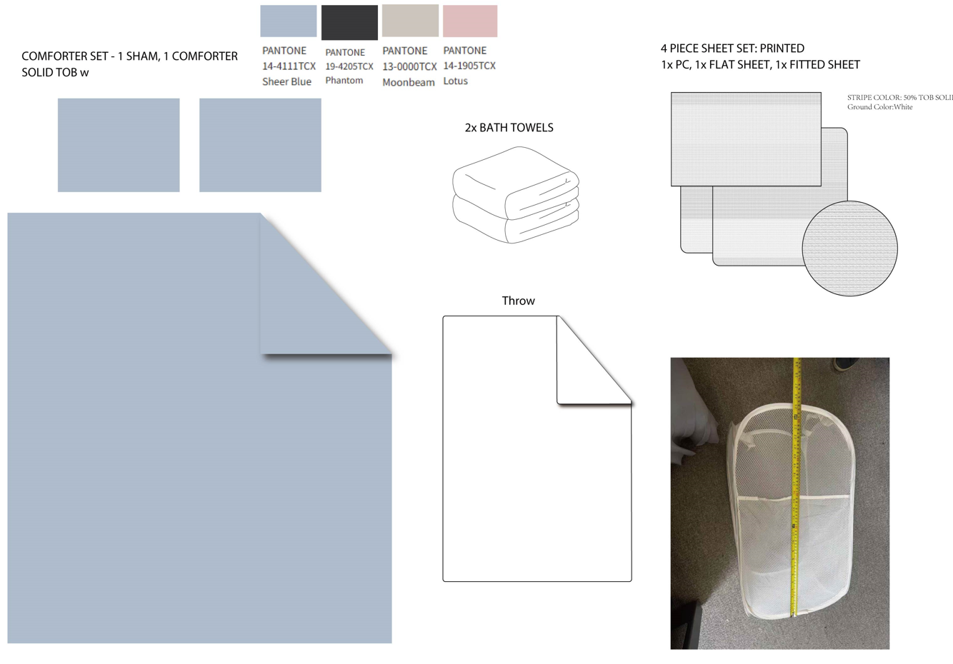 9/11PCS Set（comforter mini set+Sheet Set+2 bath towel+Hamper) |  | Regency Heights |  | COMFORTER (SET) | Nova Dorm | 100% Polyester Microfiber 9pcs Comforter Set | 9pcs Comforter Set | Comf/sham : 100% Polyester microfiber solid on face and back, 200gsm poly fill. Sheet Set: 100% Polyester microfiber printed; Throw: 100% polyester 260gsm plush farbic with binding around, solid Bath towel: 100% cotton 500gsm white; Pop-up Laundry Clothes Hamper: 100% polyester mesh fabric with flexible stainless steel wire | 100% polyester , poly filling | Twin XL：: 66x90"/20x26"/66x96"/39x80+12"/20x30"/50x60"/28" x 60"(2)/13.5x13.5x25" | Pink | RH10-0885 |  | Set | ￥151.00 | 7.70 | $19.61 | $19.61 |  | Compressed/Knocked Down | 42.0 | 32.0 | 58.0 | 14.00 | 3 | 0.078 | 2502 | $4,000.00 | $1.60 | 9404.40.9022 | 22.80% | $4.47 | $25.68 | 0.00% | $0.00 | 0.00% | $0.00 | 0.00% | $0.00 | $0.00 | $0.00 | 0.00% | $0.00 | $0.00 | $25.68 | 0.00% | $25.68 | $79.99 | $79.99 |  | 552
2 |  |  | Regency Heights |  | COMFORTER (SET) | Nova Dorm | 100% Polyester Microfiber 11pcs Comforter Set | 11pcs Comforter Set | Comf/sham : 100% Polyester microfiber solid on face and back, 200gsm poly fill. Sheet Set: 100% Polyester microfiber printed; Throw: 100% polyester 260gsm plush farbic with binding around, solid Bath towel: 100% cotton 500gsm white; Pop-up Laundry Clothes Hamper: 100% polyester mesh fabric with flexible stainless steel wire | 100% polyester , poly filling | Full: 80x90"/20x26"(2)/81x96"/54x75"+15"/20x30"(2)/50x60"/28" x 60"(2)/13.5x13.5x25" | Pink | RH10-0886 |  | Set | ￥170.00 | 7.70 | $22.08 | $22.08 |  | Compressed/Knocked Down | 42.0 | 32.0 | 64.0 | 16.30 | 3 | 0.086 | 2267 | $4,000.00 | $1.76 | 9404.40.9022 | 22.80% | $5.03 | $28.88 | 0.00% | $0.00 | 0.00% | $0.00 | 0.00% | $0.00 | $0.00 | $0.00 | 0.00% | $0.00 | $0.00 | $28.88 | 0.00% | $28.88 | $84.99 | $84.99 |  | 99
3 |  |  | Regency Heights |  | COMFORTER (SET) | Nova Dorm | 100% Polyester Microfiber 11pcs Comforter Set | 11pcs Comforter Set | Comf/sham : 100% Polyester microfiber solid on face and back, 200gsm poly fill. Sheet Set: 100% Polyester microfiber printed; Throw: 100% polyester 260gsm plush farbic with binding around, solid Bath towel: 100% cotton 500gsm white; Pop-up Laundry Clothes Hamper: 100% polyester mesh fabric with flexible stainless steel wire | 100% polyester , poly filling | Queen: 90x90"/20x26"(2)/90x102"/60x80"+15"/20x30"(2)/50x60"/28" x 60"(2)/13.5x13.5x25" | Pink | RH10-0887 |  | Set | ￥177.00 | 7.70 | $22.99 | $22.99 |  | Compressed/Knocked Down | 42.0 | 32.0 | 64.0 | 17.10 | 3 | 0.086 | 2267 | $4,000.00 | $1.76 | 9404.40.9022 | 22.80% | $5.24 | $29.99 | 0.00% | $0.00 | 0.00% | $0.00 | 0.00% | $0.00 | $0.00 | $0.00 | 0.00% | $0.00 | $0.00 | $29.99 | 0.00% | $29.99 | $89.99 | $89.99 |  | 402
4 | 9/11PCS Set（comforter mini set+Sheet Set+2 bath towel+Hamper) |  | Regency Heights |  | COMFORTER (SET) | Nova Dorm | 100% Polyester Microfiber 9pcs Comforter Set | 9pcs Comforter Set | Comf/sham : 100% Polyester microfiber solid on face and back, 200gsm poly fill. Sheet Set: 100% Polyester microfiber printed; Throw: 100% polyester 260gsm plush farbic with binding around, solid Bath towel: 100% cotton 500gsm white; Pop-up Laundry Clothes Hamper: 100% polyester mesh fabric with flexible stainless steel wire | 100% polyester , poly filling | Twin XL：: 66x90"/20x26"/66x96"/39x80+12"/20x30"/50x60"/28" x 60"(2)/13.5x13.5x25" | Blue | RH10-0888 |  | Set | ￥151.00 | 7.70 | $19.61 | $19.61 |  | Compressed/Knocked Down | 42.0 | 32.0 | 58.0 | 14.00 | 3 | 0.078 | 2502 | $4,000.00 | $1.60 | 9404.40.9022 | 22.80% | $4.47 | $25.68 | 0.00% | $0.00 | 0.00% | $0.00 | 0.00% | $0.00 | $0.00 | $0.00 | 0.00% | $0.00 | $0.00 | $25.68 | 0.00% | $25.68 | $79.99 | $79.99 |  | 552
5 |  |  | Regency Heights |  | COMFORTER (SET) | Nova Dorm | 100% Polyester Microfiber 11pcs Comforter Set | 11pcs Comforter Set | Comf/sham : 100% Polyester microfiber solid on face and back, 200gsm poly fill. Sheet Set: 100% Polyester microfiber printed; Throw: 100% polyester 260gsm plush farbic with binding around, solid Bath towel: 100% cotton 500gsm white; Pop-up Laundry Clothes Hamper: 100% polyester mesh fabric with flexible stainless steel wire | 100% polyester , poly filling | Full: 80x90"/20x26"(2)/81x96"/54x75"+15"/20x30"(2)/50x60"/28" x 60"(2)/13.5x13.5x25" | Blue | RH10-0889 |  | Set | ￥170.00 | 7.70 | $22.08 | $22.08 |  | Compressed/Knocked Down | 42.0 | 32.0 | 64.0 | 16.30 | 3 | 0.086 | 2267 | $4,000.00 | $1.76 | 9404.40.9022 | 22.80% | $5.03 | $28.88 | 0.00% | $0.00 | 0.00% | $0.00 | 0.00% | $0.00 | $0.00 | $0.00 | 0.00% | $0.00 | $0.00 | $28.88 | 0.00% | $28.88 | $84.99 | $84.99 |  | 99
6 |  |  | Regency Heights |  | COMFORTER (SET) | Nova Dorm | 100% Polyester Microfiber 11pcs Comforter Set | 11pcs Comforter Set | Comf/sham : 100% Polyester microfiber solid on face and back, 200gsm poly fill. Sheet Set: 100% Polyester microfiber printed; Throw: 100% polyester 260gsm plush farbic with binding around, solid Bath towel: 100% cotton 500gsm white; Pop-up Laundry Clothes Hamper: 100% polyester mesh fabric with flexible stainless steel wire | 100% polyester , poly filling | Queen: 90x90"/20x26"(2)/90x102"/60x80"+15"/20x30"(2)/50x60"/28" x 60"(2)/13.5x13.5x25" | Blue | RH10-0890 |  | Set | ￥177.00 | 7.70 | $22.99 | $22.99 |  | Compressed/Knocked Down | 42.0 | 32.0 | 64.0 | 17.10 | 3 | 0.086 | 2267 | $4,000.00 | $1.76 | 9404.40.9022 | 22.80% | $5.24 | $29.99 | 0.00% | $0.00 | 0.00% | $0.00 | 0.00% | $0.00 | $0.00 | $0.00 | 0.00% | $0.00 | $0.00 | $29.99 | 0.00% | $29.99 | $89.99 | $89.99 |  | 402
7 | 9/11PCS Set（comforter mini set+Sheet Set+2 bath towel+Hamper) |  | Regency Heights |  | COMFORTER (SET) | Nova Dorm | 100% Polyester Microfiber 9pcs Comforter Set | 9pcs Comforter Set | Comf/sham : 100% Polyester microfiber solid on face and back, 200gsm poly fill. Sheet Set: 100% Polyester microfiber printed; Throw: 100% polyester 260gsm plush farbic with binding around, solid Bath towel: 100% cotton 500gsm white; Pop-up Laundry Clothes Hamper: 100% polyester mesh fabric with flexible stainless steel wire | 100% polyester , poly filling | Twin XL：: 66x90"/20x26"/66x96"/39x80+12"/20x30"/50x60"/28" x 60"(2)/13.5x13.5x25" | Black | RH10-0891 |  | Set | ￥151.00 | 7.70 | $19.61 | $19.61 |  | Compressed/Knocked Down | 42.0 | 32.0 | 58.0 | 14.00 | 3 | 0.078 | 2502 | $4,000.00 | $1.60 | 9404.40.9022 | 22.80% | $4.47 | $25.68 | 0.00% | $0.00 | 0.00% | $0.00 | 0.00% | $0.00 | $0.00 | $0.00 | 0.00% | $0.00 | $0.00 | $25.68 | 0.00% | $25.68 | $79.99 | $79.99 |  | 552
8 |  |  | Regency Heights |  | COMFORTER (SET) | Nova Dorm | 100% Polyester Microfiber 11pcs Comforter Set | 11pcs Comforter Set | Comf/sham : 100% Polyester microfiber solid on face and back, 200gsm poly fill. Sheet Set: 100% Polyester microfiber printed; Throw: 100% polyester 260gsm plush farbic with binding around, solid Bath towel: 100% cotton 500gsm white; Pop-up Laundry Clothes Hamper: 100% polyester mesh fabric with flexible stainless steel wire | 100% polyester , poly filling | Full: 80x90"/20x26"(2)/81x96"/54x75"+15"/20x30"(2)/50x60"/28" x 60"(2)/13.5x13.5x25" | Black | RH10-0892 |  | Set | ￥170.00 | 7.70 | $22.08 | $22.08 |  | Compressed/Knocked Down | 42.0 | 32.0 | 64.0 | 16.30 | 3 | 0.086 | 2267 | $4,000.00 | $1.76 | 9404.40.9022 | 22.80% | $5.03 | $28.88 | 0.00% | $0.00 | 0.00% | $0.00 | 0.00% | $0.00 | $0.00 | $0.00 | 0.00% | $0.00 | $0.00 | $28.88 | 0.00% | $28.88 | $84.99 | $84.99 |  | 99
9 |  |  | Regency Heights |  | COMFORTER (SET) | Nova Dorm | 100% Polyester Microfiber 11pcs Comforter Set | 11pcs Comforter Set | Comf/sham : 100% Polyester microfiber solid on face and back, 200gsm poly fill. Sheet Set: 100% Polyester microfiber printed; Throw: 100% polyester 260gsm plush farbic with binding around, solid Bath towel: 100% cotton 500gsm white; Pop-up Laundry Clothes Hamper: 100% polyester mesh fabric with flexible stainless steel wire | 100% polyester , poly filling | Queen: 90x90"/20x26"(2)/90x102"/60x80"+15"/20x30"(2)/50x60"/28" x 60"(2)/13.5x13.5x25" | Black | RH10-0893 |  | Set | ￥177.00 | 7.70 | $22.99 | $22.99 |  | Compressed/Knocked Down | 42.0 | 32.0 | 64.0 | 17.10 | 3 | 0.086 | 2267 | $4,000.00 | $1.76 | 9404.40.9022 | 22.80% | $5.24 | $29.99 | 0.00% | $0.00 | 0.00% | $0.00 | 0.00% | $0.00 | $0.00 | $0.00 | 0.00% | $0.00 | $0.00 | $29.99 | 0.00% | $29.99 | $89.99 | $89.99 |  | 402
 |  |  |  |  |  |  |  |  |  |  |  |  |  |  |  |  |  |  |  |  |  |  |  |  |  |  |  |  |  |  |  |  |  |  |  |  |  |  |  |  |  |  |  |  |  |  |  |  |  |  |  | 3159

