Item
Line No. | Photo | VIN/Art No. | Brand | Licensor | Product Category | Pattern | Item Description | Description-Short | Fabrication | Material-Short | Size/Spec. | Color | Customer Item# | Additional Customer Item# | Item No. | UPC | Unit of Measure | UCCPM Price / FOB Cost $ | Package Type | Packaging | Master Carton L (cm) | Master Carton W (cm) | Master Carton H (cm) | Carton Size L (cm) | Carton Size W (cm) | Carton Size H (cm) | Carton Gross Weight (kg) | Case Pack | Cubic Meter per Carton | Container Volume | Total Units per 40ft Container | 40ft Container Freight | Ocean Freight per Item $ | HTS Code | Duty Rate | Duty per Item $ | LDP Cost $ | DA % | DA $ | Royalty % | Royalty $ | Other Load | Other Load % | Other Load $ | Total Load $ | LDP Cost with Load $ | JLA LDP MU% | JLA POE Price | Suggested Retail Price | Retail Markup % | Additional Customer Price | MOQ | Total Cost | Total Sales | Retailer Selling Price Total | Master Carton CBM | Master Carton Weight (kg) | Remarks | Port | COO | Vendor
51 | 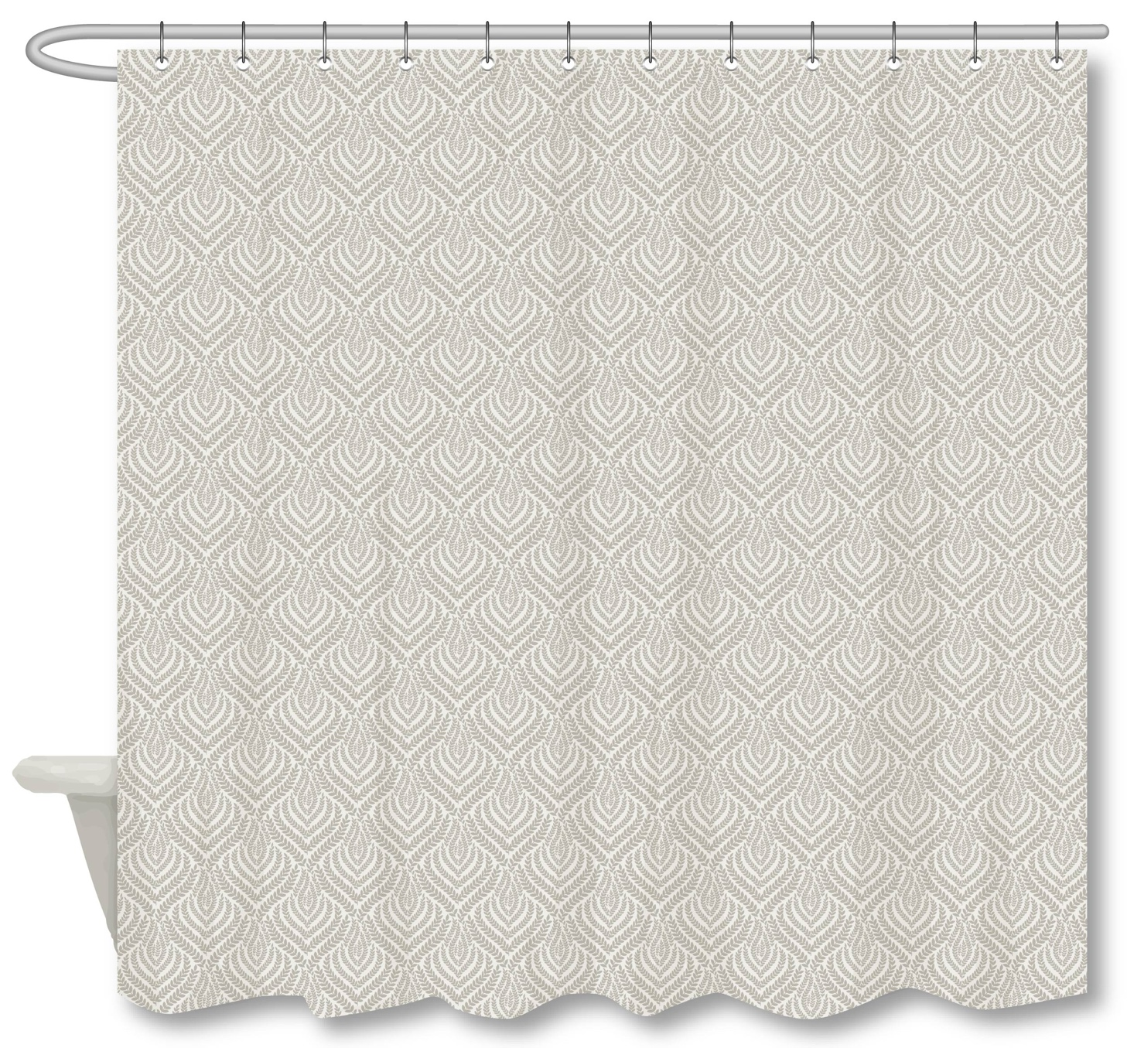 |  | Martha Stewart | Martha Stewart (Bath) 5% | Shower Curtain | Leafhaven | 100% Polyester Single SC | Single SC | Material/Quality: 100% polyester,jacquard Weight:200 gsm | 100% polyester | 72x72" | Taupe |  |  | MT70-0933 |  | Piece | $5.85 | Normal | Header card + plastic hanger | 40 | 29 | 23 | 40 | 29 | 23 | 3.50 | 4 | 0.0267 | 63 | 9445 | $2,250 | $0.24 | 6303.92.2050 | 33.8% | $1.98 | $8.07 | 1% | $0.12 | 5% | $0.58 | 0 | 0 | 0 | $0.69 | $8.76 | 23.87% | $11.50 | $29.99 | 61.65% |  | 1000 | $8,756 | $11,500 |  | 6.67 |  | [JULY POE] Delamore technique | Yantian | China | SAJ
56 | 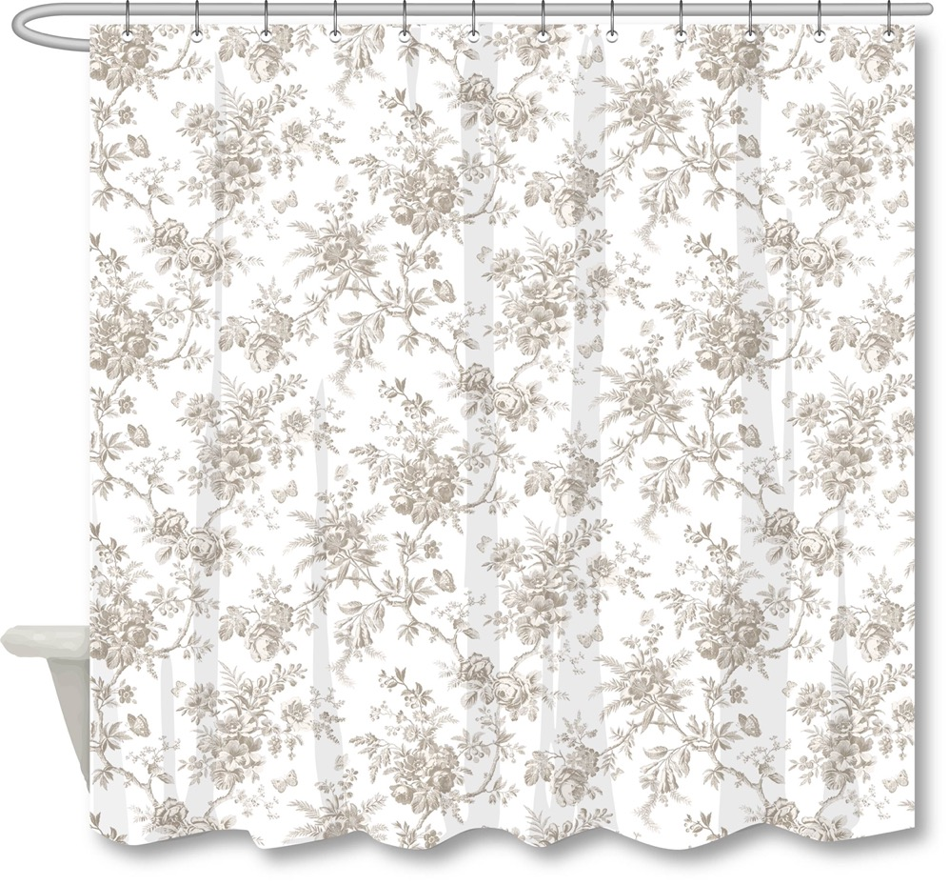 |  | Laura Ashley | Laura Ashley 4% | Shower Curtain | Walled Garden | 100% Polyester Single SC | Single SC | Material/Quality: 100% Polyester, 210gsm matte rib slub, printed | 100% polyester | 72x72" | Taupe |  |  | LA70-0589 |  | Piece | $3.72 | Normal | Header card + plastic hanger | 33 | 29 | 17 | 33 | 29 | 17 | 3.50 | 4 | 0.0163 | 63 | 15490 | $2,250 | $0.15 | 6303.92.2050 | 33.8% | $1.26 | $5.12 | 1% | $0.07 | 6% | $0.44 | 0 | 0 | 0 | $0.51 | $5.64 | 23.30% | $7.35 | $29.99 | 75.49% |  | 1000 | $5,637 | $7,350 |  | 4.07 |  | [AUG POE] Pak or China | Yantian | China | JR
57 | 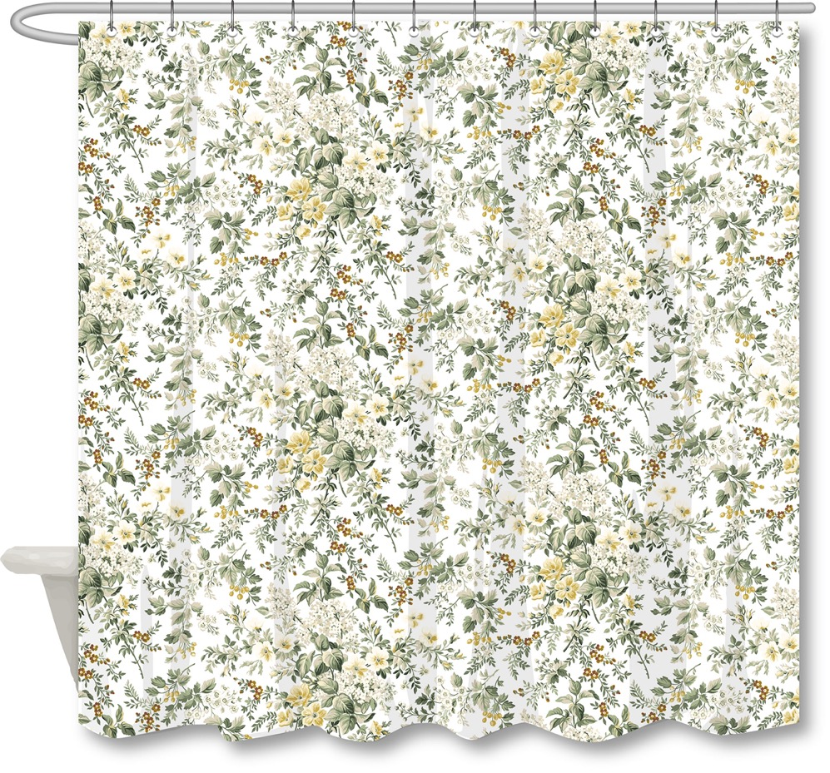 |  | Laura Ashley | Laura Ashley 4% | Shower Curtain | Country Meadow | 100% Polyester Single SC | Single SC | Material/Quality: 100% Polyester, 210gsm matte rib slub, printed | 100% polyester | 72x72" | Green |  |  | LA70-0590 |  | Piece | $3.72 | Normal | Header card + plastic hanger | 33 | 29 | 17 | 33 | 29 | 17 | 3.50 | 4 | 0.0163 | 63 | 15490 | $2,250 | $0.15 | 6303.92.2050 | 33.8% | $1.26 | $5.12 | 1% | $0.07 | 6% | $0.44 | 0 | 0 | 0 | $0.51 | $5.64 | 23.30% | $7.35 | $29.99 | 75.49% |  | 1000 | $5,637 | $7,350 |  | 4.07 |  | [AUG POE] Pak or China | Yantian | China | JR
58 | 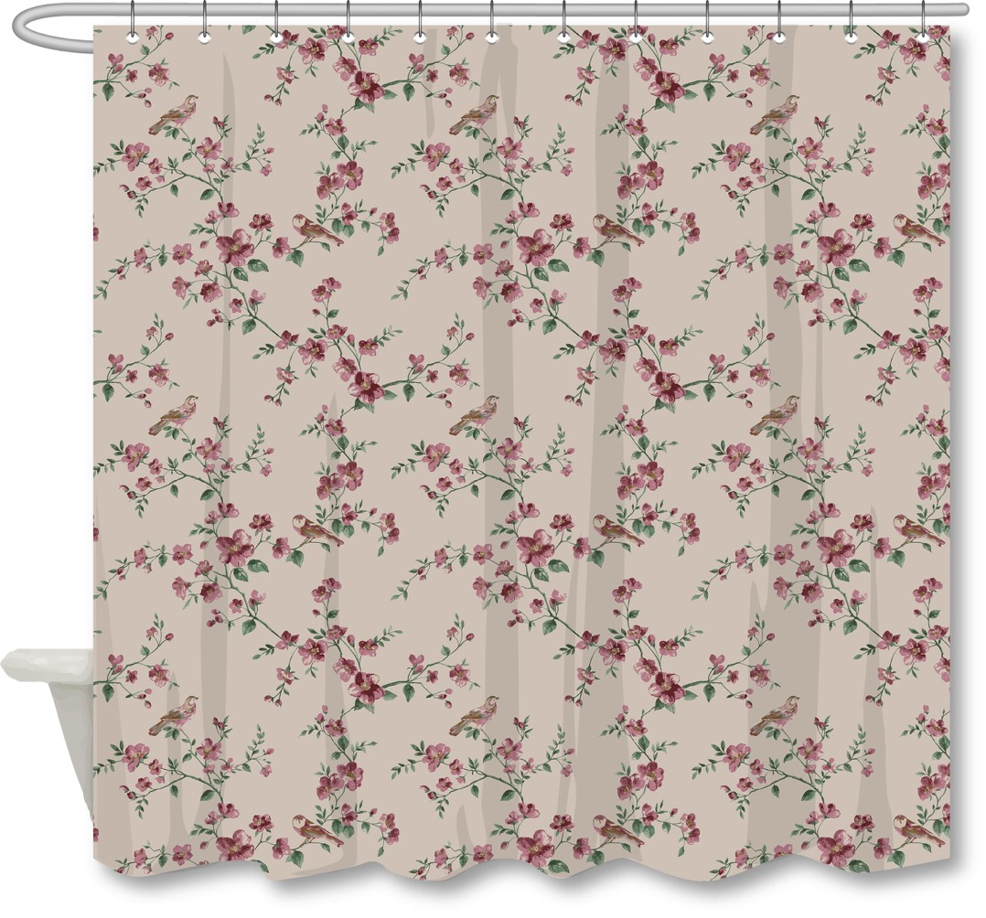 |  | N Natori | N Natori 5% | Shower Curtain | Blossom Bird | 100% Polyester Single SC | Single SC | Material/Quality: 100% Polyester, 210gsm matte rib slub, printed | 100% polyester | 72x72" | Linen Mauve |  |  | NN70-0457 |  | Piece | $3.72 | Normal | Header card + plastic hanger | 33 | 29 | 17 | 33 | 29 | 17 | 3.50 | 4 | 0.0163 | 63 | 15490 | $2,250 | $0.15 | 6303.92.2050 | 33.8% | $1.26 | $5.12 | 1% | $0.07 | 5% | $0.37 | 0 | 0 | 0 | $0.44 | $5.56 | 24.30% | $7.35 | $29.99 | 75.49% |  | 1000 | $5,564 | $7,350 |  | 4.07 |  | [AUG POE] Pak or China | Yantian | China | JR
59 | 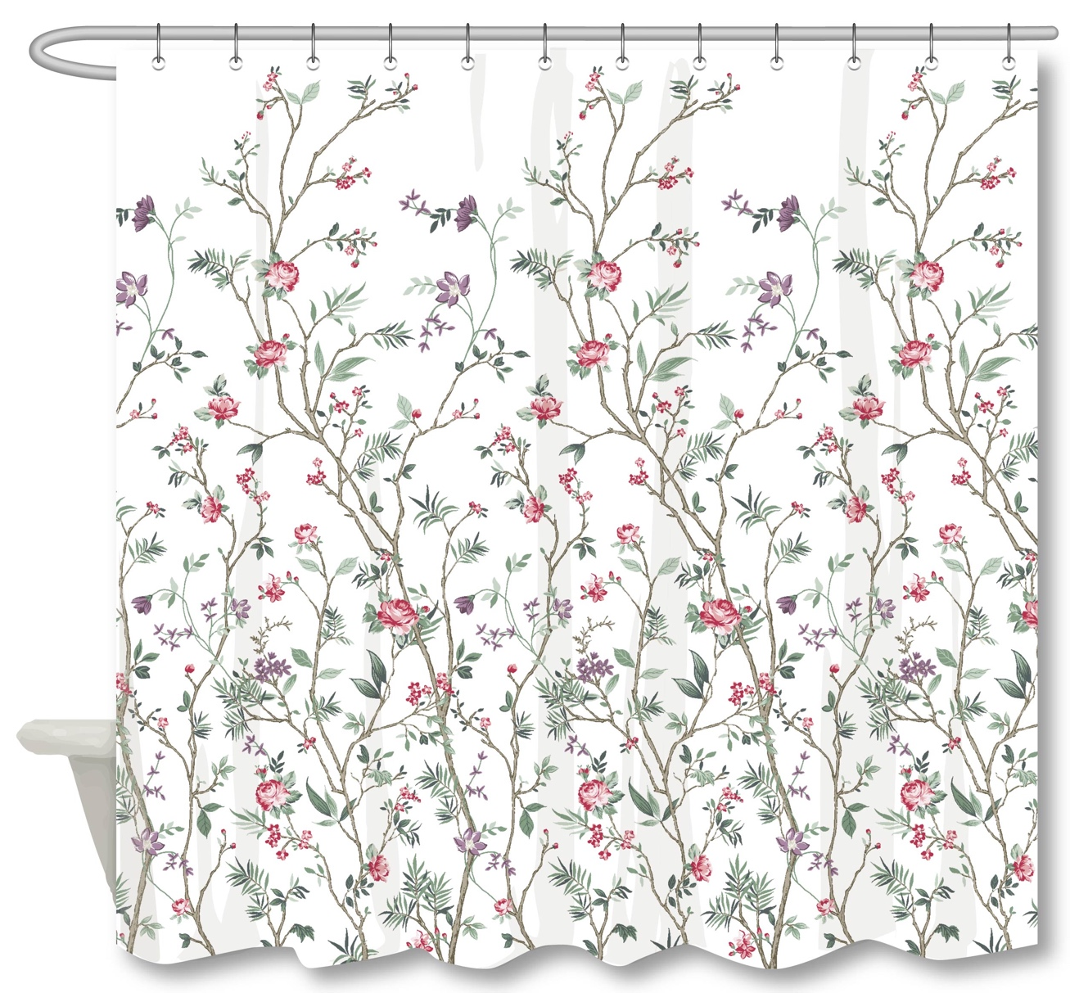 |  | N Natori | N Natori 5% | Shower Curtain | CHINOISERIE FLORAL 2 | 100% Polyester Single SC | Single SC | Material/Quality: 100% Polyester, 210gsm matte rib slub, printed | 100% polyester | 72x72" | Multi |  |  | NN70-0458 |  | Piece | $3.72 | Normal | Header card + plastic hanger | 33 | 29 | 17 | 33 | 29 | 17 | 3.50 | 4 | 0.0163 | 63 | 15490 | $2,250 | $0.15 | 6303.92.2050 | 33.8% | $1.26 | $5.12 | 1% | $0.07 | 5% | $0.37 | 0 | 0 | 0 | $0.44 | $5.56 | 24.30% | $7.35 | $29.99 | 75.49% |  | 1000 | $5,564 | $7,350 |  | 4.07 |  | [AUG POE] Pak or China | Yantian | China | JR
60 |  |  | Martha Stewart | Martha Stewart (Bath) 5% | Shower Curtain | Arborveil | 100% Polyester Single SC | Single SC | Material/Quality: Jacquard (Delamore Technique), 100% Polyester，200gsm | 100% polyester | 72x72" | Pale Sage |  |  | MT70-0934 |  | Piece | $5.85 | Normal | Header card + plastic hanger | 40 | 29 | 23 | 40 | 29 | 23 | 3.50 | 4 | 0.0267 | 63 | 9445 | $2,250 | $0.24 | 6303.92.2050 | 33.8% | $1.98 | $8.07 | 1% | $0.12 | 5% | $0.58 | 0 | 0 | 0 | $0.69 | $8.76 | 23.87% | $11.50 | $29.99 | 61.65% |  | 1000 | $8,756 | $11,500 |  | 6.67 |  | [AUG POE] Delamore technique | Yantian | China | SAJ
61 | 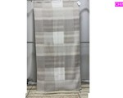 |  | Woolrich | Woolrich 5% | Shower Curtain | Trista | 100% Polyester Single SC | Single SC | Material/Quality: 98% Polyester 2%Spandex. Jacquard. Woven Waffle & Crinkle Weight:160gsm | 98% Polyester 2%Spandex | 72x72" | Neutral |  |  | WR70-4128 |  | Piece | $6.00 | Normal | Header card + plastic hanger | 40 | 29 | 23 | 40 | 29 | 23 | 3.50 | 4 | 0.0267 | 63 | 9445 | $2,250 | $0.24 | 6303.92.2050 | 33.8% | $2.03 | $8.27 | 1% | $0.12 | 7% | $0.84 | 0 | 0 | 0 | $0.96 | $9.22 | 22.83% | $11.95 | $29.99 | 60.15% |  | 1000 | $9,222 | $11,950 |  | 6.67 |  | [AUG POE] | Yantian | China | SAJ
62 |  |  | Martha Stewart | Martha Stewart (Bath) 5% | Shower Curtain | Fernway | 100% Polyester Single SC | Single SC | Material/Quality: 100% Polyester, 210gsm matte rib slub with embroidery Weight: 210gsm | 100% polyester | 72x72" | Green |  |  | MT70-0935 |  | Piece | $5.33 | Normal | Header card + plastic hanger | 33 | 29 | 19 | 33 | 29 | 19 | 3.50 | 4 | 0.0182 | 63 | 13859 | $2,250 | $0.16 | 6303.92.2050 | 33.8% | $1.80 | $7.29 | 1% | $0.12 | 5% | $0.58 | 0 | 0 | 0 | $0.69 | $7.98 | 30.57% | $11.50 | $29.99 | 61.65% |  | 1000 | $7,984 | $11,500 |  | 4.55 |  | [AUG POE] | Yantian | China | JR
63 |  |  | N Natori | N Natori 5% | Shower Curtain | Mataki | 100% Polyester Single SC | Single SC | Material/Quality: Jacquard, 100% Polyester Weight: 170gsm | 100% polyester | 70x72" | Neutral |  |  | NN70-0459 |  | Piece | $4.00 | Normal | Header card + plastic hanger | 40 | 29 | 16 | 40 | 29 | 16 | 3.50 | 4 | 0.0186 | 63 | 13578 | $2,250 | $0.17 | 6303.92.2050 | 33.8% | $1.35 | $5.52 | 1% | $0.09 | 5% | $0.44 | 0 | 0 | 0 | $0.53 | $6.04 | 30.94% | $8.75 | $29.99 | 70.82% |  | 1000 | $6,043 | $8,750 |  | 4.64 |  | [AUG POE] | Yantian | China | SXBA
64 |  |  | N Natori | N Natori 5% | Shower Curtain | Renga - Woven Jaq | 100% Polyester Single SC | Single SC | Material/Quality: Jacquard, 100% Polyester, 175gsm | 100% polyester | 72x72" | White on White |  |  | NN70-0460 |  | Piece | $5.37 | Normal | Header card + plastic hanger | 40 | 29 | 24 | 40 | 29 | 24 | 3.50 | 4 | 0.0278 | 63 | 9052 | $2,250 | $0.25 | 6303.92.2050 | 33.8% | $1.82 | $7.43 | 1% | $0.12 | 5% | $0.58 | 0 | 0 | 0 | $0.69 | $8.12 | 29.36% | $11.50 | $29.99 | 61.65% |  | 1000 | $8,124 | $11,500 |  | 6.96 |  | [AUG POE] | Yantian | China | Kingmax

