Item
Line No. | Photo | VIN/Art No. | Brand | Licensor | Product Category | Pattern | Item Description | Description-Short | Fabrication | Material-Short | Size/Spec. | Color | Trim | Customer Item# | Additional Customer Item# | Item No. | UPC | Unit of Measure | UCCPM Price | FOB Cost $ (Value) | Package Type | Packaging | PDQ Size L (cm) | PDQ Size W (cm) | PDQ Size H (cm) | Carton Size L (cm) | Carton Size W (cm) | Carton Size H (cm) | Carton Gross Weight (kg) | Case Pack | Cubic Meter per Carton | Container Volume | Total Units per 40ft Container | 40ft Container Freight | Ocean Freight per Item $ | HTS Code | Duty Rate | Duty per Item $ | LDP Cost $ | DA % | DA $ | Royalty % | Royalty $ | Rebate/Co-op % | Rebate/Co-op $ | Load 1 | Load 1 % | Load 1 $ | Load 2 | Load 2 % | Load 2 $ | Load 3 | Load 3 % | Load 3 $ | Total Load $ | FOB with Loads $ | JLA FOB MU% | JLA DI Price | Estimated Retailer LDP Cost | Suggested Retail Price | Retail Markup % | Retail Markup on Landed Price % | Additional Customer Price | Total Quantity | Ratio | Quantity | Total Cost | Total Sales | Remarks | Port | COO | Vendor
1 | 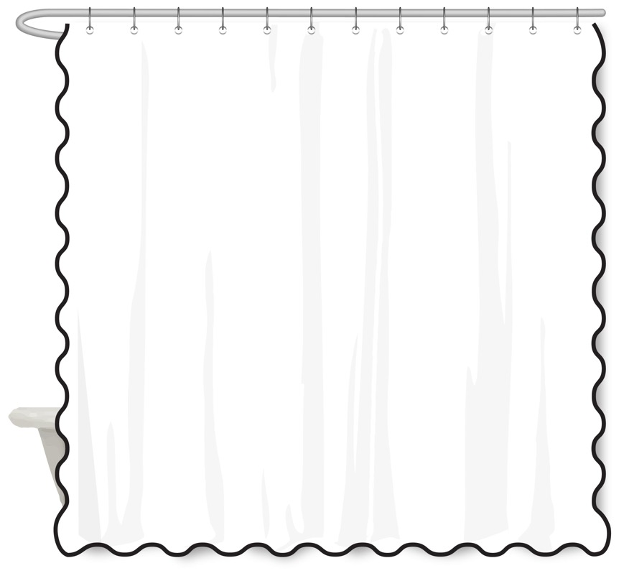 |  | Laura Ashley | Laura Ashley 4% | Shower Curtain | Scallop Solid | 65% Cotton 35% Polyester Single Shower Curtain | Shower Curtain | 65% Cotton 35% Polyester 150Dx10CTN Slub/76x44 160gsm Pigment Rotary Print · 2cm Scallop Trim on 3 sides | CVC: Cotton, Polyester | 72x72" | Blue/Green |  |  |  |  |  | Piece |  | $4.88 |  |  | 39 | 28 | 22 | 39 | 28 | 22 | 5.00 | 4 | 0.024 | 63.00 | 10490 | $3,000 | $0.29 | 6303.91.0010 | 25.3% | $1.90 | $7.06 | 0.00% | $0.00 | 6.00% | $0.45 | 0.00% | $0.00 | $0.00 | 0.00% | $0.00 | $0.00 | 0.00% | $0.00 | $0.00 | 0.00% | $0.00 | $0.45 | $5.33 | 28.93% | $7.50 | $9.68 |  |  |  |  | 1000 | 1 | 1000 | $5,330.00 | $7,500.00 |  | Karachi,Pakistan | China | MK
2 |  |  | Laura Ashley | Laura Ashley 4% | Shower Curtain | Leaf Embroidery | 70% Cotton 30% Polyester Single Shower Curtain | Shower Curtain | 70% Cotton 30% Polyester 30pcx30pc+10ctn/110x80(53+27) Dobby Matellesse 230gsm White | CVC: Cotton, Polyester | 72x72" | Sage / White |  |  |  |  |  | Piece |  | $9.12 |  |  | 30 | 25 | 24 | 30 | 25 | 24 | 5.00 | 4 | 0.018 | 63.00 | 14000 | $3,000 | $0.21 | 6303.91.0010 | 25.3% | $3.48 | $12.81 | 0.00% | $0.00 | 6.00% | $0.83 | 0.00% | $0.00 | $0.00 | 0.00% | $0.00 | $0.00 | 0.00% | $0.00 | $0.00 | 0.00% | $0.00 | $0.83 | $9.94 | 27.67% | $13.75 | $17.44 |  |  |  |  | 1000 | 1 | 1000 | $9,945.00 | $13,750.00 |  | Karachi,Pakistan | China | MK
3 | 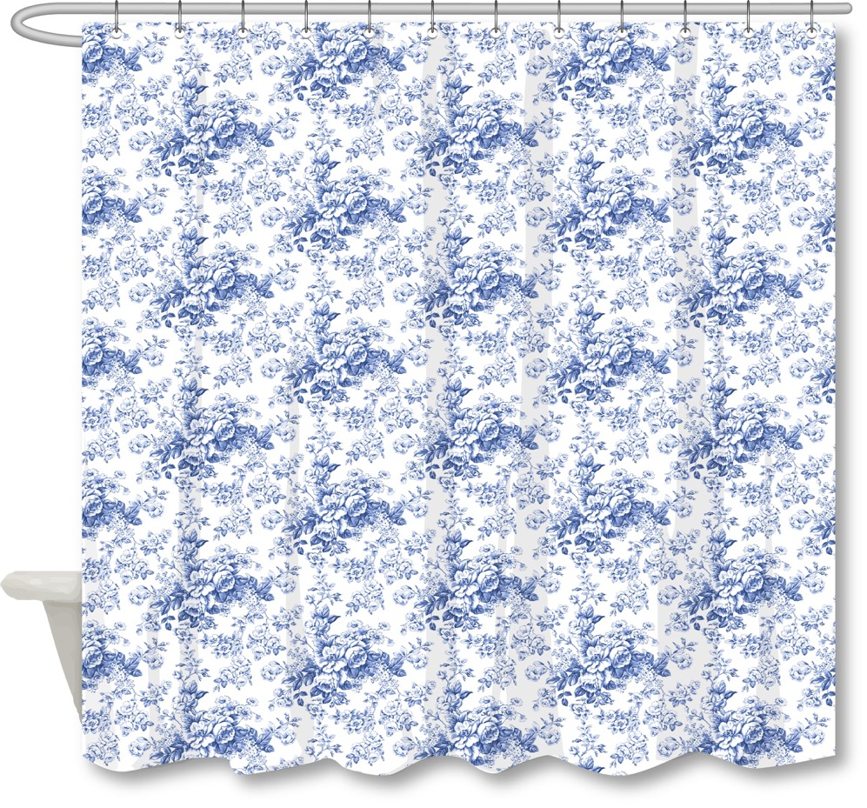 |  | Laura Ashley | Laura Ashley 4% | Shower Curtain | Toile Delight | 55% Cotton 45% Polyester Single Shower Curtain | Shower Curtain | 55% Cotton 45% Polyester 16PCx10CTN Slub+300D/76x30 Dobby 180gsm Pigment Rotary Print | CVC: Cotton, Polyester | 72x72" | Dark Blue |  |  |  |  |  | Piece |  | $4.30 |  |  | 39 | 28 | 18 | 39 | 28 | 18 | 5.00 | 4 | 0.020 | 63.00 | 12821 | $3,000 | $0.23 | 6303.91.0010 | 25.3% | $1.45 | $5.99 | 0.00% | $0.00 | 6.00% | $0.35 | 0.00% | $0.00 | $0.00 | 0.00% | $0.00 | $0.00 | 0.00% | $0.00 | $0.00 | 0.00% | $0.00 | $0.35 | $4.65 | 19.22% | $5.75 | $7.44 |  |  |  |  | 1000 | 1 | 1000 | $4,645.00 | $5,750.00 |  | Karachi,Pakistan | China | MK
4 | 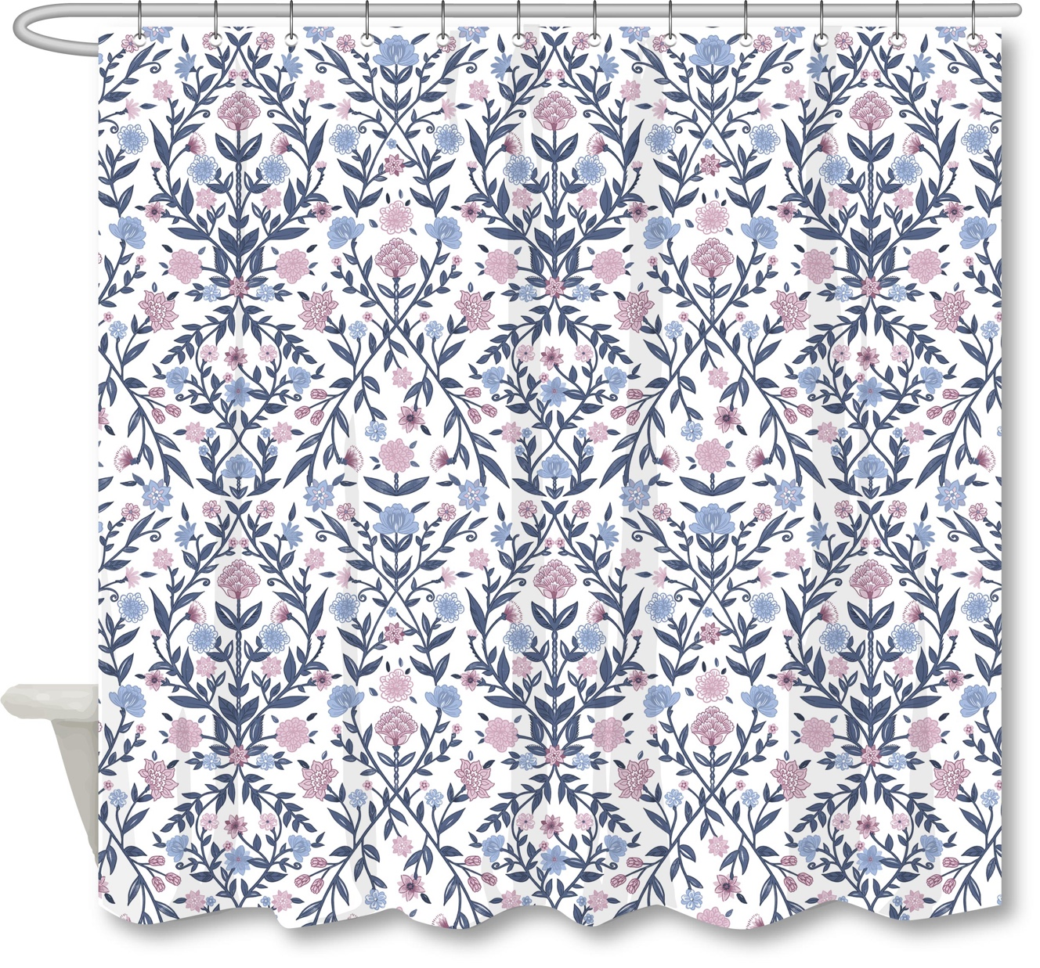 |  | Martha Stewart | Martha Stewart (Bath) 5% | Shower Curtain | Vinewood | 55% Cotton 45% Polyester Single Shower Curtain | Shower Curtain | 55% Cotton 45% Polyester 16PCx10CTN Slub+300D/76x30 Dobby 180gsm Pigment Rotary Print | CVC: Cotton, Polyester | 72x72" | Denim |  |  |  |  |  | Piece |  | $4.30 |  |  | 39 | 28 | 18 | 39 | 28 | 18 | 5.00 | 4 | 0.020 | 63.00 | 12821 | $3,000 | $0.23 | 6303.91.0010 | 25.3% | $1.45 | $5.99 | 0.00% | $0.00 | 5.00% | $0.29 | 0.00% | $0.00 | $0.00 | 0.00% | $0.00 | $0.00 | 0.00% | $0.00 | $0.00 | 0.00% | $0.00 | $0.29 | $4.59 | 20.22% | $5.75 | $7.44 |  |  |  |  | 1000 | 1 | 1000 | $4,587.50 | $5,750.00 |  | Karachi,Pakistan | China | MK
7 | 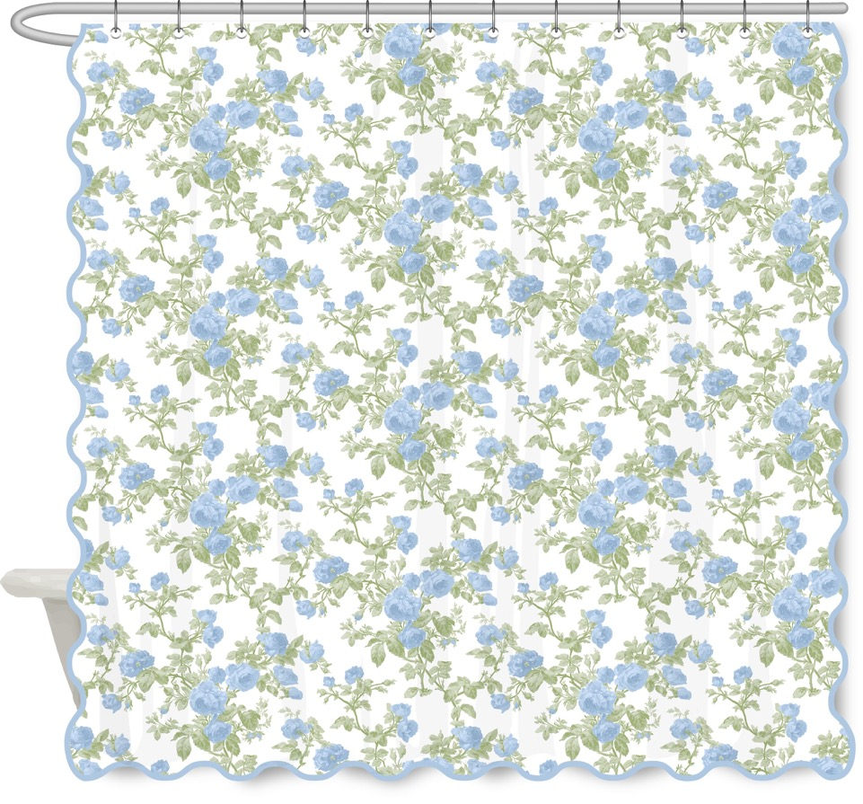 |  | Laura Ashley | Laura Ashley 4% | Shower Curtain | Roses Scallop | 65% Cotton 35% Polyester Single Shower Curtain | Shower Curtain | 65% Cotton 35% Polyester 150Dx10CTN Slub/76x44 160gsm Pigment Rotary Print · 2cm Scallop Trim on 3 sides | CVC: Cotton, Polyester | 72x72" | Blue/Green |  |  |  |  |  | Piece |  | $4.88 |  |  | 39 | 28 | 22 | 39 | 28 | 22 | 5.00 | 4 | 0.024 | 63.00 | 10490 | $3,000 | $0.29 | 6303.91.0010 | 25.3% | $1.90 | $7.06 |  | $0.00 | 6.00% | $0.45 |  | $0.00 | $0.00 | 0.00% | $0.00 | $0.00 | 0.00% | $0.00 | $0.00 | 0.00% | $0.00 | $0.45 | $5.33 | 28.93% | $7.50 | $9.68 |  |  |  |  | 1000 | 1 | 1000 | $5,330.00 | $7,500.00 |  | Karachi,Pakistan | China | MK
8 |  |  | Martha Stewart | Martha Stewart (Bath) 5% | Shower Curtain | IVY EMBROIDERY | 70% Cotton 30% Polyester Single Shower Curtain | Shower Curtain | 70% Cotton 30% Polyester 30pcx30pc+10ctn/110x80(53+27) Dobby Matellesse 230gsm White | CVC: Cotton, Polyester | 72x72" | White/Blue |  |  |  |  |  | Piece |  | $9.72 |  |  | 30 | 25 | 24 | 30 | 25 | 24 | 5.00 | 4 | 0.018 | 63.00 | 14000 | $3,000 | $0.21 | 6303.91.0010 | 25.3% | $3.48 | $13.41 |  | $0.00 | 5.00% | $0.69 |  | $0.00 | $0.00 | 0.00% | $0.00 | $0.00 | 0.00% | $0.00 | $0.00 | 0.00% | $0.00 | $0.69 | $10.41 | 24.31% | $13.75 | $17.44 |  |  |  |  | 1000 | 1 | 1000 | $10,407.50 | $13,750.00 |  | Karachi,Pakistan | China | MK

