CCD
核价表编号：
系列开发项目名称：
总部负责人：
上海办报价人：
JLA# 款号
图片 | 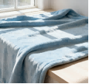 |  |  | 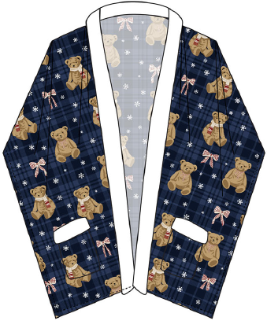
CSTM# 款号 | Solid Cozy Plush Throw | Printed Cozy Plush Throw | Printed Cozy Plush Wrap | Printed Cozy Plush Wrap
尺寸（size) | 50x70" | 50x70" | 50x70" | 50x70"
成品规格 （specification) | 100%polyester, 450gsm, solid self hem | 100%polyester, 450gsm, print self hem | 100%polyester, 300gsm, print 2 pockets 400gsm serengeti fur trim | 100%polyester, 300gsm, print 2 pockets 400gsm serengeti fur trim
包装 （packaging) | Folded with ribbon + insert, 4pc/ctn RFID | Folded with ribbon + insert, 4pc/ctn RFID | Print Gift Box, 4pc/ctn RFID | Folded with ribbon + insert, 4pc/ctn RFID
FOB Shanghai | $3.11 | $3.13 | $3.58 | $3.38
Carton Size | 38x33x38cm/4pcs | 38x33x38cm/4pcs | 38x33x40cm/4pcs | 38x33x36cm/4pcs
Factory | Creation | Creation | Creation | Creation
MOQ | Price based on total 200,000 units | Price based on total 200,000 units | Price based on total 200,000 units | Price based on total 200,000 units

