Item
Line No. | Photo | VIN/Art No. | Brand | Licensor | Product Category | Pattern | Item Description | Description-Short | Fabrication | Material-Short | Size/Spec. | Color | Customer Item# | Additional Customer Item# | Item No. | UPC | Unit of Measure | UCCPM Price / FOB Cost $ | Package Type | Packaging | Master Carton L (cm) | Master Carton W (cm) | Master Carton H (cm) | Carton Size L (cm) | Carton Size W (cm) | Carton Size H (cm) | Carton Gross Weight (kg) | Case Pack | Cubic Meter per Carton | Container Volume | Total Units per 40ft Container | 40ft Container Freight | Ocean Freight per Item $ | HTS Code | Duty Rate | Duty per Item $ | LDP Cost $ | DA % | DA $ | Royalty % | Royalty $ | Other Load | Other Load % | Other Load $ | Total Load $ | LDP Cost with Load $ | JLA LDP MU% | JLA POE Price | Suggested Retail Price | Retail Markup % | Additional Customer Price | MOQ | Total Cost | Total Sales | Retailer Selling Price Total | Master Carton CBM | Master Carton Weight (kg) | Remarks | Port | COO | Vendor
57 | 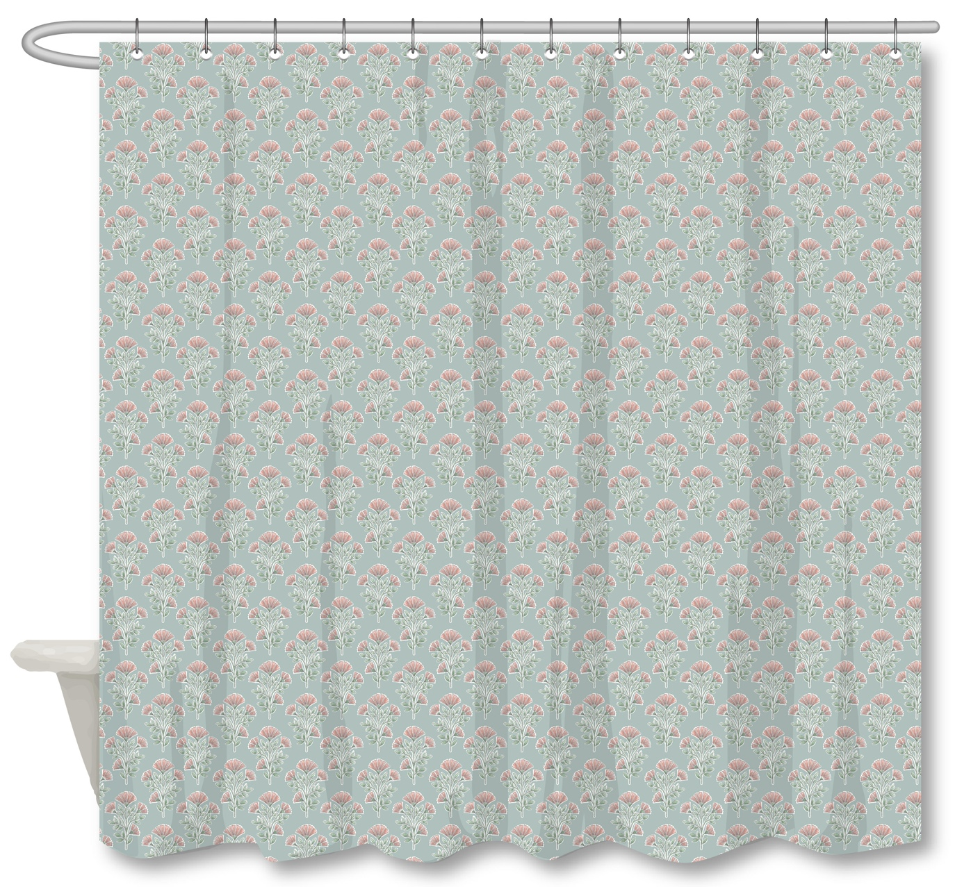 |  | Martha Stewart | Martha Stewart (Bath) 5% | Shower Curtain | Nomad Blossom | 100% Polyester Single SC | Single SC | Material/Quality: 100% Polyester, 210gsm matte rib slub, printed | 100% polyester | 72x72" | Aqua/Blush |  |  | MT70-0936 |  | Piece | $3.72 | Normal | Header card + plastic hanger | 33 | 29 | 17 | 33 | 29 | 17 | 3.50 | 4 | 0.0163 | 63 | 15490 | $2,250 | $0.15 | 6303.92.2050 | 33.8% | $1.26 | $5.12 | 1% | $0.07 | 6% | $0.44 | 0 | 0 | 0 | $0.51 | $5.64 | 23.30% | $7.35 | $29.99 | 75.49% |  | 1000 | $5,637 | $7,350 |  | 4.07 |  | JULY POE | Yantian | China | JR
58 | 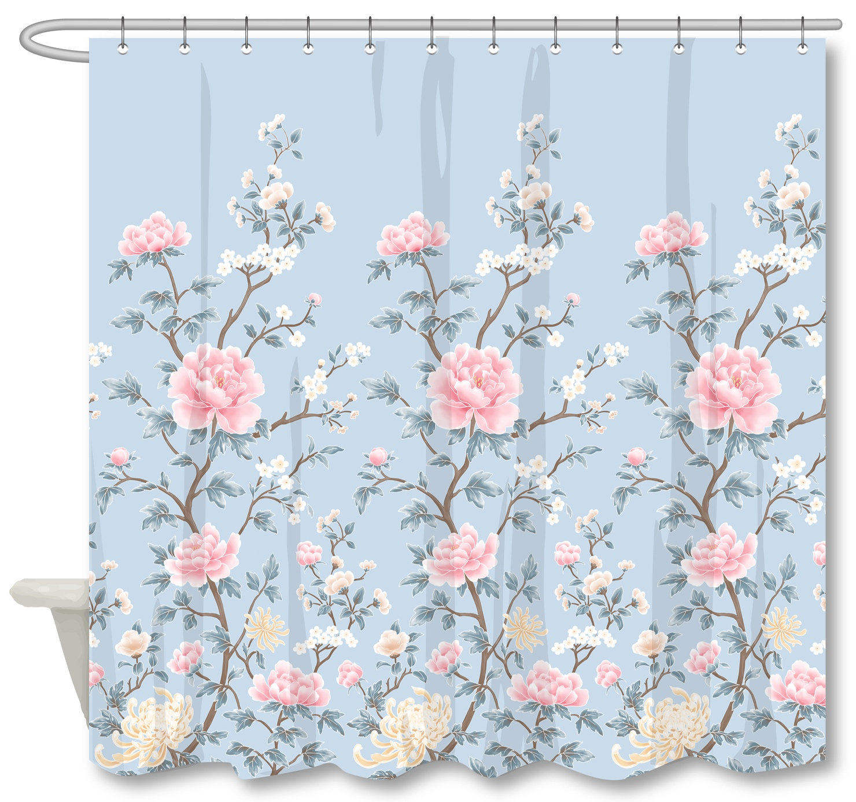 |  | N Natori | N Natori 5% | Shower Curtain | CHINOISERIE FLORAL | 100% Polyester Single SC | Single SC | Material/Quality: 100% Polyester, 210gsm matte rib slub, printed | 100% polyester | 72x72" | LT BLUE |  |  | NN70-0461 |  | Piece | $3.72 | Normal | Header card + plastic hanger | 33 | 29 | 17 | 33 | 29 | 17 | 3.50 | 4 | 0.0163 | 63 | 15490 | $2,250 | $0.15 | 6303.92.2050 | 33.8% | $1.26 | $5.12 | 1% | $0.07 | 5% | $0.37 | 0 | 0 | 0 | $0.44 | $5.56 | 24.30% | $7.35 | $29.99 | 75.49% |  | 1000 | $5,564 | $7,350 |  | 4.07 |  | JULY POE | Yantian | China | JR

