Item
Line No. | Photo | VIN/Art No. | Brand | Licensor | Product Category | Pattern | Item Description | Description-Short | Fabrication | Material-Short | Size/Spec. | Color | Item No. | UPC | Unit of Measure | China RMB Cost | Exchange Rate | FOB Cost $ (Formula) | FOB Cost $ (Value) | UCCPM Price | Package Type | Carton Size L (cm) | Carton Size W (cm) | Carton Size H (cm) | Carton Gross Weight (kg) | Case Pack | Cubic Meter per Carton | Total Units per 40ft Container | 40ft Container Freight | Ocean Freight per Item $ | HTS Code | Duty Rate | Duty per Item $ | LDP Cost $ | DA % | DA $ | General Load % | General Load $ | Warehouse Charge % | Warehouse Charge $ | Dropship Charge | Load 1 | Load 1 % | Load 1 $ | Total Load $ | LDP Cost with Load $ | JLA LDP MU% | JLA FOB CA/GA Price Quote (Formula) | JLA price with drop ship charges | Suggested Retail Price | Initial Markup | Initial Rollout Forecast
1 | 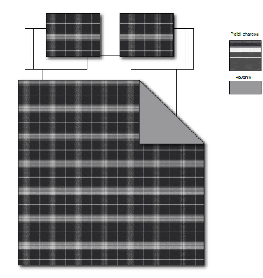 Comforter Mini Set | 13VZ5017P1-B | Regency Heights |  | COMFORTER (SET) | Brook | 100% Polyester Microfiber printed 2pcs Comforter Mini Set | 2pcs Comforter Mini set | Comf/sham :100% polyester Microfiber printed on face, 85gsm microfiber solid reverse, 200gsm poly fill. | 100% polyester , poly filling | Twin/Twin XL:66"Wx90"L/20"Wx26+1"L | Charcoal | RH10-0894 |  | Set | ￥47.89 | 7.70 | $6.22 | $6.22 |  | Compressed/Knocked Down | 42.0 | 32.0 | 38.0 | 8.20 | 3 | 0.051 | 3818 | $4,000.00 | $1.05 | 9404.40.9022 | 22.80% | $1.42 | $8.69 | 0.00% | $0.00 | 0.00% | $0.00 | 0.00% | $0.00 | $0.00 | $0.00 | 0.00% | $0.00 | $0.00 | $8.69 | 0.00% | $8.69 | $39.99 | $39.99 |  | 396
2 |  | 13VZ5017P1-B | Regency Heights |  | COMFORTER (SET) | Brook | 100% Polyester Microfiber printed 3pcs Comforter Mini Set | 3pcs Comforter Mini set | Comf/sham :100% polyester Microfiber printed on face, 85gsm microfiber solid reverse, 200gsm poly fill. | 100% polyester , poly filling | Full/Queen:90"Wx90"L/20"Wx26+1"L(2) | Charcoal | RH10-0895 |  | Set | ￥61.51 | 7.70 | $7.99 | $7.99 |  | Compressed/Knocked Down | 42.0 | 32.0 | 40.0 | 10.90 | 3 | 0.054 | 3627 | $4,000.00 | $1.10 | 9404.40.9022 | 22.80% | $1.82 | $10.91 | 0.00% | $0.00 | 0.00% | $0.00 | 0.00% | $0.00 | $0.00 | $0.00 | 0.00% | $0.00 | $0.00 | $10.91 | 0.00% | $10.91 | $49.99 | $49.99 |  | 942
3 |  | 13VZ5017P1-B | Regency Heights |  | COMFORTER (SET) | Brook | 100% Polyester Microfiber printed 3pcs Comforter Mini Set | 3pcs Comforter Mini set | Comf/sham :100% polyester Microfiber printed on face, 85gsm microfiber solid reverse, 200gsm poly fill. | 100% polyester , poly filling | King/Cal King:104"Wx90"L/20"Wx36+1"L(2) | Charcoal | RH10-0896 |  | Set | ￥69.87 | 7.70 | $9.07 | $9.07 |  | Compressed/Knocked Down | 42.0 | 32.0 | 40.0 | 12.40 | 3 | 0.054 | 3627 | $4,000.00 | $1.10 | 9404.40.9022 | 22.80% | $2.07 | $12.24 | 0.00% | $0.00 | 0.00% | $0.00 | 0.00% | $0.00 | $0.00 | $0.00 | 0.00% | $0.00 | $0.00 | $12.24 | 0.00% | $12.24 | $59.99 | $59.99 |  | 381
4 | 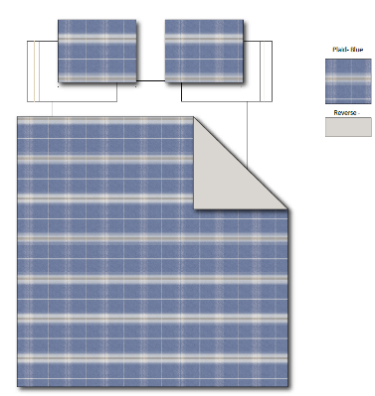 Comforter Mini Set | 13VZ5017P1-C | Regency Heights |  | COMFORTER (SET) | Brook | 100% Polyester Microfiber printed 2pcs Comforter Mini Set | 2pcs Comforter Mini set | Comf/sham :100% polyester Microfiber printed on face, 85gsm microfiber solid reverse, 200gsm poly fill. | 100% polyester , poly filling | Twin/Twin XL:66"Wx90"L/20"Wx26+1"L | Blue | RH10-0897 |  | Set | ￥47.89 | 7.70 | $6.22 | $6.22 |  | Compressed/Knocked Down | 42.0 | 32.0 | 38.0 | 8.20 | 3 | 0.051 | 3818 | $4,000.00 | $1.05 | 9404.40.9022 | 22.80% | $1.42 | $8.69 | 0.00% | $0.00 | 0.00% | $0.00 | 0.00% | $0.00 | $0.00 | $0.00 | 0.00% | $0.00 | $0.00 | $8.69 | 0.00% | $8.69 | $39.99 | $39.99 |  | 381
5 |  | 13VZ5017P1-C | Regency Heights |  | COMFORTER (SET) | Brook | 100% Polyester Microfiber printed 3pcs Comforter Mini Set | 3pcs Comforter Mini set | Comf/sham :100% polyester Microfiber printed on face, 85gsm microfiber solid reverse, 200gsm poly fill. | 100% polyester , poly filling | Full/Queen:90"Wx90"L/20"Wx26+1"L(2) | Blue | RH10-0898 |  | Set | ￥61.51 | 7.70 | $7.99 | $7.99 |  | Compressed/Knocked Down | 42.0 | 32.0 | 40.0 | 10.90 | 3 | 0.054 | 3627 | $4,000.00 | $1.10 | 9404.40.9022 | 22.80% | $1.82 | $10.91 | 0.00% | $0.00 | 0.00% | $0.00 | 0.00% | $0.00 | $0.00 | $0.00 | 0.00% | $0.00 | $0.00 | $10.91 | 0.00% | $10.91 | $49.99 | $49.99 |  | 882
6 |  | 13VZ5017P1-C | Regency Heights |  | COMFORTER (SET) | Brook | 100% Polyester Microfiber printed 3pcs Comforter Mini Set | 3pcs Comforter Mini set | Comf/sham :100% polyester Microfiber printed on face, 85gsm microfiber solid reverse, 200gsm poly fill. | 100% polyester , poly filling | King/Cal King:104"Wx90"L/20"Wx36+1"L(2) | Blue | RH10-0899 |  | Set | ￥69.87 | 7.70 | $9.07 | $9.07 |  | Compressed/Knocked Down | 42.0 | 32.0 | 40.0 | 12.40 | 3 | 0.054 | 3627 | $4,000.00 | $1.10 | 9404.40.9022 | 22.80% | $2.07 | $12.24 | 0.00% | $0.00 | 0.00% | $0.00 | 0.00% | $0.00 | $0.00 | $0.00 | 0.00% | $0.00 | $0.00 | $12.24 | 0.00% | $12.24 | $59.99 | $59.99 |  | 351

