Item
Line No. | Photo | VIN/Art No. | Brand | Licensor | Product Category | Pattern | Item Description | Description-Short | Fabrication | Material-Short | Size/Spec. | Color | Item No. | UPC | Unit of Measure | China RMB Cost | Exchange Rate | FOB Cost $ (Formula) | FOB Cost $ (Value) | UCCPM Price | Package Type | Carton Size L (cm) | Carton Size W (cm) | Carton Size H (cm) | Carton Gross Weight (kg) | Case Pack | Cubic Meter per Carton | Total Units per 40ft Container | 40ft Container Freight | Ocean Freight per Item $ | HTS Code | Duty Rate | Duty per Item $ | LDP Cost $ | DA % | DA $ | General Load % | General Load $ | Warehouse Charge % | Warehouse Charge $ | Dropship Charge | Load 1 | Load 1 % | Load 1 $ | Total Load $ | LDP Cost with Load $ | JLA LDP MU% | JLA FOB CA/GA Price Quote (Formula) | JLA price with drop ship charges | Suggested Retail Price | Initial Markup | Initial Rollout Forecast | 1st Shipment | 2nd Shipment
1 |  |  | Intelligent Design Kids |  | COMFORTER (SET) | Sunshine | Polyester Applique Comforter Set | 100% Polyester Comforter | Comforter/Shams Face 95gsm MF. ditital panel print w/ plush applique. Back 95gsm solid MF. Filling 200gsm poly Decpillow: Polye cover with poly filling | Polyester Microfiber | Twin: 1 Comforter:68"W x 90"L 1 Standard Sham:20"W x 26"L(1) 1 Decpillow: 15"W x 7.5"L x 2.5"D | Pink |  |  | Set | ¥83.00 | 7.75 | $10.71 | $10.71 |  | Compressed/Knocked Down | 43.0 | 33.0 | 18.0 | 2.00 | 1 | 0.026 | 2500 | 3700 | $1.48 | 9404.40.9022 | 32.80% | $3.51 | $15.70 | 6.00% | $2.00 | 10.00% | $3.33 | 10.00% | $3.33 | $0.83 |  |  | $0.00 | $9.49 | $25.19 | 24.42% | $33.33 | $35.00 | $69.99 | 50.00% | 336 | 168 | 168
2 |  |  | Intelligent Design Kids |  | COMFORTER (SET) | Sunshine | Polyester Applique Comforter Set | 100% Polyester Comforter | Comforter/Shams Face 95gsm MF. ditital panel print w/ plush applique. Back 95gsm solid MF. Filling 200gsm poly Decpillow: Polye cover with poly filling | Polyester Microfiber | Queen: 1 Comforter:90"W x 90"L 2 Standard Shams:20"W x 26"L(2) 1 Decpillow: 15"W x 7.5"L x 2.5"D | Pink |  |  | Set | ¥96.60 | 7.75 | $12.46 | $12.46 |  | Compressed/Knocked Down | 43.0 | 33.0 | 18.0 | 2.00 | 1 | 0.026 | 2500 | 3700 | $1.48 | 9404.40.9022 | 32.80% | $4.09 | $18.03 | 6.00% | $2.29 | 10.00% | $3.81 | 10.00% | $3.81 | $0.60 |  |  | $0.00 | $10.51 | $28.54 | 25.09% | $38.10 | $40.00 | $79.99 | 50.00% | 464 | 232 | 232
3 |  |  | Intelligent Design Kids |  | COMFORTER (SET) | Floral | Polyester Applique Comforter Set | 100% Polyester Comforter | Comforter/Shams Face 95gsm MF. ditital panel print w/ plush applique. Back 95gsm solid MF. Filling 200gsm poly Decpillow: Polye cover with poly filling | Polyester Microfiber | Twin: 1 Comforter:68"W x 90"L 1 Standard Sham:20"W x 26"L(1) 1 Decpillow: 16"W x 16"L | Pink |  |  | Set | ¥92.00 | 7.75 | $11.87 | $11.87 |  | Compressed/Knocked Down | 43.0 | 33.0 | 18.0 | 2.00 | 1 | 0.026 | 2500 | 3700 | $1.48 | 9404.40.9022 | 32.80% | $3.89 | $17.24 | 6.00% | $2.00 | 10.00% | $3.33 | 10.00% | $3.33 | $0.83 |  |  | $0.00 | $9.49 | $26.73 | 19.80% | $33.33 | $35.00 | $69.99 | 50.00% | 336 | 168 | 168
4 |  |  | Intelligent Design Kids |  | COMFORTER (SET) | Floral | Polyester Applique Comforter Set | 100% Polyester Comforter | Comforter/Shams Face 95gsm MF. ditital panel print w/ plush applique. Back 95gsm solid MF. Filling 200gsm poly Decpillow: Polye cover with poly filling | Polyester Microfiber | Queen: 1 Comforter:90"W x 90"L 2 Standard Shams:20"W x 26"L(2) 1 Decpillow: 16"W x 16"L | Pink |  |  | Set | ¥109.00 | 7.75 | $14.06 | $14.06 |  | Compressed/Knocked Down | 43.0 | 33.0 | 18.0 | 2.00 | 1 | 0.026 | 2500 | 3700 | $1.48 | 9404.40.9022 | 32.80% | $4.61 | $20.15 | 6.00% | $2.29 | 10.00% | $3.81 | 10.00% | $3.81 | $0.60 |  |  | $0.00 | $10.51 | $30.66 | 19.53% | $38.10 | $40.00 | $79.99 | 50.00% | 464 | 232 | 232
5 | 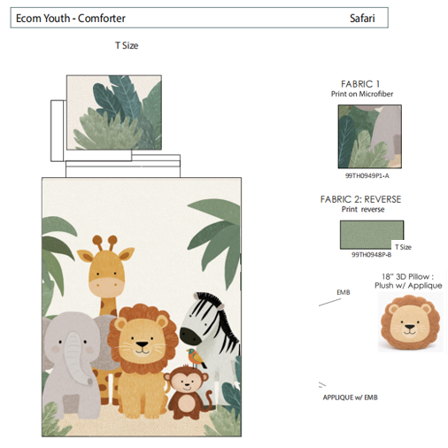 |  | Intelligent Design Kids |  | COMFORTER (SET) | Safari | Polyester Applique Comforter Set | 100% Polyester Comforter | Comforter/Shams Face 95gsm MF. ditital panel print w/ plush applique. Back 95gsm solid MF. Filling 200gsm poly Decpillow: Polye cover with poly filling | Polyester Microfiber | Twin: 1 Comforter:68"W x 90"L 1 Standard Sham:20"W x 26"L(1) 1 Decpillow: 16"W x 16"L | Green |  |  | Set | ¥99.50 | 7.75 | $12.84 | $12.84 |  | Compressed/Knocked Down | 43.0 | 33.0 | 18.0 | 2.00 | 1 | 0.026 | 2500 | 3700 | $1.48 | 9404.40.9022 | 32.80% | $4.21 | $18.53 | 6.00% | $2.00 | 10.00% | $3.33 | 10.00% | $3.33 | $0.83 |  |  | $0.00 | $9.49 | $28.02 | 15.93% | $33.33 | $35.00 | $69.99 | 50.00% | 506 | 253 | 253
6 | 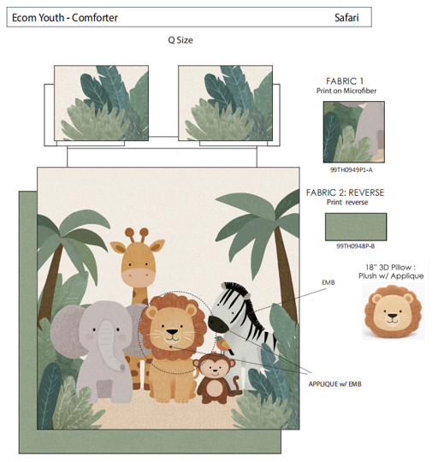 |  | Intelligent Design Kids |  | COMFORTER (SET) | Safari | Polyester Applique Comforter Set | 100% Polyester Comforter | Comforter/Shams Face 95gsm MF. ditital panel print w/ plush applique. Back 95gsm solid MF. Filling 200gsm poly Decpillow: Polye cover with poly filling | Polyester Microfiber | Queen: 1 Comforter:90"W x 90"L 2 Standard Shams:20"W x 26"L(2) 1 Decpillow: 16"W x 16"L | Green |  |  | Set | ¥117.00 | 7.75 | $15.10 | $15.10 |  | Compressed/Knocked Down | 43.0 | 33.0 | 18.0 | 2.00 | 1 | 0.026 | 2500 | 3700 | $1.48 | 9404.40.9022 | 32.80% | $4.95 | $21.53 | 6.00% | $2.29 | 10.00% | $3.81 | 10.00% | $3.81 | $0.60 |  |  | $0.00 | $10.51 | $32.04 | 15.91% | $38.10 | $40.00 | $79.99 | 50.00% | 294 | 147 | 147

