Item
Line No. | Photo | VIN/Art No. | Brand | Licensor | Product Category | Pattern | Item Description | Description-Short | Fabrication | Material-Short | Size/Spec. | Color | Item No. | UPC | Unit of Measure | China RMB Cost | Exchange Rate | FOB Cost $ (Formula) | FOB Cost $ (Value) | UCCPM Price | Package Type | Carton Size L (cm) | Carton Size W (cm) | Carton Size H (cm) | Carton Gross Weight (kg) | Case Pack | Cubic Meter per Carton | Total Units per 40ft Container | 40ft Container Freight | Ocean Freight per Item $ | HTS Code | Duty Rate | Duty per Item $ | LDP Cost $ | DA % | DA $ | General Load % | General Load $ | Warehouse Charge % | Warehouse Charge $ | Dropship Charge | Load 1 | Load 1 % | Load 1 $ | Total Load $ | LDP Cost with Load $ | JLA LDP MU% | JLA FOB CA/GA Price Quote (Formula) | JLA price with drop ship charges | Suggested Retail Price | Initial Markup | Initial Rollout Forecast
1 | 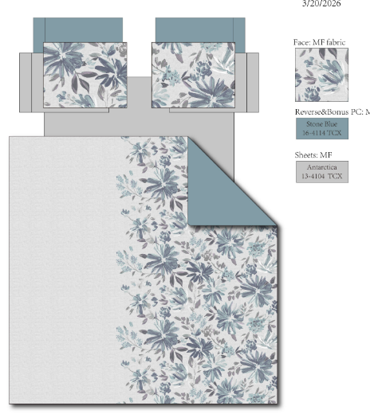 | 05CX0417P1-B | Regency Heights |  | COMFORTER (SET) | Moran | 100% Polyester Printed 6pcs Comforter Set | 6pcs Comforter Set | Comforter/sham face: 100% polyester microfiber 85gsm printed; Comforter Back: 85gsm MF solid, sheet set: 85gsm solid microfiber. Fitted sheet with 1 pocket on each side. Bonus Pillowcases: 100% Polyester microfiber solid; Comforter filling: 200gsm poly fill. | 100% Polyester Microfiber, poly fill | Twin/TXL: 66x90"/20x26+1"/66x96"/39x80+12"/20x30"/20x30" | Blue | RH10-0900 |  | Set | ￥75.71 | 7.70 | $9.83 | $9.83 |  | Compressed/Knocked Down | 42.0 | 32.0 | 45.0 | 13.60 | 3 | 0.060 | 3224 | $4,000.00 | $1.24 | 9404.40.9022 | 22.80% | $2.24 | $13.31 | 0.00% | $0.00 | 0.00% | $0.00 | 0.00% | $0.00 | $0.00 | $0.00 | 0.00% | $0.00 | $0.00 | $13.31 | 0.00% | $13.31 | $45.99 | $45.99 |  | 57
2 |  | 05CX0417P1-B | Regency Heights |  | COMFORTER (SET) | Moran | 100% Polyester Printed 9pcs Comforter Set | 9pcs Comforter Set | Comforter/sham face: 100% polyester microfiber 85gsm printed; Comforter Back: 85gsm MF solid, sheet set: 85gsm solid microfiber. Fitted sheet with 1 pocket on each side. Bonus Pillowcases: 100% Polyester microfiber solid; Comforter filling: 200gsm poly fill. | 100% Polyester Microfiber, poly fill | Full: 80x90"/20x26+1"(2)/81x96"/54x75"+15"/20x30"(2)/20x30"(2) | Blue | RH10-0901 |  | Set | ￥95.89 | 7.70 | $12.45 | $12.45 |  | Compressed/Knocked Down | 42.0 | 32.0 | 51.0 | 16.40 | 3 | 0.069 | 2845 | $4,000.00 | $1.41 | 9404.40.9022 | 22.80% | $2.84 | $16.70 | 0.00% | $0.00 | 0.00% | $0.00 | 0.00% | $0.00 | $0.00 | $0.00 | 0.00% | $0.00 | $0.00 | $16.70 | 0.00% | $16.70 | $49.99 | $49.99 |  | 78
3 |  | 05CX0417P1-B | Regency Heights |  | COMFORTER (SET) | Moran | 100% Polyester Printed 9pcs Comforter Set | 9pcs Comforter Set | Comforter/sham face: 100% polyester microfiber 85gsm printed; Comforter Back: 85gsm MF solid, sheet set: 85gsm solid microfiber. Fitted sheet with 1 pocket on each side. Bonus Pillowcases: 100% Polyester microfiber solid; Comforter filling: 200gsm poly fill. | 100% Polyester Microfiber, poly fill | Queen: 90x90"/20x26+1"(2)/90x102"/60x80"+15"/20x30"(2)/20x30"(2) | Blue | RH10-0902 |  | Set | ￥102.75 | 7.70 | $13.34 | $13.34 |  | Compressed/Knocked Down | 42.0 | 32.0 | 51.0 | 17.90 | 3 | 0.069 | 2845 | $4,000.00 | $1.41 | 9404.40.9022 | 22.80% | $3.04 | $17.79 | 0.00% | $0.00 | 0.00% | $0.00 | 0.00% | $0.00 | $0.00 | $0.00 | 0.00% | $0.00 | $0.00 | $17.79 | 0.00% | $17.79 | $54.99 | $54.99 |  | 639
4 |  | 05CX0417P1-B | Regency Heights |  | COMFORTER (SET) | Moran | 100% Polyester Printed 9pcs Comforter Set | 9pcs Comforter Set | Comforter/sham face: 100% polyester microfiber 85gsm printed; Comforter Back: 85gsm MF solid, sheet set: 85gsm solid microfiber. Fitted sheet with 1 pocket on each side. Bonus Pillowcases: 100% Polyester microfiber solid; Comforter filling: 200gsm poly fill. | 100% Polyester Microfiber, poly fill | King: 104x90"L/20x36+1"L(2)/108x102"/78x80"+15"/20x40"(2)/20x40"(2) | Blue | RH10-0903 |  | Set | ￥119.29 | 7.70 | $15.49 | $15.49 |  | Compressed/Knocked Down | 42.0 | 32.0 | 57.0 | 20.40 | 3 | 0.077 | 2545 | $4,000.00 | $1.57 | 9404.40.9022 | 22.80% | $3.53 | $20.60 | 0.00% | $0.00 | 0.00% | $0.00 | 0.00% | $0.00 | $0.00 | $0.00 | 0.00% | $0.00 | $0.00 | $20.60 | 0.00% | $20.60 | $64.99 | $64.99 |  | 507

5 | 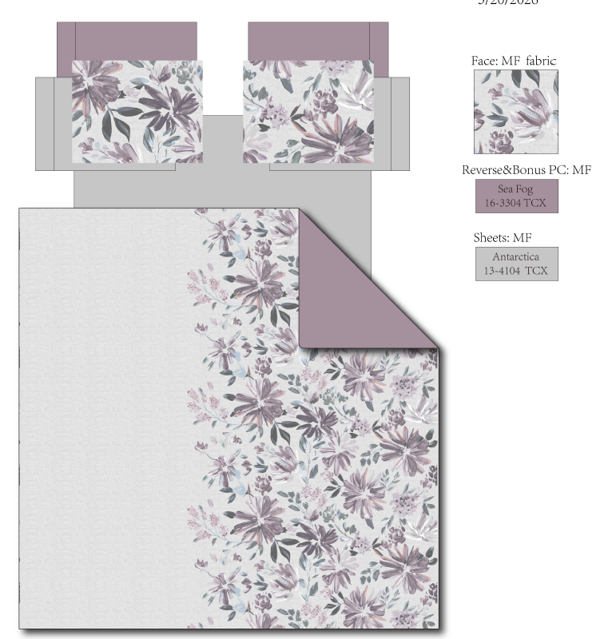 | 05CX0417P1-C | Regency Heights |  | COMFORTER (SET) | Moran | 100% Polyester Printed 6pcs Comforter Set | 6pcs Comforter Set | Comforter/sham face: 100% polyester microfiber 85gsm printed; Comforter Back: 85gsm MF solid, sheet set: 85gsm solid microfiber. Fitted sheet with 1 pocket on each side. Bonus Pillowcases: 100% Polyester microfiber solid; Comforter filling: 200gsm poly fill. | 100% Polyester Microfiber, poly fill | Twin/TXL: 66x90"/20x26+1"/66x96"/39x80+12"/20x30"/20x30" | Plum | RH10-0904 |  | Set | ￥75.71 | 7.70 | $9.83 | $9.83 |  | Compressed/Knocked Down | 42.0 | 32.0 | 45.0 | 13.60 | 3 | 0.060 | 3224 | $4,000.00 | $1.24 | 9404.40.9022 | 22.80% | $2.24 | $13.31 | 0.00% | $0.00 | 0.00% | $0.00 | 0.00% | $0.00 | $0.00 | $0.00 | 0.00% | $0.00 | $0.00 | $13.31 | 0.00% | $13.31 | $45.99 | $45.99 |  | 57
6 |  | 05CX0417P1-C | Regency Heights |  | COMFORTER (SET) | Moran | 100% Polyester Printed 9pcs Comforter Set | 9pcs Comforter Set | Comforter/sham face: 100% polyester microfiber 85gsm printed; Comforter Back: 85gsm MF solid, sheet set: 85gsm solid microfiber. Fitted sheet with 1 pocket on each side. Bonus Pillowcases: 100% Polyester microfiber solid; Comforter filling: 200gsm poly fill. | 100% Polyester Microfiber, poly fill | Full: 80x90"/20x26+1"(2)/81x96"/54x75"+15"/20x30"(2)/20x30"(2) | Plum | RH10-0905 |  | Set | ￥95.89 | 7.70 | $12.45 | $12.45 |  | Compressed/Knocked Down | 42.0 | 32.0 | 51.0 | 16.40 | 3 | 0.069 | 2845 | $4,000.00 | $1.41 | 9404.40.9022 | 22.80% | $2.84 | $16.70 | 0.00% | $0.00 | 0.00% | $0.00 | 0.00% | $0.00 | $0.00 | $0.00 | 0.00% | $0.00 | $0.00 | $16.70 | 0.00% | $16.70 | $49.99 | $49.99 |  | 78
7 |  | 05CX0417P1-C | Regency Heights |  | COMFORTER (SET) | Moran | 100% Polyester Printed 9pcs Comforter Set | 9pcs Comforter Set | Comforter/sham face: 100% polyester microfiber 85gsm printed; Comforter Back: 85gsm MF solid, sheet set: 85gsm solid microfiber. Fitted sheet with 1 pocket on each side. Bonus Pillowcases: 100% Polyester microfiber solid; Comforter filling: 200gsm poly fill. | 100% Polyester Microfiber, poly fill | Queen: 90x90"/20x26+1"(2)/90x102"/60x80"+15"/20x30"(2)/20x30"(2) | Plum | RH10-0906 |  | Set | ￥102.75 | 7.70 | $13.34 | $13.34 |  | Compressed/Knocked Down | 42.0 | 32.0 | 51.0 | 17.90 | 3 | 0.069 | 2845 | $4,000.00 | $1.41 | 9404.40.9022 | 22.80% | $3.04 | $17.79 | 0.00% | $0.00 | 0.00% | $0.00 | 0.00% | $0.00 | $0.00 | $0.00 | 0.00% | $0.00 | $0.00 | $17.79 | 0.00% | $17.79 | $54.99 | $54.99 |  | 639
8 |  | 05CX0417P1-C | Regency Heights |  | COMFORTER (SET) | Moran | 100% Polyester Printed 9pcs Comforter Set | 9pcs Comforter Set | Comforter/sham face: 100% polyester microfiber 85gsm printed; Comforter Back: 85gsm MF solid, sheet set: 85gsm solid microfiber. Fitted sheet with 1 pocket on each side. Bonus Pillowcases: 100% Polyester microfiber solid; Comforter filling: 200gsm poly fill. | 100% Polyester Microfiber, poly fill | King: 104x90"L/20x36+1"L(2)/108x102"/78x80"+15"/20x40"(2)/20x40"(2) | Plum | RH10-0907 |  | Set | ￥119.29 | 7.70 | $15.49 | $15.49 |  | Compressed/Knocked Down | 42.0 | 32.0 | 57.0 | 20.40 | 3 | 0.077 | 2545 | $4,000.00 | $1.57 | 9404.40.9022 | 22.80% | $3.53 | $20.60 | 0.00% | $0.00 | 0.00% | $0.00 | 0.00% | $0.00 | $0.00 | $0.00 | 0.00% | $0.00 | $0.00 | $20.60 | 0.00% | $20.60 | $64.99 | $64.99 |  | 507

