Item
Line No. | Photo | VIN/Art No. | Brand | Licensor | Product Category | Pattern | Item Description | Description-Short | Fabrication | Material-Short | Size/Spec. | Color | Item No. | UPC | Unit of Measure | China RMB Cost | Exchange Rate | FOB Cost $ (Formula) | FOB Cost $ (Value) | UCCPM Price | Package Type | Carton Size L (cm) | Carton Size W (cm) | Carton Size H (cm) | Carton Gross Weight (kg) | Case Pack | Cubic Meter per Carton | Total Units per 40ft Container | 40ft Container Freight | Ocean Freight per Item $ | HTS Code | Duty Rate | Duty per Item $ | LDP Cost $ | DA % | DA $ | General Load % | General Load $ | Warehouse Charge % | Warehouse Charge $ | Dropship Charge | Load 1 | Load 1 % | Load 1 $ | Total Load $ | LDP Cost with Load $ | JLA LDP MU% | JLA FOB CA/GA Price Quote (Formula) | JLA price with drop ship charges | Suggested Retail Price | Initial Markup | Initial Rollout Forecast
1 | 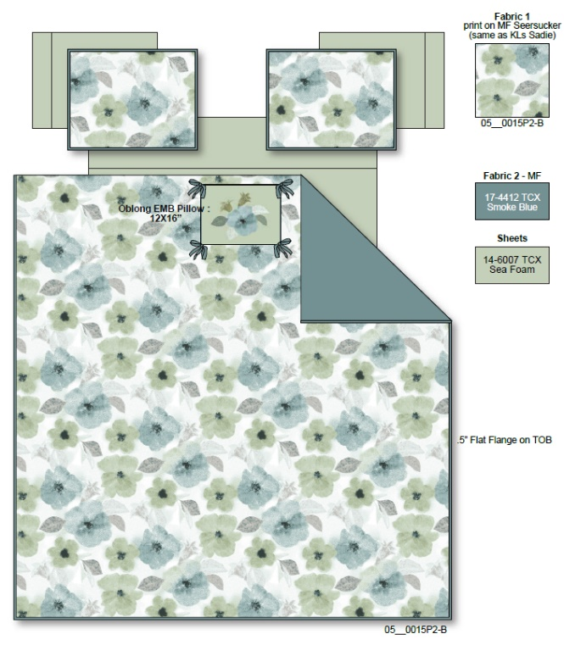 Comforter Mini Set |  | Regency Heights |  | COMFORTER (SET) | Tatum | 100% Polyester Microfiber printed seersucker 2pcs Comforter Mini Set | 2pcs Comforter Mini set | Comf: 100% Polyester 85gsm microfiber printed seersucker with 1/2“ flat flange at 3 sides on face, sham: 100% Polyester 85gsm microfiber printed seersucker with 1/2“ flat flange at 4 sides on face, 85gsm microfiber solid reverse, 200gsm poly fill. | 100% polyester , poly filling | Twin/Twin XL:66"Wx90"L/20"Wx26+1/2"L | Sage & Teal | RH10-0908 |  | Set | ￥51.00 | 7.70 | $6.62 | $6.62 |  | Compressed/Knocked Down | 42.0 | 32.0 | 38.0 | 8.20 | 3 | 0.051 | 3818 | $4,000.00 | $1.05 | 9404.40.9022 | 22.80% | $1.51 | $9.18 | 0.00% | $0.00 | 0.00% | $0.00 | 0.00% | $0.00 | $0.00 | $0.00 | 0.00% | $0.00 | $0.00 | $9.18 | 0.00% | $9.18 | $39.99 | $39.99 |  | 171
2 |  |  | Regency Heights |  | COMFORTER (SET) | Tatum | 100% Polyester Microfiber printed seersucker 3pcs Comforter Mini Set | 3pcs Comforter Mini set | Comf: 100% Polyester 85gsm microfiber printed seersucker with 1/2“ flat flange at 3 sides on face, sham: 100% Polyester 85gsm microfiber printed seersucker with 1/2“ flat flange at 4 sides on face, 85gsm microfiber solid reverse, 200gsm poly fill. | 100% polyester , poly filling | Full/Queen:90"Wx90"L/20"Wx26+1/2"L(2) | Sage & Teal | RH10-0909 |  | Set | ￥68.00 | 7.70 | $8.83 | $8.83 |  | Compressed/Knocked Down | 42.0 | 32.0 | 38.0 | 10.90 | 3 | 0.051 | 3818 | $4,000.00 | $1.05 | 9404.40.9022 | 22.80% | $2.01 | $11.89 | 0.00% | $0.00 | 0.00% | $0.00 | 0.00% | $0.00 | $0.00 | $0.00 | 0.00% | $0.00 | $0.00 | $11.89 | 0.00% | $11.89 | $49.99 | $49.99 |  | 738
3 |  |  | Regency Heights |  | COMFORTER (SET) | Tatum | 100% Polyester Microfiber printed seersucker 3pcs Comforter Mini Set | 3pcs Comforter Mini set | Comf: 100% Polyester 85gsm microfiber printed seersucker with 1/2“ flat flange at 3 sides on face, sham: 100% Polyester 85gsm microfiber printed seersucker with 1/2“ flat flange at 4 sides on face, 85gsm microfiber solid reverse, 200gsm poly fill. | 100% polyester , poly filling | King/Cal King:104"Wx90"L/20"Wx36+1/2"L(2) | Sage & Teal | RH10-0910 |  | Set | ￥76.00 | 7.70 | $9.87 | $9.87 |  | Compressed/Knocked Down | 42.0 | 32.0 | 38.0 | 12.40 | 3 | 0.051 | 3818 | $4,000.00 | $1.05 | 9404.40.9022 | 22.80% | $2.25 | $13.17 | 0.00% | $0.00 | 0.00% | $0.00 | 0.00% | $0.00 | $0.00 | $0.00 | 0.00% | $0.00 | $0.00 | $13.17 | 0.00% | $13.17 | $59.99 | $59.99 |  | 546
4 | 10pcs Set（Comforter mini set+Sheet set+Bonus pillowcases+ 1 dec pillow) |  | Regency Heights |  | COMFORTER (SET) | Tatum | 100% Polyester Microfiber printed seersucker 10pcs Comforter Set | 10pcs Comforter Mini set | Comf: 100% Polyester 85gsm microfiber printed seersucker with 1/2“ flat flange at 3 sides on face, sham: 100% Polyester 85gsm microfiber printed seersucker with 1/2“ flat flange at 4 sides on face, 85gsm microfiber solid reverse, 200gsm poly fill. Sheet set and Bonus Pillowcases: 85gsm solid microfiber. Fitted sheet with 1 pocket on each side. Dec pillow: 100% Polyester with poly filling | 100% polyester , poly filling | Queen: 90x90"/20x26+1/2"(2)/90x102"/60x80"+15"/20x30"(2)/20x30"(2)/12x16" | Sage & Teal | RH10-0911 |  | Set | ￥119.00 | 7.70 | $15.45 | $15.45 |  | Compressed/Knocked Down | 42.0 | 32.0 | 57.0 | 12.40 | 3 | 0.077 | 2545 | $4,000.00 | $1.57 | 9404.40.9022 | 22.80% | $3.52 | $20.55 | 0.00% | $0.00 | 0.00% | $0.00 | 0.00% | $0.00 | $0.00 | $0.00 | 0.00% | $0.00 | $0.00 | $20.55 | 0.00% | $20.55 | $69.99 | $69.99 |  | 498
5 |  |  | Regency Heights |  | COMFORTER (SET) | Tatum | 100% Polyester Microfiber printed seersucker 10pcs Comforter Set | 10pcs Comforter Mini set | Comf: 100% Polyester 85gsm microfiber printed seersucker with 1/2“ flat flange at 3 sides on face, sham: 100% Polyester 85gsm microfiber printed seersucker with 1/2“ flat flange at 4 sides on face, 85gsm microfiber solid reverse, 200gsm poly fill. Sheet set and Bonus Pillowcases: 85gsm solid microfiber. Fitted sheet with 1 pocket on each side. Dec pillow: 100% Polyester with poly filling | 100% polyester , poly filling | King: 104"Wx90"L/20"Wx36+1/2"L(2)/108"Wx102"L/78"Wx80"L+15"D/20"Wx40"L(2)/20"Wx40"L(2)/12x16" | Sage & Teal | RH10-0912 |  | Set | ￥135.00 | 7.70 | $17.53 | $17.53 |  | Compressed/Knocked Down | 42.0 | 32.0 | 57.0 | 12.40 | 3 | 0.077 | 2545 | $4,000.00 | $1.57 | 9404.40.9022 | 22.80% | $4.00 | $23.10 | 0.00% | $0.00 | 0.00% | $0.00 | 0.00% | $0.00 | $0.00 | $0.00 | 0.00% | $0.00 | $0.00 | $23.10 | 0.00% | $23.10 | $79.99 | $79.99 |  | 345
1 | 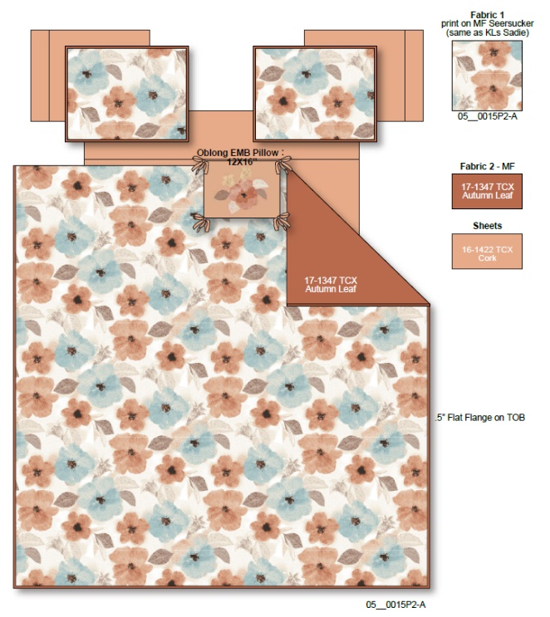 Comforter Mini Set |  | Regency Heights |  | COMFORTER (SET) | Tatum | 100% Polyester Microfiber printed seersucker 2pcs Comforter Mini Set | 2pcs Comforter Mini set | Comf: 100% Polyester 85gsm microfiber printed seersucker with 1/2“ flat flange at 3 sides on face, sham: 100% Polyester 85gsm microfiber printed seersucker with 1/2“ flat flange at 4 sides on face, 85gsm microfiber solid reverse, 200gsm poly fill. | 100% polyester , poly filling | Twin/Twin XL:66"Wx90"L/20"Wx26+1/2"L | Brown/Aqua | RH10-0913 |  | Set | ￥51.00 | 7.70 | $6.62 | $6.62 |  | Compressed/Knocked Down | 42.0 | 32.0 | 38.0 | 8.20 | 3 | 0.051 | 3818 | $4,000.00 | $1.05 | 9404.40.9022 | 22.80% | $1.51 | $9.18 | 0.00% | $0.00 | 0.00% | $0.00 | 0.00% | $0.00 | $0.00 | $0.00 | 0.00% | $0.00 | $0.00 | $9.18 | 0.00% | $9.18 | $39.99 | $39.99 |  | 156
2 |  |  | Regency Heights |  | COMFORTER (SET) | Tatum | 100% Polyester Microfiber printed seersucker 3pcs Comforter Mini Set | 3pcs Comforter Mini set | Comf: 100% Polyester 85gsm microfiber printed seersucker with 1/2“ flat flange at 3 sides on face, sham: 100% Polyester 85gsm microfiber printed seersucker with 1/2“ flat flange at 4 sides on face, 85gsm microfiber solid reverse, 200gsm poly fill. | 100% polyester , poly filling | Full/Queen:90"Wx90"L/20"Wx26+1/2"L(2) | Brown/Aqua | RH10-0914 |  | Set | ￥68.00 | 7.70 | $8.83 | $8.83 |  | Compressed/Knocked Down | 42.0 | 32.0 | 38.0 | 10.90 | 3 | 0.051 | 3818 | $4,000.00 | $1.05 | 9404.40.9022 | 22.80% | $2.01 | $11.89 | 0.00% | $0.00 | 0.00% | $0.00 | 0.00% | $0.00 | $0.00 | $0.00 | 0.00% | $0.00 | $0.00 | $11.89 | 0.00% | $11.89 | $49.99 | $49.99 |  | 678
3 |  |  | Regency Heights |  | COMFORTER (SET) | Tatum | 100% Polyester Microfiber printed seersucker 3pcs Comforter Mini Set | 3pcs Comforter Mini set | Comf: 100% Polyester 85gsm microfiber printed seersucker with 1/2“ flat flange at 3 sides on face, sham: 100% Polyester 85gsm microfiber printed seersucker with 1/2“ flat flange at 4 sides on face, 85gsm microfiber solid reverse, 200gsm poly fill. | 100% polyester , poly filling | King/Cal King:104"Wx90"L/20"Wx36+1/2"L(2) | Brown/Aqua | RH10-0915 |  | Set | ￥76.00 | 7.70 | $9.87 | $9.87 |  | Compressed/Knocked Down | 42.0 | 32.0 | 38.0 | 12.40 | 3 | 0.051 | 3818 | $4,000.00 | $1.05 | 9404.40.9022 | 22.80% | $2.25 | $13.17 | 0.00% | $0.00 | 0.00% | $0.00 | 0.00% | $0.00 | $0.00 | $0.00 | 0.00% | $0.00 | $0.00 | $13.17 | 0.00% | $13.17 | $59.99 | $59.99 |  | 456
4 | 10pcs Set（Comforter mini set+Sheet set+Bonus pillowcases+ 1 dec pillow) |  | Regency Heights |  | COMFORTER (SET) | Tatum | 100% Polyester Microfiber printed seersucker 10pcs Comforter Set | 10pcs Comforter Mini set | Comf: 100% Polyester 85gsm microfiber printed seersucker with 1/2“ flat flange at 3 sides on face, sham: 100% Polyester 85gsm microfiber printed seersucker with 1/2“ flat flange at 4 sides on face, 85gsm microfiber solid reverse, 200gsm poly fill. Sheet set and Bonus Pillowcases: 85gsm solid microfiber. Fitted sheet with 1 pocket on each side. Dec pillow: 100% Polyester with poly filling | 100% polyester , poly filling | Queen: 90x90"/20x26+1/2"(2)/90x102"/60x80"+15"/20x30"(2)/20x30"(2)/12x16" | Brown/Aqua | RH10-0916 |  | Set | ￥119.00 | 7.70 | $15.45 | $15.45 |  | Compressed/Knocked Down | 42.0 | 32.0 | 57.0 | 12.40 | 3 | 0.077 | 2545 | $4,000.00 | $1.57 | 9404.40.9022 | 22.80% | $3.52 | $20.55 | 0.00% | $0.00 | 0.00% | $0.00 | 0.00% | $0.00 | $0.00 | $0.00 | 0.00% | $0.00 | $0.00 | $20.55 | 0.00% | $20.55 | $69.99 | $69.99 |  | 498
5 |  |  | Regency Heights |  | COMFORTER (SET) | Tatum | 100% Polyester Microfiber printed seersucker 10pcs Comforter Set | 10pcs Comforter Mini set | Comf: 100% Polyester 85gsm microfiber printed seersucker with 1/2“ flat flange at 3 sides on face, sham: 100% Polyester 85gsm microfiber printed seersucker with 1/2“ flat flange at 4 sides on face, 85gsm microfiber solid reverse, 200gsm poly fill. Sheet set and Bonus Pillowcases: 85gsm solid microfiber. Fitted sheet with 1 pocket on each side. Dec pillow: 100% Polyester with poly filling | 100% polyester , poly filling | King: 104"Wx90"L/20"Wx36+1/2"L(2)/108"Wx102"L/78"Wx80"L+15"D/20"Wx40"L(2)/20"Wx40"L(2)/12x16" | Brown/Aqua | RH10-0917 |  | Set | ￥135.00 | 7.70 | $17.53 | $17.53 |  | Compressed/Knocked Down | 42.0 | 32.0 | 57.0 | 12.40 | 3 | 0.077 | 2545 | $4,000.00 | $1.57 | 9404.40.9022 | 22.80% | $4.00 | $23.10 | 0.00% | $0.00 | 0.00% | $0.00 | 0.00% | $0.00 | $0.00 | $0.00 | 0.00% | $0.00 | $0.00 | $23.10 | 0.00% | $23.10 | $79.99 | $79.99 |  | 345
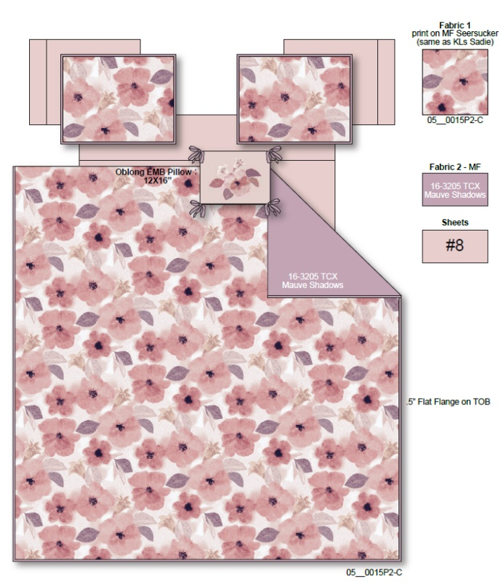
1 | Comforter Mini Set |  | Regency Heights |  | COMFORTER (SET) | Tatum | 100% Polyester Microfiber printed seersucker 2pcs Comforter Mini Set | 2pcs Comforter Mini set | Comf: 100% Polyester 85gsm microfiber printed seersucker with 1/2“ flat flange at 3 sides on face, sham: 100% Polyester 85gsm microfiber printed seersucker with 1/2“ flat flange at 4 sides on face, 85gsm microfiber solid reverse, 200gsm poly fill. | 100% polyester , poly filling | Twin/Twin XL:66"Wx90"L/20"Wx26+1/2"L | Brown/Aqua | RH10-0918 |  | Set | ￥51.00 | 7.70 | $6.62 | $6.62 |  | Compressed/Knocked Down | 42.0 | 32.0 | 38.0 | 8.20 | 3 | 0.051 | 3818 | $4,000.00 | $1.05 | 9404.40.9022 | 22.80% | $1.51 | $9.18 | 0.00% | $0.00 | 0.00% | $0.00 | 0.00% | $0.00 | $0.00 | $0.00 | 0.00% | $0.00 | $0.00 | $9.18 | 0.00% | $9.18 | $39.99 | $39.99 |  | 135
2 |  |  | Regency Heights |  | COMFORTER (SET) | Tatum | 100% Polyester Microfiber printed seersucker 3pcs Comforter Mini Set | 3pcs Comforter Mini set | Comf: 100% Polyester 85gsm microfiber printed seersucker with 1/2“ flat flange at 3 sides on face, sham: 100% Polyester 85gsm microfiber printed seersucker with 1/2“ flat flange at 4 sides on face, 85gsm microfiber solid reverse, 200gsm poly fill. | 100% polyester , poly filling | Full/Queen:90"Wx90"L/20"Wx26+1/2"L(2) | Brown/Aqua | RH10-0919 |  | Set | ￥68.00 | 7.70 | $8.83 | $8.83 |  | Compressed/Knocked Down | 42.0 | 32.0 | 38.0 | 10.90 | 3 | 0.051 | 3818 | $4,000.00 | $1.05 | 9404.40.9022 | 22.80% | $2.01 | $11.89 | 0.00% | $0.00 | 0.00% | $0.00 | 0.00% | $0.00 | $0.00 | $0.00 | 0.00% | $0.00 | $0.00 | $11.89 | 0.00% | $11.89 | $49.99 | $49.99 |  | 567
3 |  |  | Regency Heights |  | COMFORTER (SET) | Tatum | 100% Polyester Microfiber printed seersucker 3pcs Comforter Mini Set | 3pcs Comforter Mini set | Comf: 100% Polyester 85gsm microfiber printed seersucker with 1/2“ flat flange at 3 sides on face, sham: 100% Polyester 85gsm microfiber printed seersucker with 1/2“ flat flange at 4 sides on face, 85gsm microfiber solid reverse, 200gsm poly fill. | 100% polyester , poly filling | King/Cal King:104"Wx90"L/20"Wx36+1/2"L(2) | Brown/Aqua | RH10-0920 |  | Set | ￥76.00 | 7.70 | $9.87 | $9.87 |  | Compressed/Knocked Down | 42.0 | 32.0 | 38.0 | 12.40 | 3 | 0.051 | 3818 | $4,000.00 | $1.05 | 9404.40.9022 | 22.80% | $2.25 | $13.17 | 0.00% | $0.00 | 0.00% | $0.00 | 0.00% | $0.00 | $0.00 | $0.00 | 0.00% | $0.00 | $0.00 | $13.17 | 0.00% | $13.17 | $59.99 | $59.99 |  | 387
4 | 10pcs Set（Comforter mini set+Sheet set+Bonus pillowcases+ 1 dec pillow) |  | Regency Heights |  | COMFORTER (SET) | Tatum | 100% Polyester Microfiber printed seersucker 10pcs Comforter Set | 10pcs Comforter Mini set | Comf: 100% Polyester 85gsm microfiber printed seersucker with 1/2“ flat flange at 3 sides on face, sham: 100% Polyester 85gsm microfiber printed seersucker with 1/2“ flat flange at 4 sides on face, 85gsm microfiber solid reverse, 200gsm poly fill. Sheet set and Bonus Pillowcases: 85gsm solid microfiber. Fitted sheet with 1 pocket on each side. Dec pillow: 100% Polyester with poly filling | 100% polyester , poly filling | Queen: 90x90"/20x26+1/2"(2)/90x102"/60x80"+15"/20x30"(2)/20x30"(2)/12x16" | Brown/Aqua | RH10-0921 |  | Set | ￥119.00 | 7.70 | $15.45 | $15.45 |  | Compressed/Knocked Down | 42.0 | 32.0 | 57.0 | 12.40 | 3 | 0.077 | 2545 | $4,000.00 | $1.57 | 9404.40.9022 | 22.80% | $3.52 | $20.55 | 0.00% | $0.00 | 0.00% | $0.00 | 0.00% | $0.00 | $0.00 | $0.00 | 0.00% | $0.00 | $0.00 | $20.55 | 0.00% | $20.55 | $69.99 | $69.99 |  | 438
5 |  |  | Regency Heights |  | COMFORTER (SET) | Tatum | 100% Polyester Microfiber printed seersucker 10pcs Comforter Set | 10pcs Comforter Mini set | Comf: 100% Polyester 85gsm microfiber printed seersucker with 1/2“ flat flange at 3 sides on face, sham: 100% Polyester 85gsm microfiber printed seersucker with 1/2“ flat flange at 4 sides on face, 85gsm microfiber solid reverse, 200gsm poly fill. Sheet set and Bonus Pillowcases: 85gsm solid microfiber. Fitted sheet with 1 pocket on each side. Dec pillow: 100% Polyester with poly filling | 100% polyester , poly filling | King: 104"Wx90"L/20"Wx36+1/2"L(2)/108"Wx102"L/78"Wx80"L+15"D/20"Wx40"L(2)/20"Wx40"L(2)/12x16" | Brown/Aqua | RH10-0922 |  | Set | ￥135.00 | 7.70 | $17.53 | $17.53 |  | Compressed/Knocked Down | 42.0 | 32.0 | 57.0 | 12.40 | 3 | 0.077 | 2545 | $4,000.00 | $1.57 | 9404.40.9022 | 22.80% | $4.00 | $23.10 | 0.00% | $0.00 | 0.00% | $0.00 | 0.00% | $0.00 | $0.00 | $0.00 | 0.00% | $0.00 | $0.00 | $23.10 | 0.00% | $23.10 | $79.99 | $79.99 |  | 306

