Item
Line No. | Photo | VIN/Art No. | Brand | Licensor | Product Category | Pattern | Item Description | Description-Short | Fabrication | Material-Short | Size/Spec. | Color | Customer Item# | Additional Customer Item# | Item No. | UPC | Unit of Measure | UCCPM Price / FOB Cost $ | Package Type | Packaging | Master Carton L (cm) | Master Carton W (cm) | Master Carton H (cm) | Carton Size L (cm) | Carton Size W (cm) | Carton Size H (cm) | Carton Gross Weight (kg) | Case Pack | Cubic Meter per Carton | Container Volume | Total Units per 40ft Container | 40ft Container Freight | Ocean Freight per Item $ | HTS Code | Duty Rate | Duty per Item $ | LDP Cost $ | DA % | DA $ | Royalty % | Royalty $ | Other Load | Other Load % | Other Load $ | Total Load $ | LDP Cost with Load $ | JLA LDP MU% | JLA POE Price | HG Retail Price | Retail Markup % | Additional Customer Price | MOQ | Total Cost | Total Sales | Retailer Selling Price Total | Master Carton CBM | Master Carton Weight (kg) | Remarks | Port | COO | Vendor
 | 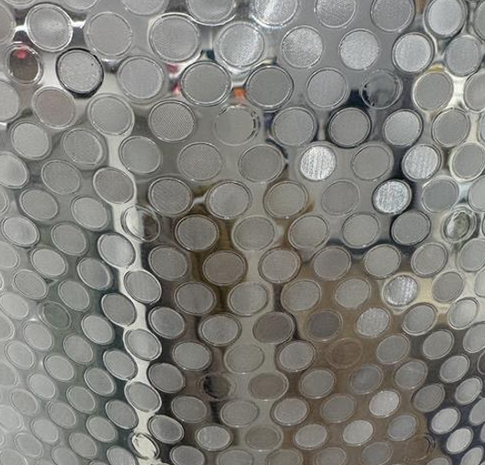 update grommet to pink |  | LAURA ASHLEY | Laura Ashley 4% | Shower Curtain | Mini Dot | PEVA Shower Curtain | Shower Curtain | Materiel: PEVA 8Gauge, Embossed, Clear/Frosted ground,mesh on top 12 pink metal grommets+3magnets | 100% PEVA | 72x72" | Clear |  |  | LA70-0570 |  | Piece | $1.52 | Normal | Belly Band and Plastic Hanger | 29 | 21.5 | 14.5 | 29 | 21.5 | 14.5 | 5.00 | 4 | 0.009 | 63.00 | 27874 | 2,250 | $0.08 | 3924.90.1010 | 23.30% | $0.35 | $1.95 | 0.00% | $0.00 | 6.00% | $0.15 | $0.00 | 0.00% | $0.00 | $0.15 | $2.11 | 17.3% | $2.55 | $7.99 | 68.1% |  | 1300 | $2,740.25 | $3,315.00 | $10,387.00 | 2.94 |  |  | Shanghai,China | China | YQL

