Item
Vendor | Line No. | Photo | VIN/Art No. | Brand | Licensor | Product Category | Pattern | Item Description | Description-Short | Fabrication | Material-Short | Size/Spec. | Color | Customer Item# | Item No. | UPC | Unit of Measure | China RMB Cost | Exchange Rate | FOB Cost $ (Formula) | FOB Cost $ (Value) | UCCPM Price | Package Type | Carton Size L (cm) | Carton Size W (cm) | Carton Size H (cm) | Carton Gross Weight (kg) | Case Pack | Cubic Meter per Carton | Total Units per 40ft Container | 40ft Container Freight | Ocean Freight per Item $ | HTS Code | Duty Rate | Duty per Item $ | LDP Cost $ | DA % | DA $ | General Load % | General Load $ | Warehouse Charge % | Warehouse Charge $ | Load 1 | Load 1 % | Load 1 $ | Total Load $ | LDP Cost with Load $ | JLA LDP MU% | JLA POE Price Quote (Formula) | JLA POE Price Quote (Value) | Suggested Retail Price | Retailer Markup (Value) | Retailer Markup (Formula) | Total Quantity | Total Cost | Total Sales
 | 1 | 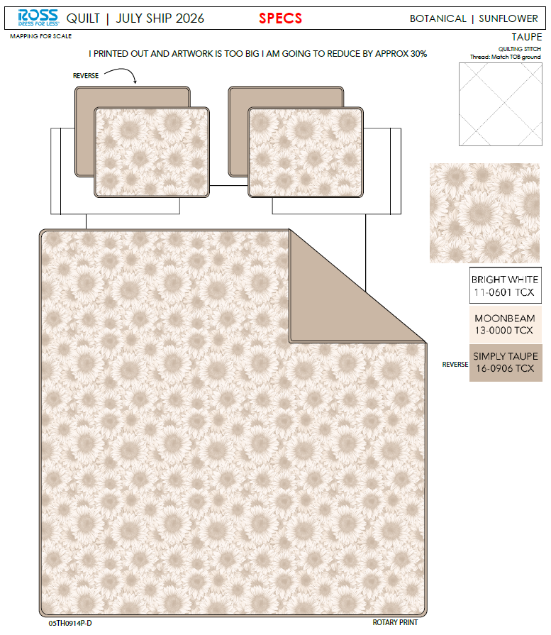 |  |  |  | QUILT | SUNFLOWER | 100% Polyester 3pc Hanging Quilt | 3pc Hanging Quilt | Face: 85gsm microfiber disperse print Back: 85gsm microfiber solid Filling: 180gsm slick Poly Fill. With flange | 100% Polyester | Full/Queen: 86x86"/20x26+1.5“(2) | TAUPE |  |  |  | Set | ¥65.70 | 7.80 | $8.42 | $8.42 |  | Normal | 44.0 | 41.0 | 25.0 | 5.00 | 2 | 0.045 | 2882 | 2250 | $0.78 | 9404.40.9022 | 32.80% | $2.76 | $11.96 | 0.00% | $0.00 | 0.00% | $0.00 | 0.00% | $0.00 | 0 | 0.00% | $0.00 | $0.00 | $11.96 | 16.17% | $14.27 | $14.27 | $29.99 | 52.42% | 52.42% | 700 | $8,373.64 | $9,989.00
 | 2 |  |  |  |  | QUILT | SUNFLOWER | 100% Polyester 3pc Hanging Quilt | 3pc Hanging Quilt | Face: 85gsm microfiber disperse print Back: 85gsm microfiber solid Filling: 180gsm slick Poly Fill. With flange | 100% Polyester | King: 102x86"/20x36+1.5”(2) | TAUPE |  |  |  | Set | ¥75.10 | 7.80 | $9.63 | $9.63 |  | Normal | 44.0 | 41.0 | 28.0 | 5.00 | 2 | 0.051 | 2574 | 2250 | $0.87 | 9404.40.9022 | 32.80% | $3.16 | $13.66 | 0.00% | $0.00 | 0.00% | $0.00 | 0.00% | $0.00 | 0 | 0.00% | $0.00 | $0.00 | $13.66 | 17.54% | $16.57 | $16.57 | $34.99 | 52.64% | 52.64% | 700 | $9,564.02 | $11,599.00
 | 3 | 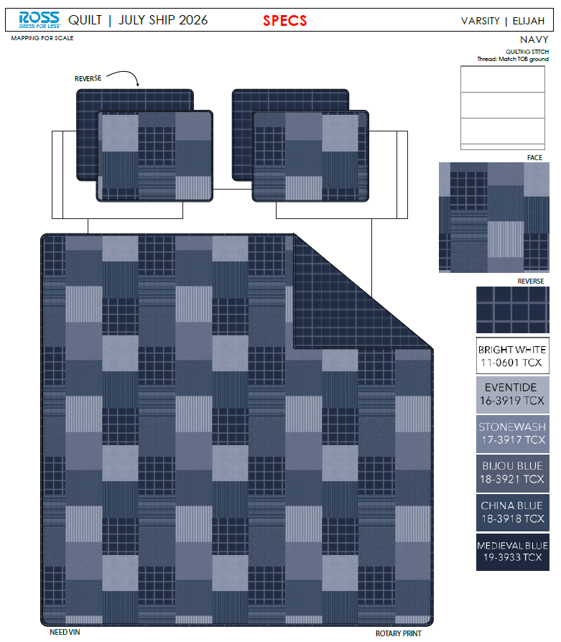 |  |  |  | QUILT | ELIJAH | 100% Polyester 3pc Hanging Quilt | 3pc Hanging Quilt | Face& Back: 85gsm microfiber disperse print Filling: 180gsm slick Poly Fill. | 100% Polyester | Full/Queen: 86x86"/20x26+1/2"(2) | Navy |  |  |  | Set | ¥60.70 | 7.80 | $7.78 | $7.78 |  | Normal | 44.0 | 41.0 | 25.0 | 5.00 | 2 | 0.045 | 2882 | 2250 | $0.78 | 9404.40.9022 | 32.80% | $2.55 | $11.11 | 0.00% | $0.00 | 0.00% | $0.00 | 0.00% | $0.00 | 0 | 0.00% | $0.00 | $0.00 | $11.11 | 19.77% | $13.85 | $13.85 | $24.99 | 44.58% | 44.58% | 700 | $7,778.69 | $9,695.00
 | 4 |  |  |  |  | QUILT | ELIJAH | 100% Polyester 3pc Hanging Quilt | 3pc Hanging Quilt | Face& Back: 85gsm microfiber disperse print Filling: 180gsm slick Poly Fill. | 100% Polyester | King: 102x86"/20x36+1/2"(2) | Navy |  |  |  | Set | ¥69.70 | 7.80 | $8.94 | $8.94 |  | Normal | 44.0 | 41.0 | 28.0 | 5.00 | 2 | 0.051 | 2574 | 2250 | $0.87 | 9404.40.9022 | 32.80% | $2.93 | $12.75 | 0.00% | $0.00 | 0.00% | $0.00 | 0.00% | $0.00 | 0 | 0.00% | $0.00 | $0.00 | $12.75 | 20.78% | $16.09 | $16.09 | $34.99 | 54.02% | 54.02% | 700 | $8,922.60 | $11,263.00
 | 6 | 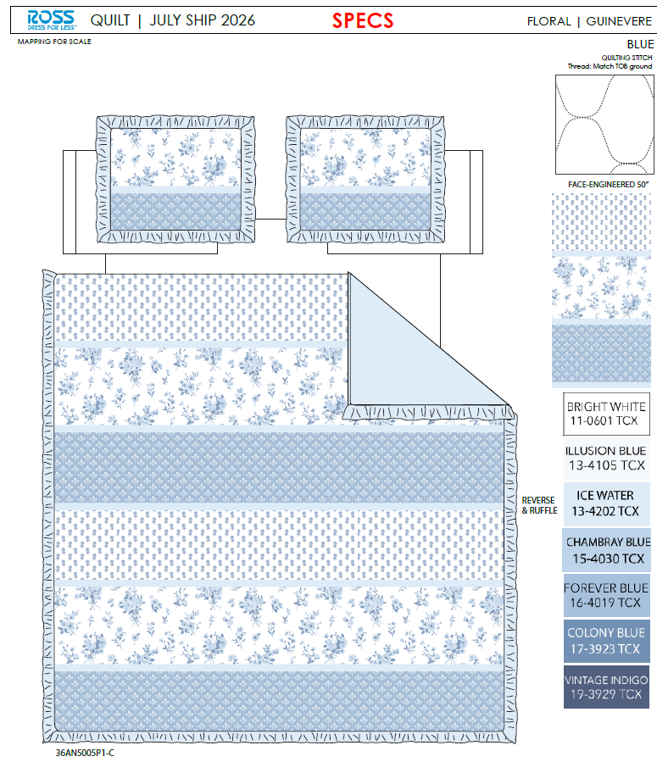 |  |  |  | QUILT | GUINEVERE | 100% Polyester 3pc Hanging Quilt | 3pc Hanging Quilt | Face: 85gsm microfiber disperse print. Back: 85gsm microfiber solid Filling: 180gsm slick Poly Fill. With 2.5" ruffle edge | 100% Polyester | Full/Queen: 86x86+2.5"/20x26+2.5“(2) | Blue |  |  |  | Set | ¥66.00 | 7.80 | $8.46 | $8.46 |  | Normal | 44.0 | 41.0 | 25.0 | 5.00 | 2 | 0.045 | 2882 | 2250 | $0.78 | 9404.40.9022 | 32.80% | $2.77 | $12.02 | 0.00% | $0.00 | 0.00% | $0.00 | 0.00% | $0.00 | 0 | 0.00% | $0.00 | $0.00 | $12.02 | 16.62% | $14.41 | $14.41 | $29.99 | 51.95% | 51.95% | 800 | $9,612.37 | $11,528.00
 | 7 |  |  |  |  | QUILT | GUINEVERE | 100% Polyester 3pc Hanging Quilt | 3pc Hanging Quilt | Face: 85gsm microfiber disperse print. Back: 85gsm microfiber solid Filling: 180gsm slick Poly Fill. With 2.5" ruffle edge | 100% Polyester | King: 102x86+2.5"/20x36+2.5"(2) | Blue |  |  |  | Set | ¥76.10 | 7.80 | $9.76 | $9.76 |  | Normal | 44.0 | 41.0 | 28.0 | 5.00 | 2 | 0.051 | 2574 | 2250 | $0.87 | 9404.40.9022 | 32.80% | $3.20 | $13.84 | 0.00% | $0.00 | 0.00% | $0.00 | 0.00% | $0.00 | 0 | 0.00% | $0.00 | $0.00 | $13.84 | 17.30% | $16.73 | $16.73 | $34.99 | 52.19% | 52.19% | 600 | $8,301.32 | $10,038.00
 | 8 |  |  |  |  | QUILT | ORLA | 100% Polyester 3pc Hanging Quilt | 3pc Hanging Quilt | Face: 85gsm microfiber disperse print. Back: 85gsm microfiber solid Filling: 180gsm slick Poly Fill. With flange | 100% Polyester | Full/Queen: 86x86"/20x26+1.5“(2) | Pink |  |  |  | Set | ¥65.70 | 7.80 | $8.42 | $8.42 |  | Normal | 44.0 | 41.0 | 25.0 | 5.00 | 2 | 0.045 | 2882 | 2250 | $0.78 | 9404.40.9022 | 32.80% | $2.76 | $11.96 | 0.00% | $0.00 | 0.00% | $0.00 | 0.00% | $0.00 | 0 | 0.00% | $0.00 | $0.00 | $11.96 | 16.17% | $14.27 | $14.27 | $29.99 | 52.42% | 52.42% | 800 | $9,569.87 | $11,416.00
 | 9 |  |  |  |  | QUILT | ORLA | 100% Polyester 3pc Hanging Quilt | 3pc Hanging Quilt | Face: 85gsm microfiber disperse print. Back: 85gsm microfiber solid Filling: 180gsm slick Poly Fill. With flange | 100% Polyester | King: 102x86"/20x36+1.5”(2) | Pink |  |  |  | Set | ¥75.10 | 7.80 | $9.63 | $9.63 |  | Normal | 44.0 | 41.0 | 28.0 | 5.00 | 2 | 0.051 | 2574 | 2250 | $0.87 | 9404.40.9022 | 32.80% | $3.16 | $13.66 | 0.00% | $0.00 | 0.00% | $0.00 | 0.00% | $0.00 | 0 | 0.00% | $0.00 | $0.00 | $13.66 | 17.54% | $16.57 | $16.57 | $34.99 | 52.64% | 52.64% | 600 | $8,197.73 | $9,942.00
 | 11 | 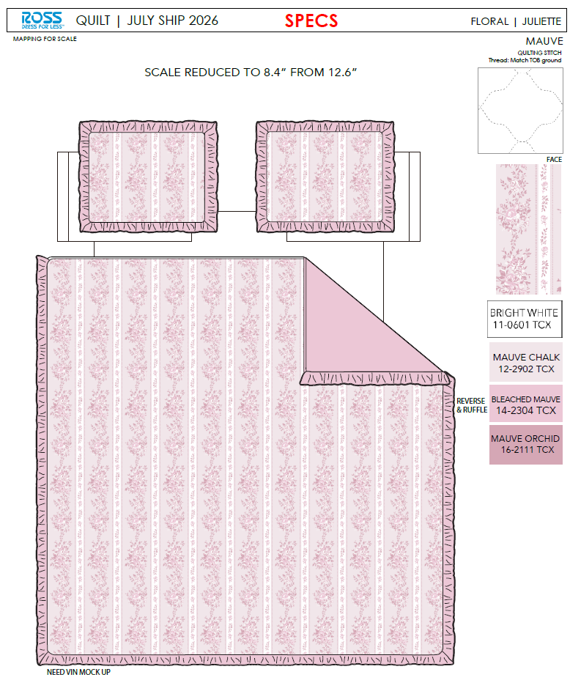 |  |  |  | QUILT | JULIETTE | 100% Polyester 3pc Hanging Quilt | 3pc Hanging Quilt | Face: 85gsm microfiber disperse print. Back: 85gsm microfiber solid Filling: 180gsm slick Poly Fill. With 2.5" ruffle edge | 100% Polyester | Twin: 66x86+2.5"/20x26+2.5"(1) | Mauve |  |  |  | Set | ¥50.50 | 7.80 | $6.47 | $6.47 |  | Normal | 44.0 | 41.0 | 23.0 | 5.00 | 2 | 0.041 | 3133 | 2250 | $0.72 | 9404.40.9022 | 32.80% | $2.12 | $9.31 | 0.00% | $0.00 | 0.00% | $0.00 | 0.00% | $0.00 | 0 | 0.00% | $0.00 | $0.00 | $9.31 | 20.49% | $11.71 | $11.71 | $22.99 | 49.06% | 49.06% | 930 | $8,658.57 | $10,890.30
 | 12 |  |  |  |  | QUILT | JULIETTE | 100% Polyester 3pc Hanging Quilt | 3pc Hanging Quilt | Face: 85gsm microfiber disperse print. Back: 85gsm microfiber solid Filling: 180gsm slick Poly Fill. With 2.5" ruffle edge | 100% Polyester | Full/Queen: 86x86+2.5"/20x26+2.5“(2) | Mauve |  |  |  | Set | ¥66.00 | 7.80 | $8.46 | $8.46 |  | Normal | 44.0 | 41.0 | 25.0 | 5.00 | 2 | 0.045 | 2882 | 2250 | $0.78 | 9404.40.9022 | 32.80% | $2.77 | $12.02 | 0.00% | $0.00 | 0.00% | $0.00 | 0.00% | $0.00 | 0 | 0.00% | $0.00 | $0.00 | $12.02 | 16.62% | $14.41 | $14.41 | $29.99 | 51.95% | 51.95% | 1200 | $14,418.55 | $17,292.00
 | 13 |  |  |  |  | QUILT | JULIETTE | 100% Polyester 3pc Hanging Quilt | 3pc Hanging Quilt | Face: 85gsm microfiber disperse print. Back: 85gsm microfiber solid Filling: 180gsm slick Poly Fill. With 2.5" ruffle edge | 100% Polyester | King: 102x86+2.5"/20x36+2.5"(2) | Mauve |  |  |  | Set | ¥76.10 | 7.80 | $9.76 | $9.76 |  | Normal | 44.0 | 41.0 | 28.0 | 5.00 | 2 | 0.051 | 2574 | 2250 | $0.87 | 9404.40.9022 | 32.80% | $3.20 | $13.84 | 0.00% | $0.00 | 0.00% | $0.00 | 0.00% | $0.00 | 0 | 0.00% | $0.00 | $0.00 | $13.84 | 17.30% | $16.73 | $16.73 | $34.99 | 52.19% | 52.19% | 700 | $9,684.87 | $11,711.00
 | 14 |  |  |  |  | QUILT | EVIE | 100% Polyester 3pc Hanging Quilt | 3pc Hanging Quilt | Face: 85gsm microfiber disperse print. Back: 85gsm microfiber solid Filling: 180gsm slick Poly Fill. With 2.5" ruffle edge | 100% Polyester | Twin: 66x86+2.5"/20x26+2.5"(1) | Blue |  |  |  | Set | ¥50.50 | 7.80 | $6.47 | $6.47 |  | Normal | 44.0 | 41.0 | 23.0 | 5.00 | 2 | 0.041 | 3133 | 2250 | $0.72 | 9404.40.9022 | 32.80% | $2.12 | $9.31 | 0.00% | $0.00 | 0.00% | $0.00 | 0.00% | $0.00 | 0 | 0.00% | $0.00 | $0.00 | $9.31 | 20.49% | $11.71 | $11.71 | $22.99 | 49.06% | 49.06% | 930 | $8,658.57 | $10,890.30
 | 15 |  |  |  |  | QUILT | EVIE | 100% Polyester 3pc Hanging Quilt | 3pc Hanging Quilt | Face: 85gsm microfiber disperse print. Back: 85gsm microfiber solid Filling: 180gsm slick Poly Fill. With 2.5" ruffle edge | 100% Polyester | Full/Queen: 86x86+2.5"/20x26+2.5“(2) | Blue |  |  |  | Set | ¥66.00 | 7.80 | $8.46 | $8.46 |  | Normal | 44.0 | 41.0 | 25.0 | 5.00 | 2 | 0.045 | 2882 | 2250 | $0.78 | 9404.40.9022 | 32.80% | $2.77 | $12.02 | 0.00% | $0.00 | 0.00% | $0.00 | 0.00% | $0.00 | 0 | 0.00% | $0.00 | $0.00 | $12.02 | 16.62% | $14.41 | $14.41 | $29.99 | 51.95% | 51.95% | 1200 | $14,418.55 | $17,292.00
 | 16 |  |  |  |  | QUILT | EVIE | 100% Polyester 3pc Hanging Quilt | 3pc Hanging Quilt | Face: 85gsm microfiber disperse print. Back: 85gsm microfiber solid Filling: 180gsm slick Poly Fill. With 2.5" ruffle edge | 100% Polyester | King: 102x86+2.5"/20x36+2.5"(2) | Blue |  |  |  | Set | ¥76.10 | 7.80 | $9.76 | $9.76 |  | Normal | 44.0 | 41.0 | 28.0 | 5.00 | 2 | 0.051 | 2574 | 2250 | $0.87 | 9404.40.9022 | 32.80% | $3.20 | $13.84 | 0.00% | $0.00 | 0.00% | $0.00 | 0.00% | $0.00 | 0 | 0.00% | $0.00 | $0.00 | $13.84 | 17.30% | $16.73 | $16.73 | $34.99 | 52.19% | 52.19% | 700 | $9,684.87 | $11,711.00
 | 18 | 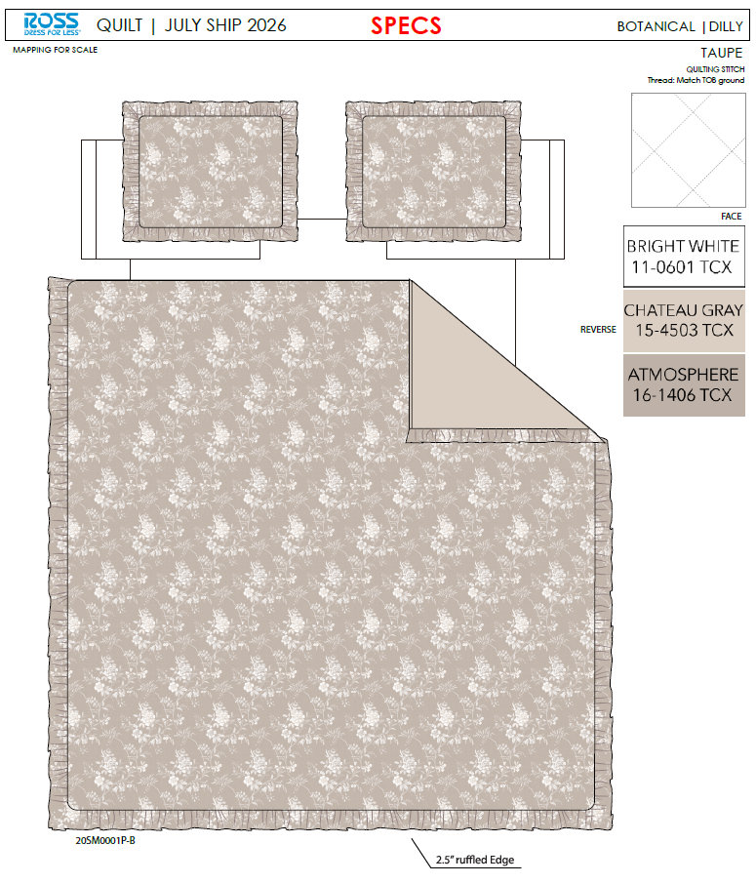 |  |  |  | QUILT | DILLY | 100% Polyester 3pc Hanging Quilt | 3pc Hanging Quilt | Face: 85gsm microfiber disperse print. Back: 85gsm microfiber solid Filling: 180gsm slick Poly Fill. With 2.5" ruffle edge | 100% Polyester | Full/Queen: 86x86+2.5"/20x26+2.5"(2) | TAUPE |  |  |  | Set | ¥66.00 | 7.80 | $8.46 | $8.46 |  | Normal | 44.0 | 41.0 | 25.0 | 5.00 | 2 | 0.045 | 2882 | 2250 | $0.78 | 9404.40.9022 | 32.80% | $2.77 | $12.02 | 0.00% | $0.00 | 0.00% | $0.00 | 0.00% | $0.00 | 0 | 0.00% | $0.00 | $0.00 | $12.02 | 16.62% | $14.41 | $14.41 | $29.99 | 51.95% | 51.95% | 1330 | $15,980.56 | $19,165.30
 | 19 |  |  |  |  | QUILT | DILLY | 100% Polyester 3pc Hanging Quilt | 3pc Hanging Quilt | Face: 85gsm microfiber disperse print. Back: 85gsm microfiber solid Filling: 180gsm slick Poly Fill. With 2.5" ruffle edge | 100% Polyester | King: 102x86+2.5"/20x36+2.5"(2) | TAUPE |  |  |  | Set | ¥76.05 | 7.80 | $9.75 | $9.75 |  | Normal | 44.0 | 41.0 | 28.0 | 5.00 | 2 | 0.051 | 2574 | 2250 | $0.87 | 9404.40.9022 | 32.80% | $3.20 | $13.82 | 0.00% | $0.00 | 0.00% | $0.00 | 0.00% | $0.00 | 0 | 0.00% | $0.00 | $0.00 | $13.82 | 17.38% | $16.73 | $16.73 | $34.99 | 52.19% | 52.19% | 1330 | $18,383.59 | $22,250.90
 | 20 | 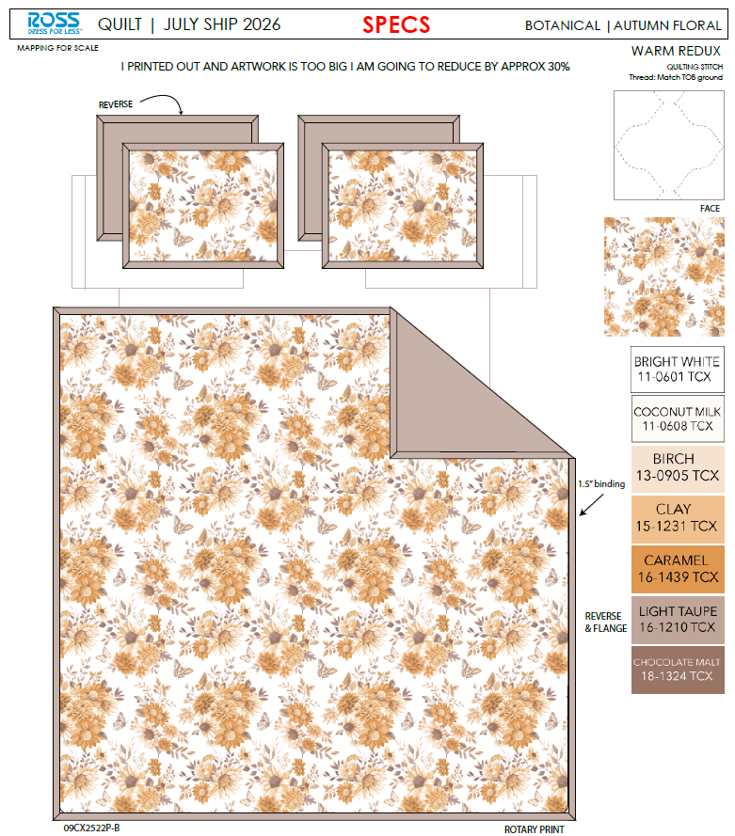 |  |  |  | QUILT | AUTUMN FLORAL | 100% Polyester 3pc Hanging Quilt | 3pc Hanging Quilt | Face& Back: 85gsm microfiber disperse print. Filling: 180gsm slick Poly Fill. | 100% Polyester | Full/Queen: 86x86"/20x26+1/2“(2) | WARM REDUX |  |  |  | Set | ¥60.70 | 7.80 | $7.78 | $7.78 |  | Normal | 44.0 | 41.0 | 25.0 | 5.00 | 2 | 0.045 | 2882 | 2250 | $0.78 | 9404.40.9022 | 32.80% | $2.55 | $11.11 | 0.00% | $0.00 | 0.00% | $0.00 | 0.00% | $0.00 | 0 | 0.00% | $0.00 | $0.00 | $11.11 | 19.77% | $13.85 | $13.85 | $24.99 | 44.58% | 44.58% | 1330 | $14,779.51 | $18,420.50
 | 21 |  |  |  |  | QUILT | AUTUMN FLORAL | 100% Polyester 3pc Hanging Quilt | 3pc Hanging Quilt | Face& Back: 85gsm microfiber disperse print. Filling: 180gsm slick Poly Fill. | 100% Polyester | King: 102x86"/20x36+1/2”(2) | WARM REDUX |  |  |  | Set | ¥69.70 | 7.80 | $8.94 | $8.94 |  | Normal | 44.0 | 41.0 | 28.0 | 5.00 | 2 | 0.051 | 2574 | 2250 | $0.87 | 9404.40.9022 | 32.80% | $2.93 | $12.75 | 0.00% | $0.00 | 0.00% | $0.00 | 0.00% | $0.00 | 0 | 0.00% | $0.00 | $0.00 | $12.75 | 20.78% | $16.09 | $16.09 | $34.99 | 54.02% | 54.02% | 1330 | $16,952.93 | $21,399.70
 | 24 |  |  |  |  | QUILT | ELIJAH | 100% Polyester 3pc Hanging Quilt | 3pc Hanging Quilt | Face& Back: 85gsm microfiber disperse print Filling: 180gsm slick Poly Fill. | 100% Polyester | Twin: 66x86"/20x26+1/2"(1) | Navy |  |  |  | Set | ¥47.30 | 7.80 | $6.06 | $6.06 |  | Normal | 44.0 | 41.0 | 23.0 | 5.00 | 2 | 0.041 | 3133 | 2250 | $0.72 | 9404.40.9022 | 32.80% | $1.99 | $8.77 | 0.00% | $0.00 | 0.00% | $0.00 | 0.00% | $0.00 | 0 | 0.00% | $0.00 | $0.00 | $8.77 | 18.00% | $10.69 | $10.69 | $19.99 | 46.52% | 46.52% | 810 | $7,100.31 | $8,658.90
 | 25 |  |  |  |  | QUILT | GUINEVERE | 100% Polyester 3pc Hanging Quilt | 3pc Hanging Quilt | Face: 85gsm microfiber disperse print. Back: 85gsm microfiber solid Filling: 180gsm slick Poly Fill. With 2.5" ruffle edge | 100% Polyester | Twin: 66x86+2.5"/20x26+2.5"(1) | Blue |  |  |  | Set | ¥50.50 | 7.80 | $6.47 | $6.47 |  | Normal | 44.0 | 41.0 | 23.0 | 5.00 | 2 | 0.041 | 3133 | 2250 | $0.72 | 9404.40.9022 | 32.80% | $2.12 | $9.31 | 0.00% | $0.00 | 0.00% | $0.00 | 0.00% | $0.00 | 0 | 0.00% | $0.00 | $0.00 | $9.31 | 20.49% | $11.71 | $11.71 | $22.99 | 49.06% | 49.06% | 810 | $7,541.34 | $9,485.10
 | 26 |  |  |  |  | QUILT | ORLA | 100% Polyester 3pc Hanging Quilt | 3pc Hanging Quilt | Face: 85gsm microfiber disperse print. Back: 85gsm microfiber solid Filling: 180gsm slick Poly Fill. With flange | 100% Polyester | Twin: 66x86"/20x26+1.5"(1) | Pink |  |  |  | Set | ¥50.30 | 7.80 | $6.45 | $6.45 |  | Normal | 44.0 | 41.0 | 23.0 | 5.00 | 2 | 0.041 | 3133 | 2250 | $0.72 | 9404.40.9022 | 32.80% | $2.12 | $9.28 | 0.00% | $0.00 | 0.00% | $0.00 | 0.00% | $0.00 | 0 | 0.00% | $0.00 | $0.00 | $9.28 | 15.68% | $11.01 | $11.01 | $19.99 | 44.92% | 44.92% | 810 | $7,519.82 | $8,918.10
 | 28 |  |  |  |  | QUILT | MARIE | 100% Polyester 3pc Hanging Quilt | 3pc Hanging Quilt | Face& Back：85gsm washed microfiber solid, with ruffle Filling：180gsm slick Poly Fill. | 100% Polyester | Twin: 66x86+2.5"/20x26+2.5"(1) | RAINDROP ON ROSES |  |  |  | Set | ¥56.30 | 7.80 | $7.22 | $7.22 |  | Normal | 44.0 | 41.0 | 25.0 | 5.00 | 2 | 0.045 | 2882 | 2250 | $0.78 | 9404.40.9022 | 32.80% | $2.37 | $10.37 | 0.00% | $0.00 | 0.00% | $0.00 | 0.00% | $0.00 | 0 | 0.00% | $0.00 | $0.00 | $10.37 | 13.59% | $12.00 | $12.00 | $24.99 | 51.98% | 51.98% | 710 | $7,361.80 | $8,520.00
 | 29 | 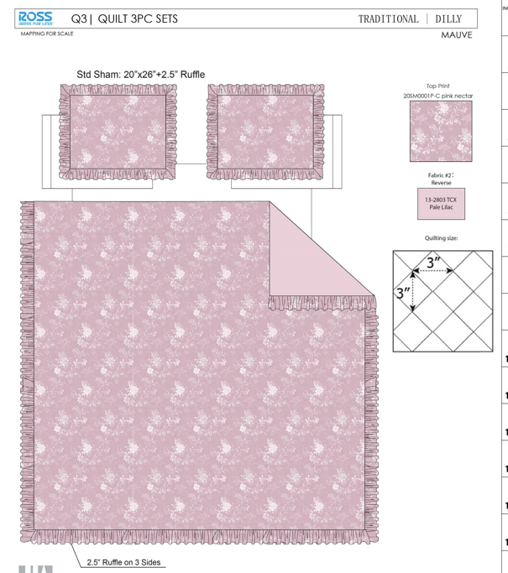 |  |  |  | QUILT | DILLY | 100% Polyester 3pc Hanging Quilt | 3pc Hanging Quilt | Face: 85gsm microfiber digital print. Back: 85gsm microfiber solid Filling: 180gsm slick Poly Fill. With 2.5" ruffle edge | 100% Polyester | Twin: 66x86+2.5"/20x26+2.5"(1) | Pink |  |  |  | Set | ¥53.90 | 7.80 | $6.91 | $6.91 |  | Normal | 44.0 | 41.0 | 23.0 | 5.00 | 2 | 0.041 | 3133 | 2250 | $0.72 | 9404.40.9022 | 32.80% | $2.27 | $9.89 | 0.00% | $0.00 | 0.00% | $0.00 | 0.00% | $0.00 | 0 | 0.00% | $0.00 | $0.00 | $9.89 | 15.50% | $11.71 | $11.71 | $22.99 | 49.06% | 49.06% | 710 | $7,025.17 | $8,314.10
 | 31 |  |  |  |  | QUILT | BOW TICKING STRIPE | 100% Polyester 3pc Hanging Quilt | 3pc Hanging Quilt | 85gsm microfiber Prewashed ultra soft finish. Embroidered with Ruffle edge. Stitch quilting. 180gsm Poly Fill. | 100% Polyester | Twin: 66x86"/20x26+1.5"(1) | BLUE FINCH |  |  |  | Set | ¥60.50 | 7.80 | $7.76 | $7.76 |  | Normal | 44.0 | 41.0 | 25.0 | 5.00 | 2 | 0.045 | 2882 | 2250 | $0.78 | 9404.40.9022 | 32.80% | $2.55 | $11.09 | 0.00% | $0.00 | 0.00% | $0.00 | 0.00% | $0.00 | 0 | 0.00% | $0.00 | $0.00 | $11.09 | 11.17% | $12.48 | $12.48 | $24.99 | 50.06% | 50.06% | 710 | $7,870.96 | $8,860.80
 | 33 |  |  |  |  | QUILT | MILLIE | 100% Polyester 3pc Hanging Quilt | 3pc Hanging Quilt | Face& Back：85gsm microfiber solid. Embroidered Filling: 180gsm slick Poly Fill. with stitched edge | 100% Polyester | Full/Queen: 86x86+2.5"/20x26+2.5"(2) | Pink |  |  |  | Set | ¥88.90 | 7.80 | $11.40 | $11.40 |  | Normal | 44.0 | 41.0 | 28.0 | 5.00 | 2 | 0.051 | 2574 | 2250 | $0.87 | 9404.40.9022 | 32.80% | $3.74 | $16.01 | 0.00% | $0.00 | 0.00% | $0.00 | 0.00% | $0.00 | 0 | 0.00% | $0.00 | $0.00 | $16.01 | 12.97% | $18.40 | $18.40 | $34.99 | 47.41% | 47.41% | 910 | $14,572.24 | $16,744.00
 | 34 |  |  |  |  | QUILT | MILLIE | 100% Polyester 3pc Hanging Quilt | 3pc Hanging Quilt | Face& Back：85gsm microfiber solid. Embroidered Filling: 180gsm slick Poly Fill. with stitched edge | 100% Polyester | King: 102x86+2.5"/20x36+2.5"(2) | Pink |  |  |  | Set | ¥99.20 | 7.80 | $12.72 | $12.72 |  | Normal | 44.0 | 41.0 | 30.0 | 5.00 | 2 | 0.054 | 2402 | 2250 | $0.94 | 9404.40.9022 | 32.80% | $4.17 | $17.83 | 0.00% | $0.00 | 0.00% | $0.00 | 0.00% | $0.00 | 0 | 0.00% | $0.00 | $0.00 | $17.83 | 15.66% | $21.14 | $21.14 | $39.99 | 47.14% | 47.14% | 400 | $7,131.54 | $8,456.00
 | 35 | 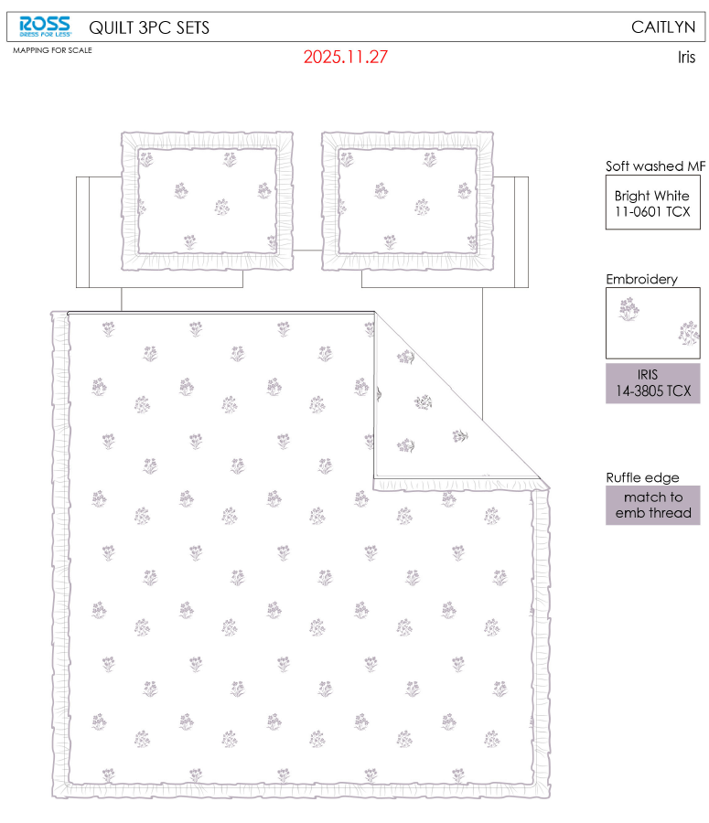 |  |  |  | QUILT | Caitlyn | 100% Polyester 3pc Hanging Quilt | 3pc Hanging Quilt | 85gsm microfiber Prewashed ultra soft finish. Embroidered w/ Ruffle edge. Stitch quilting. 180gsm Poly Fill. | 100% Polyester | Full/Queen: 86x86+2.5"/20x26+2.5"(2) | Iris |  |  |  | Set | ¥82.40 | 7.80 | $10.56 | $10.56 |  | Normal | 44.0 | 41.0 | 28.0 | 5.00 | 2 | 0.051 | 2574 | 2250 | $0.87 | 9404.40.9022 | 32.80% | $3.46 | $14.90 | 0.00% | $0.00 | 0.00% | $0.00 | 0.00% | $0.00 | 0 | 0.00% | $0.00 | $0.00 | $14.90 | 8.71% | $16.32 | $16.32 | $34.99 | 53.36% | 53.36% | 910 | $13,557.11 | $14,851.20
 | 36 |  |  |  |  | QUILT | Caitlyn | 100% Polyester 3pc Hanging Quilt | 3pc Hanging Quilt | 85gsm microfiber Prewashed ultra soft finish. Embroidered w/ Ruffle edge. Stitch quilting. 180gsm Poly Fill. | 100% Polyester | King: 102x86+2.5"/20x36+2.5"(2) | Iris |  |  |  | Set | ¥98.90 | 7.80 | $12.68 | $12.68 |  | Normal | 44.0 | 41.0 | 30.0 | 5.00 | 2 | 0.054 | 2402 | 2250 | $0.94 | 9404.40.9022 | 32.80% | $4.16 | $17.78 | 0.00% | $0.00 | 0.00% | $0.00 | 0.00% | $0.00 | 0 | 0.00% | $0.00 | $0.00 | $17.78 | 7.42% | $19.20 | $19.20 | $39.99 | 51.99% | 51.99% | 400 | $7,110.29 | $7,680.00
 | 38 | 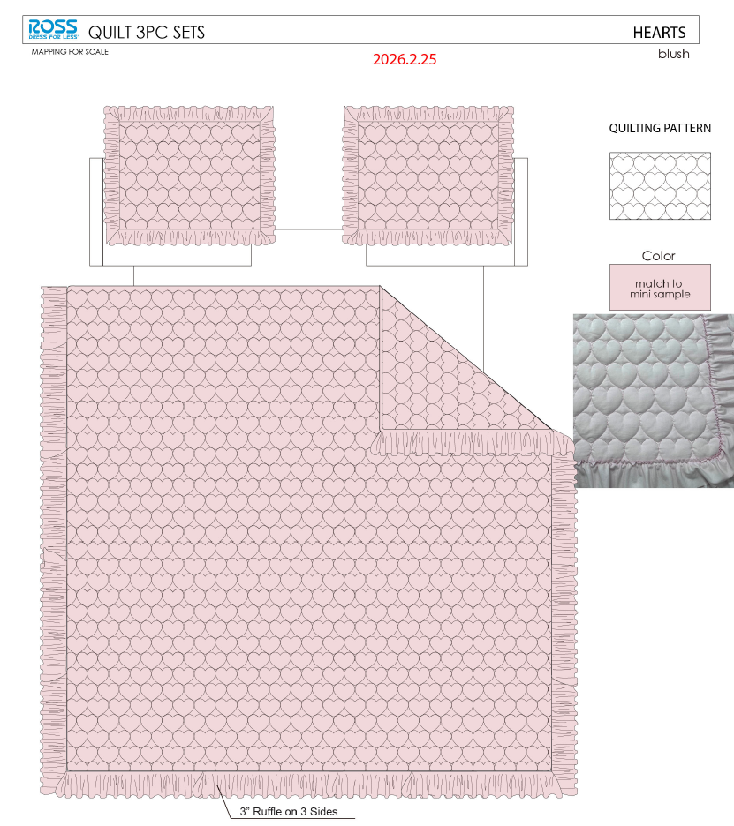 |  |  |  | QUILT | Hearts | 100% Polyester 3pc Hanging Quilt | 3pc Hanging Quilt | Face& Back：85gsm microfiber solid, with ruffle. Embroidered Filling：180gsm slick Poly Fill. | 100% Polyester | Full/Queen: 86x86+2.5"/20x26+2.5"(2) | Pink |  |  |  | Set | ¥70.40 | 7.80 | $9.03 | $9.03 |  | Normal | 44.0 | 41.0 | 28.0 | 5.00 | 2 | 0.051 | 2574 | 2250 | $0.87 | 9404.40.9022 | 32.80% | $2.96 | $12.87 | 0.00% | $0.00 | 0.00% | $0.00 | 0.00% | $0.00 | 0 | 0.00% | $0.00 | $0.00 | $12.87 | 17.26% | $15.55 | $15.55 | $34.99 | 55.56% | 55.56% | 700 | $9,006.26 | $10,885.00
 | 39 |  |  |  |  | QUILT | Hearts | 100% Polyester 3pc Hanging Quilt | 3pc Hanging Quilt | Face& Back：85gsm microfiber solid, with ruffle. Embroidered Filling：180gsm slick Poly Fill. | 100% Polyester | King: 102x86+2.5"/20x36+2.5"(2) | Pink |  |  |  | Set | ¥79.90 | 7.80 | $10.24 | $10.24 |  | Normal | 44.0 | 41.0 | 30.0 | 5.00 | 2 | 0.054 | 2402 | 2250 | $0.94 | 9404.40.9022 | 32.80% | $3.36 | $14.54 | 0.00% | $0.00 | 0.00% | $0.00 | 0.00% | $0.00 | 0 | 0.00% | $0.00 | $0.00 | $14.54 | 20.31% | $18.24 | $18.24 | $39.99 | 54.39% | 54.39% | 600 | $8,721.25 | $10,944.00
 | 40 | 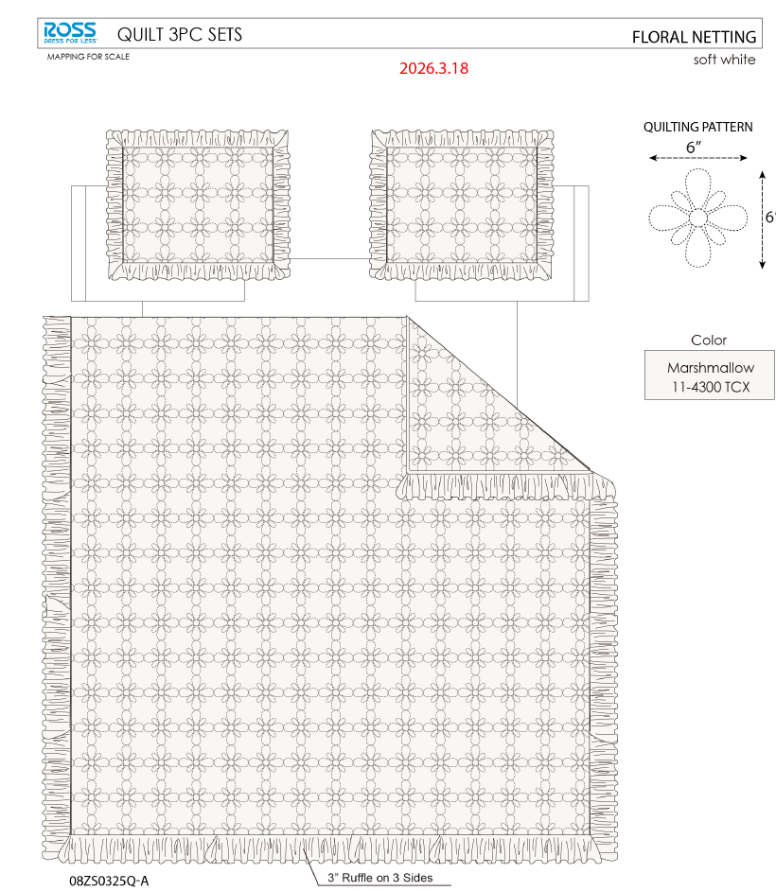 |  |  |  | QUILT | Floral Netting | 100% Polyester 3pc Hanging Quilt | 3pc Hanging Quilt | Face& Back：85gsm microfiber solid, with ruffle. Embroidered Filling：180gsm slick Poly Fill. | 100% Polyester | Full/Queen: 86x86+2.5"/20x26+2.5"(2) | Marshmallow |  |  |  | Set | ¥71.30 | 7.80 | $9.14 | $9.14 |  | Normal | 44.0 | 41.0 | 28.0 | 5.00 | 2 | 0.051 | 2574 | 2250 | $0.87 | 9404.40.9022 | 32.80% | $3.00 | $13.01 | 0.00% | $0.00 | 0.00% | $0.00 | 0.00% | $0.00 | 0 | 0.00% | $0.00 | $0.00 | $13.01 | 16.32% | $15.55 | $15.55 | $34.99 | 55.56% | 55.56% | 700 | $9,108.52 | $10,885.00
 | 41 |  |  |  |  | QUILT | Floral Netting | 100% Polyester 3pc Hanging Quilt | 3pc Hanging Quilt | Face& Back：85gsm microfiber solid, with ruffle. Embroidered Filling：180gsm slick Poly Fill. | 100% Polyester | King: 102x86+2.5"/20x36+2.5"(2) | Marshmallow |  |  |  | Set | ¥81.00 | 7.80 | $10.38 | $10.38 |  | Normal | 44.0 | 41.0 | 30.0 | 5.00 | 2 | 0.054 | 2402 | 2250 | $0.94 | 9404.40.9022 | 32.80% | $3.40 | $14.72 | 0.00% | $0.00 | 0.00% | $0.00 | 0.00% | $0.00 | 0 | 0.00% | $0.00 | $0.00 | $14.72 | 19.29% | $18.24 | $18.24 | $39.99 | 54.39% | 54.39% | 600 | $8,832.80 | $10,944.00
 | 46 | 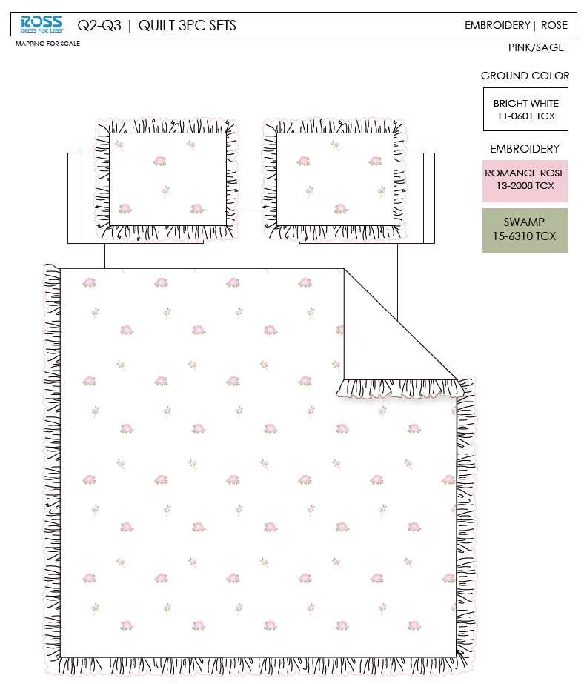 |  |  |  | QUILT | Rose | 100% Polyester 3pc Hanging Quilt | 3pc Hanging Quilt | Face& Back：85gsm microfiber solid, with ruffle. Embroidered Filling：180gsm slick Poly Fill. with stitched edge | 100% Polyester | Twin: 66x86"/20x26+2.5"(1) | Pink/ Sage |  |  |  | Set | ¥67.60 | 7.80 | $8.67 | $8.67 |  | Normal | 44.0 | 41.0 | 25.0 | 5.00 | 2 | 0.045 | 2882 | 2250 | $0.78 | 9404.40.9022 | 32.80% | $2.84 | $12.29 | 0.00% | $0.00 | 0.00% | $0.00 | 0.00% | $0.00 | 0 | 0.00% | $0.00 | $0.00 | $12.29 | 10.91% | $13.80 | $13.80 | $24.99 | 44.78% | 44.78% | 680 | $8,360.15 | $9,384.00
 | 47 |  |  |  |  | QUILT | Rose | 100% Polyester 3pc Hanging Quilt | 3pc Hanging Quilt | Face& Back：85gsm microfiber solid, with ruffle. Embroidered Filling：180gsm slick Poly Fill. with stitched edge | 100% Polyester | Full/Queen: 86x86+2.5"/20x26+2.5"(2) | Pink/ Sage |  |  |  | Set | ¥88.80 | 7.80 | $11.38 | $11.38 |  | Normal | 44.0 | 41.0 | 28.0 | 5.00 | 2 | 0.051 | 2574 | 2250 | $0.87 | 9404.40.9022 | 32.80% | $3.73 | $15.99 | 0.00% | $0.00 | 0.00% | $0.00 | 0.00% | $0.00 | 0 | 0.00% | $0.00 | $0.00 | $15.99 | 11.18% | $18.00 | $18.00 | $34.99 | 48.56% | 48.56% | 1380 | $22,061.90 | $24,840.00
 | 48 |  |  |  |  | QUILT | Rose | 100% Polyester 3pc Hanging Quilt | 3pc Hanging Quilt | Face& Back：85gsm microfiber solid, with ruffle. Embroidered Filling：180gsm slick Poly Fill. with stitched edge | 100% Polyester | King: 102x86+2.5"/20x36+2.5"(2) | Pink/ Sage |  |  |  | Set | ¥100.30 | 7.80 | $12.86 | $12.86 |  | Normal | 44.0 | 41.0 | 30.0 | 5.00 | 2 | 0.054 | 2402 | 2250 | $0.94 | 9404.40.9022 | 32.80% | $4.22 | $18.01 | 0.00% | $0.00 | 0.00% | $0.00 | 0.00% | $0.00 | 0 | 0.00% | $0.00 | $0.00 | $18.01 | 12.72% | $20.64 | $20.64 | $39.99 | 48.39% | 48.39% | 650 | $11,709.60 | $13,416.00
 | 38 |  |  |  |  | QUILT | Floral Bow | 100% Polyester 3pc Hanging Quilt | 3pc Hanging Quilt | Face& Back：85gsm microfiber solid. Embroidered Filling：180gsm slick Poly Fill. | 100% Polyester | Full/Queen: 86x86"/20x26+1/2“(2) | Pink |  |  |  | Set | ¥83.30 | 7.80 | $10.68 | $10.68 |  | Normal | 44.0 | 41.0 | 28.0 | 5.00 | 2 | 0.051 | 2574 | 2250 | $0.87 | 9404.40.9022 | 32.80% | $3.50 | $15.06 | 0.00% | $0.00 | 0.00% | $0.00 | 0.00% | $0.00 | 0 | 0.00% | $0.00 | $0.00 | $15.06 | 14.06% | $17.52 | $17.52 | $34.99 | 49.93% | 49.93% | 450 | $6,775.78 | $7,884.00
 | 39 |  |  |  |  | QUILT | Floral Bow | 100% Polyester 3pc Hanging Quilt | 3pc Hanging Quilt | Face& Back：85gsm microfiber solid. Embroidered Filling：180gsm slick Poly Fill. | 100% Polyester | King: 102x86"/20x36+1/2”(2) | Pink |  |  |  | Set | ¥93.3 | 7.80 | $11.96 | $11.96 |  | Normal | 44.0 | 41.0 | 30.0 | 5.00 | 2 | 0.054 | 2402 | 2250 | $0.94 | 9404.40.9022 | 32.80% | $3.92 | $16.82 | 0.00% | $0.00 | 0.00% | $0.00 | 0.00% | $0.00 | 0 | 0.00% | $0.00 | $0.00 | $16.82 | 18.51% | $20.64 | $20.64 | $39.99 | 48.39% | 48.39% | 830 | $13,960.25 | $17,131.20
 | 40 | 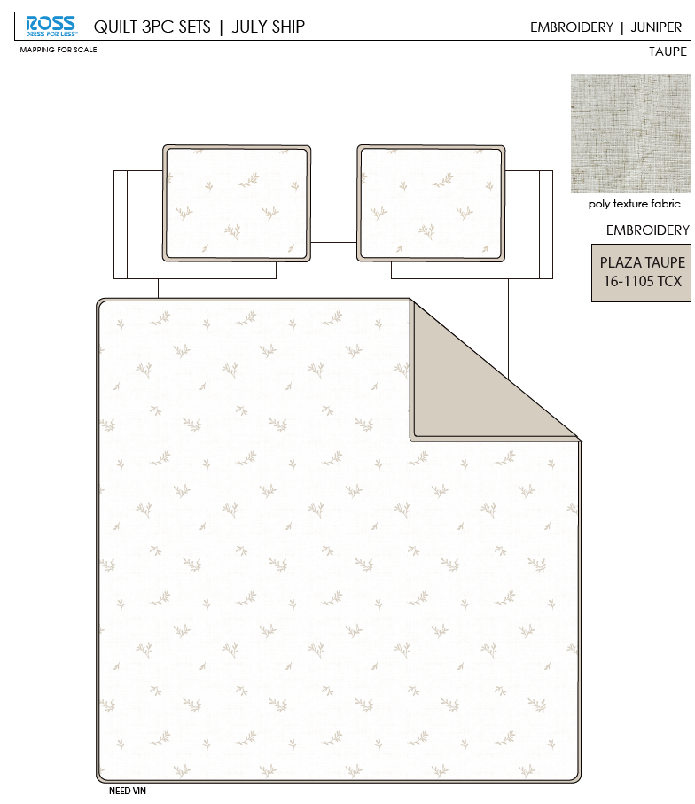 |  |  |  | QUILT | Juniper | 100% Polyester 3pc Hanging Quilt | 3pc Hanging Quilt | Face：poly texture solid, embroidered. Back：85gsm microfiber solid Filling：180gsm Poly Fill. | 100% Polyester | Full/Queen: 86x86"/20x26+1/2“(2) | Taupe |  |  |  | Set | ¥87.90 | 7.80 | $11.27 | $11.27 |  | Normal | 44.0 | 41.0 | 28.0 | 5.00 | 2 | 0.051 | 2574 | 2250 | $0.87 | 9404.40.9022 | 32.80% | $3.70 | $15.84 | 0.00% | $0.00 | 0.00% | $0.00 | 0.00% | $0.00 | 0 | 0.00% | $0.00 | $0.00 | $15.84 | 13.91% | $18.40 | $18.40 | $34.99 | 47.41% | 47.41% | 450 | $7,128.36 | $8,280.00
 | 41 |  |  |  |  | QUILT | Juniper | 100% Polyester 3pc Hanging Quilt | 3pc Hanging Quilt | Face：poly texture solid, embroidered. Back：85gsm microfiber solid Filling：180gsm Poly Fill. | 100% Polyester | King: 102x86"/20x36+1/2”(2) | Taupe |  |  |  | Set | ¥97.30 | 7.80 | $12.47 | $12.47 |  | Normal | 44.0 | 41.0 | 30.0 | 5.00 | 2 | 0.054 | 2402 | 2250 | $0.94 | 9404.40.9022 | 32.80% | $4.09 | $17.50 | 0.00% | $0.00 | 0.00% | $0.00 | 0.00% | $0.00 | 0 | 0.00% | $0.00 | $0.00 | $17.50 | 17.23% | $21.14 | $21.14 | $39.99 | 47.14% | 47.14% | 830 | $14,522.39 | $17,546.20
 | 28 |  |  |  |  | QUILT | Caitlyn | 100% Polyester 3pc Hanging Quilt | 3pc Hanging Quilt | 85gsm microfiber Prewashed ultra soft finish. Embroidered w/ Ruffle edge. Stitch quilting. 180gsm Poly Fill. | 100% Polyester | Twin: 63x86+2.5"/20x26+2.5"(1) | Iris |  |  |  | Set | ¥61.70 | 7.80 | $7.91 | $7.91 |  | Normal | 44.0 | 41.0 | 25.0 | 5.00 | 2 | 0.045 | 2882 | 2250 | $0.78 | 9404.40.9022 | 32.80% | $2.59 | $11.29 | 0.00% | $0.00 | 0.00% | $0.00 | 0.00% | $0.00 | 0 | 0.00% | $0.00 | $0.00 | $11.29 | 9.57% | $12.48 | $12.48 | $24.99 | 50.06% | 50.06% | 750 | $8,463.79 | $9,360.00
 | 29 |  |  |  |  | QUILT | MILLIE | 100% Polyester 3pc Hanging Quilt | 3pc Hanging Quilt | Face& Back：85gsm microfiber solid. Embroidered Filling: 180gsm slick Poly Fill. with stitched edge | 100% Polyester | Twin: 66x86+2.5"/20x26+2.5"(1) | Pink |  |  |  | Set | ¥67.50 | 7.80 | $8.65 | $8.65 |  | Normal | 44.0 | 41.0 | 25.0 | 5.00 | 2 | 0.045 | 2882 | 2250 | $0.78 | 9404.40.9022 | 32.80% | $2.84 | $12.27 | 0.00% | $0.00 | 0.00% | $0.00 | 0.00% | $0.00 | 0 | 0.00% | $0.00 | $0.00 | $12.27 | 12.99% | $14.10 | $14.10 | $24.99 | 43.58% | 43.58% | 750 | $9,200.83 | $10,575.00
 | 30 |  |  |  |  | QUILT | Hearts | 100% Polyester 3pc Hanging Quilt | 3pc Hanging Quilt | Face& Back：85gsm microfiber solid, with ruffle. Embroidered Filling：180gsm slick Poly Fill. | 100% Polyester | Twin: 66x86+2.5"/20x26+2.5"(1) | Pink |  |  |  | Set | ¥53.10 | 7.80 | $6.81 | $6.81 |  | Normal | 44.0 | 41.0 | 25.0 | 5.00 | 2 | 0.045 | 2882 | 2250 | $0.78 | 9404.40.9022 | 32.80% | $2.23 | $9.82 | 0.00% | $0.00 | 0.00% | $0.00 | 0.00% | $0.00 | 0 | 0.00% | $0.00 | $0.00 | $9.82 | 18.13% | $12.00 | $12.00 | $24.99 | 51.98% | 51.98% | 750 | $7,368.19 | $9,000.00
 | 31 |  |  |  |  | QUILT | Floral Netting | 100% Polyester 3pc Hanging Quilt | 3pc Hanging Quilt | Face& Back：85gsm microfiber solid, with ruffle. Embroidered Filling：180gsm slick Poly Fill. | 100% Polyester | Twin: 66x86+2.5"/20x26+2.5"(1) | Marshmallow |  |  |  | Set | ¥53.80 | 7.80 | $6.90 | $6.90 |  | Normal | 44.0 | 41.0 | 25.0 | 5.00 | 2 | 0.045 | 2882 | 2250 | $0.78 | 9404.40.9022 | 32.80% | $2.26 | $9.94 | 0.00% | $0.00 | 0.00% | $0.00 | 0.00% | $0.00 | 0 | 0.00% | $0.00 | $0.00 | $9.94 | 17.14% | $12.00 | $12.00 | $24.99 | 51.98% | 51.98% | 750 | $7,457.83 | $9,000.00
 |  |  |  |  |  |  |  |  |  |  |  |  |  |  |  |  |  |  |  |  |  |  |  |  |  |  |  |  |  |  |  |  |  |  |  |  |  |  |  |  |  |  |  |  |  |  |  |  |  |  |  |  |  | 16.25% | $441,409.28 | $527,055.60

