CHN 01-30-2026
Customer | Costco CA |  | Quote date | 2026-01-30
Project Name |  |  | Quote by | Jia xiaoyan
Sample #, Factory name | Lead time, MOQ | Item Description | Fabrication | Size / Spec. | F.O.B Cost $ | Feight |  |  |  |  |  |  |  | Picture

 |  |  |  |  |  | Carton size |  |  | Total units per carton | Cubic Meter/ per item | Total units per 40' Cnt | Freight cost per 40' | Freight cost per item $
 |  |  |  |  |  | L (cm) | W (cm) | H (cm)
 |  |  |  |  | 魔术贴布袋+腰封
MH | 90~100 days 1000sets/color | 六件套：枕套/床单正面4"，Z-hem；床单两侧1/2"卷边,底边1/2"卷边；枕套正反面一样.床笠一周做1"橡筋,床笠四角1/4"卷边 self fabric bag packaging PDQ+POD包装 | 120gsm Microfiber Sheet, Twill Weave, 1" elastic, Self fabric bag packaging solid 素色 75Dx150D | Queen:90"x106"/21"x33"(4)/60"x80"+16" | $6.80 | $122.00 | $102.00 | $114.00 | $128.00 | 0.0111 | 5,376
 |  |  |  | King:108"x106"/21"x42"(4)/78"x80"+16" | $7.50 | $122.00 | $102.00 | $114.00 | $128.00 | 0.0111 | 5,376
MH | 90~100 days 1000sets/color | 六件套：枕套/床单正面4"，Z-hem；床单两侧1/2"卷边,底边1/2"卷边；枕套正反面一样.床笠一周做1"橡筋,床笠四角1/4"卷边 self fabric bag packaging PDQ+POD包装 | 120gsm Microfiber Sheet, Twill Weave, 1" elastic, Self fabric bag packaging disperse printed 分散印花 75Dx150D | Queen:90"x106"/21"x33"(4)/60"x80"+16" | $7.20 | $122.00 | $102.00 | $114.00 | $128.00 | 0.0111 | 5,376
 |  |  |  | King:108"x106"/21"x42"(4)/78"x80"+16" | $7.90 | $122.00 | $102.00 | $114.00 | $128.00 | 0.0111 | 5,376

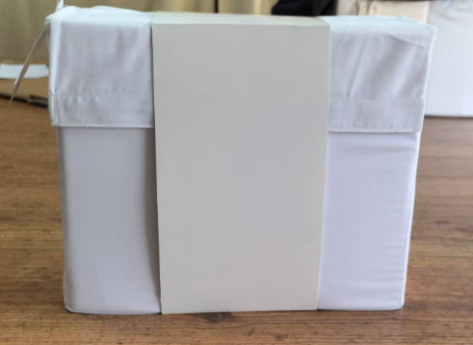
 |  |  | 按照22W套 报价（Q：16W+K：6W）
 |  |  | DI Store订单，需Costco人权/反恐/质量验厂，一轮测试+一轮抽样+一轮第三方客检

 |  |  | POD预估：8套入一个PDQ，一层4个PDQ，共4层，16个PDQ，128套装一个POD
 |  |  | PDQ+POD参考下图，需打托加缠绕膜
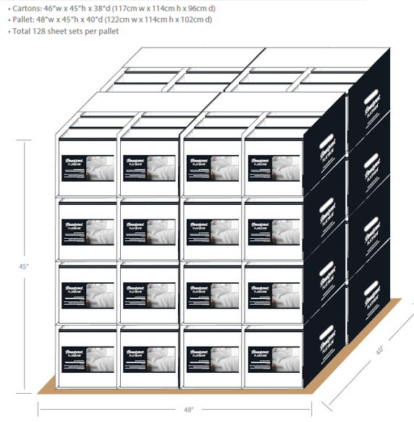
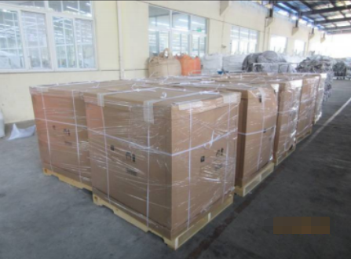

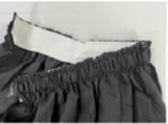

床笠：1"橡筋工艺

