CCD
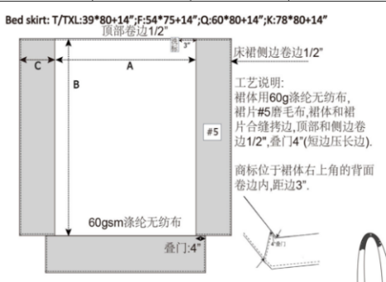
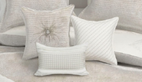
核价表编号： | MC251224-14pcs |  |  |  |  | MC251224-14pcs
客 户：
总部负责人：
杭办报价人：
JLA# 款号
照片：

产品尺码： | Full/Queen |  |  |  |  | Full/Queen
产品类别（item) | Comf | sham | Bed Skrit | sheet set | Euro sham | Comf | sham | Bed Skrit | sheet set | Euro sham | pillow | pillow | pillow | Throw
款式描述 (Description) | 正面：400gsm全涤AB纱提花兔毛，反面:85gsm全涤磨毛布，素色,款式：刀口式，内充220g/m2 6D无胶棉，绗点绗，包装：产品压缩后入本布袋+车彩卡.2套/箱 | 正面：400gsm全涤AB纱提花兔毛，反面:85gsm全涤磨毛布，素色，素色,款式：刀口式，背面居中开口，3"叠门 | 裙体：60gsm全涤漂白色无纺布，裙片：75gsm全涤磨毛布，漂白色，工艺：裙体与裙片合缝拷边，顶部和侧边卷边1/2"，叠门4"（短边压长边） | 床单：75gsm全涤磨毛布，漂白色，大身顶部直接连口折做4"头子，大身两侧和底部0.5"卷边。 床笠：75gsm全涤磨毛布，漂白色，四角直角做0.25"包边合缝，车0.1cm止口线。底部四周卷边1.2cm，内穿1cm橡筋。 枕套：75gsm全涤磨毛布，素色，大身顶部直接连口折做4"头子，车0.1cm止口线，正背面合缝靠边。 | 85gsm全涤磨毛布，素色，素色,款式：1"边框，刀口式，背面居中开口，3"叠门 | 正面：400gsm全涤AB纱提花兔毛，反面:85gsm全涤磨毛布，素色,款式：刀口式，内充220g/m2 6D无胶棉，绗点绗，包装：产品压缩后入本布袋+车彩卡.2套/箱 | 正面：400gsm全涤AB纱提花兔毛，反面:85gsm全涤磨毛布，素色，素色,款式：刀口式，背面居中开口，3"叠门 | 裙体：60gsm全涤漂白色无纺布，裙片：75gsm全涤磨毛布，漂白色，工艺：裙体与裙片合缝拷边，顶部和侧边卷边1/2"，叠门4"（短边压长边） | 床单：75gsm全涤磨毛布，漂白色，大身顶部直接连口折做4"头子，大身两侧和底部0.5"卷边。 床笠：75gsm全涤磨毛布，漂白色，四角直角做0.25"包边合缝，车0.1cm止口线。底部四周卷边1.2cm，内穿1cm橡筋。 枕套：75gsm全涤磨毛布，素色，大身顶部直接连口折做4"头子，车0.1cm止口线，正背面合缝靠边。 | 85gsm全涤磨毛布，素色,款式：1"边框，刀口式，背面居中开口，3"叠门 | 正面：400gsm全涤AB纱提花兔毛，反面：75gsm全涤磨毛布，漂白色，正反面衬20g无纺布，充400gPP棉。 | 正面：75gsm全涤磨毛布，漂白色，+60gsm 无胶棉绗缝，反面：75gsm全涤磨毛布，漂白色，正反面缝合内衬衬20g无纺布，充260gPP棉。 | 正面：75gsm全涤磨毛布，漂白色，+绣花，反面：75gsm全涤磨毛布，漂白色，正反面缝合内衬衬20g无纺布，充260gPP棉。 | 300g全涤双面拉毛提花法兰绒，1"自卷边 | 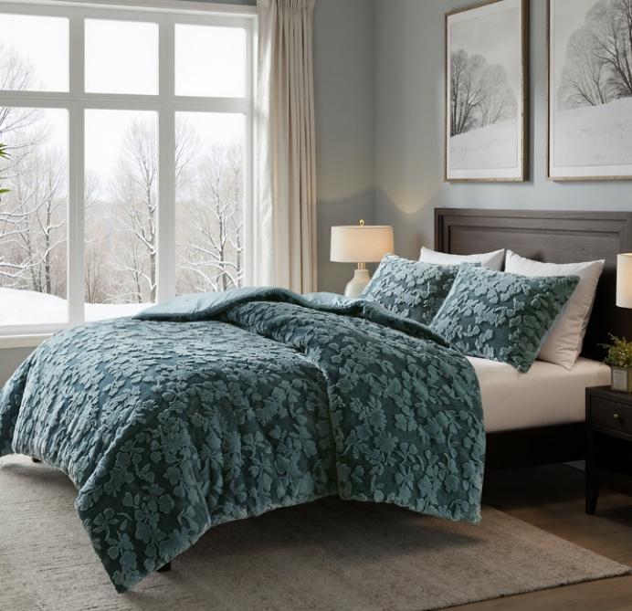
成品规格 （specification) | 92*92"-1pc | 20*26"-2pcs | 60*80*15" | 90*102"/60*80+15"/20*30"-2pc | 26*26"-2pcs | 106*92"-1pc | 20*36"-2pcs | 78*80*15" | 108*102"/78*80+15"/20*40"-2pc | 26*26"-2pcs | 18*18“-1pc | 16*16“-1pc | 12*18-1pc | 50x60''

主面料名称#1 | 400gsm全涤AB纱提花兔毛-96" | 400gsm全涤AB纱提花兔毛-96" | 60gsm全涤漂白色无纺布-82“ | 75gsm全涤磨毛布，漂白色*110“ | 85gsm全涤磨毛布，漂白色*96“ | 400gsm全涤AB纱提花兔毛-96" | 400gsm全涤AB纱提花兔毛-96" | 60gsm全涤漂白色无纺布-82“ | 75gsm全涤磨毛布，漂白色*110“ | 85gsm全涤磨毛布，漂白色*96“ |  |  |  | 300g全涤双面拉毛提花法兰绒-62"
单价 | 24.38 | 24.38 | 1.56 | 4.60 | 4.20 | 24.38 | 24.38 | 1.56 | 4.60 | 4.20 |  |  |  | 9.92
用量 | 2.53 | 0.36 | 1.62 | 6.16 | 0.36 | 2.91 | 0.49 | 2.09 | 6.80 | 0.36 |  |  |  | 1.39
金额 | 61.68 | 8.78 | 2.53 | 28.34 | 1.51 | 70.95 | 11.95 | 3.26 | 31.28 | 1.51 | 0.00 | 0.00 | 0.00 | 13.79
主面料名称#2 | 85gsm全涤磨毛布，漂白色*96“ | 85gsm全涤磨毛布，漂白色*96“ | 75gsm全涤磨毛布，漂白色*110“ |  | 85gsm全涤磨毛布，漂白色*96“ | 85gsm全涤磨毛布，漂白色*96“ | 85gsm全涤磨毛布，漂白色*96“ | 75gsm全涤磨毛布，漂白色*110“ |  | 85gsm全涤磨毛布，漂白色*96“
单价 | 4.20 | 4.20 | 4.60 |  | 4.20 | 4.20 | 4.20 | 4.60 |  | 4.20
用量 | 2.48 | 0.37 | 0.13 |  | 0.46 | 2.85 | 0.55 | 0.14 |  | 0.46
金额 | 10.42 | 1.55 | 0.60 | 0.00 | 1.93 | 11.97 | 2.31 | 0.64 | 0.00 | 1.93 | 0.00 | 0.00 | 0.00
主面料名称#3
单价
用量
金额 | 0.00 | 0.00 |  |  | 0.00 | 0.00 | 0.00 |  |  | 0.00 | 0.00 | 0.00 | 0.00
主面料名称#4 |  |  |  |  |  |  |  |  |  |  | 400gsm全涤AB纱提花兔毛-96" | 75gsm全涤磨毛布，漂白色--110“ | 75gsm全涤磨毛布，漂白色--110“
单价 |  |  |  |  |  |  |  |  |  |  | 24.38 | 4.60 | 4.60
用量 |  |  |  |  |  |  |  |  |  |  | 0.10 | 0.20 | 0.20
金额 | 0.00 | 0.00 | 0.00 | 0.00 | 0.00 | 0.00 | 0.00 | 0.00 | 0.00 | 0.00 | 2.44 | 0.92 | 0.92
主面料名称#5 |  |  |  |  |  |  |  |  |  |  | 75gsm全涤磨毛布，漂白色*110“
单价 |  |  |  |  |  |  |  |  |  |  | 4.60
用量 |  |  |  |  |  |  |  |  |  |  | 0.10
金额 | 0.00 | 0.00 | 0.00 | 0.00 | 0.00 | 0.00 | 0.00 | 0.00 | 0.00 | 0.00 | 0.46 | 0.00 | 0.00
主面料名称#6
单价
用量
金额 | 0.00 | 0.00 | 0.00 | 0.00 | 0.00 | 0.00 | 0.00 | 0.00 | 0.00 | 0.00
主面料名称#7 | 真空压缩袋 |  |  |  |  | 真空压缩袋 |  |  |  |  | 20g丙纶无纺布 | 20g丙纶无纺布 | 20g丙纶无纺布
单价 | 2.00 |  |  |  |  | 2.00 |  |  |  |  | 12.50 | 12.50 | 12.50
用量 | 1.00 |  |  |  |  | 1.00 |  |  |  |  | 0.01 | 0.01 | 0.01
金额 | 2.00 | 0.00 | 0.00 | 0.00 | 0.00 | 2.00 | 0.00 | 0.00 | 0.00 | 0.00 | 0.13 | 0.13 | 0.13
主面料名称#8 | 220g/m2 6D无胶棉 |  |  |  |  | 220g/m2 6D无胶棉 |  |  |  |  | 7D三维PP棉 | 7D三维PP棉 | 7D三维PP棉
单价 | 12.50 |  |  |  |  | 12.50 |  |  |  |  | 9.00 | 9.00 | 9.00
用量 | 1.31 |  |  |  |  | 1.51 |  |  |  |  | 0.40 | 0.26 | 0.27
金额 | 16.38 | 0.00 | 0.00 | 0.00 | 0.00 | 18.88 | 0.00 | 0.00 | 0.00 | 0.00 | 3.60 | 2.34 | 2.43
主面料小计 | 90.48 | 10.33 | 3.13 | 28.34 | 3.44 | 103.80 | 14.26 | 3.90 | 31.28 | 3.44 | 6.63 | 3.39 | 3.48 | 13.79
辅料，包装，其它名称#1 | 洗标+法标 | 洗标+法标 | 洗标+法标 | 洗标+法标 | 洗标 | 洗标+法标 | 洗标+法标 | 洗标+法标 | 洗标+法标 | 洗标 | 洗标 | 洗标 | 洗标 | 洗标
单价 | 0.34 | 0.34 | 0.34 | 0.34 | 0.34 | 0.34 | 0.34 | 0.34 | 0.34 | 0.34 | 0.34 | 0.34 | 0.34 | 0.34
用量 | 1.00 | 1.00 | 1.00 | 4.00 | 2.00 | 1.00 | 1.00 | 1.00 | 4.00 | 2.00 | 2.00 | 2.00 | 2.00 | 1.00
金额 | 0.34 | 0.34 | 0.34 | 1.36 | 0.68 | 0.34 | 0.34 | 0.34 | 1.36 | 0.68 | 0.68 | 0.68 | 0.68 | 0.34
辅料，包装，其它名称#2 | 本布袋 1.2m拎手长度，宽度按照3cm，拉链款 |  |  |  |  | 本布袋 1.2m拎手长度，宽度按照3cm，拉链款 |  |  |  |  |  | 绗缝 | 绣花
单价 | 7.00 |  |  |  |  | 7.50 |  |  |  |  | 4.00 |  | 5.00
用量 | 1.00 |  |  |  |  | 1.00 |  |  |  |  |  | 1.00 | 1.00
金额 | 7.00 | 0.00 | 0.00 | 0.00 | 0.00 | 7.50 | 0.00 | 0.00 | 0.00 | 0.00 |  | 0.00 | 5.00
辅料，包装，其它名称#3 | 干燥剂 |  |  | 1cm橡筋 |  | 干燥剂 |  |  | 1cm橡筋
单价 | 0.02 |  |  | 0.18 |  | 0.02 |  |  | 0.18
用量 | 2.00 |  |  | 3.66 |  | 2.00 |  |  | 3.66
金额 | 0.04 | 0.00 |  | 0.66 | 0.00 | 0.04 | 0.00 |  | 0.66 | 0.00 | 0.00 | 0.00 | 0.00
辅料，包装，其它名称#4 | 纸腰封 |  |  |  |  | 纸腰封
单价 | 2.00 |  |  |  |  | 2.00
用量 | 1.00 |  |  |  |  | 1.00
金额 | 2.00 | 0.00 | 0.00 | 0.00 | 0.00 | 2.00 | 0.00 | 0.00 | 0.00 | 0.00 | 0.00 |  | 0.00
辅料，包装，其它名称#5 | 测试费 |  |  |  |  | 测试费 |  |  |  |  |  |  |  | thread
金额 | 0.50 |  |  |  |  | 0.50 |  |  |  |  |  |  |  | 0.10
辅料，包装，其它名称#6 | thread | thread | thread | thread | thread | thread | thread | thread | thread | thread | thread | thread | thread
金额 | 0.20 | 0.10 | 0.20 | 0.20 | 0.10 | 0.20 | 0.10 | 0.20 | 0.20 | 0.10 | 0.10 | 0.10 | 0.10
辅料，包装，其它名称#7 | 追踪贴纸16*16mm 不干胶+追踪标16*16mm 无纺纸+尺码贴纸+ 指定 RFID贴纸，尺寸3.5*4.5CM+吊牌 |  |  |  |  | 追踪贴纸16*16mm 不干胶+追踪标16*16mm 无纺纸+尺码贴纸+ 指定 RFID贴纸，尺寸3.5*4.5CM+吊牌
金额 | 0.81 |  |  |  |  | 0.81
辅料，包装，其它名称#8
金额
辅料，包装，其它名称#9 | 样品费,后续翻单取消 |  |  |  |  | 样品费,后续翻单取消
金额 | 0.04 |  |  |  |  | 0.04
辅料，包装，其它名称#10 | 封箱带+天地盖 |  |  |  |  | 封箱带+天地盖
金额 | 0.20 |  |  |  |  | 0.20
纸箱长（厘米） | 58.00 |  |  |  |  | 58.00
纸箱宽（厘米） | 53.00 |  |  |  |  | 53.00
纸箱高（厘米） | 58.00 |  |  |  |  | 68.00
成箱方式（每箱） | 2.00 |  |  |  |  | 2.00
纸箱单价 | 7.50 |  |  |  |  | 7.50
金额 | 5.13 |  |  |  |  | 5.58
辅料，包装，其它小计 | 16.26 | 0.44 | 0.54 | 2.22 | 0.78 | 17.21 | 0.44 | 0.54 | 2.22 | 0.78 | 0.78 | 0.78 | 5.78 | 0.44
主、辅料、包装其他小计 | 106.74 | 10.77 | 3.67 | 30.56 | 4.22 | 121.01 | 14.70 | 4.44 | 33.50 | 4.22 | 7.41 | 4.17 | 9.26 | 14.23
工缴 | 6.80 | 4.40 | 3.00 | 5.50 | 5.00 | 6.80 | 4.40 | 3.00 | 5.50 | 5.00 | 3.00 | 3.00 | 3.00 | 2.00
运、杂费 | 6.74 |  |  |  |  | 7.84
利税 | 0.88 | 0.57 | 0.39 | 0.72 | 0.65 | 0.88 | 0.57 | 0.39 | 0.72 | 0.65 | 0.39 | 0.39 | 0.39 | 0.26
换汇 | 7.85 | 7.85 | 7.85 | 7.85 | 7.85 | 7.85 | 7.85 | 7.85 | 7.85 | 7.85 | 7.85 | 7.85 | 7.85 | 7.85
配额费
辅工等费用小计 | 14.42 | 4.97 | 3.39 | 6.22 | 5.65 | 15.52 | 4.97 | 3.39 | 6.22 | 5.65 | 3.39 | 3.39 | 3.39 | 2.26
出厂价位 | ¥121.16 | ¥15.74 | ¥7.06 | ¥36.78 | ¥9.87 | ¥136.53 | ¥19.67 | ¥7.83 | ¥39.72 | ¥9.87 | ¥10.80 | ¥7.56 | ¥12.65 | 16.49
美 元 价 | $15.43 | $2.01 | $0.90 | $4.69 | $1.26 | $17.39 | $2.51 | $1.00 | $5.06 | $1.26 | $1.38 | $0.96 | $1.61 | 2.10
1.06 | ¥128.43 | ¥16.68 | ¥7.48 | ¥38.99 | ¥10.46 | ¥144.72 | ¥20.85 | ¥8.30 | ¥42.10 | ¥10.46 | ¥11.45 | ¥8.01 | ¥13.41 | ¥17.48
含利税美金价 | $16.36 | $2.12 | $0.95 | $4.97 | $1.33 | $18.44 | $2.66 | $1.06 | $5.36 | $1.33 | $1.46 | $1.02 | $1.71 | $2.23
合计人民币 | 202.04 |  |  |  |  | 226.43
合计美元 | $25.74 |  |  |  |  | $28.84

建议报价 海聆梦 1.7 | 194.6 |  |  |  |  | 219.7 |  |  |  |  | 10.8 | 7.55 | 11.4 | 19.8
 | 244.15 |  |  |  |  | 269.25

亿龙 | ¥281.00 |  |  |  |  |  | ¥314.00
丹阳丽娜 | ¥254.00 |  |  |  |  |  | ¥283.00
美华 | ¥245.00 |  |  |  |  |  | ¥274.20

