Item
Vendor | Line No. | Photo | VIN/Art No. | Brand | Licensor | Product Category | Pattern | Item Description | Description-Short | Fabrication | Material-Short | Size/Spec. | Color | Customer Item# | Item No. | UPC | Unit of Measure | China RMB Cost | Exchange Rate | FOB Cost $ (Formula) | FOB Cost $ (Value) | UCCPM Price | Package Type | Carton Size L (cm) | Carton Size W (cm) | Carton Size H (cm) | Carton Gross Weight (kg) | Case Pack | Cubic Meter per Carton | Total Units per 40ft Container | 40ft Container Freight | Ocean Freight per Item $ | HTS Code | Duty Rate | Duty per Item $ | LDP Cost $ | DA % | DA $ | General Load % | General Load $ | Warehouse Charge % | Warehouse Charge $ | Load 1 | Load 1 % | Load 1 $ | Total Load $ | LDP Cost with Load $ | JLA LDP MU% | JLA POE Price Quote (Formula) | JLA POE Price Quote (Value) | Suggested Retail Price | Retailer Markup (Value) | Retailer Markup (Formula) | Total Quantity | Total Cost | Total Sales | 11625405
 | 1 | 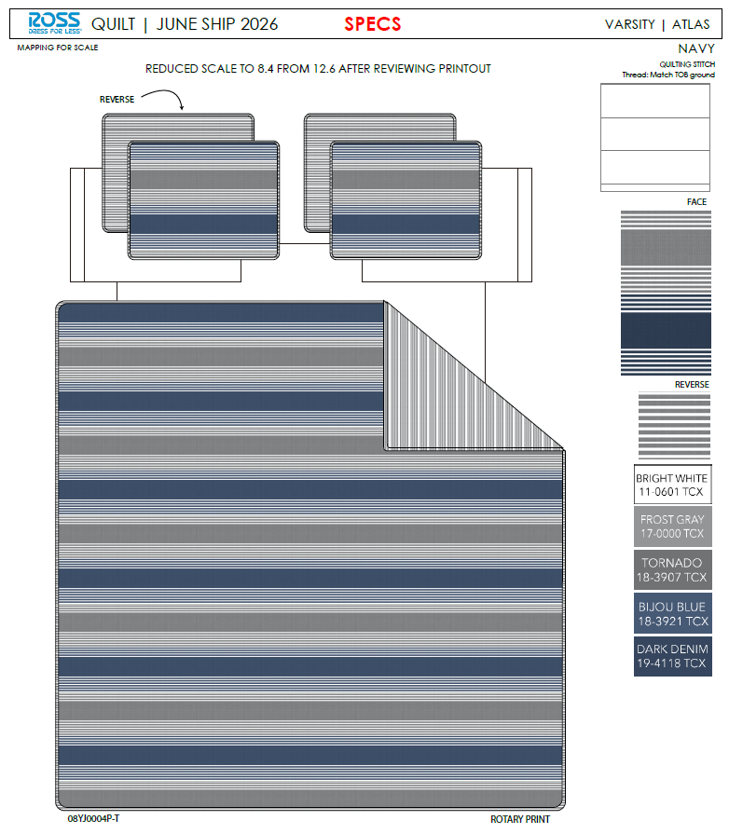 | 08YJ0004P-T |  |  | QUILT | Atlas | 100% Polyester 3pc Hanging Print Quilt | 3pc Hanging Print Quilt | Face& Back: 85gsm microfiber disperse print Filling：180gsm slick Poly Fill. | 100% Polyester | Full/Queen: 86x86"/20x26+1/2"(2) | Navy |  | RS14-8832 |  | Set | ¥60.70 | 7.80 | $7.78 | $7.78 |  | Normal | 44.0 | 41.0 | 25.0 | 5.00 | 2 | 0.045 | 2882 | 2250 | $0.78 | 9404.40.9022 | 32.80% | $2.55 | $11.11 | 0.00% | $0.00 | 0.00% | $0.00 | 0.00% | $0.00 | 0 | 0.00% | $0.00 | $0.00 | $11.11 | 19.77% | $13.85 | $13.85 | $29.99 | 53.82% | 53.82% | 700 | $7,778.69 | $9,695.00
 | 2 |  | 08YJ0004P-T |  |  | QUILT | Atlas | 100% Polyester 3pc Hanging Print Quilt | 3pc Hanging Print Quilt | Face& Back: 85gsm microfiber disperse print Filling：180gsm slick Poly Fill. | 100% Polyester | King: 102x86"/20x36+1/2"(2) | Navy |  | RS14-8833 |  | Set | ¥69.70 | 7.80 | $8.94 | $8.94 |  | Normal | 44.0 | 41.0 | 28.0 | 5.00 | 2 | 0.051 | 2574 | 2250 | $0.87 | 9404.40.9022 | 32.80% | $2.93 | $12.75 | 0.00% | $0.00 | 0.00% | $0.00 | 0.00% | $0.00 | 0 | 0.00% | $0.00 | $0.00 | $12.75 | 20.78% | $16.09 | $16.09 | $34.99 | 54.02% | 54.02% | 700 | $8,922.60 | $11,263.00
 | 3 | 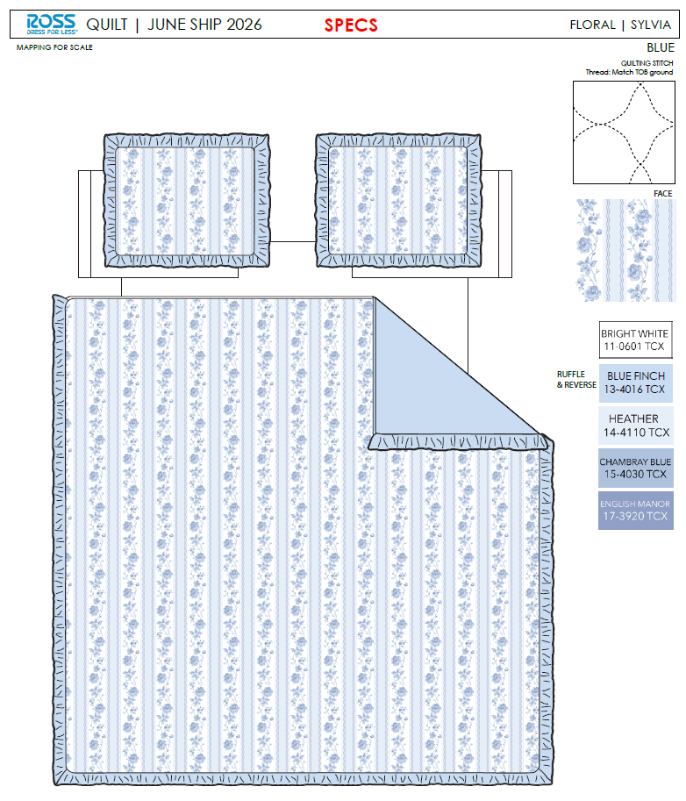 |  |  |  | QUILT | Sylvia | 100% Polyester 3pc Hanging Print Quilt | 3pc Hanging Print Quilt | Face: 85gsm microfiber disperse print Back: 85gsm microfiber solid. Filling：180gsm slick Poly Fill. With ruffle edge. | 100% Polyester | Full/Queen: 86x86"/20x26+2.5"(2) | Blue |  | RS14-8834 |  | Set | ¥66.00 | 7.80 | $8.46 | $8.46 |  | Normal | 44.0 | 41.0 | 25.0 | 5.00 | 2 | 0.045 | 2882 | 2250 | $0.78 | 9404.40.9022 | 32.80% | $2.77 | $12.02 | 0.00% | $0.00 | 0.00% | $0.00 | 0.00% | $0.00 | 0 | 0.00% | $0.00 | $0.00 | $12.02 | 16.62% | $14.41 | $14.41 | $29.99 | 51.95% | 51.95% | 700 | $8,410.82 | $10,087.00
 | 4 |  |  |  |  | QUILT | Sylvia | 100% Polyester 3pc Hanging Print Quilt | 3pc Hanging Print Quilt | Face: 85gsm microfiber disperse print Back: 85gsm microfiber solid. Filling：180gsm slick Poly Fill. With ruffle edge. | 100% Polyester | King: 102x86"/20x36+2.5"(2) | Blue |  | RS14-8835 |  | Set | ¥76.10 | 7.80 | $9.76 | $9.76 |  | Normal | 44.0 | 41.0 | 28.0 | 5.00 | 2 | 0.051 | 2574 | 2250 | $0.87 | 9404.40.9022 | 32.80% | $3.20 | $13.84 | 0.00% | $0.00 | 0.00% | $0.00 | 0.00% | $0.00 | 0 | 0.00% | $0.00 | $0.00 | $13.84 | 17.30% | $16.73 | $16.73 | $34.99 | 52.19% | 52.19% | 700 | $9,684.87 | $11,711.00
 | 11 | 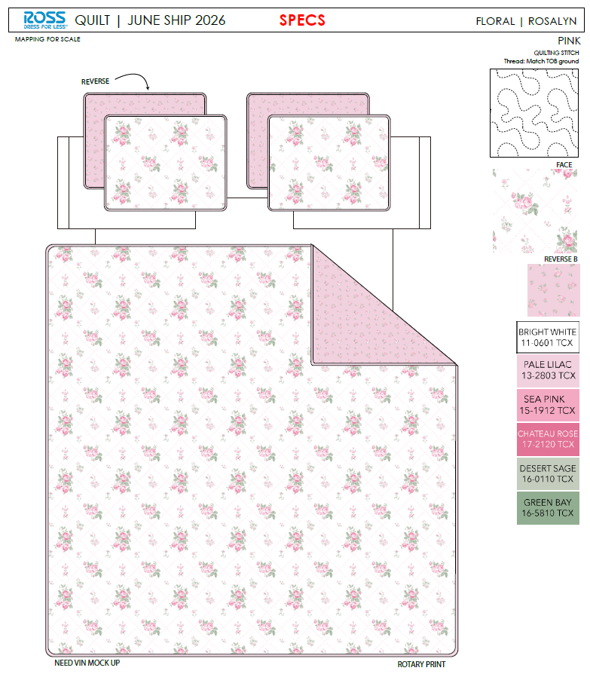 | 07AN5004P-B |  |  | QUILT | Rosalyn | 100% Polyester 3pc Hanging Print Quilt | 3pc Hanging Print Quilt | Face& Back: 85gsm microfiber disperse print. With ruffle edge. Filling：180gsm slick Poly Fill. | 100% Polyester | Full/Queen: 86x86"/20x26+2.5"(2) | Pink |  | RS14-8836 |  | Set | ¥67.20 | 7.80 | $8.62 | $8.62 |  | Normal | 44.0 | 41.0 | 25.0 | 5.00 | 2 | 0.045 | 2882 | 2250 | $0.78 | 9404.40.9022 | 32.80% | $2.83 | $12.23 | 0.00% | $0.00 | 0.00% | $0.00 | 0.00% | $0.00 | 0 | 0.00% | $0.00 | $0.00 | $12.23 | 15.14% | $14.41 | $14.41 | $29.99 | 51.95% | 51.95% | 700 | $8,559.56 | $10,087.00 | 11625480
 | 12 |  | 07AN5004P-B |  |  | QUILT | Rosalyn | 100% Polyester 3pc Hanging Print Quilt | 3pc Hanging Print Quilt | Face& Back: 85gsm microfiber disperse print. With ruffle edge. Filling：180gsm slick Poly Fill. | 100% Polyester | King: 102x86"/20x36+2.5"(2) | Pink |  | RS14-8837 |  | Set | ¥77.50 | 7.80 | $9.94 | $9.94 |  | Normal | 44.0 | 41.0 | 28.0 | 5.00 | 2 | 0.051 | 2574 | 2250 | $0.87 | 9404.40.9022 | 32.80% | $3.26 | $14.07 | 0.00% | $0.00 | 0.00% | $0.00 | 0.00% | $0.00 | 0 | 0.00% | $0.00 | $0.00 | $14.07 | 15.87% | $16.73 | $16.73 | $34.99 | 52.19% | 52.19% | 700 | $9,852.20 | $11,711.00
 | 13 | 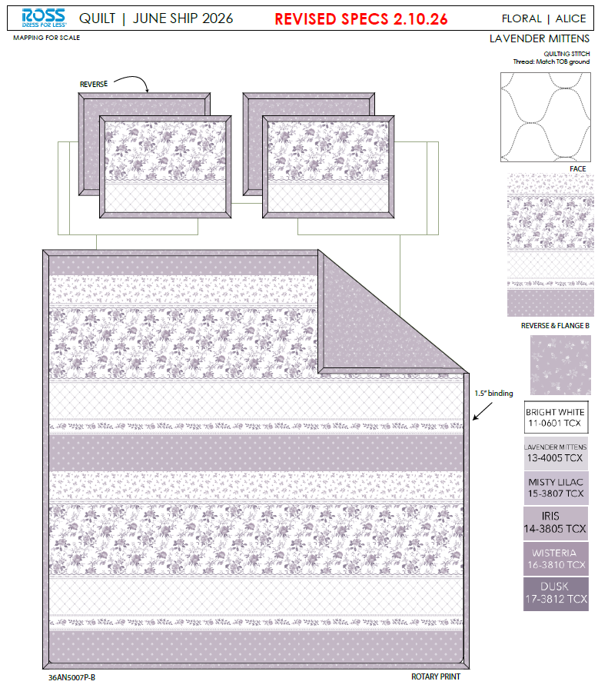 | 36AN5007P-B |  |  | QUILT | Alice | 100% Polyester 3pc Hanging Print Quilt | 3pc Hanging Print Quilt | Face& Back: 85gsm microfiber disperse print. With flange. Filling：180gsm slick Poly Fill. | 100% Polyester | Full/Queen: 86x86"/20x26+1.5"(2) | Lavender mittens |  | RS14-8838 |  | Set | ¥66.90 | 7.80 | $8.58 | $8.58 |  | Normal | 44.0 | 41.0 | 25.0 | 5.00 | 2 | 0.045 | 2882 | 2250 | $0.78 | 9404.40.9022 | 32.80% | $2.81 | $12.17 | 0.00% | $0.00 | 0.00% | $0.00 | 0.00% | $0.00 | 0 | 0.00% | $0.00 | $0.00 | $12.17 | 14.68% | $14.27 | $14.27 | $29.99 | 52.42% | 52.42% | 700 | $8,522.37 | $9,989.00
 | 14 |  | 36AN5007P-B |  |  | QUILT | Alice | 100% Polyester 3pc Hanging Print Quilt | 3pc Hanging Print Quilt | Face& Back: 85gsm microfiber disperse print. With flange. Filling：180gsm slick Poly Fill. | 100% Polyester | King: 102x86"/20x36+1.5"(2) | Lavender mittens |  | RS14-8839 |  | Set | ¥76.60 | 7.80 | $9.82 | $9.82 |  | Normal | 44.0 | 41.0 | 28.0 | 5.00 | 2 | 0.051 | 2574 | 2250 | $0.87 | 9404.40.9022 | 32.80% | $3.22 | $13.92 | 0.00% | $0.00 | 0.00% | $0.00 | 0.00% | $0.00 | 0 | 0.00% | $0.00 | $0.00 | $13.92 | 16.02% | $16.57 | $16.57 | $34.99 | 52.64% | 52.64% | 700 | $9,740.64 | $11,599.00
 | 16 | 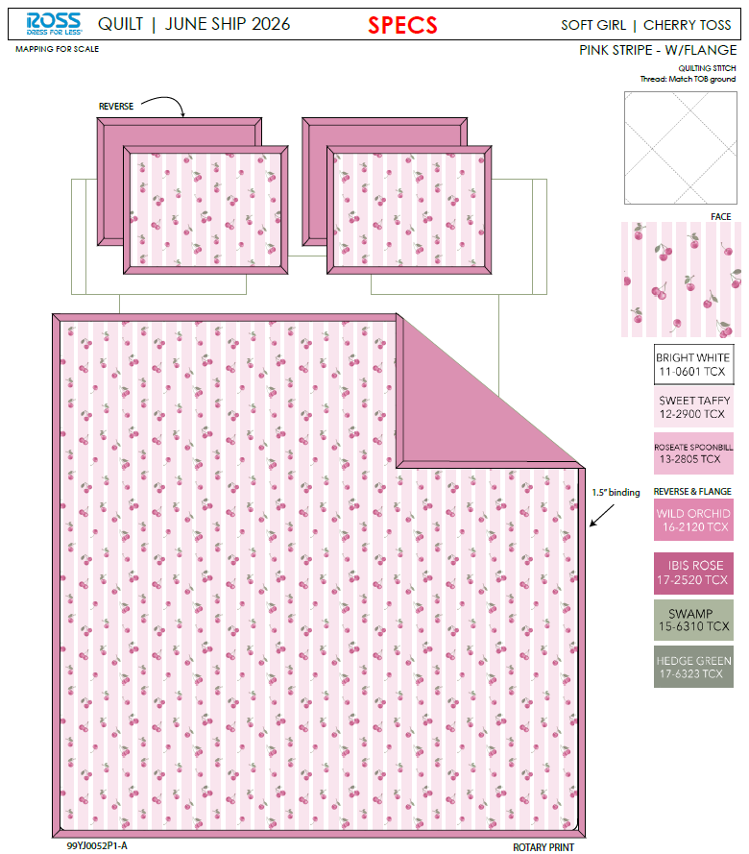 | 99YJ0052P1-A |  |  | QUILT | Cherry toss | 100% Polyester 3pc Hanging Print Quilt | 3pc Hanging Print Quilt | Face: 85gsm microfiber disperse print. Back: 85gsm microfiber solid. With flange. Filling：180gsm slick Poly Fill. | 100% Polyester | Twin: 66x86"/20x26+1.5"(1) | Pink |  | RS14-8840 |  | Set | ¥50.30 | 7.80 | $6.45 | $6.45 |  | Normal | 44.0 | 41.0 | 23.0 | 5.00 | 2 | 0.041 | 3133 | 2250 | $0.72 | 9404.40.9022 | 32.80% | $2.12 | $9.28 | 0.00% | $0.00 | 0.00% | $0.00 | 0.00% | $0.00 | 0 | 0.00% | $0.00 | $0.00 | $9.28 | 15.68% | $11.01 | $11.01 | $19.99 | 44.92% | 44.92% | 1000 | $9,283.73 | $11,010.00 | 11625566
 | 17 |  | 99YJ0052P1-A |  |  | QUILT | Cherry toss | 100% Polyester 3pc Hanging Print Quilt | 3pc Hanging Print Quilt | Face: 85gsm microfiber disperse print. Back: 85gsm microfiber solid. With flange. Filling：180gsm slick Poly Fill. | 100% Polyester | Full/Queen: 86x86"/20x26+1.5"(2) | Pink |  | RS14-8841 |  | Set | ¥65.70 | 7.80 | $8.42 | $8.42 |  | Normal | 44.0 | 41.0 | 25.0 | 5.00 | 2 | 0.045 | 2882 | 2250 | $0.78 | 9404.40.9022 | 32.80% | $2.76 | $11.96 | 0.00% | $0.00 | 0.00% | $0.00 | 0.00% | $0.00 | 0 | 0.00% | $0.00 | $0.00 | $11.96 | 16.17% | $14.27 | $14.27 | $29.99 | 52.42% | 52.42% | 500 | $5,981.17 | $7,135.00
 | 18 | 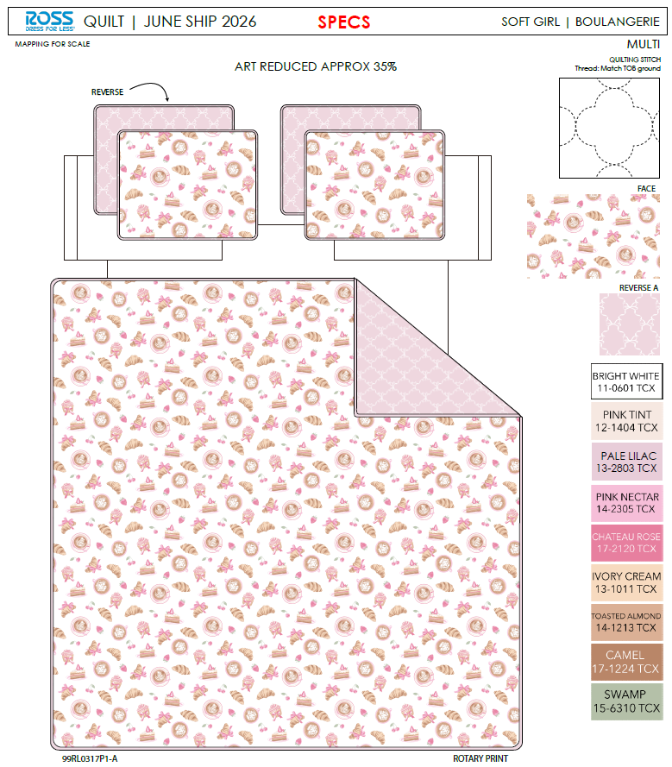 | 99RL0317P1-A |  |  | QUILT | Boulangerie | 100% Polyester 3pc Hanging Print Quilt | 3pc Hanging Print Quilt | Face& Back: 85gsm microfiber disperse print Filling：180gsm slick Poly Fill. | 100% Polyester | Twin: 66x86"/20x26+1/2"(1) | Multi |  | RS14-8842 |  | Set | ¥47.30 | 7.80 | $6.06 | $6.06 |  | Normal | 44.0 | 41.0 | 23.0 | 5.00 | 2 | 0.041 | 3133 | 2250 | $0.72 | 9404.40.9022 | 32.80% | $1.99 | $8.77 | 0.00% | $0.00 | 0.00% | $0.00 | 0.00% | $0.00 | 0 | 0.00% | $0.00 | $0.00 | $8.77 | 18.00% | $10.69 | $10.69 | $19.99 | 46.52% | 46.52% | 1000 | $8,765.81 | $10,690.00
 | 19 |  | 99RL0317P1-A |  |  | QUILT | Boulangerie | 100% Polyester 3pc Hanging Print Quilt | 3pc Hanging Print Quilt | Face& Back: 85gsm microfiber disperse print Filling：180gsm slick Poly Fill. | 100% Polyester | Full/Queen: 86x86"/20x26+1/2"(2) | Multi |  | RS14-8843 |  | Set | ¥60.70 | 7.80 | $7.78 | $7.78 |  | Normal | 44.0 | 41.0 | 25.0 | 5.00 | 2 | 0.045 | 2882 | 2250 | $0.78 | 9404.40.9022 | 32.80% | $2.55 | $11.11 | 0.00% | $0.00 | 0.00% | $0.00 | 0.00% | $0.00 | 0 | 0.00% | $0.00 | $0.00 | $11.11 | 19.77% | $13.85 | $13.85 | $29.99 | 53.82% | 53.82% | 500 | $5,556.21 | $6,925.00
 | 29 |  |  |  |  | QUILT | Atlas | 100% Polyester 3pc Hanging Print Quilt | 3pc Hanging Print Quilt | Face& Back: 85gsm microfiber disperse print Filling：180gsm slick Poly Fill. | 100% Polyester | Twin: 66x86"/20x26+1/2"(1) | Navy |  | RS14-8844 |  | Set | ¥47.30 | 7.80 | $6.06 | $6.06 |  | Normal | 44.0 | 41.0 | 23.0 | 5.00 | 2 | 0.041 | 3133 | 2250 | $0.72 | 9404.40.9022 | 32.80% | $1.99 | $8.77 | 0.00% | $0.00 | 0.00% | $0.00 | 0.00% | $0.00 | 0 | 0.00% | $0.00 | $0.00 | $8.77 | 18.00% | $10.69 | $10.69 | $19.99 | 46.52% | 46.52% | 750 | $6,574.36 | $8,017.50 | 11625626
 | 30 |  |  |  |  | QUILT | Sylvia | 100% Polyester 3pc Hanging Print Quilt | 3pc Hanging Print Quilt | Face: 85gsm microfiber disperse print Back: 85gsm microfiber solid. Filling：180gsm slick Poly Fill. With ruffle edge. | 100% Polyester | Twin: 66x86"/20x26+2.5"(1) | Blue |  | RS14-8845 |  | Set | ¥50.50 | 7.80 | $6.47 | $6.47 |  | Normal | 44.0 | 41.0 | 23.0 | 5.00 | 2 | 0.041 | 3133 | 2250 | $0.72 | 9404.40.9022 | 32.80% | $2.12 | $9.31 | 0.00% | $0.00 | 0.00% | $0.00 | 0.00% | $0.00 | 0 | 0.00% | $0.00 | $0.00 | $9.31 | 20.49% | $11.71 | $11.71 | $22.99 | 49.06% | 49.06% | 750 | $6,982.72 | $8,782.50
 | 31 |  |  |  |  | QUILT | Rosalyn | 100% Polyester 3pc Hanging Print Quilt | 3pc Hanging Print Quilt | Face& Back: 85gsm microfiber disperse print. With ruffle edge. Filling：180gsm slick Poly Fill. | 100% Polyester | Twin: 66x86"/20x26+2.5"(1) | Pink |  | RS14-8846 |  | Set | ¥51.50 | 7.80 | $6.60 | $6.60 |  | Normal | 44.0 | 41.0 | 23.0 | 5.00 | 2 | 0.041 | 3133 | 2250 | $0.72 | 9404.40.9022 | 32.80% | $2.16 | $9.48 | 0.00% | $0.00 | 0.00% | $0.00 | 0.00% | $0.00 | 0 | 0.00% | $0.00 | $0.00 | $9.48 | 19.02% | $11.71 | $11.71 | $22.99 | 49.06% | 49.06% | 750 | $7,112.20 | $8,782.50
 | 32 |  |  |  |  | QUILT | Alice | 100% Polyester 3pc Hanging Print Quilt | 3pc Hanging Print Quilt | Face& Back: 85gsm microfiber disperse print. With flange. Filling：180gsm slick Poly Fill. | 100% Polyester | Twin: 66x86"/20x26+1.5"(1) | Lavender mittens |  | RS14-8847 |  | Set | ¥51.30 | 7.80 | $6.58 | $6.58 |  | Normal | 44.0 | 41.0 | 23.0 | 5.00 | 2 | 0.041 | 3133 | 2250 | $0.72 | 9404.40.9022 | 32.80% | $2.16 | $9.46 | 0.00% | $0.00 | 0.00% | $0.00 | 0.00% | $0.00 | 0 | 0.00% | $0.00 | $0.00 | $9.46 | 14.11% | $11.01 | $11.01 | $19.99 | 44.92% | 44.92% | 750 | $7,092.28 | $8,257.50

