DI-rollout
JLA HOME Price Quote Sheet
Customer | Family Dollar | Division |  | BATH | VIN/Art No. |  |  |  |  |  |  |  |  |  |  |  |  |  |  |  |  |  |  |  |  |  |  |  |  |  |  |  |  |  | Super Big (>$1,000,000) | Big ($500,000~$1,000,000) | Medium ($150,000~$500,000) | Small ($0~$150,000) |  | Super Big (>$500,000) | Big ($250,000~$500,000) | Medium ($100,000~$250,000) | Small ($0~$100,000)
Brand |  | Program Size |  | Small: < 50K | Responsible Party |  |  |  |  |  |  |  |  |  |  |  |  |  |  |  |  |  |  |  |  |  |  |  |  |  |  |  |  |  | Non-Replenishment | Rollout/Replenishment | FOB CA Price Quote | FOB GA Price Quote | FOB CA/GA Price Quote | FOB POE Price Quote | FOB China Price Quote
Pattern | 8pk Solid washpack | Order Type |  | Rollout/Replenishment | Program Commit Date |  |  |  |  |  |  |  |  |  |  |  |  |  |  |  |  |  |  |  |  |  |  |  |  |  |  |  |  |  | Direct Import | Domestic: Port | Domestic: Warehouse | Drop-Ship |  | Yes | No
Customer Exclusive | No | Order Process |  | Direct Import | Program Update Date |  |  |  |  |  |  |  |  |  |  |  |  |  |  |  |  |  |  |  |  |  |  |  |  |  |  |  |  |  | Fashion Bedding | Youth Bedding | Basic Bedding | Blanket | Sheets/Towels | Bath | Window | Pets | Dec Pillow | Rug | Wall Art | Apparel | Fabric Bedding
China Production Team | Pak | Ship To Location |  | Customer DC | Est. Total Sales

Pattern | Item discription | Material | Weight | Size / Spec. |  | FOB Pak price |  | Freight |  |  |  |  |  |  |  | Duty |  |  | LDP Cost $ | Load(AD,DA, Agent fee, Commission, Storage...) |  |  |  | Total FOB load $ | FOB Cost with load $ | JLA FOB MU | JLA FOB Pak price quote | ELC from downselect | retail | mark up | QTY |  |  | Picture
 |  |  |  |  |  |  | Total units per carton | Master Carton size |  |  | Total units per carton | Cubic Meter/ per item | Total units per 40' Cnt | Freight cost per 40' | Freight cost per item $ | HS number | Duty rate | Duty cost per item$ |  | packaging | Shelf label fee | DA% | 4%ware house charges
 |  |  |  |  |  |  |  | L (cm) | W (cm) | H (cm) |  |  |  |  |  |  |  |  |  | 1.00% | 1.00% |  |  |  |  |  |  |  |  |  |  | total cost | total FOB price
$2,019.00
8 pcs soild dyed Popcorn | washcloth 8pc pack | 100% cotton towel 0.95 lb/dzn (391 GSM) | 391GSM | 12x12'' |  | $1.10 | $6.00 | 34 | 32 | 47 | $24.00 | 0.05 | 26880.00 | 3,400 |  | 6302.60.0020 | 9.1% | $0.13 | $1.23 | $0.01 | $0.01 | $0.00 |  | $0.02 | $1.12 | 21.1% | $1.42 | $1.771 | $5.00 | 64.58% | 311064 | $348,392 | $441,711
 |  | Assorted ITEM# |  | UPC#
 |  | FD90-181 |  | 086569299475
2 pcs printed & 6 pcs soild | washcloth 8pc pack | 100% cotton towel 0.95 lb/dzn (391 GSM) | 391GSM | 12x12'' |  | $1.30 | $6.00 | 34 | 32 | 47 | $24.00 | 0.05 | 26880.00 | 3,400 |  | 6302.60.0020 | 9.1% | $0.15 | $1.45 | $0.02 | $0.02 | $0.00 |  | $0.04 | $1.34 | 17.8% | $1.63 | $2.010 | $5.00 | 59.80% | 349896 | $468,861 | $570,330 | 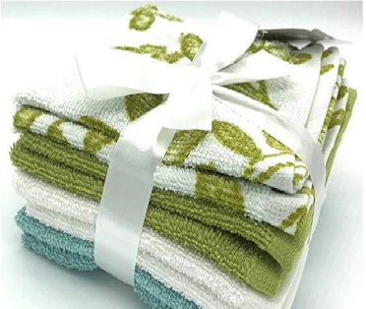
 |  | Assorted ITEM# |  | UPC# |  |  |  |  |  |  |  |  |  |  |  |  |  |  |  |  |  |  |  |  |  | 19.2% |  |  |  |  |  | $817,253 | $1,012,041
 |  | FD90-182 |  | 086569299468
Cost increase effective 10/20/2020 |  |  |  |  |  | FOB Pak price with 5% cost increase
8 pcs soild dyed Popcorn | washcloth 8pc pack | 100% cotton towel 0.95 lb/dzn (391 GSM) | 391GSM | 12x12'' |  | $1.16 | $6.00 | 34 | 32 | 47 | $24.00 | 0.05 | 26880.00 | 3,400 |  | 6302.60.0020 | 9.1% | $0.13 | $1.29 | $0.01 | $0.01 | $0.00 |  | $0.02 | $1.18 | 16.9% | $1.42 | $1.771 | $5.00 | 64.58% | 138432 | $163,350 | $196,573
2 pcs printed & 6 pcs soild | washcloth 8pc pack | 100% cotton towel 0.95 lb/dzn (391 GSM) | 391GSM | 12x12'' |  | $1.37 | $6.00 | 34 | 32 | 47 | $24.00 | 0.05 | 26880.00 | 3,400 |  | 6302.60.0020 | 9.1% | $0.15 | $1.52 | $0.02 | $0.02 | $0.00 |  | $0.04 | $1.41 | 13.5% | $1.63 | $2.010 | $5.00 | 59.80% | 167328 | $235,932 | $272,745
 |  |  |  |  |  |  |  |  |  |  |  |  |  |  |  |  |  |  |  |  |  |  |  |  |  | 14.9% |  |  |  |  |  | $399,282 | $469,318
4.22.2021 - cost increase 2% for outstanding May and June POs |  |  |  |  |  | FOB Pak Price 2% cost increase
8 pcs soild dyed Popcorn | washcloth 8pc pack | 100% cotton towel 0.95 lb/dzn (391 GSM) | 391GSM | 12x12'' |  | $1.18 | $6.00 | 34 | 32 | 47 | $24.00 | 0.05 | 26880.00 | 3,400 |  | 6302.60.0020 | 9.1% | $0.13 | $1.31 | $0.01 | $0.01 | $0.00 |  | $0.02 | $1.20 | 15.5% | $1.42 | $1.771 | $5.00 | 64.58% | 69696 | $83,635 | $98,968
2 pcs printed & 6 pcs soild | washcloth 8pc pack | 100% cotton towel 0.95 lb/dzn (391 GSM) | 391GSM | 12x12'' |  | $1.40 | $6.00 | 34 | 32 | 47 | $24.00 | 0.05 | 26880.00 | 3,400 |  | 6302.60.0020 | 9.1% | $0.15 | $1.55 | $0.02 | $0.02 | $0.00 |  | $0.04 | $1.44 | 11.7% | $1.63 | $2.010 | $5.00 | 59.80% | 101112 | $145,601 | $164,813
 |  |  |  |  |  |  |  |  |  |  |  |  |  |  |  |  |  |  |  |  |  |  |  |  |  | 13.1% |  |  |  |  |  | $229,236 | $263,781
4.22.2021 - cost increase 6% for Future orders 7/16/2021 -- extra charge for multi DC shipping 4/5/2022 -- Bari A in hand greige to ship deliveries till June |  |  |  |  |  | FOB Pak Price 6% cost increase FOB Pak Price $0.02 |  |  |  |  |  |  |  |  |  |  |  |  |  |  |  |  |  |  |  |  | 5% price increase
8 pcs soild dyed Popcorn | washcloth 8pc pack | 100% cotton towel 0.95 lb/dzn (391 GSM) | 391GSM | 12x12'' |  | $1.24 | $6.00 | 34 | 32 | 47 | $24.00 | 0.05 | 26880.00 | 3,400 |  | 6302.60.0020 | 9.1% | $0.14 | $1.38 | $0.01 | $0.01 | $0.00 |  | $0.02 | $1.26 | 15.4% | $1.49 | $1.771 | $5.00 | 64.58% | 231504 | $291,695 | $344,941
2 pcs printed & 6 pcs soild | washcloth 8pc pack | 100% cotton towel 0.95 lb/dzn (391 GSM) | 391GSM | 12x12'' |  | $1.47 | $6.00 | 34 | 32 | 47 | $24.00 | 0.05 | 26880.00 | 3,400 |  | 6302.60.0020 | 9.1% | $0.16 | $1.63 | $0.02 | $0.02 | $0.00 |  | $0.04 | $1.51 | 11.7% | $1.71 | $2.010 | $5.00 | 59.80% | 281904 | $425,675 | $482,056
 |  |  |  |  |  |  |  |  |  |  |  |  |  |  |  |  |  |  |  |  |  |  |  |  |  | 13.3% |  |  |  |  |  | $717,370 | $826,997
6/30/2023 print washpack update
2 pcs printed & 6 pcs soild | washcloth 8pc pack | 100% cotton towel print towel -- pigment print 0.95 lb/dzn (391 GSM) | 391GSM | 12x12'' |  | $1.47 | $6.00 | 34 | 32 | 47 | $24.00 | 0.05 | 26880.00 | 3,400 |  | 6302.60.0020 | 9.1% | $0.16 | $1.63 | $0.02 | $0.02 | $0.00 |  | $0.04 | $1.51 | 11.7% | $1.71 | $2.010 | $5.00 | 59.80% | 211428 | $319,256 | $361,542
2 pcs printed & 6 pcs soild | washcloth 8pc pack | 8pk Wash Cloth Set (2pcs pigment printed with solid dyed ground/2pcs white/4pcs solid) 0.95 lb/dzn (391 GSM) | 391GSM | 12x12'' |  | $1.52 | $6.00 | 34 | 32 | 47 | $24.00 | 0.05 | 26880.00 | 3,400 |  | 6302.60.0020 | 9.1% | $0.16 | $1.68 | $0.02 | $0.02 | $0.00 |  | $0.04 | $1.56 | 11.9% | $1.77 | $2.010 | $5.00 | 59.80% | 70476 | $109,943 | $124,743
 |  |  |  |  |  |  |  |  |  |  |  |  |  |  |  |  |  |  |  |  |  |  |  |  |  | 11.7% |  |  |  |  |  | $429,199 | $486,285
10/16/2023 print washpack update
2 pcs printed & 6 pcs soild | washcloth 8pc pack | 100% cotton towel print towel -- pigment print 0.95 lb/dzn (391 GSM) | 391GSM | 12x12'' |  | $1.49 | $6.00 | 34 | 32 | 47 | $24.00 | 0.05 | 26880.00 | 3,400 |  | 6302.60.0020 | 9.1% | $0.16 | $1.65 | $0.02 | $0.02 | $0.00 |  | $0.04 | $1.53 | 10.5% | $1.71 | $2.010 | $5.00 | 59.80% | 97392 | $149,010 | $166,540
2 pcs printed & 6 pcs soild | washcloth 8pc pack | 8pk Wash Cloth Set (2pcs pigment printed with solid dyed ground/2pcs white/4pcs solid) 0.95 lb/dzn (391 GSM) | 391GSM | 12x12'' |  | $1.54 | $6.00 | 34 | 32 | 47 | $24.00 | 0.05 | 26880.00 | 3,400 |  | 6302.60.0020 | 9.1% | $0.16 | $1.70 | $0.02 | $0.02 | $0.00 |  | $0.04 | $1.58 | 10.7% | $1.77 | $2.010 | $5.00 | 59.80% | 70476 | $111,352 | $124,743

20250410 update with with PK 10% tariff（original spec) |  |  |  |  |  |  |  |  |  |  |  |  |  |  |  |  | 10.0% |  |  |  |  |  |  |  |  |  |  | 12%
2 pcs printed & 6 pcs soild | washcloth 8pc pack | 100% cotton towel 2 pcs printed and 6 pcs soild 0.95 lb/dzn (391 GSM) | 391GSM | 12x12'' |  | $1.49 | $6.00 | 34 | 32 | 47 | $24.00 | 0.05 | 26880.00 | 3,400 |  | 6302.60.0020 | 19.1% | $0.33 | $1.82 | $0.02 | $0.02 | $0.00 |  | $0.04 | $1.53 | 10.5% | $1.71 | $2.259 | $5.00 | 54.82% | 97392 | $149,010 | $166,540
20250811 update quote with Pk 19% tariff (original spec) |  |  |  |  |  |  |  |  |  |  |  |  |  |  |  |  | 19% |  |  |  |  |  |  |  |  |  |  | 20%
2 pcs printed & 6 pcs soild | washcloth 8pc pack | 100% cotton towel 2 pcs printed and 6 pcs soild 0.95 lb/dzn (391 GSM) | 391GSM | 12x12'' |  | $1.49 | $6.00 | 34 | 32 | 47 | $24.00 | 0.05 | 26880.00 | 3,400 |  | 6302.60.0020 | 28.1% | $0.48 | $1.97 | $0.02 | $0.02 | $0.00 |  | $0.04 | $1.53 | 10.5% | $1.71 | $2.4132 | $5.00 | 51.74% | 97392 | $149,010 | $166,540
20250917 update quote with Pk 19% tariff (down spec option 1)--FD approved this option on 11/7--Make running change after factory consume 33376 units greige on hand |  |  |  |  |  |  |  |  |  |  |  |  |  |  |  |  | 19% |  |  |  |  |  |  |  |  |  | -3.6% | 16%
2 pcs printed & 6 pcs soild | washcloth 8pc pack | 8pk Wash Cloth Set (2pcs pigment printed/ 2pcs white / 4pcs solid) 0.90 lb/dzn372GSM | 372GSM | 12x12'' |  | $1.42 | $6.00 | 34 | 32 | 47 | $24.00 | 0.05 | 26880.00 | 3,400 |  | 6302.60.0020 | 28.1% | $0.46 | $1.88 | $0.02 | $0.02 | $0.00 |  | $0.04 | $1.46 | 11.5% | $1.65 | $2.3333 | $5.00 | 53.33% | 97392 | $142,192 | $160,697
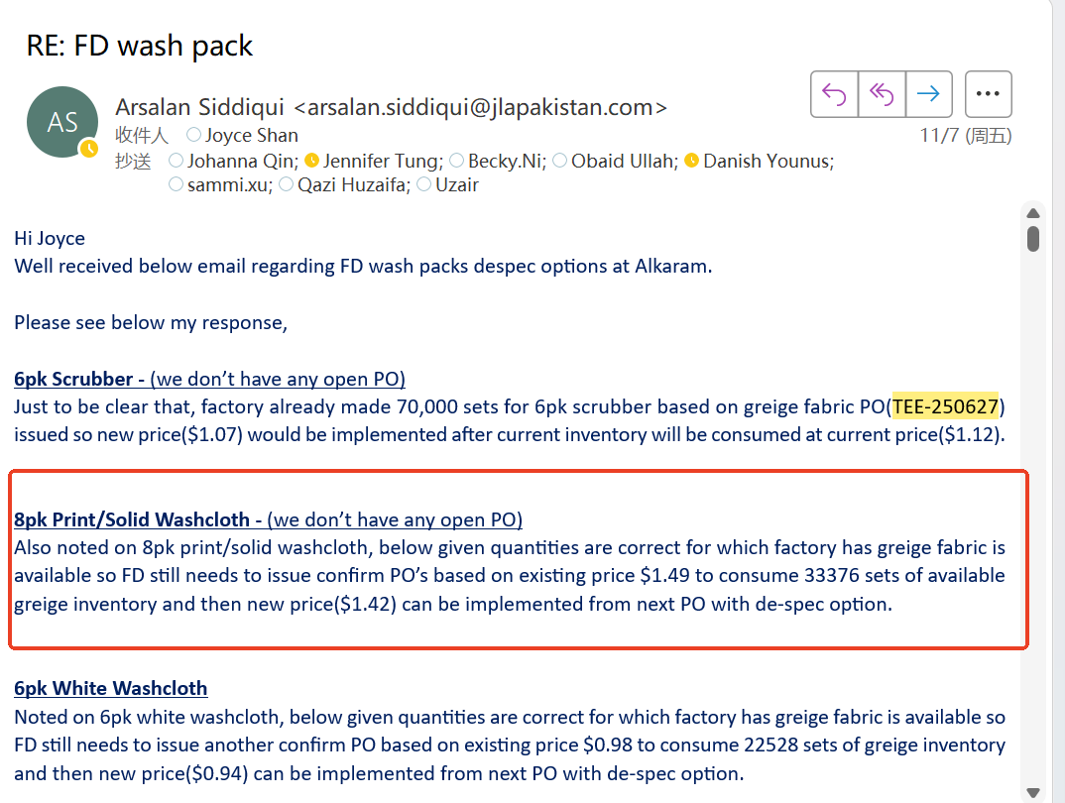
2025/11/7: Factory still has below greige fabric with original spec. They requested to make running change after running out below qty.

Solid | ITEM | UPC |  | Each assortment includes 4 inner packs. Each inner pack includes 6 bundles, that is 2 bundles for FD73-192 Aqua Splash UPC#032251545900, 1 bundle for FD73-193 Peony UPC#032251545917, 2 bundles for FD73-194 Smoked Pearl UPC#032251545924 and 1 bundle for FD73-195 Navy UPC#032251545931. 8pcs for each bundle and each bundle only in one color.
Aqua Splash | FD73-192 | 032251545900
Peony | FD73-193 | 032251545917
Smoked Pearl | FD73-194 | 032251545924
Navy | FD73-195 | 032251545931
Assort | FD90-181, SKU#2899971

Print (2019) |  |  |  | Each assortment includes 4 inner packs. Each inner pack includes 6 bundles, that is 1 bundle for FD73-196 Coco Dot UPC#032251545863, 1 bundle for FD73-197 Pink Dot UPC#032251545870, 2 bundles for FD73-198 Krista UPC#032251545887, 2 bundles for FD73-199 Zebra UPC#032251545894. 8pcs for each bundle and each bundle contains 2pcs print and 2pcs each for another 3 solid.
Coco Dot | FD73-196 | 032251545863 |  |  |  |  |  |  |  |  | Drop
Pink Dot | FD73-197 | 032251545870 |  |  |  |  |  |  |  |  | Drop
Krista | FD73-198 | 032251545887 |  |  |  |  |  |  |  |  | Keep
Zebra | FD73-199 | 032251545894 |  |  |  |  |  |  |  |  | Keep
Assort. | FD90-182, SKU#2899970

Print (2020) |  |  |  | Each assortment includes 4 inner packs. Each inner pack includes 6 bundles. 8pcs for each bundle and each bundle contains 2pcs print and 2pcs each for another 3 solid.
Leaf | FD73-256 | 086569455154
Leopard | FD73-257 | 086569455161
Pink/Purple floral | FD73-258 | 086569455178
Zebra | FD73-199 | 032251545894
Krista | FD73-198 | 032251545887 |  |  |  |  |  |  |  |  | Keep
Assort.

Print 2023, FD90-182 | Start from TEE-231123 (PO 15898923) |  |  | Each assortment includes 4 inner packs. Each inner pack includes 6 bundles, that is 1 bundle for Black Cheetah UPC#032251985980, 1 bundle for Purple Floral UPC#032251986000, 2 bundles for Red Floral UPC#032251985997, 2 bundles for Blue Leaves UPC#032251986017. 8pcs for each bundle and each bundle contains 2pcs print and 2pcs each for another 3 solid.
Black Cheetah |  | 032251985980
Red Floral |  | 032251985997
Purple Floral |  | 032251986000
Blue Leaves |  | 032251986017

