Item
Line No. | Photo | VIN/Art No. | Brand | Licensor | Product Category | Pattern | Item Description | Description-Short | Fabrication | Material-Short | Size/Spec. | Color | Item No. | UPC | Unit of Measure | China RMB Cost | Exchange Rate | FOB Cost $ (Formula) | FOB Cost $ (Value) | UCCPM Price | Package Type | Carton Size L (cm) | Carton Size W (cm) | Carton Size H (cm) | Carton Gross Weight (kg) | Case Pack | Cubic Meter per Carton | Total Units per 40ft Container | 40ft Container Freight | Ocean Freight per Item $ | HTS Code | Duty Rate | Duty per Item $ | LDP Cost $ | DA % | DA $ | General Load % | General Load $ | Warehouse Charge % | Warehouse Charge $ | Dropship Charge | Load 1 | Load 1 % | Load 1 $ | Total Load $ | LDP Cost with Load $ | JLA LDP MU% | JLA FOB CA/GA Price Quote (Formula) | JLA price with drop ship charges | Suggested Retail Price | Initial Markup | Initial Rollout Forecast
1 | 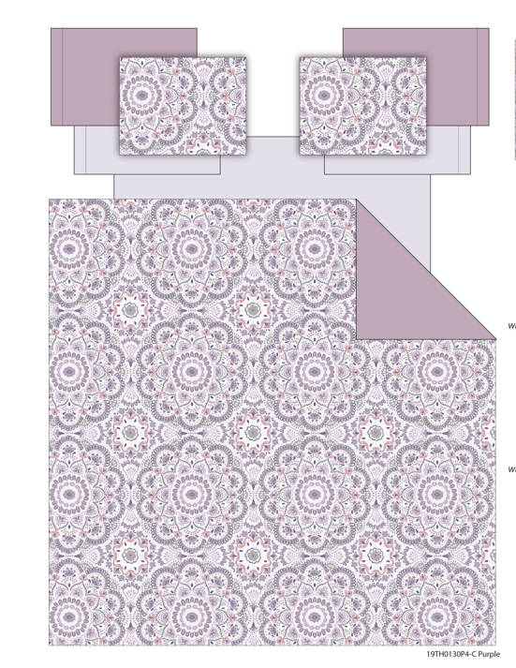 |  | Regency Heights |  | QUILT | Cara | 100% Polyester Printed Quilt Mini Set | Quilt Mini Set | 85gsm printed face, 85gsm Solid reverse, 120gsm poly fill. With Cloud quilting | 100% Polyester Microfiber, poly fill | Twin: 66x90"/20x26"(1) | Purple | RH14-0658 |  | Set | ￥51.50 | 7.85 | $6.56 | $6.56 |  | Compressed/Knocked Down | 42.0 | 32.0 | 37.0 | 5.50 | 3 | 0.050 | 3921 | $4,000.00 | $1.02 | 9404.40.9022 | 32.80% | $2.15 | $9.73 | 0.00% | $0.00 | 0.00% | $0.00 | 0.00% | $0.00 | $0.00 | $0.00 | 0.00% | $0.00 | $0.00 | $9.73 | 0.00% | $9.73 | $34.99 | $34.99 |  | 24
2 |  |  | Regency Heights |  | QUILT | Cara | 100% Polyester Printed Quilt Mini Set | Quilt Mini Set | 85gsm printed face, 85gsm Solid reverse, 120gsm poly fill. With Cloud quilting | 100% Polyester Microfiber, poly fill | Full/Queen: 90x90"/20x26"(2) | Purple | RH14-0659 |  | Set | ￥66.00 | 7.85 | $8.41 | $8.41 |  | Compressed/Knocked Down | 42.0 | 32.0 | 37.0 | 7.70 | 3 | 0.050 | 3921 | $4,000.00 | $1.02 | 9404.40.9022 | 32.80% | $2.76 | $12.19 | 0.00% | $0.00 | 0.00% | $0.00 | 0.00% | $0.00 | $0.00 | $0.00 | 0.00% | $0.00 | $0.00 | $12.19 | 0.00% | $12.19 | $39.99 | $39.99 |  | 93
3 |  |  | Regency Heights |  | QUILT | Cara | 100% Polyester Printed Quilt Mini Set | Quilt Mini Set | 85gsm printed face, 85gsm Solid reverse, 120gsm poly fill. With Cloud quilting | 100% Polyester Microfiber, poly fill | King: 104x90"/20x36"(2) | Purple | RH14-0660 |  | Set | ￥74.50 | 7.85 | $9.49 | $9.49 |  | Compressed/Knocked Down | 42.0 | 32.0 | 43.0 | 9.00 | 3 | 0.058 | 3374 | $4,000.00 | $1.19 | 9404.40.9022 | 32.80% | $3.11 | $13.79 | 0.00% | $0.00 | 0.00% | $0.00 | 0.00% | $0.00 | $0.00 | $0.00 | 0.00% | $0.00 | $0.00 | $13.79 | 0.00% | $13.79 | $44.99 | $44.99 |  | 84
1 | 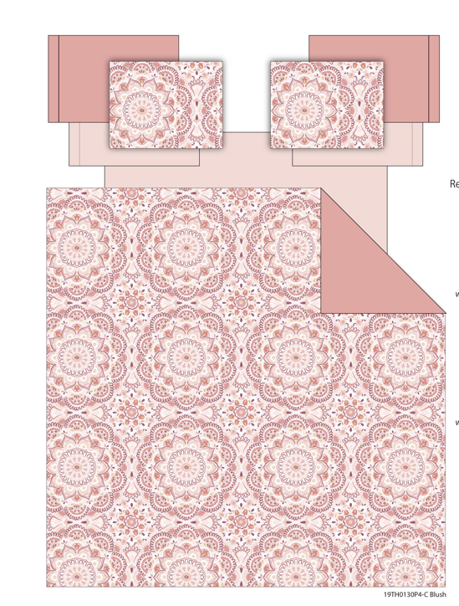 |  | Regency Heights |  | QUILT | Cara | 100% Polyester Printed Quilt Mini Set | Quilt Mini Set | 85gsm printed face, 85gsm Solid reverse, 120gsm poly fill. With Cloud quilting | 100% Polyester Microfiber, poly fill | Twin: 66x90"/20x26"(1) | Pink | RH14-0661 |  | Set | ￥51.50 | 7.85 | $6.56 | $6.56 |  | Compressed/Knocked Down | 42.0 | 32.0 | 37.0 | 5.50 | 3 | 0.050 | 3921 | $4,000.00 | $1.02 | 9404.40.9022 | 32.80% | $2.15 | $9.73 | 0.00% | $0.00 | 0.00% | $0.00 | 0.00% | $0.00 | $0.00 | $0.00 | 0.00% | $0.00 | $0.00 | $9.73 | 0.00% | $9.73 | $34.99 | $34.99 |  | 24
2 |  |  | Regency Heights |  | QUILT | Cara | 100% Polyester Printed Quilt Mini Set | Quilt Mini Set | 85gsm printed face, 85gsm Solid reverse, 120gsm poly fill. With Cloud quilting | 100% Polyester Microfiber, poly fill | Full/Queen: 90x90"/20x26"(2) | Pink | RH14-0662 |  | Set | ￥66.00 | 7.85 | $8.41 | $8.41 |  | Compressed/Knocked Down | 42.0 | 32.0 | 37.0 | 7.70 | 3 | 0.050 | 3921 | $4,000.00 | $1.02 | 9404.40.9022 | 32.80% | $2.76 | $12.19 | 0.00% | $0.00 | 0.00% | $0.00 | 0.00% | $0.00 | $0.00 | $0.00 | 0.00% | $0.00 | $0.00 | $12.19 | 0.00% | $12.19 | $39.99 | $39.99 |  | 93
3 |  |  | Regency Heights |  | QUILT | Cara | 100% Polyester Printed Quilt Mini Set | Quilt Mini Set | 85gsm printed face, 85gsm Solid reverse, 120gsm poly fill. With Cloud quilting | 100% Polyester Microfiber, poly fill | King: 104x90"/20x36"(2) | Pink | RH14-0663 |  | Set | ￥74.50 | 7.85 | $9.49 | $9.49 |  | Compressed/Knocked Down | 42.0 | 32.0 | 43.0 | 9.00 | 3 | 0.058 | 3374 | $4,000.00 | $1.19 | 9404.40.9022 | 32.80% | $3.11 | $13.79 | 0.00% | $0.00 | 0.00% | $0.00 | 0.00% | $0.00 | $0.00 | $0.00 | 0.00% | $0.00 | $0.00 | $13.79 | 0.00% | $13.79 | $44.99 | $44.99 |  | 84

