Item
Line No. | Photo | VIN/Art No. | Brand | Licensor | Product Category | Pattern | Item Description | Description-Short | Fabrication | Material-Short | Size/Spec. | Color | Customer Item# | Additional Customer Item# | Item No. | UPC | Unit of Measure | UCCPM Price / FOB Cost $ | Package Type | Packaging | Master Carton L (cm) | Master Carton W (cm) | Master Carton H (cm) | Carton Size L (cm) | Carton Size W (cm) | Carton Size H (cm) | Carton Gross Weight (kg) | Case Pack | Cubic Meter per Carton | Container Volume | Total Units per 40ft Container | 40ft Container Freight | Ocean Freight per Item $ | HTS Code | Duty Rate | Duty per Item $ | LDP Cost $ | DA % | DA $ | Royalty % | Royalty $ | Other Load | Other Load % | Other Load $ | Total Load $ | LDP Cost with Load $ | JLA LDP MU% | JLA POE Price | Suggested Retail Price | Retail Markup % | Additional Customer Price | MOQ | Total Cost | Total Sales | Retailer Selling Price Total | Master Carton CBM | Master Carton Weight (kg) | Remarks | Port | COO | Vendor
2 | 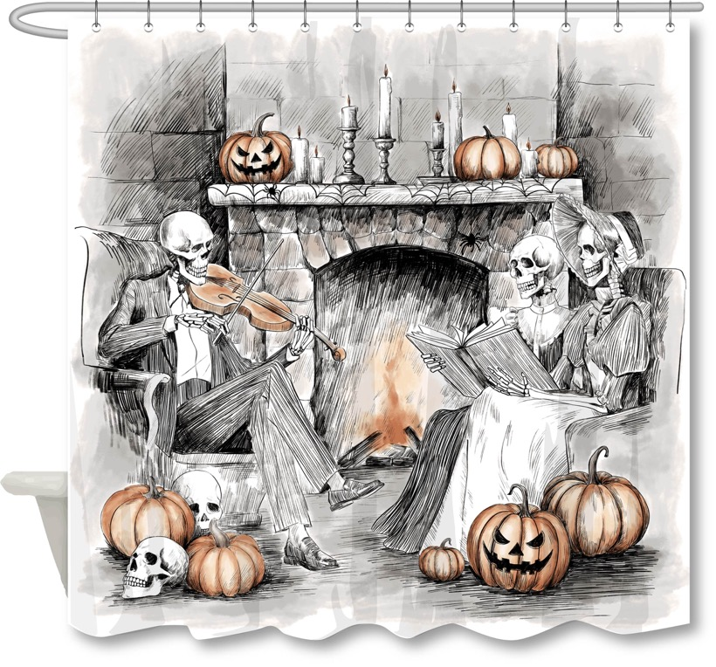 |  |  |  | Shower Curtain | SKELETON Scene | 100% Polyester SINGLE SC | SINGLE SC | 100% poly, 150gsm textured fabric, printed | 100% poly, 150gsm textured fabric, printed | 72x72" | BLACK |  |  | HG70-5156 |  | Piece | $3.01 | Normal | 3 pcs LP+1 pc TBH+1 pc TUM+1 pc SD+1pc CJ+1pc Tray+1 pc 2 ORG +1pc 3 ORG with tray+1pc TC+1pc WB+1pc BB+1pc Towel Bar+1pc Mirror+1pc Shampoo+1pc Conditioner+1pc Body Wash 17pcs混装入外箱--镜子和毛巾束入保利龙装一个内盒 | 34.0 | 28.5 | 16.0 | 34.0 | 28.5 | 16.0 | 5.00 | 4 | 0.016 | 63.00 | 16254 | 2,250 | $0.14 | 6303.92.2050 | 38.80% | $1.17 | $4.32 | 0.00% | $0.00 | 0.00% | $0.00 | $0.00 | 0.00% | $0.00 | $0.00 | $4.32 | 29.82% | $6.15 | $12.99 | 52.66% |  | 1500 | $6,474.46 | $9,225.00 | $19,485.00 | 5.81
6 | 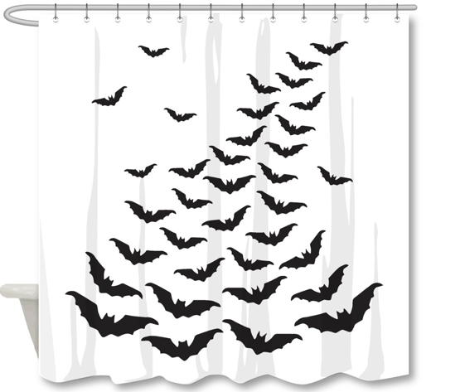 |  |  |  | Shower Curtain | Bat Family | 100% Polyester SINGLE SC | SINGLE SC | Material/Quality: 100% polyester,printed Weight:150 gsm | Material/Quality: 100% polyester,printed Weight:150 gsm | 72X72" | White |  |  | HG70-5157 |  | Piece | $3.01 | Normal | 7 pcs LP+1 pc TBH+1 pc TUM+1 pc SD+1pc CJ+1pc Tray+1 pc 2 ORG +1pc 3 ORG with tray+1pc TC+1pc WB+1pc BB+1pc Towel Bar+1pc Mirror+1pc Shampoo+1pc Conditioner+1pc Body Wash 17pcs混装入外箱--镜子和毛巾束入保利龙装一个内盒 | 33.0 | 29.0 | 23.0 | 33.0 | 29.0 | 23.0 | 5.00 | 4 | 0.022 | 63.00 | 11449 | 2,250 | $0.20 | 6303.92.2050 | 38.80% | $1.17 | $4.37 | 0.00% | $0.00 | 0.00% | $0.00 | $0.00 | 0.00% | $0.00 | $0.00 | $4.37 | 28.87% | $6.15 | $12.99 | 52.66% |  | 1500 | $6,561.61 | $9,225.00 | $19,485.00 | 8.25

