Item Master
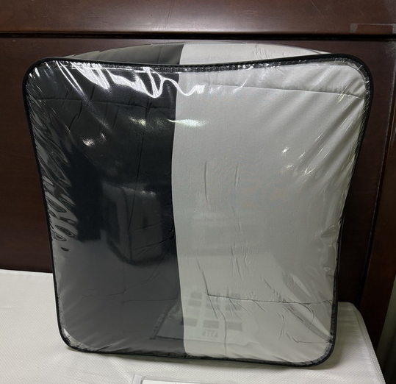
Line No. | Photo | VIN/Art No. | Brand | Licensor | Product Category | Pattern | Item Description | Description-Short | Fabrication | Material-Short | Size/Spec. | Color | Customer Item# | Item No. | UPC | Unit of Measure | China RMB Cost | Exchange Rate | FOB Cost $ (Formula) | FOB Cost $ (Value) | UCCPM Price | Package Type | Carton Size L (cm) | Carton Size W (cm) | Carton Size H (cm) | Carton Gross Weight (kg) | Case Pack | Cubic Meter per Carton | Total Units per 40ft Container | 40ft Container Freight | Ocean Freight per Item $ | HTS Code | Duty Rate | Duty per Item $ | LDP Cost $ | DA % | DA $ | General Load % | General Load $ | Warehouse Charge % | Warehouse Charge $ | Rebate/Co-op % | Rebate/Co-op $ | Load 1 | Load 1 % | Load 1 $ | Load 2 | Load 2 % | Load 2 $ | Load 3 | Load 3 % | Load 3 $ | Total Load $ | LDP Cost with Load $ | JLA LDP MU% | JLA POE Price Quote (Value) | Suggested Retail Price | Retail Markup % | Total Quantity | Total Cost | Total Sales
1 |  |  | Serta | Serta Sheep 5.5% | COMFORTER (SET) | Serta Sleep Chill Protecht 3pcs set | Prewashed MF with Protecht SFC 3pcs set | Serta Protecht 3pcs set | Comforter: 95gsm Prewash Solid microfiber+ Protecht SFC treatment; 12" Box quilted. 8Oz/Sq yd fiber Polyester filling (non-Bonded). Knife edge; Sham: 95gsm Prewash Solid microfiber+ Protecht SFC treatment, Knifed edge, overlap at back Packaging: Wired VZB + inserts | 100% polyester | 63x86"+20x28"(1) | Solid |  | SH10-1011 |  | Set |  | 7.95 | $0.00 | $7.88 |  | Normal | 53.0 | 53.0 | 30.0 |  | 2 | 0.084 | 1543 | 3300 | $2.14 | 9404.40.9022 | 32.80% | $2.58 | $12.60 | 1.00% | $0.16 |  | $0.00 |  | $0.00 |  | $0.00 | royalty | 5.50% | $0.86 |  |  | $0.00 |  |  | $0.00 | $1.02 | $13.62 | 13.22% | $15.70 | $29.99 | 47.65% |  | $0.00 | $0.00
2 |  |  | Serta | Serta Sheep 5.5% | COMFORTER (SET) | Serta Sleep Chill Protecht 3pcs set | Prewashed MF with Protecht SFC 3pcs set | Serta Protecht 3pcs set | Comforter: 95gsm Prewash Solid microfiber+ Protecht SFC treatment; 12" Box quilted. 8Oz/Sq yd fiber Polyester filling (non-Bonded). Knife edge; Sham: 95gsm Prewash Solid microfiber+ Protecht SFC treatment, Knifed edge, overlap at back Packaging: Wired VZB + inserts | 100% polyester | 90x90"+20x28"(2) | Solid |  | SH10-1012 |  | Set |  | 7.95 | $0.00 | $10.23 |  | Normal | 53.0 | 53.0 | 36.0 |  | 2 | 0.101 | 1286 | 3300 | $2.57 | 9404.40.9022 | 32.80% | $3.36 | $16.15 | 1.00% | $0.20 |  | $0.00 |  | $0.00 |  | $0.00 | royalty | 5.50% | $1.10 |  |  | $0.00 |  |  | $0.00 | $1.30 | $17.45 | 12.74% | $20.00 | $37.99 | 47.35% |  | $0.00 | $0.00
3 |  |  | Serta | Serta Sheep 5.5% | COMFORTER (SET) | Serta Sleep Chill Protecht 3pcs set | Prewashed MF with Protecht SFC 3pcs set | Serta Protecht 3pcs set | Comforter: 95gsm Prewash Solid microfiber+ Protecht SFC treatment; 12" Box quilted. 8Oz/Sq yd fiber Polyester filling (non-Bonded). Knife edge; Sham: 95gsm Prewash Solid microfiber+ Protecht SFC treatment, Knifed edge, overlap at back Packaging: Wired VZB + inserts | 100% polyester | 104x90"+20x36"(2) | Solid |  | SH10-1013 |  | Set |  | 7.95 | $0.00 | $11.41 |  | Normal | 53.0 | 53.0 | 39.5 |  | 2 | 0.111 | 1172 | 3300 | $2.82 | 9404.40.9022 | 32.80% | $3.74 | $17.97 | 1.00% | $0.22 |  | $0.00 |  | $0.00 |  | $0.00 | royalty | 5.50% | $1.22 |  |  | $0.00 |  |  | $0.00 | $1.45 | $19.42 | 12.74% | $22.25 | $42.99 | 48.24% |  | $0.00 | $0.00

