Item
Line No. | Photo | VIN/Art No. | Brand | Licensor | Product Category | Pattern | Item Description | Description-Short | Fabrication | Material-Short | Size/Spec. | Color | Item No. | UPC | Unit of Measure | China RMB Cost | Exchange Rate | FOB Cost $ (Formula) | FOB Cost $ (Value) | UCCPM Price | Package Type | Carton Size L (cm) | Carton Size W (cm) | Carton Size H (cm) | Carton Gross Weight (kg) | Case Pack | Cubic Meter per Carton | Total Units per 40ft Container | 40ft Container Freight | Ocean Freight per Item $ | HTS Code | Duty Rate | Duty per Item $ | LDP Cost $ | DA % | DA $ | General Load % | General Load $ | Warehouse Charge % | Warehouse Charge $ | Dropship Charge | Load 1 | Load 1 % | Load 1 $ | Total Load $ | LDP Cost with Load $ | JLA LDP MU% | JLA FOB CA/GA Price Quote (Formula) | JLA price with drop ship charges | Suggested Retail Price | Initial Markup | Initial Rollout Forecast
1 | 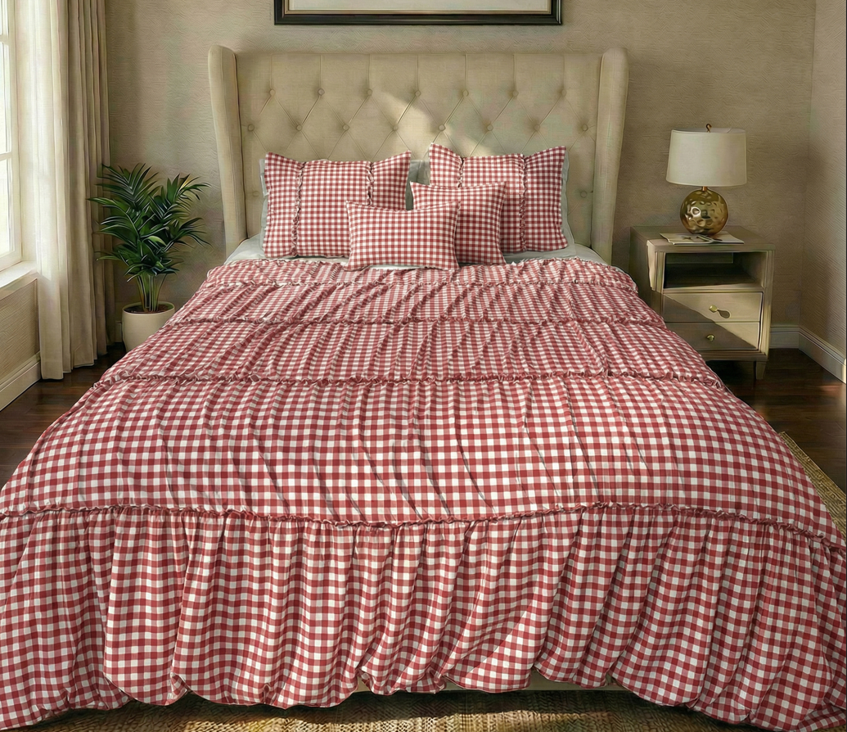 4/5-Piece: Mini Set + Pillow x 2 |  | Regency Heights |  | COMFORTER (SET) | Hazel | 100% Polyester Microfiber 4pcs Comforter Set | 4pcs Comforter Set | Comf/sham :100% polyester 85gsm Microfiber printed ruching and tape on face, 85gsm microfiber solid reverse, 200gsm poly fill. pillow: micro fiber cover with polyester filling | 100% polyester , poly filling | Twin/Twin XL:66"Wx90"L/20"Wx26"L/12x16"/16x16" | Red | RH10-0628 |  | Set | ￥78.80 | 7.85 | $10.04 | $10.04 |  | Compressed/Knocked Down | 42.0 | 32.0 | 57.0 | 12.00 | 3 | 0.077 | 2545 | $4,000.00 | $1.57 | 9404.40.9022 | 32.80% | $3.29 | $14.90 | 0.00% | $0.00 | 0.00% | $0.00 | 0.00% | $0.00 | $0.00 | $0.00 | 0.00% | $0.00 | $0.00 | $14.90 | 0.00% | $14.90 | $49.99 | $49.99 |  | 297
2 |  |  | Regency Heights |  | COMFORTER (SET) | Hazel | 100% Polyester Microfiber 5pcs Comforter Set | 5pcs Comforter Set | Comf/sham :100% polyester 85gsm Microfiber printed ruching and tape on face, 85gsm microfiber solid reverse, 200gsm poly fill. pillow: micro fiber cover with polyester filling | 100% polyester , poly filling | Full/Queen:90"Wx90"L/20"Wx26"L(2)/12x16"/16x16" | Red | RH10-0629 |  | Set | ￥98.30 | 7.85 | $12.52 | $12.52 |  | Compressed/Knocked Down | 42.0 | 32.0 | 57.0 | 14.60 | 3 | 0.077 | 2545 | $4,000.00 | $1.57 | 9404.40.9022 | 32.80% | $4.11 | $18.20 | 0.00% | $0.00 | 0.00% | $0.00 | 0.00% | $0.00 | $0.00 | $0.00 | 0.00% | $0.00 | $0.00 | $18.20 | 0.00% | $18.20 | $56.99 | $56.99 |  | 354
3 |  |  | Regency Heights |  | COMFORTER (SET) | Hazel | 100% Polyester Microfiber 5pcs Comforter Set | 5pcs Comforter Set | Comf/sham :100% polyester 85gsm Microfiber printed ruching and tape on face, 85gsm microfiber solid reverse, 200gsm poly fill. pillow: micro fiber cover with polyester filling | 100% polyester , poly filling | King/Cal King:104"Wx90"L/20"Wx36"L(2)/12x16"/16x16" | Red | RH10-0630 |  | Set | ￥109.10 | 7.85 | $13.90 | $13.90 |  | Compressed/Knocked Down | 42.0 | 32.0 | 57.0 | 16.20 | 3 | 0.077 | 2545 | $4,000.00 | $1.57 | 9404.40.9022 | 32.80% | $4.56 | $20.03 | 0.00% | $0.00 | 0.00% | $0.00 | 0.00% | $0.00 | $0.00 | $0.00 | 0.00% | $0.00 | $0.00 | $20.03 | 0.00% | $20.03 | $63.99 | $63.99 |  | 177
4 | 6/9-Piece: Mini Set + Sheet Set + Bonus Pillowcase(s) |  | Regency Heights |  | COMFORTER (SET) | Hazel | 100% Polyester Microfiber 6pcs Comforter Set-reversible | 6pcs Comforter set | Comf/sham :100% polyester 85gsm Microfiber printed on face, 85gsm microfiber printed reverse , 200gsm poly fill. Sheet set: 85gsm solid microfiber. Fitted sheet with 1 pocket on each side. Bonus Pillowcase: 85gsm microfiber face and reverse | 100% polyester , poly filling | Twin: 66x90"/20x26"/66x96"/39x75+12"/20x30"/20x30" | Red | RH10-0631 |  | Set | ￥75.50 | 7.85 | $9.62 | $9.62 |  | Compressed/Knocked Down | 42.0 | 32.0 | 57.0 | 12.10 | 3 | 0.077 | 2545 | $4,000.00 | $1.57 | 9404.40.9022 | 32.80% | $3.15 | $14.35 | 0.00% | $0.00 | 0.00% | $0.00 | 0.00% | $0.00 | $0.00 | $0.00 | 0.00% | $0.00 | $0.00 | $14.35 | 0.00% | $14.35 | $49.99 | $49.99 |  | 90
5 |  |  | Regency Heights |  | COMFORTER (SET) | Hazel | 100% Polyester Microfiber 9pcs Comforter Set-reversible | 9pcs Comforter set | Comf/sham :100% polyester 85gsm Microfiber printed on face, 85gsm microfiber printed reverse in reversible, 200gsm poly fill. Sheet set: 85gsm solid microfiber. Fitted sheet with 1 pocket on each side. Bonus Pillowcase: 85gsm microfiber face and reverse | 100% polyester , poly filling | Full: 80x90"/20x26"(2)/81x96"/54x75"+15"/20x30"(2)/20x30"(2) | Red | RH10-0632 |  | Set | ￥96.00 | 7.85 | $12.23 | $12.23 |  | Compressed/Knocked Down | 42.0 | 32.0 | 57.0 | 14.70 | 3 | 0.077 | 2545 | $4,000.00 | $1.57 | 9404.40.9022 | 32.80% | $4.01 | $17.81 | 0.00% | $0.00 | 0.00% | $0.00 | 0.00% | $0.00 | $0.00 | $0.00 | 0.00% | $0.00 | $0.00 | $17.81 | 0.00% | $17.81 | $59.99 | $59.99 |  | 108
6 |  |  | Regency Heights |  | COMFORTER (SET) | Hazel | 100% Polyester Microfiber 9pcs Comforter Set-reversible | 9pcs Comforter set | Comf/sham :100% polyester 85gsm Microfiber printed on face, 85gsm microfiber printed reverse in reversible, 200gsm poly fill. Sheet set: 85gsm solid microfiber. Fitted sheet with 1 pocket on each side. Bonus Pillowcase: 85gsm microfiber face and reverse | 100% polyester , poly filling | Queen: 90x90"/20x26"(2)/90x102"/60x80"+15"/20x30"(2)/20x30"(2) | Red | RH10-0633 |  | Set | ￥102.40 | 7.85 | $13.04 | $13.04 |  | Compressed/Knocked Down | 42.0 | 32.0 | 57.0 | 16.10 | 3 | 0.077 | 2545 | $4,000.00 | $1.57 | 9404.40.9022 | 32.80% | $4.28 | $18.89 | 0.00% | $0.00 | 0.00% | $0.00 | 0.00% | $0.00 | $0.00 | $0.00 | 0.00% | $0.00 | $0.00 | $18.89 | 0.00% | $18.89 | $59.99 | $59.99 |  | 315
7 |  |  | Regency Heights |  | COMFORTER (SET) | Hazel | 100% Polyester Microfiber 9pcs Comforter Set-reversible | 9pcs Comforter set | Comf/sham :100% polyester 85gsm Microfiber printed on face, 85gsm microfiber printed reverse in reversible, 200gsm poly fill. Sheet set: 85gsm solid microfiber. Fitted sheet with 1 pocket on each side. Bonus Pillowcase: 85gsm microfiber face and reverse | 100% polyester , poly filling | King: 104"Wx90"L/20"Wx36"L(2)/108"Wx102"L/78"Wx80"L+15"D/20"Wx40"L(2)/20"Wx40"L(2) | Red | RH10-0634 |  | Set | ￥118.00 | 7.85 | $15.03 | $15.03 |  | Compressed/Knocked Down | 42.0 | 32.0 | 57.0 | 18.40 | 3 | 0.077 | 2545 | $4,000.00 | $1.57 | 9404.40.9022 | 32.80% | $4.93 | $21.53 | 0.00% | $0.00 | 0.00% | $0.00 | 0.00% | $0.00 | $0.00 | $0.00 | 0.00% | $0.00 | $0.00 | $21.53 | 0.00% | $21.53 | $69.99 | $69.99 |  | 261
8 | 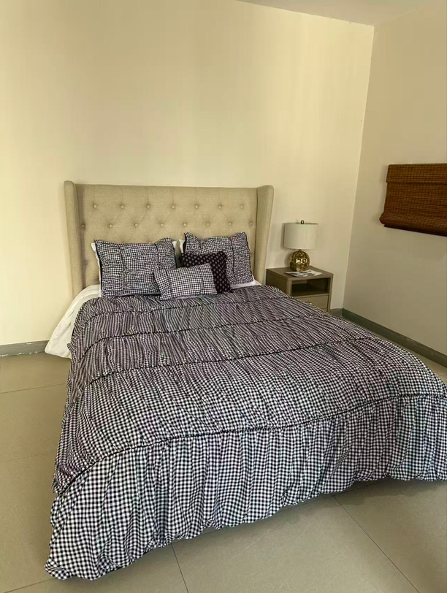 4/5-Piece: Mini Set + Pillow x 2 |  | Regency Heights |  | COMFORTER (SET) | Hazel | 100% Polyester Microfiber 4pcs Comforter Set | 4pcs Comforter Set | Comf/sham :100% polyester 85gsm Microfiber printed ruching and tape on face, 85gsm microfiber solid reverse, 200gsm poly fill. pillow: micro fiber cover with polyester filling | 100% polyester , poly filling | Twin/Twin XL:66"Wx90"L/20"Wx26"L/12x16"/16x16" | Black | RH10-0635 |  | Set | ￥78.80 | 7.85 | $10.04 | $10.04 |  | Compressed/Knocked Down | 42.0 | 32.0 | 57.0 | 12.00 | 3 | 0.077 | 2545 | $4,000.00 | $1.57 | 9404.40.9022 | 32.80% | $3.29 | $14.90 | 0.00% | $0.00 | 0.00% | $0.00 | 0.00% | $0.00 | $0.00 | $0.00 | 0.00% | $0.00 | $0.00 | $14.90 | 0.00% | $14.90 | $49.99 | $49.99 |  | 303
9 |  |  | Regency Heights |  | COMFORTER (SET) | Hazel | 100% Polyester Microfiber 5pcs Comforter Set | 5pcs Comforter Set | Comf/sham :100% polyester 85gsm Microfiber printed ruching and tape on face, 85gsm microfiber solid reverse, 200gsm poly fill. pillow: micro fiber cover with polyester filling | 100% polyester , poly filling | Full/Queen:90"Wx90"L/20"Wx26"L(2)/12x16"/16x16" | Black | RH10-0636 |  | Set | ￥98.30 | 7.85 | $12.52 | $12.52 |  | Compressed/Knocked Down | 42.0 | 32.0 | 57.0 | 14.60 | 3 | 0.077 | 2545 | $4,000.00 | $1.57 | 9404.40.9022 | 32.80% | $4.11 | $18.20 | 0.00% | $0.00 | 0.00% | $0.00 | 0.00% | $0.00 | $0.00 | $0.00 | 0.00% | $0.00 | $0.00 | $18.20 | 0.00% | $18.20 | $56.99 | $56.99 |  | 384
10 |  |  | Regency Heights |  | COMFORTER (SET) | Hazel | 100% Polyester Microfiber 5pcs Comforter Set | 5pcs Comforter Set | Comf/sham :100% polyester 85gsm Microfiber printed ruching and tape on face, 85gsm microfiber solid reverse, 200gsm poly fill. pillow: micro fiber cover with polyester filling | 100% polyester , poly filling | King/Cal King:104"Wx90"L/20"Wx36"L(2)/12x16"/16x16" | Black | RH10-0637 |  | Set | ￥109.10 | 7.85 | $13.90 | $13.90 |  | Compressed/Knocked Down | 42.0 | 32.0 | 57.0 | 16.20 | 3 | 0.077 | 2545 | $4,000.00 | $1.57 | 9404.40.9022 | 32.80% | $4.56 | $20.03 | 0.00% | $0.00 | 0.00% | $0.00 | 0.00% | $0.00 | $0.00 | $0.00 | 0.00% | $0.00 | $0.00 | $20.03 | 0.00% | $20.03 | $63.99 | $63.99 |  | 189
11 | 6/9-Piece: Mini Set + Sheet Set + Bonus Pillowcase(s) |  | Regency Heights |  | COMFORTER (SET) | Hazel | 100% Polyester Microfiber 6pcs Comforter Set-reversible | 6pcs Comforter set | Comf/sham :100% polyester 85gsm Microfiber printed on face, 85gsm microfiber printed reverse , 200gsm poly fill. Sheet set: 85gsm solid microfiber. Fitted sheet with 1 pocket on each side. Bonus Pillowcase: 85gsm microfiber face and reverse | 100% polyester , poly filling | Twin: 66x90"/20x26"/66x96"/39x75+12"/20x30"/20x30" | Black | RH10-0638 |  | Set | ￥75.50 | 7.85 | $9.62 | $9.62 |  | Compressed/Knocked Down | 42.0 | 32.0 | 57.0 | 12.10 | 3 | 0.077 | 2545 | $4,000.00 | $1.57 | 9404.40.9022 | 32.80% | $3.15 | $14.35 | 0.00% | $0.00 | 0.00% | $0.00 | 0.00% | $0.00 | $0.00 | $0.00 | 0.00% | $0.00 | $0.00 | $14.35 | 0.00% | $14.35 | $49.99 | $49.99 |  | 90
12 |  |  | Regency Heights |  | COMFORTER (SET) | Hazel | 100% Polyester Microfiber 9pcs Comforter Set-reversible | 9pcs Comforter set | Comf/sham :100% polyester 85gsm Microfiber printed on face, 85gsm microfiber printed reverse in reversible, 200gsm poly fill. Sheet set: 85gsm solid microfiber. Fitted sheet with 1 pocket on each side. Bonus Pillowcase: 85gsm microfiber face and reverse | 100% polyester , poly filling | Full: 80x90"/20x26"(2)/81x96"/54x75"+15"/20x30"(2)/20x30"(2) | Black | RH10-0639 |  | Set | ￥96.00 | 7.85 | $12.23 | $12.23 |  | Compressed/Knocked Down | 42.0 | 32.0 | 57.0 | 14.70 | 3 | 0.077 | 2545 | $4,000.00 | $1.57 | 9404.40.9022 | 32.80% | $4.01 | $17.81 | 0.00% | $0.00 | 0.00% | $0.00 | 0.00% | $0.00 | $0.00 | $0.00 | 0.00% | $0.00 | $0.00 | $17.81 | 0.00% | $17.81 | $59.99 | $59.99 |  | 108
13 |  |  | Regency Heights |  | COMFORTER (SET) | Hazel | 100% Polyester Microfiber 9pcs Comforter Set-reversible | 9pcs Comforter set | Comf/sham :100% polyester 85gsm Microfiber printed on face, 85gsm microfiber printed reverse in reversible, 200gsm poly fill. Sheet set: 85gsm solid microfiber. Fitted sheet with 1 pocket on each side. Bonus Pillowcase: 85gsm microfiber face and reverse | 100% polyester , poly filling | Queen: 90x90"/20x26"(2)/90x102"/60x80"+15"/20x30"(2)/20x30"(2) | Black | RH10-0640 |  | Set | ￥102.40 | 7.85 | $13.04 | $13.04 |  | Compressed/Knocked Down | 42.0 | 32.0 | 57.0 | 16.10 | 3 | 0.077 | 2545 | $4,000.00 | $1.57 | 9404.40.9022 | 32.80% | $4.28 | $18.89 | 0.00% | $0.00 | 0.00% | $0.00 | 0.00% | $0.00 | $0.00 | $0.00 | 0.00% | $0.00 | $0.00 | $18.89 | 0.00% | $18.89 | $59.99 | $59.99 |  | 348
14 |  |  | Regency Heights |  | COMFORTER (SET) | Hazel | 100% Polyester Microfiber 9pcs Comforter Set-reversible | 9pcs Comforter set | Comf/sham :100% polyester 85gsm Microfiber printed on face, 85gsm microfiber printed reverse in reversible, 200gsm poly fill. Sheet set: 85gsm solid microfiber. Fitted sheet with 1 pocket on each side. Bonus Pillowcase: 85gsm microfiber face and reverse | 100% polyester , poly filling | King: 104"Wx90"L/20"Wx36"L(2)/108"Wx102"L/78"Wx80"L+15"D/20"Wx40"L(2)/20"Wx40"L(2) | Black | RH10-0641 |  | Set | ￥118.00 | 7.85 | $15.03 | $15.03 |  | Compressed/Knocked Down | 42.0 | 32.0 | 57.0 | 18.40 | 3 | 0.077 | 2545 | $4,000.00 | $1.57 | 9404.40.9022 | 32.80% | $4.93 | $21.53 | 0.00% | $0.00 | 0.00% | $0.00 | 0.00% | $0.00 | $0.00 | $0.00 | 0.00% | $0.00 | $0.00 | $21.53 | 0.00% | $21.53 | $69.99 | $69.99 |  | 294
8 | 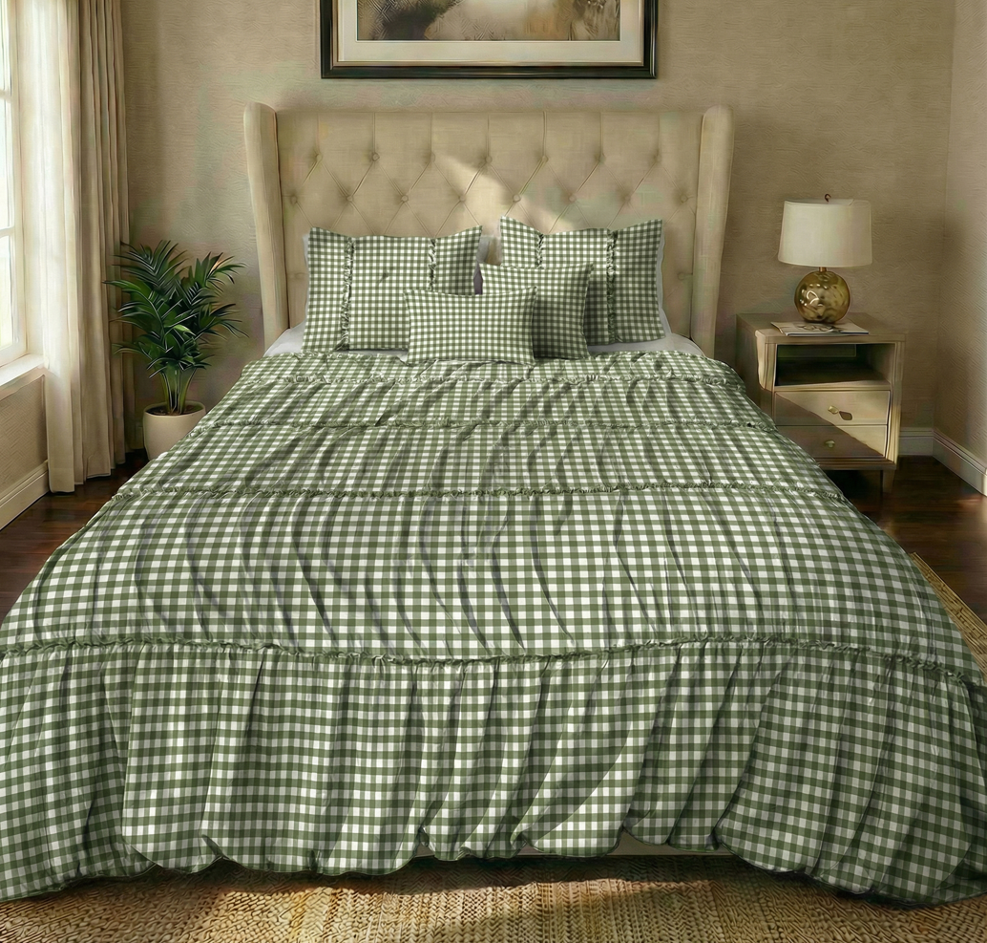 4/5-Piece: Mini Set + Pillow x 2 |  | Regency Heights |  | COMFORTER (SET) | Hazel | 100% Polyester Microfiber 4pcs Comforter Set | 4pcs Comforter Set | Comf/sham :100% polyester 85gsm Microfiber printed ruching and tape on face, 85gsm microfiber solid reverse, 200gsm poly fill. pillow: micro fiber cover with polyester filling | 100% polyester , poly filling | Twin/Twin XL:66"Wx90"L/20"Wx26"L/12x16"/16x16" | Green | RH10-0642 |  | Set | ￥78.80 | 7.85 | $10.04 | $10.04 |  | Compressed/Knocked Down | 42.0 | 32.0 | 57.0 | 12.00 | 3 | 0.077 | 2545 | $4,000.00 | $1.57 | 9404.40.9022 | 32.80% | $3.29 | $14.90 | 0.00% | $0.00 | 0.00% | $0.00 | 0.00% | $0.00 | $0.00 | $0.00 | 0.00% | $0.00 | $0.00 | $14.90 | 0.00% | $14.90 | $49.99 | $49.99 |  | 297
9 |  |  | Regency Heights |  | COMFORTER (SET) | Hazel | 100% Polyester Microfiber 5pcs Comforter Set | 5pcs Comforter Set | Comf/sham :100% polyester 85gsm Microfiber printed ruching and tape on face, 85gsm microfiber solid reverse, 200gsm poly fill. pillow: micro fiber cover with polyester filling | 100% polyester , poly filling | Full/Queen:90"Wx90"L/20"Wx26"L(2)/12x16"/16x16" | Green | RH10-0643 |  | Set | ￥98.30 | 7.85 | $12.52 | $12.52 |  | Compressed/Knocked Down | 42.0 | 32.0 | 57.0 | 14.60 | 3 | 0.077 | 2545 | $4,000.00 | $1.57 | 9404.40.9022 | 32.80% | $4.11 | $18.20 | 0.00% | $0.00 | 0.00% | $0.00 | 0.00% | $0.00 | $0.00 | $0.00 | 0.00% | $0.00 | $0.00 | $18.20 | 0.00% | $18.20 | $56.99 | $56.99 |  | 354
10 |  |  | Regency Heights |  | COMFORTER (SET) | Hazel | 100% Polyester Microfiber 5pcs Comforter Set | 5pcs Comforter Set | Comf/sham :100% polyester 85gsm Microfiber printed ruching and tape on face, 85gsm microfiber solid reverse, 200gsm poly fill. pillow: micro fiber cover with polyester filling | 100% polyester , poly filling | King/Cal King:104"Wx90"L/20"Wx36"L(2)/12x16"/16x16" | Green | RH10-0644 |  | Set | ￥109.10 | 7.85 | $13.90 | $13.90 |  | Compressed/Knocked Down | 42.0 | 32.0 | 57.0 | 16.20 | 3 | 0.077 | 2545 | $4,000.00 | $1.57 | 9404.40.9022 | 32.80% | $4.56 | $20.03 | 0.00% | $0.00 | 0.00% | $0.00 | 0.00% | $0.00 | $0.00 | $0.00 | 0.00% | $0.00 | $0.00 | $20.03 | 0.00% | $20.03 | $63.99 | $63.99 |  | 177
11 | 6/9-Piece: Mini Set + Sheet Set + Bonus Pillowcase(s) |  | Regency Heights |  | COMFORTER (SET) | Hazel | 100% Polyester Microfiber 6pcs Comforter Set-reversible | 6pcs Comforter set | Comf/sham :100% polyester 85gsm Microfiber printed on face, 85gsm microfiber printed reverse , 200gsm poly fill. Sheet set: 85gsm solid microfiber. Fitted sheet with 1 pocket on each side. Bonus Pillowcase: 85gsm microfiber face and reverse | 100% polyester , poly filling | Twin: 66x90"/20x26"/66x96"/39x75+12"/20x30"/20x30" | Green | RH10-0645 |  | Set | ￥75.50 | 7.85 | $9.62 | $9.62 |  | Compressed/Knocked Down | 42.0 | 32.0 | 57.0 | 12.10 | 3 | 0.077 | 2545 | $4,000.00 | $1.57 | 9404.40.9022 | 32.80% | $3.15 | $14.35 | 0.00% | $0.00 | 0.00% | $0.00 | 0.00% | $0.00 | $0.00 | $0.00 | 0.00% | $0.00 | $0.00 | $14.35 | 0.00% | $14.35 | $49.99 | $49.99 |  | 90
12 |  |  | Regency Heights |  | COMFORTER (SET) | Hazel | 100% Polyester Microfiber 9pcs Comforter Set-reversible | 9pcs Comforter set | Comf/sham :100% polyester 85gsm Microfiber printed on face, 85gsm microfiber printed reverse in reversible, 200gsm poly fill. Sheet set: 85gsm solid microfiber. Fitted sheet with 1 pocket on each side. Bonus Pillowcase: 85gsm microfiber face and reverse | 100% polyester , poly filling | Full: 80x90"/20x26"(2)/81x96"/54x75"+15"/20x30"(2)/20x30"(2) | Green | RH10-0646 |  | Set | ￥96.00 | 7.85 | $12.23 | $12.23 |  | Compressed/Knocked Down | 42.0 | 32.0 | 57.0 | 14.70 | 3 | 0.077 | 2545 | $4,000.00 | $1.57 | 9404.40.9022 | 32.80% | $4.01 | $17.81 | 0.00% | $0.00 | 0.00% | $0.00 | 0.00% | $0.00 | $0.00 | $0.00 | 0.00% | $0.00 | $0.00 | $17.81 | 0.00% | $17.81 | $59.99 | $59.99 |  | 108
13 |  |  | Regency Heights |  | COMFORTER (SET) | Hazel | 100% Polyester Microfiber 9pcs Comforter Set-reversible | 9pcs Comforter set | Comf/sham :100% polyester 85gsm Microfiber printed on face, 85gsm microfiber printed reverse in reversible, 200gsm poly fill. Sheet set: 85gsm solid microfiber. Fitted sheet with 1 pocket on each side. Bonus Pillowcase: 85gsm microfiber face and reverse | 100% polyester , poly filling | Queen: 90x90"/20x26"(2)/90x102"/60x80"+15"/20x30"(2)/20x30"(2) | Green | RH10-0647 |  | Set | ￥102.40 | 7.85 | $13.04 | $13.04 |  | Compressed/Knocked Down | 42.0 | 32.0 | 57.0 | 16.10 | 3 | 0.077 | 2545 | $4,000.00 | $1.57 | 9404.40.9022 | 32.80% | $4.28 | $18.89 | 0.00% | $0.00 | 0.00% | $0.00 | 0.00% | $0.00 | $0.00 | $0.00 | 0.00% | $0.00 | $0.00 | $18.89 | 0.00% | $18.89 | $59.99 | $59.99 |  | 315
14 |  |  | Regency Heights |  | COMFORTER (SET) | Hazel | 100% Polyester Microfiber 9pcs Comforter Set-reversible | 9pcs Comforter set | Comf/sham :100% polyester 85gsm Microfiber printed on face, 85gsm microfiber printed reverse in reversible, 200gsm poly fill. Sheet set: 85gsm solid microfiber. Fitted sheet with 1 pocket on each side. Bonus Pillowcase: 85gsm microfiber face and reverse | 100% polyester , poly filling | King: 104"Wx90"L/20"Wx36"L(2)/108"Wx102"L/78"Wx80"L+15"D/20"Wx40"L(2)/20"Wx40"L(2) | Green | RH10-0648 |  | Set | ￥118.00 | 7.85 | $15.03 | $15.03 |  | Compressed/Knocked Down | 42.0 | 32.0 | 57.0 | 18.40 | 3 | 0.077 | 2545 | $4,000.00 | $1.57 | 9404.40.9022 | 32.80% | $4.93 | $21.53 | 0.00% | $0.00 | 0.00% | $0.00 | 0.00% | $0.00 | $0.00 | $0.00 | 0.00% | $0.00 | $0.00 | $21.53 | 0.00% | $21.53 | $69.99 | $69.99 |  | 261

