Item
Line No. | Photo | VIN/Art No. | Brand | Licensor | Product Category | Pattern | Item Description | Description-Short | Fabrication | Material-Short | Size/Spec. | Color | Item No. | UPC | Unit of Measure | China RMB Cost | Exchange Rate | FOB Cost $ (Formula) | FOB Cost $ (Value) | UCCPM Price | Package Type | Carton Size L (cm) | Carton Size W (cm) | Carton Size H (cm) | Carton Gross Weight (kg) | Case Pack | Cubic Meter per Carton | Total Units per 40ft Container | 40ft Container Freight | Ocean Freight per Item $ | HTS Code | Duty Rate | Duty per Item $ | LDP Cost $ | DA % | DA $ | General Load % | General Load $ | Warehouse Charge % | Warehouse Charge $ | Dropship Charge | Load 1 | Load 1 % | Load 1 $ | Total Load $ | LDP Cost with Load $ | JLA LDP MU% | JLA FOB CA/GA Price Quote (Formula) | JLA price with drop ship charges | Suggested Retail Price | Initial Markup | Initial Rollout Forecast
1 | 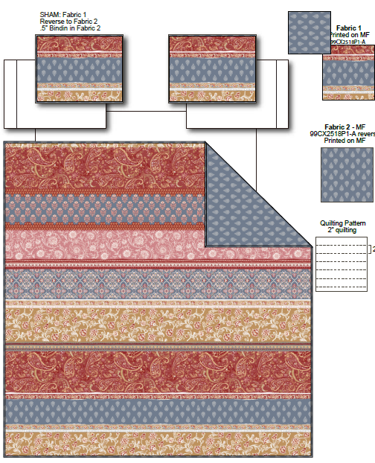 | 99CX2518P1-A | Regency Heights |  | QUILT | Suri | 100% Polyester Printed Quilt Mini Set | Quilt Mini Set | 85gsm printed face, 85gsm Printed reverse, 120gsm poly fill. With Diamond quilting | 100% Polyester Microfiber, poly fill | Twin: 66x90"/20x26"(1) | Red | RH14-0622 |  | Set | ￥51.30 | 7.85 | $6.54 | $6.54 |  | Compressed/Knocked Down | 42.0 | 32.0 | 35.0 | 5.50 | 3 | 0.047 | 4145 | $4,000.00 | $0.96 | 9404.40.9022 | 32.80% | $2.14 | $9.64 | 0.00% | $0.00 | 0.00% | $0.00 | 0.00% | $0.00 | $0.00 | $0.00 | 0.00% | $0.00 | $0.00 | $9.64 | 0.00% | $9.64 | $42.99 | $42.99 |  | 126
2 |  | 99CX2518P1-A | Regency Heights |  | QUILT | Suri | 100% Polyester Printed Quilt Mini Set | Quilt Mini Set | 85gsm printed face, 85gsm Printed reverse, 120gsm poly fill. With Diamond quilting | 100% Polyester Microfiber, poly fill | Full/Queen: 90x90"/20x26"(2) | Red | RH14-0623 |  | Set | ￥66.60 | 7.85 | $8.48 | $8.48 |  | Compressed/Knocked Down | 42.0 | 32.0 | 42.0 | 7.70 | 3 | 0.056 | 3455 | $4,000.00 | $1.16 | 9404.40.9022 | 32.80% | $2.78 | $12.42 | 0.00% | $0.00 | 0.00% | $0.00 | 0.00% | $0.00 | $0.00 | $0.00 | 0.00% | $0.00 | $0.00 | $12.42 | 0.00% | $12.42 | $49.99 | $49.99 |  | 444
3 |  | 99CX2518P1-A | Regency Heights |  | QUILT | Suri | 100% Polyester Printed Quilt Mini Set | Quilt Mini Set | 85gsm printed face, 85gsm Printed reverse, 120gsm poly fill. With Diamond quilting | 100% Polyester Microfiber, poly fill | King: 104x90"/20x36"(2) | Red | RH14-0624 |  | Set | ￥75.20 | 7.85 | $9.58 | $9.58 |  | Compressed/Knocked Down | 42.0 | 32.0 | 48.0 | 9.00 | 3 | 0.065 | 3023 | $4,000.00 | $1.32 | 9404.40.9022 | 32.80% | $3.14 | $14.05 | 0.00% | $0.00 | 0.00% | $0.00 | 0.00% | $0.00 | $0.00 | $0.00 | 0.00% | $0.00 | $0.00 | $14.05 | 0.00% | $14.05 | $54.99 | $54.99 |  | 276
1 | 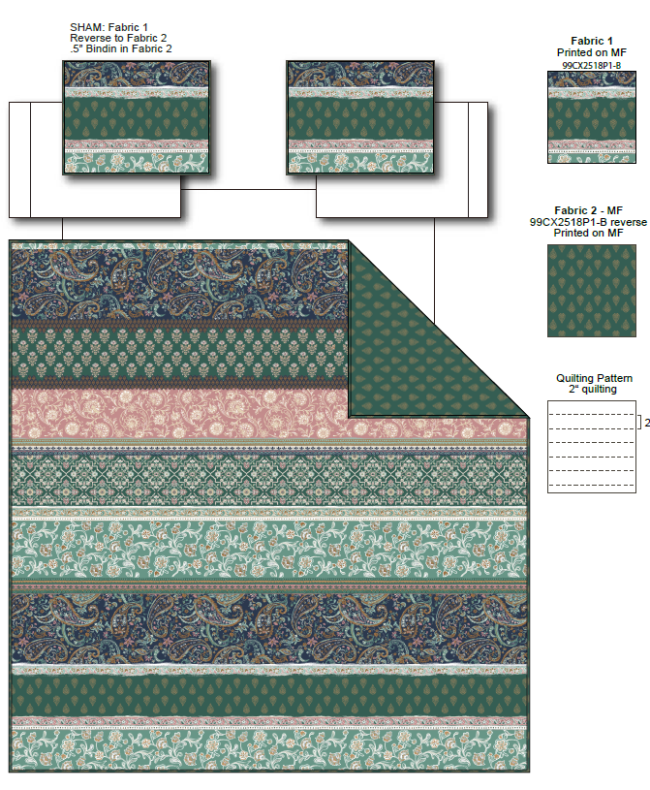 | 99CX2518P1-B | Regency Heights |  | QUILT | Suri | 100% Polyester Printed Quilt Mini Set | Quilt Mini Set | 85gsm printed face, 85gsm Printed reverse, 120gsm poly fill. With Diamond quilting | 100% Polyester Microfiber, poly fill | Twin: 66x90"/20x26"(1) | Green | RH14-0625 |  | Set | ￥51.30 | 7.85 | $6.54 | $6.54 |  | Compressed/Knocked Down | 42.0 | 32.0 | 35.0 | 5.50 | 3 | 0.047 | 4145 | $4,000.00 | $0.96 | 9404.40.9022 | 32.80% | $2.14 | $9.64 | 0.00% | $0.00 | 0.00% | $0.00 | 0.00% | $0.00 | $0.00 | $0.00 | 0.00% | $0.00 | $0.00 | $9.64 | 0.00% | $9.64 | $42.99 | $42.99 |  | 126
2 |  | 99CX2518P1-B | Regency Heights |  | QUILT | Suri | 100% Polyester Printed Quilt Mini Set | Quilt Mini Set | 85gsm printed face, 85gsm Printed reverse, 120gsm poly fill. With Diamond quilting | 100% Polyester Microfiber, poly fill | Full/Queen: 90x90"/20x26"(2) | Green | RH14-0626 |  | Set | ￥66.60 | 7.85 | $8.48 | $8.48 |  | Compressed/Knocked Down | 42.0 | 32.0 | 42.0 | 7.70 | 3 | 0.056 | 3455 | $4,000.00 | $1.16 | 9404.40.9022 | 32.80% | $2.78 | $12.42 | 0.00% | $0.00 | 0.00% | $0.00 | 0.00% | $0.00 | $0.00 | $0.00 | 0.00% | $0.00 | $0.00 | $12.42 | 0.00% | $12.42 | $49.99 | $49.99 |  | 444
3 |  | 99CX2518P1-B | Regency Heights |  | QUILT | Suri | 100% Polyester Printed Quilt Mini Set | Quilt Mini Set | 85gsm printed face, 85gsm Printed reverse, 120gsm poly fill. With Diamond quilting | 100% Polyester Microfiber, poly fill | King: 104x90"/20x36"(2) | Green | RH14-0627 |  | Set | ￥75.20 | 7.85 | $9.58 | $9.58 |  | Compressed/Knocked Down | 42.0 | 32.0 | 48.0 | 9.00 | 3 | 0.065 | 3023 | $4,000.00 | $1.32 | 9404.40.9022 | 32.80% | $3.14 | $14.05 | 0.00% | $0.00 | 0.00% | $0.00 | 0.00% | $0.00 | $0.00 | $0.00 | 0.00% | $0.00 | $0.00 | $14.05 | 0.00% | $14.05 | $54.99 | $54.99 |  | 276

