Sales
JLA Home Price Quote
Customer | HG
Date | 2026-01-14
Photo | Brand | Pattern | Item Description | Fabrication | Size/Spec. | Color | Item No. | UPC | Master Carton L (cm) | Master Carton W (cm) | Master Carton H (cm) | Case Pack | JLA POE Price | MOQ | Master Carton CBM | Port | COO | Vendor

 | LA | Iridescent Glass | Glass Taller lotion dispenser,plastic shiny golden color pump head | Glass | 3.1x3.1x7.6" | Iridescent | LA71-0456 | 022164701371 | 41.5 | 33.5 | 24.0 | 12 | $6.25 | 1200 | 3.34 | Yantian,China | China | Aspire | BTC June Order
 |  |  | Glass Shorter lotion dispenser,plastic shiny golden color pump head | Glass | 3.9x3.9x5.5"(10x10x14cm) |  | LA71-0457 | 022164701388 | 39.5 | 26.5 | 35.00 | 12 | $6.75 | 1200 | 3.66 | Yantian,China | China | Aspire

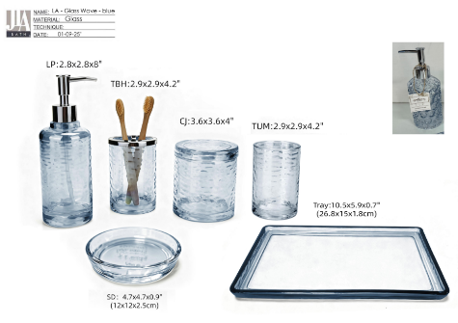 | LA | Glass Wave | Glass Lotion dispenser,plastic chromed pump head | Glass | 2.8x2.8x8"(7.2x7.2x20.3cm) | Blue | LA71-0458 | 022164701395 | 23.4 | 26.9 | 29.1 | 2 | $5.50 | 1200 | 10.99 | Yantian,China | China | Aspire
 |  |  | Glass Toothbrush Holder, chromed cover | Glass | 2.9x2.9x4.2"(7.4x7.4x10.8cm) |  | LA71-0459 | 022164701401 |  |  |  | 1 | $5.65 | 600 |  | Yantian,China | China | Aspire
 |  |  | Glass Tumbler | Glass | 2.9x2.9x4.2"(7.4x7.4x10.8cm) |  | LA71-0460 | 022164701418 |  |  |  | 1 | $4.50 | 600 |  | Yantian,China | China | Aspire
 |  |  | Glass Soap Dish | Glass | 4.7x4.7x0.9" |  | LA71-0461 | 022164701425 |  |  |  | 1 | $3.75 | 600 |  | Yantian,China | China | Aspire
 |  |  | Glass Cotton jar | Glass | 3.6x3.6x4"(9.2x9.2x10.4cm) |  | LA71-0462 | 022164701432 |  |  |  | 1 | $6.25 | 600 |  | Yantian,China | China | Aspire
 |  |  | Glass Tray | Glass | 10.5x5.9x10.7" |  | LA71-0463 | 022164701449 |  |  |  | 1 | $6.50 | 600 |  | Yantian,China | China | Aspire

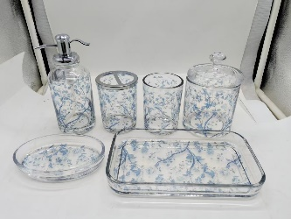 | LA | Elise | Glass Lotion Pump(w/plastic pump)-option A | Glass +decal | 2.95x2.95x7.48" | Blue |  |  | 25 | 22 | 27 | 2 | $6.95 | 1200 | 8.91 | Yantian,China | China | N-SBHC | BTC June Order
 |  |  | Glass Lotion Pump(w/plastic pump)-option B | Glass +decal | 2.75x2.75x7.68" |  |  |  |  |  |  | 2 | $6.00 | 1200 |  | Yantian,China | China | N-SBHC
 |  |  | Glass Toothbrush holder | Glass +decal | 3.15x3.15x4.13" |  |  |  |  |  |  | 1 | $6.00 | 600 |  | Yantian,China | China | N-SBHC
 |  |  | Glass Tumbler | Glass +decal | 3.03x3.03x4.13" |  |  |  |  |  |  | 1 | $5.50 | 600 |  | Yantian,China | China | N-SBHC
 |  |  | Glass Soap dish | Glass +decal | 5.75x3.74x1.18" |  |  |  |  |  |  | 1 | $5.50 | 600 |  | Yantian,China | China | N-SBHC
 |  |  | Glass Cotton Jar | Glass +decal | 4.13x4.13x6.3" |  |  |  |  |  |  | 1 | $8.25 | 600 |  | Yantian,China | China | N-SBHC
 |  |  | Glass tray | Glass +decal | 9.13x5.24x1.38" |  |  |  |  |  |  | 1 | $8.75 | 600 |  | Yantian,China | China | N-SBHC

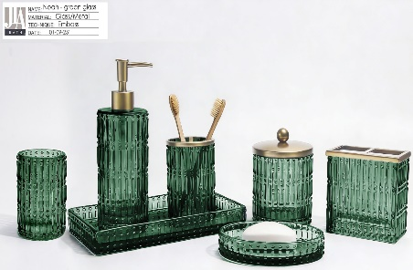 | JLA Brand | Noah | Glass Lotion dispenser,plastic matte golden colour pump head | Glass | 2.9x2.9x8.3"(7.5x7.5x21.3cm) | Green |  |  | 33.1 | 25.6 | 29.3 | 2 | $5.45 | 1200 | 14.90 | Yantian,China | China | Aspire
 |  |  | Glass Toothbrush Holder, matte golden colour iron cover | Glass | 3x3x4.1"(7.7x7.7x10.6cm) |  |  |  |  |  |  | 1 | $5.45 | 600 |  | Yantian,China | China | Aspire
 |  |  | Glass Tumbler | Glass | 3x3x4.1"(7.7x7.7x10.6cm) |  |  |  |  |  |  | 1 | $4.45 | 600 |  | Yantian,China | China | Aspire
 |  |  | Glass Soap Dish | Glass | 5.9x4.1x1"(15x10.6x2.6cm) |  |  |  |  |  |  | 1 | $3.85 | 600 |  | Yantian,China | China | Aspire
 |  |  | Glass Cotton jar, matte golden colour iron cover | Glass | 3.9x3.9x5.2"(9.9x9.9x13.2cm) |  |  |  |  |  |  | 1 | $6.65 | 600 |  | Yantian,China | China | Aspire
 |  |  | Glass Tray | Glass | 9.8x5.5x1.2"(25.1x14x3.2cm) |  |  |  |  |  |  | 1 | $7.00 | 600 |  | Yantian,China | China | Aspire
 |  |  | Glass 2 hole organizer,matte golden colour iron cover | Glass | 4.6x2.4x4.3"(11.8x6.3x11cm) |  |  |  |  |  |  | 1 | $6.50 | 600 |  | Yantian,China | China | Aspire

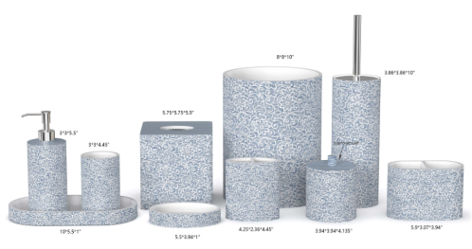 | LA | Amber | Resin Lotion Pump(w/stainless steel chrome pump) | Resin+debossed/ painting,matte | 3x3x8.16" | blue |  |  | 42.0 | 27.5 | 40.5 | 2 | $5.25 | 1000 | 23.39 | Yantian,China | China | S-DGJH
 |  |  | Resin Toothbrush holder | Resin+debossed/ painting,matte | 4.25x2.36x4.45" |  |  |  |  |  |  | 1 | $3.45 | 500 |  | Yantian,China | China | S-DGJH
 |  |  | Resin Tumbler | Resin+debossed/ painting,matte | 3x3x4.45" |  |  |  |  |  |  | 1 | $3.25 | 500 |  | Yantian,China | China | S-DGJH
 |  |  | Resin Soap dish | Resin+debossed/ painting,matte | 5.5x3.94x1" |  |  |  |  |  |  | 1 | $3.25 | 500 |  | Yantian,China | China | S-DGJH
 |  |  | Resin Cotton jar | Resin+debossed/ painting,matte | 3.94x3.94x4.72" |  |  |  |  |  |  | 1 | $4.65 | 500 |  | Yantian,China | China | S-DGJH
 |  |  | Resin Tray | Resin+debossed/ painting,matte | 10x5.5x1" |  |  |  |  |  |  | 1 | $6.00 | 500 |  | Yantian,China | China | S-DGJH
 |  |  | Resin 2 hole organizer | Resin+debossed/ painting,matte | 5.9x3.07x3.94" |  |  |  |  |  |  | 1 | $5.75 | 500 |  | Yantian,China | China | S-DGJH
 |  |  | Resin Tissue cover | Resin+debossed/ painting,matte | 5.75x5.75x5.9" |  |  |  |  |  |  | 1 | $7.75 | 500 |  | Yantian,China | China | S-DGJH
 |  |  | Resin Wastebasket | Resin+debossed/ painting,matte | 8x8x10" |  |  |  |  |  |  | 1 | $14.50 | 500 |  | Yantian,China | China | S-DGJH
 |  |  | Resin Toilet Brush-盖片1mm | Resin+debossed/ painting,matte | 3.86x3.86x14.7" |  |  |  |  |  |  | 1 | $7.35 | 500 |  | Yantian,China | China | S-DGJH

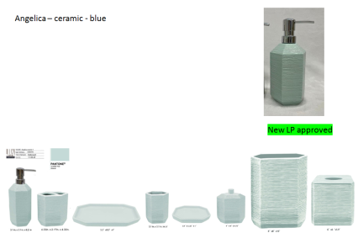 | JLA Brand | Angelica | ceramic Lotion Pump(w/stainless pump) | Stoneware, handcrafted brushed surface with oxidized glaze. | 3.45x3x8 | blue |  |  | 53 | 26 | 36 | 2 | $4.35 | 1000 | 24.80 | Yantian,China | china | S-CZCW
 |  |  | ceramic Toothbrush holder | Stoneware, handcrafted brushed surface with oxidized glaze. | 4.33x2.7x4.33 |  |  |  |  |  |  | 1 | $3.00 | 500 |  | Yantian,China | china | S-CZCW
 |  |  | ceramic Tumbler | Stoneware, handcrafted brushed surface with oxidized glaze. | 3.45x3x4.33 |  |  |  |  |  |  | 1 | $2.90 | 500 |  | Yantian,China | china | S-CZCW
 |  |  | ceramic Soap dish | Stoneware, handcrafted brushed surface with oxidized glaze. | 5.38x3.9x1 |  |  |  |  |  |  | 1 | $2.90 | 500 |  | Yantian,China | china | S-CZCW
 |  |  | ceramic Tray | Stoneware, handcrafted brushed surface with oxidized glaze. | 9.5x5.5x1 |  |  |  |  |  |  | 1 | $5.00 | 500 |  | Yantian,China | china | S-CZCW
 |  |  | ceramic Cotton jar | Stoneware, handcrafted brushed surface with oxidized glaze. | 4x3.5x4.75 |  |  |  |  |  |  | 1 | $4.75 | 500 |  | Yantian,China | china | S-CZCW
 |  |  | ceramic Tissue cover | Stoneware, handcrafted brushed surface with oxidized glaze. | 6x6x5.9 |  |  |  |  |  |  | 1 | $8.00 | 500 |  | Yantian,China | china | S-CZCW
 |  |  | ceramic Wastebasket | Stoneware, handcrafted brushed surface with oxidized glaze. | 8x8x10 |  |  |  |  |  |  | 1 | $14.75 | 500 |  | Yantian,China | china | S-CZCW

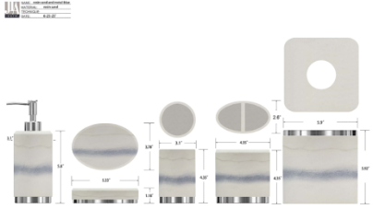 | JLA Brand | Clearwater | Resin Lotion Pump(w/stainless pump) | Resin sand | 3.1x3.1x8.2" | White marble |  |  | 47.5 | 32.0 | 45.0 | 2 | $5.45 | 1000 | 34.20 | Yantian,China | China | S-DGJY
 |  |  | Resin Toothbrush holder with chrome iron base | Resin sand | 4.35x2.6x4.35" |  |  |  |  |  |  | 1 | $3.15 | 500 |  | Yantian,China | China | S-DGJY
 |  |  | Resin Tumbler with chrome iron base | Resin sand | 3.1x3.1x4.35" |  |  |  |  |  |  | 1 | $3.15 | 500 |  | Yantian,China | China | S-DGJY
 |  |  | Resin Soap dish with chrome iron base | Resin sand | 5.33x3.78x1.18" |  |  |  |  |  |  | 1 | $3.00 | 500 |  | Yantian,China | China | S-DGJY
 |  |  | Resin Tray with chrome iron base | Resin sand | 10x5.5x1.1" |  |  |  |  |  |  | 1 | $6.50 | 500 |  | Yantian,China | China | S-DGJY
 |  |  | Resin Tower holder | Resin sand | 4x4x12" |  |  |  |  |  |  | 1 | $7.00 | 500 |  | Yantian,China | China | S-DGJY
 |  |  | Resin Brush holder with chrome iron handle and base | Resin sand | 4x4x15" |  |  |  |  |  |  | 1 | $7.75 | 500 |  | Yantian,China | China | S-DGJY
 |  |  | Resin Tissue Cover with chrome iron top | Resin sand | 5.9x5.9x5.92" |  |  |  |  |  |  | 1 | $7.95 | 500 |  | Yantian,China | China | S-DGJY
 |  |  | Resin Wastebasket with chrome iron base | Resin sand | 8x8x10" |  |  |  |  |  |  | 1 | $12.95 | 500 |  | Yantian,China | China | S-DGJY
 |  |  | Resin Mirror | Resin sand | 6x5x10.5" |  |  |  |  |  |  | 1 | $8.50 | 500 |  | Yantian,China | China | S-DGJY

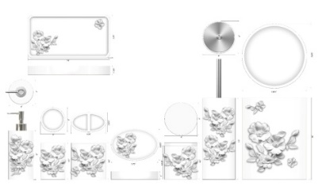 | LA | Eliana | Resin Lotion Pump(w/chrome stainless steel pump) | Resin | 3x3x8.49" | White |  |  | 47.0 | 25.0 | 42.5 | 2 | $4.85 | 1000 | 24.97 | Yantian,China | China | S-DGJY
 |  |  | Resin Toothbrush holder | Resin | 4.25x2.875x4.5" |  |  |  |  |  |  | 1 | $3.00 | 500 |  | Yantian,China | China | S-DGJY
 |  |  | Resin Tumbler | Resin | 3x3x4.5" |  |  |  |  |  |  | 1 | $2.75 | 500 |  | Yantian,China | China | S-DGJY
 |  |  | Resin Soap dish | Resin | 5.75x3.875x1" |  |  |  |  |  |  | 1 | $2.75 | 500 |  | Yantian,China | China | S-DGJY
 |  |  | Resin Cotton jar | Resin | 4x4x4.75" |  |  |  |  |  |  | 1 | $4.50 | 500 |  | Yantian,China | China | S-DGJY
 |  |  | Resin Tray | Resin | 10x5.25x1.125" |  |  |  |  |  |  | 1 | $4.75 | 500 |  | Yantian,China | China | S-DGJY
 |  |  | Resin Brush holder with chrome steel handle | Resin | 4x4x15" |  |  |  |  |  |  | 1 | $7.25 | 500 |  | Yantian,China | China | S-DGJY
 |  |  | Resin Wastebasket | Resin | 8x7.6x10" |  |  |  |  |  |  | 1 | $12.50 | 500 |  | Yantian,China | China | S-DGJY

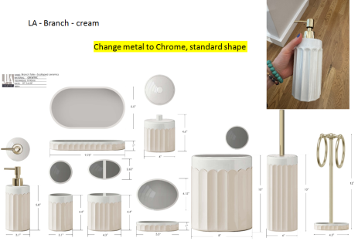 | LA | Branch | ceramic Lotion Pump(w/stainless pump) | Stoneware, beige-gray uranium oxide glaze. | 3.1x3.1x8.16 | cream |  |  | 45 | 36 | 44 | 2 | $4.75 | 1000 | 35.64 | Yantian,China | china | S-CZCW
 |  |  | ceramic Toothbrush holder | Stoneware, beige-gray uranium oxide glaze. | 4.3x2.65x4.4 |  |  |  |  |  |  | 1 | $3.15 | 500 |  | Yantian,China | china | S-CZCW
 |  |  | ceramic Tumbler | Stoneware, beige-gray uranium oxide glaze. | 3.1x3.1x4.4 |  |  |  |  |  |  | 1 | $3.00 | 500 |  | Yantian,China | china | S-CZCW
 |  |  | ceramic Soap dish | Stoneware, beige-gray uranium oxide glaze. | 5.5x4.15x1 |  |  |  |  |  |  | 1 | $3.00 | 500 |  | Yantian,China | china | S-CZCW
 |  |  | ceramic Tray | Stoneware, beige-gray uranium oxide glaze. | 9.75x5.5x1 |  |  |  |  |  |  | 1 | $5.25 | 500 |  | Yantian,China | china | S-CZCW
 |  |  | ceramic Cotton jar | Stoneware, beige-gray uranium oxide glaze. | 4x4x4.6 |  |  |  |  |  |  | 1 | $4.75 | 500 |  | Yantian,China | china | S-CZCW
 |  |  | ceramic Wastebasket | Stoneware, beige-gray uranium oxide glaze. | 8x8x10 |  |  |  |  |  |  | 1 | $15.25 | 500 |  | Yantian,China | china | S-CZCW
 |  |  | ceramic Toilet brush holder-盖片1mm | Stoneware, beige-gray uranium oxide glaze. | 4x4x14.72 |  |  |  |  |  |  | 1 | $8.25 | 500 |  | Yantian,China | china | S-CZCW
 |  |  | ceramic Towel Bar | Stoneware, beige-gray uranium oxide glaze. | 4.5x4.5x12 |  |  |  |  |  |  | 1 | $8.75 | 500 |  | Yantian,China | china | S-CZCW

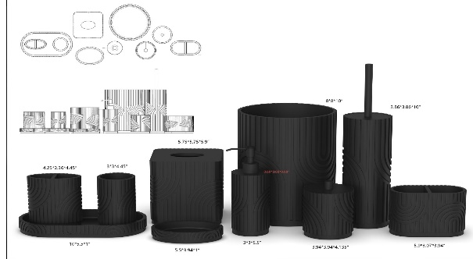 | N Natori | Ine | Resin Lotion Pump(w/balck stainless steel pump ) | resin+hand painted+Soft touch | 3x3x8" | black |  |  | 43.5 | 30.0 | 42.0 | 2 | $4.75 | 1000 | 27.41 | Yantian,China | China | S-DGDH
 |  |  | Resin Toothbrush holder | resin+hand painted+Soft touch | 4.25x2.36x4.45" |  |  |  |  |  |  | 1 | $3.15 | 500 |  | Yantian,China | China | S-DGDH
 |  |  | Resin Tumbler | resin+hand painted+Soft touch | 3x3x4.45" |  |  |  |  |  |  | 1 | $2.95 | 500 |  | Yantian,China | China | S-DGDH
 |  |  | Resin Soap dish | resin+hand painted+Soft touch | 5.5x3.94x1" |  |  |  |  |  |  | 1 | $2.95 | 500 |  | Yantian,China | China | S-DGDH
 |  |  | Resin Tray | resin+hand painted+Soft touch | 10x5.5x1" |  |  |  |  |  |  | 1 | $5.25 | 500 |  | Yantian,China | China | S-DGDH
 |  |  | Resin 2 Hole Organizer | resin+hand painted+Soft touch | 5.9x3.07x3.94" |  |  |  |  |  |  | 1 | $4.50 | 500 |  | Yantian,China | China | S-DGDH
 |  |  | Resin Cotton jar | resin+hand painted+Soft touch | 3.94x3.94x4.135" |  |  |  |  |  |  | 1 | $4.75 | 500 |  | Yantian,China | China | S-DGDH
 |  |  | Resin Toilet Brush-盖片1mm | resin+hand painted+Soft touch | 3.86x3.86x15" |  |  |  |  |  |  | 1 | $7.75 | 500 |  | Yantian,China | China | S-DGDH
 |  |  | Resin Tissue cover | resin+hand painted+Soft touch | 5.75x5.75x5.8" |  |  |  |  |  |  | 1 | $7.95 | 500 |  | Yantian,China | China | S-DGDH
 |  |  | Resin Wastebasket | resin+hand painted+Soft touch | 8x8x10" |  |  |  |  |  |  | 1 | $12.75 | 500 |  | Yantian,China | China | S-DGDH

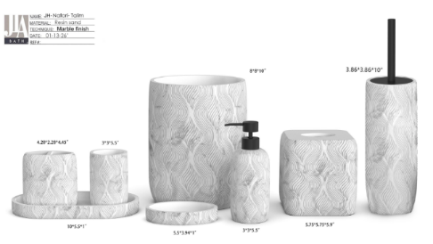 | Natori | Talim | Resin Lotion Pump(w/balck stainless steel pump ) | Resin Sand | 3x3x8" | marble |  |  | 31.0 | 22.5 | 38.0 | 2 | $4.75 | 1000 | 13.25 | Yantian,China | China | S-DGDH
 |  |  | Resin Toothbrush holder | Resin Sand | 4.28x2.28x4.45" |  |  |  |  |  |  | 1 | $2.80 | 500 |  | Yantian,China | China | S-DGDH
 |  |  | Resin Tumbler | Resin Sand | 3x3x4.5" |  |  |  |  |  |  | 1 | $2.80 | 500 |  | Yantian,China | China | S-DGDH
 |  |  | Resin Soap dish | Resin Sand | 5.5x3.94x1" |  |  |  |  |  |  | 1 | $2.80 | 500 |  | Yantian,China | China | S-DGDH
 |  |  | Resin Tray | Resin Sand | 10x5.5x1" |  |  |  |  |  |  | 1 | $4.50 | 500 |  | Yantian,China | China | S-DGDH
 |  |  | Resin Tissue cover | Resin Sand | 5.75x5.75x5.9" |  |  |  |  |  |  | 1 | $7.15 | 500 |  | Yantian,China | China | S-DGDH
 |  |  | Resin Toilet Brush-盖片1mm | Resin Sand | 4x4x15" |  |  |  |  |  |  | 1 | $7.50 | 500 |  | Yantian,China | China | S-DGDH
 |  |  | Resin Wastebasket | Resin Sand | 8x8x10" |  |  |  |  |  |  | 1 | $12.75 | 500 |  | Yantian,China | China | S-DGDH

 | JLA Brand | Diana | Resin Lotion Pump(w/balck stainless steel pump ) | Resin Sand | 2.9X2.9X8" | Light Travertine |  |  | 34.5 | 27.5 | 41.0 | 2 | $4.50 | 1000 | 19.45 | Yantian,China | China | S-DGDH
 |  |  | Resin Toothbrush holder | Resin Sand | 4.3X2.65X4.32" |  |  |  |  |  |  | 1 | $2.65 | 500 |  | Yantian,China | China | S-DGDH
 |  |  | Resin Tumbler | Resin Sand | 2.9X2.9X4.32" |  |  |  |  |  |  | 1 | $2.65 | 500 |  | Yantian,China | China | S-DGDH
 |  |  | Resin Soap dish | Resin Sand | 5.35X4X1.05" |  |  |  |  |  |  | 1 | $2.65 | 500 |  | Yantian,China | China | S-DGDH
 |  |  | Resin Tray | Resin Sand | 9.5X5.8X1" |  |  |  |  |  |  | 1 | $4.25 | 500 |  | Yantian,China | China | S-DGDH
 |  |  | Resin Cotton jar | Resin Sand | 3.9X3.9X4.6" |  |  |  |  |  |  | 1 | $4.50 | 500 |  | Yantian,China | China | S-DGDH
 |  |  | Resin Toilet Brush-盖片1mm | Resin Sand | 3.96X3.96X15" |  |  |  |  |  |  | 1 | $7.25 | 500 |  | Yantian,China | China | S-DGDH
 |  |  | Resin Wastebasket | Resin Sand | 7.89X7.8X10" |  |  |  |  |  |  | 1 | $12.15 | 500 |  | Yantian,China | China | S-DGDH

 | JLA Brand | Sapphire | Resin Lotion Pump(w/chrome stainless steel pump) | Resin sand | 3.18x2.75x7.9" | White marble |  |  | 47.0 | 27.5 | 44.0 | 2 | $4.50 | 1000 | 28.44 | Yantian,China | China | S-DGJY
 |  |  | Resin Toothbrush holder | Resin sand | 4.25x2.36x4.45" |  |  |  |  |  |  | 1 | $2.75 | 500 |  | Yantian,China | China | S-DGJY
 |  |  | Resin Tumbler | Resin sand | 3.18x2.75x4.45" |  |  |  |  |  |  | 1 | $2.75 | 500 |  | Yantian,China | China | S-DGJY
 |  |  | Resin Soap dish | Resin sand | 5.5x3.94x1" |  |  |  |  |  |  | 1 | $2.75 | 500 |  | Yantian,China | China | S-DGJY
 |  |  | Resin Tray | Resin sand | 10x5x1" |  |  |  |  |  |  | 1 | $4.50 | 500 |  | Yantian,China | China | S-DGJY
 |  |  | Resin Brush holder with chrome steel handle | Resin sand | 4x4x15" |  |  |  |  |  |  | 1 | $7.25 | 500 |  | Yantian,China | China | S-DGJY
 |  |  | Resin Towe holder with chrome steel handle | Resin sand | 5.26x5x12" |  |  |  |  |  |  | 1 | $7.00 | 500 |  | Yantian,China | China | S-DGJY
 |  |  | Resin Tissue cover | Resin sand | 5.8x5.8x5.9" |  |  |  |  |  |  | 1 | $7.50 | 500 |  | Yantian,China | China | S-DGJY
 |  |  | Resin Wastebasket | Resin sand | 8x7.6x10" |  |  |  |  |  |  | 1 | $11.75 | 500 |  | Yantian,China | China | S-DGJY
 |  |  | Resin Mirror | Resin sand | 6x5x10.5" |  |  |  |  |  |  | 1 | $8.50 | 500 |  | Yantian,China | China | S-DGJY

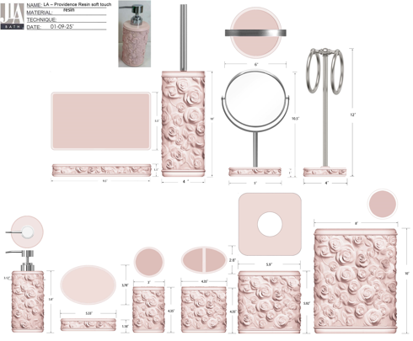 | LA | Providence | Resin Lotion Pump(w/stainless steel Zinc chrome pump) | Resin embossed/matte pink | 3.12x3.12x7.76" | pink |  |  | 44.5 | 30.0 | 50.5 | 2 | $5.25 | 1000 | 33.71 | Yantian,China | China | S-DGJH | April POE different color
 |  |  | Resin Toothbrush holder | Resin embossed/matte pink | 4.35x2.6x4.35" |  |  |  |  |  |  | 1 | $3.45 | 500 |  | Yantian,China | China | S-DGJH
 |  |  | Resin Tumbler | Resin embossed/matte pink | 3x3x4.35" |  |  |  |  |  |  | 1 | $3.25 | 500 |  | Yantian,China | China | S-DGJH
 |  |  | Resin Soap dish | Resin embossed/matte pink | 5.33x3.78x1.18" |  |  |  |  |  |  | 1 | $3.25 | 500 |  | Yantian,China | China | S-DGJH
 |  |  | Resin Tray | Resin embossed/matte pink | 9.5x5.5x1.1" |  |  |  |  |  |  | 1 | $6.00 | 500 |  | Yantian,China | China | S-DGJH
 |  |  | Resin Tissue cover | Resin embossed/matte pink | 5.9x5.9x5.92" |  |  |  |  |  |  | 1 | $7.95 | 500 |  | Yantian,China | China | S-DGJH
 |  |  | Resin Wastebasket | Resin embossed/matte pink | 8x8x10" |  |  |  |  |  |  | 1 | $14.50 | 500 |  | Yantian,China | China | S-DGJH
 |  |  | Resin Toilet Brush | Resin embossed/matte pink | 4x4x14.7" |  |  |  |  |  |  | 1 | $7.35 | 500 |  | Yantian,China | China | S-DGJH
 |  |  | Resin Towel bar(w/iron) | Resin embossed/matte pink | 4x4x12" |  |  |  |  |  |  | 1 | $8.50 | 500 |  | Yantian,China | China | S-DGJH
 |  |  | Resin Mirror | Resin embossed/matte pink | 5x5x10.5" |  |  |  |  |  |  | 1 | $9.00 | 500 |  | Yantian,China | China | S-DGJH

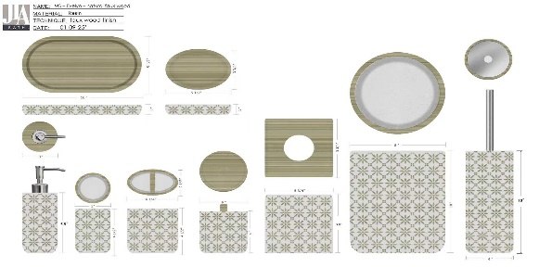 | MS | Evelyn | Resin Lotion Pump(w/chrome stainless steel pump ) | resin+hand painted | 3x3x8" | natural |  |  | 35.0 | 29.5 | 42.5 | 2 | $5.45 | 1000 | 21.94 | Yantian,China | China | S-DGDH
 |  |  | Resin Toothbrush holder | resin+hand painted | 4.25x2.5x4.5" |  |  |  |  |  |  | 1 | $3.25 | 500 |  | Yantian,China | China | S-DGDH
 |  |  | Resin Tumbler | resin+hand painted | 3x3x4.25" |  |  |  |  |  |  | 1 | $3.10 | 500 |  | Yantian,China | China | S-DGDH
 |  |  | Resin Soap dish | resin+hand painted | 5.5x3.75x1" |  |  |  |  |  |  | 1 | $3.10 | 500 |  | Yantian,China | China | S-DGDH
 |  |  | Resin Tray | resin+hand painted | 10x5.5x1" |  |  |  |  |  |  | 1 | $5.25 | 500 |  | Yantian,China | China | S-DGDH
 |  |  | Resin Cotton jar | resin+hand painted | 4x4x4.31" |  |  |  |  |  |  | 1 | $4.85 | 500 |  | Yantian,China | China | S-DGDH
 |  |  | Resin Toilet Brush-盖片1mm | resin+hand painted | 4x4x15" |  |  |  |  |  |  | 1 | $7.50 | 500 |  | Yantian,China | China | S-DGDH
 |  |  | Resin Tissue cover | resin+hand painted | 5.75x5.75x5.9" |  |  |  |  |  |  | 1 | $7.50 | 500 |  | Yantian,China | China | S-DGDH
 |  |  | Resin Wastebasket | resin+hand painted | 8x8x10" |  |  |  |  |  |  | 1 | $12.50 | 500 |  | Yantian,China | China | S-DGDH

Pattern | CBM |  |  | Vendor
Iridescent Glass taller LP | 3.34 | 17.99 |  | Aspire | ordered in BTC June
Iridescent Glass shorter LP | 3.66 |  |  | Aspire | ordered in BTC June
Glass Wave | 10.99 |  |  | Aspire | ordered in BTC June

Angelica | 24.80 | 60.44 | 1x40HQ | S-CZCW
LA - Branch - cream | 35.64 |  |  | S-CZCW

N Natori -Ine | 27.41 | 69.02 | 1x45HQ | S-DGDH
Natori – Talim | 13.25 |  |  | S-DGDH
Diana | 19.45 |  |  | S-DGDH
Elise | 8.91 |  |  | N-SBHC

Evelyn | 21.94 | 61.81 | 1x40HQ | S-DGDH
LA – Eliana | 24.97 |  |  | S-DGJY
Noah | 14.90 |  |  | Aspire

Amber | 23.39 | 57.10 | 1x40HQ | S-DGJH
Providence | 33.71 |  |  | S-DGJH

Clearwater | 34.20 | 62.64 | 1x40HQ | S-DGJY
Sapphire | 28.44 |  |  | S-DGJY

