Item
Line No. | Photo | VIN/Art No. | Brand | Licensor | Product Category | Pattern | Item Description | Description-Short | Fabrication | Material-Short | Size/Spec. | Color | Item No. | UPC | Unit of Measure | China RMB Cost | Exchange Rate | FOB Cost $ (Formula) | FOB Cost $ (Value) | UCCPM Price | Package Type | Carton Size L (cm) | Carton Size W (cm) | Carton Size H (cm) | Carton Gross Weight (kg) | Case Pack | Cubic Meter per Carton | Total Units per 40ft Container | 40ft Container Freight | Ocean Freight per Item $ | HTS Code | Duty Rate | Duty per Item $ | LDP Cost $ | DA % | DA $ | General Load % | General Load $ | Warehouse Charge % | Warehouse Charge $ | Dropship Charge | Load 1 | Load 1 % | Load 1 $ | Total Load $ | LDP Cost with Load $ | JLA LDP MU% | JLA FOB CA/GA Price Quote (Formula) | JLA price with drop ship charges | Suggested Retail Price | Initial Markup | Initial Rollout Forecast
1 | 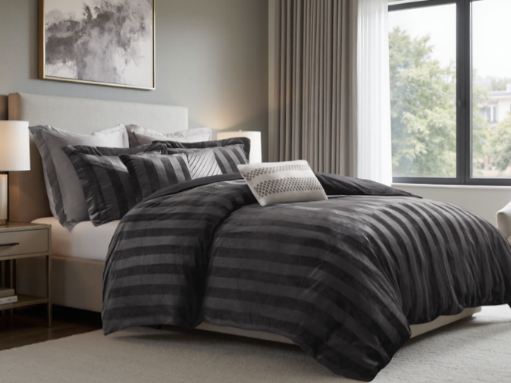 5PCS Set（comforter mini set+2 dec pillows) |  | Regency Heights |  | COMFORTER (SET) | Geneva | 100% Polyester Microfiber 5pcs Comforter Set | 5pcs Comforter Set | Comf/sham : 100% Polyester 220gsm velvet fabric on face, 85gsm microfiber solid reverse, 200gsm poly fill. Dec pillows: 100% Polyester with Poly filling | 100% polyester , poly filling | Full: 80x90"/20x26"+1(2)/12x16"/16x16" | Black | RH10-0649 |  | Set | ￥107.60 | 7.85 | $13.71 | $13.71 |  | Compressed/Knocked Down | 42.0 | 32.0 | 51.0 | 15.10 | 3 | 0.069 | 2845 | $4,000.00 | $1.41 | 9404.40.9022 | 32.80% | $4.50 | $19.61 | 0.00% | $0.00 | 0.00% | $0.00 | 0.00% | $0.00 | $0.00 | $0.00 | 0.00% | $0.00 | $0.00 | $19.61 | 0.00% | $19.61 | $65.99 | $65.99 |  | 66
2 |  |  | Regency Heights |  | COMFORTER (SET) | Geneva | 100% Polyester Microfiber 5pcs Comforter Set | 5pcs Comforter Set | Comf/sham : 100% Polyester 220gsm velvet fabric on face, 85gsm microfiber solid reverse, 200gsm poly fill. Dec pillows: 100% Polyester with Poly filling | 100% polyester , poly filling | Queen: 90x90"/20x26"+1(2)/12x16"/16x16" | Black | RH10-0650 |  | Set | ￥110.40 | 7.85 | $14.06 | $14.06 |  | Compressed/Knocked Down | 42.0 | 32.0 | 51.0 | 16.30 | 3 | 0.069 | 2845 | $4,000.00 | $1.41 | 9404.40.9022 | 32.80% | $4.61 | $20.08 | 0.00% | $0.00 | 0.00% | $0.00 | 0.00% | $0.00 | $0.00 | $0.00 | 0.00% | $0.00 | $0.00 | $20.08 | 0.00% | $20.08 | $69.99 | $69.99 |  | 378
3 |  |  | Regency Heights |  | COMFORTER (SET) | Geneva | 100% Polyester Microfiber 5pcs Comforter Set | 5pcs Comforter Set | Comf/sham : 100% Polyester 220gsm velvet fabric on face, 85gsm microfiber solid reverse, 200gsm poly fill. Dec pillows: 100% Polyester with Poly filling | 100% polyester , poly filling | King: 104x90"/20x36"+1(2)/12x16"/16x16" | Black | RH10-0651 |  | Set | ￥119.10 | 7.85 | $15.17 | $15.17 |  | Compressed/Knocked Down | 42.0 | 32.0 | 57.0 | 18.10 | 3 | 0.077 | 2545 | $4,000.00 | $1.57 | 9404.40.9022 | 32.80% | $4.98 | $21.72 | 0.00% | $0.00 | 0.00% | $0.00 | 0.00% | $0.00 | $0.00 | $0.00 | 0.00% | $0.00 | $0.00 | $21.72 | 0.00% | $21.72 | $79.99 | $79.99 |  | 360
4 | 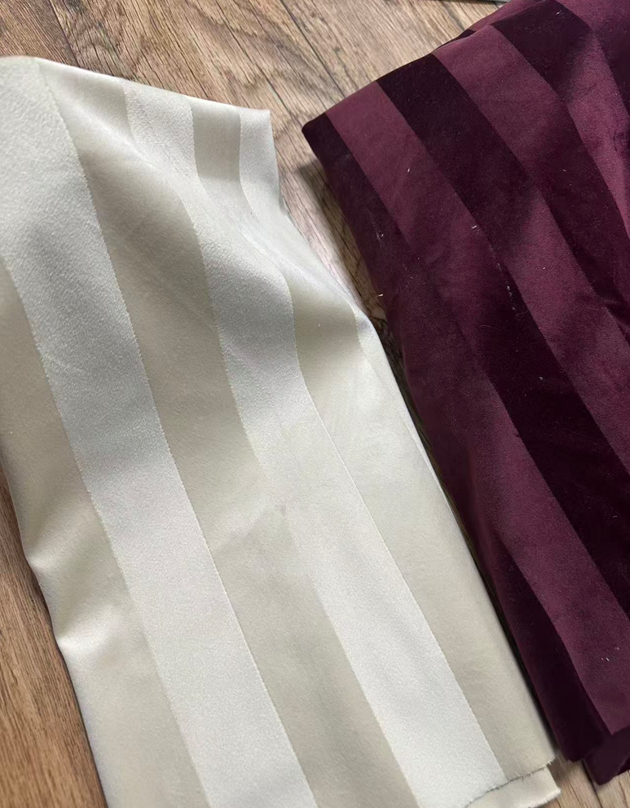 5PCS Set（comforter mini set+2 dec pillows) |  | Regency Heights |  | COMFORTER (SET) | Geneva | 100% Polyester Microfiber 5pcs Comforter Set | 5pcs Comforter Set | Comf/sham : 100% Polyester 220gsm velvet fabric on face, 85gsm microfiber solid reverse, 200gsm poly fill. Dec pillows: 100% Polyester with Poly filling | 100% polyester , poly filling | Full: 80x90"/20x26"+1(2)/12x16"/16x16" | Red | RH10-0652 |  | Set | ￥107.60 | 7.85 | $13.71 | $13.71 |  | Compressed/Knocked Down | 42.0 | 32.0 | 51.0 | 15.10 | 3 | 0.069 | 2845 | $4,000.00 | $1.41 | 9404.40.9022 | 32.80% | $4.50 | $19.61 | 0.00% | $0.00 | 0.00% | $0.00 | 0.00% | $0.00 | $0.00 | $0.00 | 0.00% | $0.00 | $0.00 | $19.61 | 0.00% | $19.61 | $65.99 | $65.99 |  | 66
5 |  |  | Regency Heights |  | COMFORTER (SET) | Geneva | 100% Polyester Microfiber 5pcs Comforter Set | 5pcs Comforter Set | Comf/sham : 100% Polyester 220gsm velvet fabric on face, 85gsm microfiber solid reverse, 200gsm poly fill. Dec pillows: 100% Polyester with Poly filling | 100% polyester , poly filling | Queen: 90x90"/20x26"+1(2)/12x16"/16x16" | Red | RH10-0653 |  | Set | ￥110.40 | 7.85 | $14.06 | $14.06 |  | Compressed/Knocked Down | 42.0 | 32.0 | 51.0 | 16.30 | 3 | 0.069 | 2845 | $4,000.00 | $1.41 | 9404.40.9022 | 32.80% | $4.61 | $20.08 | 0.00% | $0.00 | 0.00% | $0.00 | 0.00% | $0.00 | $0.00 | $0.00 | 0.00% | $0.00 | $0.00 | $20.08 | 0.00% | $20.08 | $69.99 | $69.99 |  | 378
6 |  |  | Regency Heights |  | COMFORTER (SET) | Geneva | 100% Polyester Microfiber 5pcs Comforter Set | 5pcs Comforter Set | Comf/sham : 100% Polyester 220gsm velvet fabric on face, 85gsm microfiber solid reverse, 200gsm poly fill. Dec pillows: 100% Polyester with Poly filling | 100% polyester , poly filling | King: 104x90"/20x36"+1(2)/12x16"/16x16" | Red | RH10-0654 |  | Set | ￥119.10 | 7.85 | $15.17 | $15.17 |  | Compressed/Knocked Down | 42.0 | 32.0 | 57.0 | 18.10 | 3 | 0.077 | 2545 | $4,000.00 | $1.57 | 9404.40.9022 | 32.80% | $4.98 | $21.72 | 0.00% | $0.00 | 0.00% | $0.00 | 0.00% | $0.00 | $0.00 | $0.00 | 0.00% | $0.00 | $0.00 | $21.72 | 0.00% | $21.72 | $79.99 | $79.99 |  | 360
7 | 5PCS Set（comforter mini set+2 dec pillows) |  | Regency Heights |  | COMFORTER (SET) | Geneva | 100% Polyester Microfiber 5pcs Comforter Set | 5pcs Comforter Set | Comf/sham : 100% Polyester 220gsm velvet fabric on face, 85gsm microfiber solid reverse, 200gsm poly fill. Dec pillows: 100% Polyester with Poly filling | 100% polyester , poly filling | Full: 80x90"/20x26"+1(2)/12x16"/16x16" | Champagne | RH10-0655 |  | Set | ￥107.60 | 7.85 | $13.71 | $13.71 |  | Compressed/Knocked Down | 42.0 | 32.0 | 51.0 | 15.10 | 3 | 0.069 | 2845 | $4,000.00 | $1.41 | 9404.40.9022 | 32.80% | $4.50 | $19.61 | 0.00% | $0.00 | 0.00% | $0.00 | 0.00% | $0.00 | $0.00 | $0.00 | 0.00% | $0.00 | $0.00 | $19.61 | 0.00% | $19.61 | $65.99 | $65.99 |  | 66
8 |  |  | Regency Heights |  | COMFORTER (SET) | Geneva | 100% Polyester Microfiber 5pcs Comforter Set | 5pcs Comforter Set | Comf/sham : 100% Polyester 220gsm velvet fabric on face, 85gsm microfiber solid reverse, 200gsm poly fill. Dec pillows: 100% Polyester with Poly filling | 100% polyester , poly filling | Queen: 90x90"/20x26"+1(2)/12x16"/16x16" | Champagne | RH10-0656 |  | Set | ￥110.40 | 7.85 | $14.06 | $14.06 |  | Compressed/Knocked Down | 42.0 | 32.0 | 51.0 | 16.30 | 3 | 0.069 | 2845 | $4,000.00 | $1.41 | 9404.40.9022 | 32.80% | $4.61 | $20.08 | 0.00% | $0.00 | 0.00% | $0.00 | 0.00% | $0.00 | $0.00 | $0.00 | 0.00% | $0.00 | $0.00 | $20.08 | 0.00% | $20.08 | $69.99 | $69.99 |  | 378
9 |  |  | Regency Heights |  | COMFORTER (SET) | Geneva | 100% Polyester Microfiber 5pcs Comforter Set | 5pcs Comforter Set | Comf/sham : 100% Polyester 220gsm velvet fabric on face, 85gsm microfiber solid reverse, 200gsm poly fill. Dec pillows: 100% Polyester with Poly filling | 100% polyester , poly filling | King: 104x90"/20x36"+1(2)/12x16"/16x16" | Champagne | RH10-0657 |  | Set | ￥119.10 | 7.85 | $15.17 | $15.17 |  | Compressed/Knocked Down | 42.0 | 32.0 | 57.0 | 18.10 | 3 | 0.077 | 2545 | $4,000.00 | $1.57 | 9404.40.9022 | 32.80% | $4.98 | $21.72 | 0.00% | $0.00 | 0.00% | $0.00 | 0.00% | $0.00 | $0.00 | $0.00 | 0.00% | $0.00 | $0.00 | $21.72 | 0.00% | $21.72 | $79.99 | $79.99 |  | 360

