Item
Line No. | Photo | VIN/Art No. | Brand | Licensor | Product Category | Pattern | Item Description | Description-Short | Fabrication | Material-Short | Size/Spec. | Color | Item No. | UPC | Unit of Measure | China RMB Cost | Exchange Rate | FOB Cost $ (Formula) | FOB Cost $ (Value) | UCCPM Price | Package Type | Carton Size L (cm) | Carton Size W (cm) | Carton Size H (cm) | Carton Gross Weight (kg) | Case Pack | Cubic Meter per Carton | Total Units per 40ft Container | 40ft Container Freight | Ocean Freight per Item $ | HTS Code | Duty Rate | Duty per Item $ | LDP Cost $ | DA % | DA $ | General Load % | General Load $ | Warehouse Charge % | Warehouse Charge $ | Dropship Charge | Load 1 | Load 1 % | Load 1 $ | Total Load $ | LDP Cost with Load $ | JLA LDP MU% | JLA FOB CA/GA Price Quote (Formula) | JLA price with drop ship charges | Suggested Retail Price | Initial Markup | Initial Rollout Forecast
7 | 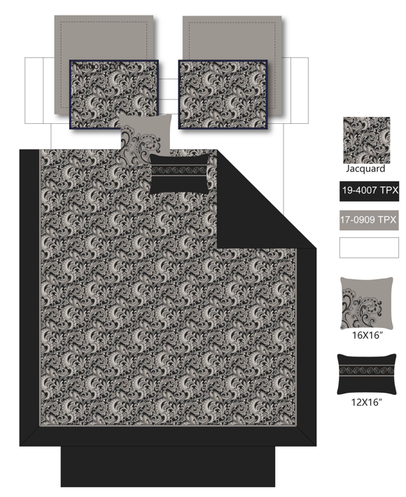 |  | Regency Heights |  | COMFORTER (SET) | Brystol | 100% Polyester Jacquard 8pcs Comforter Set | 100% polyester comforter set | Comforter/Sham : 100% polyester jacquard, 85gsm microfiber reverse, 200gsm polyester filling; Bedskirt: polyester polyoni drop, polyester platform; Euro: polyester polyoni face, 85gsm microfiber reverse; Pillow: polyester polyoni cover, polyester filling | Face and Back: 100% polyester. Poly fill | 90"W x 90"L/20"W x 26"L (2)/60"W x 80"L + 15"D/26"W x 26"L + 2"D (2)/16"W x 16"L/12"W x 16"L | Black | RH10-0616 |  |  | ¥135.10 | 7.85 | $17.21 |  |  | Compressed/Knocked Down | 42.0 | 32.0 | 53.0 | 10.00 | 3 | 0.071 | 2738 | 4000 | $1.46 |  | 32.80% | $0.00 | $1.46 | 0.00% | $0.00 | 0.00% | $0.00 | 0.00% | $0.00 | $0.00 | 0 | 0.00% | $0.00 | $0.00 | $22.14 | 0.00% | $22.14 | $59.99 | $59.99 |  | 390
8 |  |  | Regency Heights |  | COMFORTER (SET) | Brystol | 100% Polyester Jacquard 8pcs Comforter Set | 100% polyester comforter set | Comforter/Sham : 100% polyester jacquard, 85gsm microfiber reverse, 200gsm polyester filling; Bedskirt: polyester polyoni drop, polyester platform; Euro: polyester polyoni face, 85gsm microfiber reverse; Pillow: polyester polyoni cover, polyester filling | Face and Back: 100% polyester. Poly fill | 104"W x 92"L/20"W x 36"L (2)/78"W x 80"L + 15"D/26"W x 26"L + 2"D (2)/16"W x 16"L/12"W x 16"L | Black | RH10-0617 |  |  | ¥155.70 | 7.85 | $19.83 |  |  | Compressed/Knocked Down | 42.0 | 32.0 | 60.0 | 10.00 | 3 | 0.081 | 2418 | 4000 | $1.65 |  | 32.80% | $0.00 | $1.65 | 0.00% | $0.00 | 0.00% | $0.00 | 0.00% | $0.00 | $0.00 | 0 | 0.00% | $0.00 | $0.00 | $23.15 | 0.00% | $23.15 | $62.99 | $62.99 |  | 294
9 |  |  | Regency Heights |  | COMFORTER (SET) | Brystol | 100% Polyester Jacquard 8pcs Comforter Set | 100% polyester comforter set | Comforter/Sham : 100% polyester jacquard, 85gsm microfiber reverse, 200gsm polyester filling; Bedskirt: polyester polyoni drop, polyester platform; Euro: polyester polyoni face, 85gsm microfiber reverse; Pillow: polyester polyoni cover, polyester filling | Face and Back: 100% polyester. Poly fill | 104"W x 92"L/20"W x 36"L (2)/72"W x 84"L + 15"D/26"W x 26"L + 2"D (2)/16"W x 16"L/12"W x 16"L | Black | RH10-0618 |  |  | ¥155.70 | 7.85 | $19.83 |  |  | Compressed/Knocked Down | 42.0 | 32.0 | 60.0 | 10.00 | 3 | 0.081 | 2418 | 4000 | $1.65 |  | 32.80% | $0.00 | $1.65 | 0.00% | $0.00 | 0.00% | $0.00 | 0.00% | $0.00 | $0.00 | 0 | 0.00% | $0.00 | $0.00 | $23.15 | 0.00% | $23.15 | $64.99 | $64.99 |  | 270
7 | 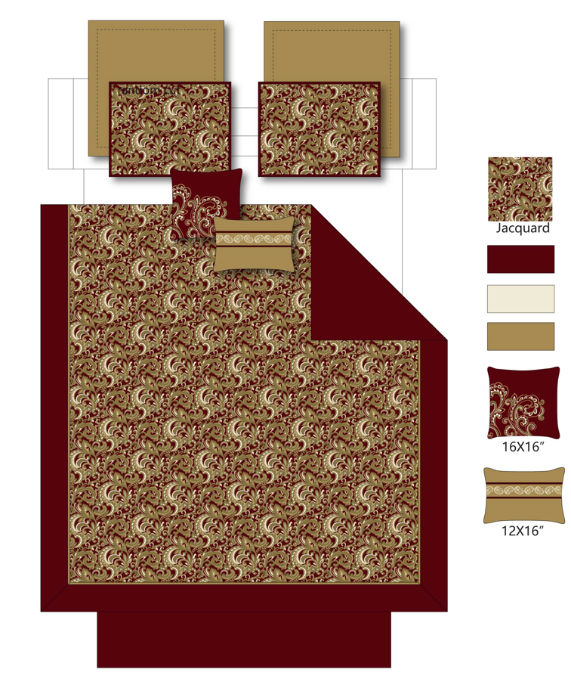 |  | Regency Heights |  | COMFORTER (SET) | Brystol | 100% Polyester Jacquard 8pcs Comforter Set | 100% polyester comforter set | Comforter/Sham : 100% polyester jacquard, 85gsm microfiber reverse, 200gsm polyester filling; Bedskirt: polyester polyoni drop, polyester platform; Euro: polyester polyoni face, 85gsm microfiber reverse; Pillow: polyester polyoni cover, polyester filling | Face and Back: 100% polyester. Poly fill | 90"W x 90"L/20"W x 26"L (2)/60"W x 80"L + 15"D/26"W x 26"L + 2"D (2)/16"W x 16"L/12"W x 16"L | Red | RH10-0619 |  |  | ¥135.10 | 7.85 | $17.21 |  |  | Compressed/Knocked Down | 42.0 | 32.0 | 53.0 | 10.00 | 3 | 0.071 | 2738 | 4000 | $1.46 |  | 32.80% | $0.00 | $1.46 | 0.00% | $0.00 | 0.00% | $0.00 | 0.00% | $0.00 | $0.00 | 0 | 0.00% | $0.00 | $0.00 | $22.14 | 0.00% | $22.14 | $59.99 | $59.99 |  | 369
8 |  |  | Regency Heights |  | COMFORTER (SET) | Brystol | 100% Polyester Jacquard 8pcs Comforter Set | 100% polyester comforter set | Comforter/Sham : 100% polyester jacquard, 85gsm microfiber reverse, 200gsm polyester filling; Bedskirt: polyester polyoni drop, polyester platform; Euro: polyester polyoni face, 85gsm microfiber reverse; Pillow: polyester polyoni cover, polyester filling | Face and Back: 100% polyester. Poly fill | 104"W x 92"L/20"W x 36"L (2)/78"W x 80"L + 15"D/26"W x 26"L + 2"D (2)/16"W x 16"L/12"W x 16"L | Red | RH10-0620 |  |  | ¥155.70 | 7.85 | $19.83 |  |  | Compressed/Knocked Down | 42.0 | 32.0 | 60.0 | 10.00 | 3 | 0.081 | 2418 | 4000 | $1.65 |  | 32.80% | $0.00 | $1.65 | 0.00% | $0.00 | 0.00% | $0.00 | 0.00% | $0.00 | $0.00 | 0 | 0.00% | $0.00 | $0.00 | $23.15 | 0.00% | $23.15 | $62.99 | $62.99 |  | 270
9 |  |  | Regency Heights |  | COMFORTER (SET) | Brystol | 100% Polyester Jacquard 8pcs Comforter Set | 100% polyester comforter set | Comforter/Sham : 100% polyester jacquard, 85gsm microfiber reverse, 200gsm polyester filling; Bedskirt: polyester polyoni drop, polyester platform; Euro: polyester polyoni face, 85gsm microfiber reverse; Pillow: polyester polyoni cover, polyester filling | Face and Back: 100% polyester. Poly fill | 104"W x 92"L/20"W x 36"L (2)/72"W x 84"L + 15"D/26"W x 26"L + 2"D (2)/16"W x 16"L/12"W x 16"L | Red | RH10-0621 |  |  | ¥155.70 | 7.85 | $19.83 |  |  | Compressed/Knocked Down | 42.0 | 32.0 | 60.0 | 10.00 | 3 | 0.081 | 2418 | 4000 | $1.65 |  | 32.80% | $0.00 | $1.65 | 0.00% | $0.00 | 0.00% | $0.00 | 0.00% | $0.00 | $0.00 | 0 | 0.00% | $0.00 | $0.00 | $23.15 | 0.00% | $23.15 | $64.99 | $64.99 |  | 261

